leadbyte file
Leadbyte fields
Lead ID
Email
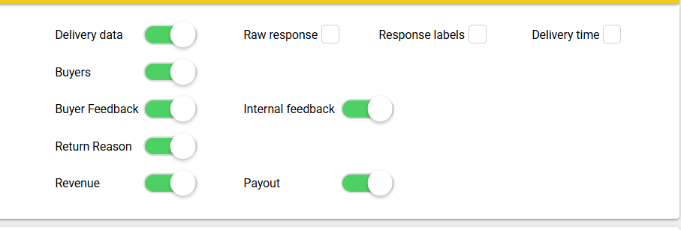
Title
First Name
Last Name
Full Name
DOB
Town / City
County
Postcode
Country
Phone 1
Phone 3
Company
Job Title
IP Address
Source
C1
C2
C3
SID
SSID
Gender
Optin Date
affiliate_overview_status
affiliate_response
age
bank_name
car_color
car_make
car_mileage
car_model
car_registration_number
car_vin_number
car_year
channel
citizenship
client_lead_reference
client_response
comments
contract_period
coupon
customer_type
customquestions1
customquestions2
customquestions3
customquestions4
customquestions5
customquestions6
customquestions7
customquestions8
customquestions9
customquestions10
deal_code
deal_floor_code
deal_info
dealer
dealer_id
debt_amount_captured
debt_assessment_conve
debt_counsel_eligibiltypr
debt_review_eligiblity
debt_type
device
device_manufacturer
device_model
employed
employer
enrichedflag
fb_ad_id
fb_ad_name
fb_adset_id
fb_adset_name
fb_campaign_id
fb_campaign_name
fb_placement
fb_site_source_name
government_employee
gross_income_captured
grossincome
has_credit_card
id_number
journeys_token
latitude
longitude
legal_type
loan_amount
loan_amount_approved
loan_amount_requested
loan_purpose
loan_term
mapped_overview_status
message
message_copy
notes
outstanding_debt
pet_age
pet_name
pet_quantity
pet_type
preferred_language
price_plan
price_plan_cost
price_plan_data
price_plan_minutes
price_plan_money
price_plan_period
price_plan_sms
promotag
salt_campaign_name
score_card
service_provider
sitenotes
sub_category
submission_date
tenant_name
trusted_form
network
fb_pxc_name
fb_pxc_id
repayments
fb_clid
gclid
ga_advertid
ga_campaign
ga_adgroup
ga_adkey
client_status
lead_status_client
lead_status2_client
lead_status3_client
lead_status4_client
lead_status5_client
lead_next_step
lead_last_contact_date
lead_client_notes
accept_terms_conditions
ad_description
brand
credit_check
credit_score
diarized_date
diarized_note
employees
monthly_cost
net_income
optional
search_term
total_cost
total_debt
url
popi_opt_in
facebook_response
http_referrer_Source
subscriber_id
count_attempt
callrequest_id
caller_id_number
uuid
survey_id
updated_date
created_date
caller_id_name
current_duration
duplicate_contact
salt_Camp_Channel_in
salt_campaign_out
external_lead_reference
xsell_truworths
xsell_internet
xsell_wefix
xsell_10bet
xsell_fasta
xsell_identity
xsell_mzansibet
xsell_southern_finance
xsell_blink_finance
xsell_finance27
pixel_id
tt_ad
tt_campaign
tt_adgroup
tt_adid
ttclid
bigconnectResponse
bigconnectError
xdsResponse
xdsError
TuResponse
TuError
CarResponse
CarError
DeliveryDetails
node_alias
user_agent
external_lead_reference2
external_lead_reference3
external_lead_reference4
external_lead_reference5
FirstBuyerName
DeliveryName
DeliverTime
whatsapp_opt_in
fbp
TUClassification
TUIsPersalCustomer
TUIsPersalLead
CarScoreCard
TUClassificationResponse
TUClassificationError
xdsAPIResponse
KnowbletResponse
KnowbletError
Triggercall1
Triggercall2
Triggercall3
Triggercall4
Triggercall5
Triggercall6
Triggercall7
Triggercall8
Triggercall9
Triggercall10
FeedbackCode1
FeedbackBuyer1
FeedbackNotes1
FeedbackTime1
FeedbackCode2
FeedbackBuyer2
FeedbackNotes2
FeedbackTime2
FeedbackCode3
FeedbackBuyer3
FeedbackNotes3
FeedbackTime3
FeedbackCode4
FeedbackBuyer4
FeedbackNotes4
FeedbackTime4
FeedbackCode5
FeedbackBuyer5
FeedbackNotes5
FeedbackTime5
Id_number_valid
Id_number_validError
sms_portal
SanlamQ_Term
SanlamQ_Amount
SanlamQ_InterestRate
SanlamQ_Decision
AB_Type
AB_MaxCapital
AB_MaxTerm
AB_MaxCrIntRate
AB_MaxDrIntRate
db_Client
db_Conversion
db_DCRS
db_Expenses
db_Savings
Blink_Decision
Blink_Reference
F27_Decision
F27_Reference
SF_Decision
SF_Reference
Fasta_LoanAmt
Fasta_LoanPeriod
Fasta_IntRate
Fasta_MonRepay
Fasta_CustomerType
Fasta_Status
Fasta_Reason
Fasta_URL
Blink_errors
Blink_status
F27_errors
F27_status
SF_errors
SF_status
MatogenScore
MatogenCalcRank
MatogenDebtReviewInd
MatogenResponse
db_Eligibility
DeliverySource1
DeliverySource2
DeliverySource3
DeliverySource4
DeliverySource5
xsell_fibre
xsell_savvy_games
fbc

