2
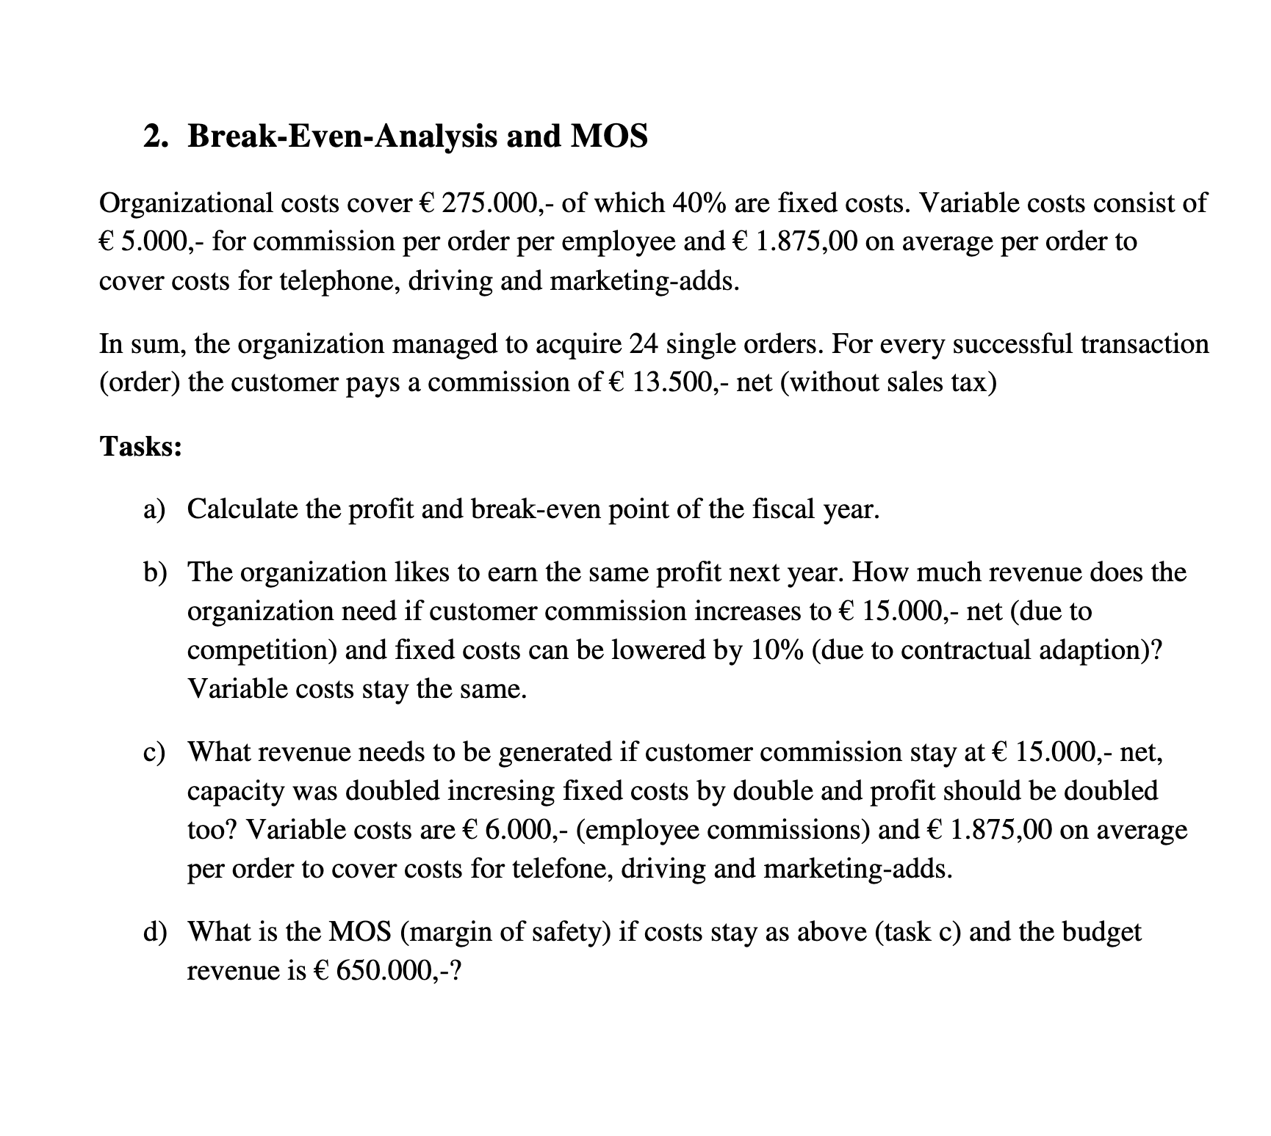
PROBLEM 2
Variable Costs |  | orders | 24 | orders | 19 | orders | 45
Fixed Costs |  | sale per unit | € 13,500.00 | sale per unit | € 15,000.00 | sale per unit | € 15,000.00
 |  | Variable cost per unit | € 6,875.00 | Variable cost per unit | € 6,875.00 | Variable cost per unit | € 7,875.00

Income Statement |  | Current Year |  | Task B |  | Task C
Revenue |  |  | € 324,000.00 |  | € 285,000.00 |  | € 675,000.00
costs | 275,000.0

Commission |  | € 120,000.00 |  | € 95,000.00 |  | € 270,000.00
Other V Costs |  | € 45,000.00 |  | € 35,625.00 |  | € 84,375.00
Variable costs |  |  | € 165,000.00 |  | € 130,625.00 |  | € 354,375.00
Fixed costs |  |  | € 110,000.00 |  | € 99,000.00 |  | € 220,000.00
Operating income |  |  | € 49,000.00 |  | € 49,000.00 |  | € 98,000.00

Contribution Margin |  | 49.07% | € 159,000.00 | 54.17% | € 154,375.00 | 47.50% | $320,625.00
BEP |  | Point | amount | Point | amount | Point | amount
 |  | 16.60 | € 224,150.94 | 18.22 | € 273,230.77 | 44.63 | € 669,473.68
 |  | 17 | € 229,500.00 | 19 | € 285,000.00 | 45 | € 675,000.00

BEP without profit |  |  |  |  |  | 30.88 | € 463,157.89
 |  |  |  |  |  | 31 | € 465,000.00
MOS |  |  |  |  |  |  | € 185,000.00

Question: When it comes to MOS, we consider only the BEP without any budgeted profit or it should take into the account?
Question: When it comes to BEP, we have to round decimal point into the higher intger number or not. Because the decimal points are more likely to be meaningless in eg.numer of production.

3
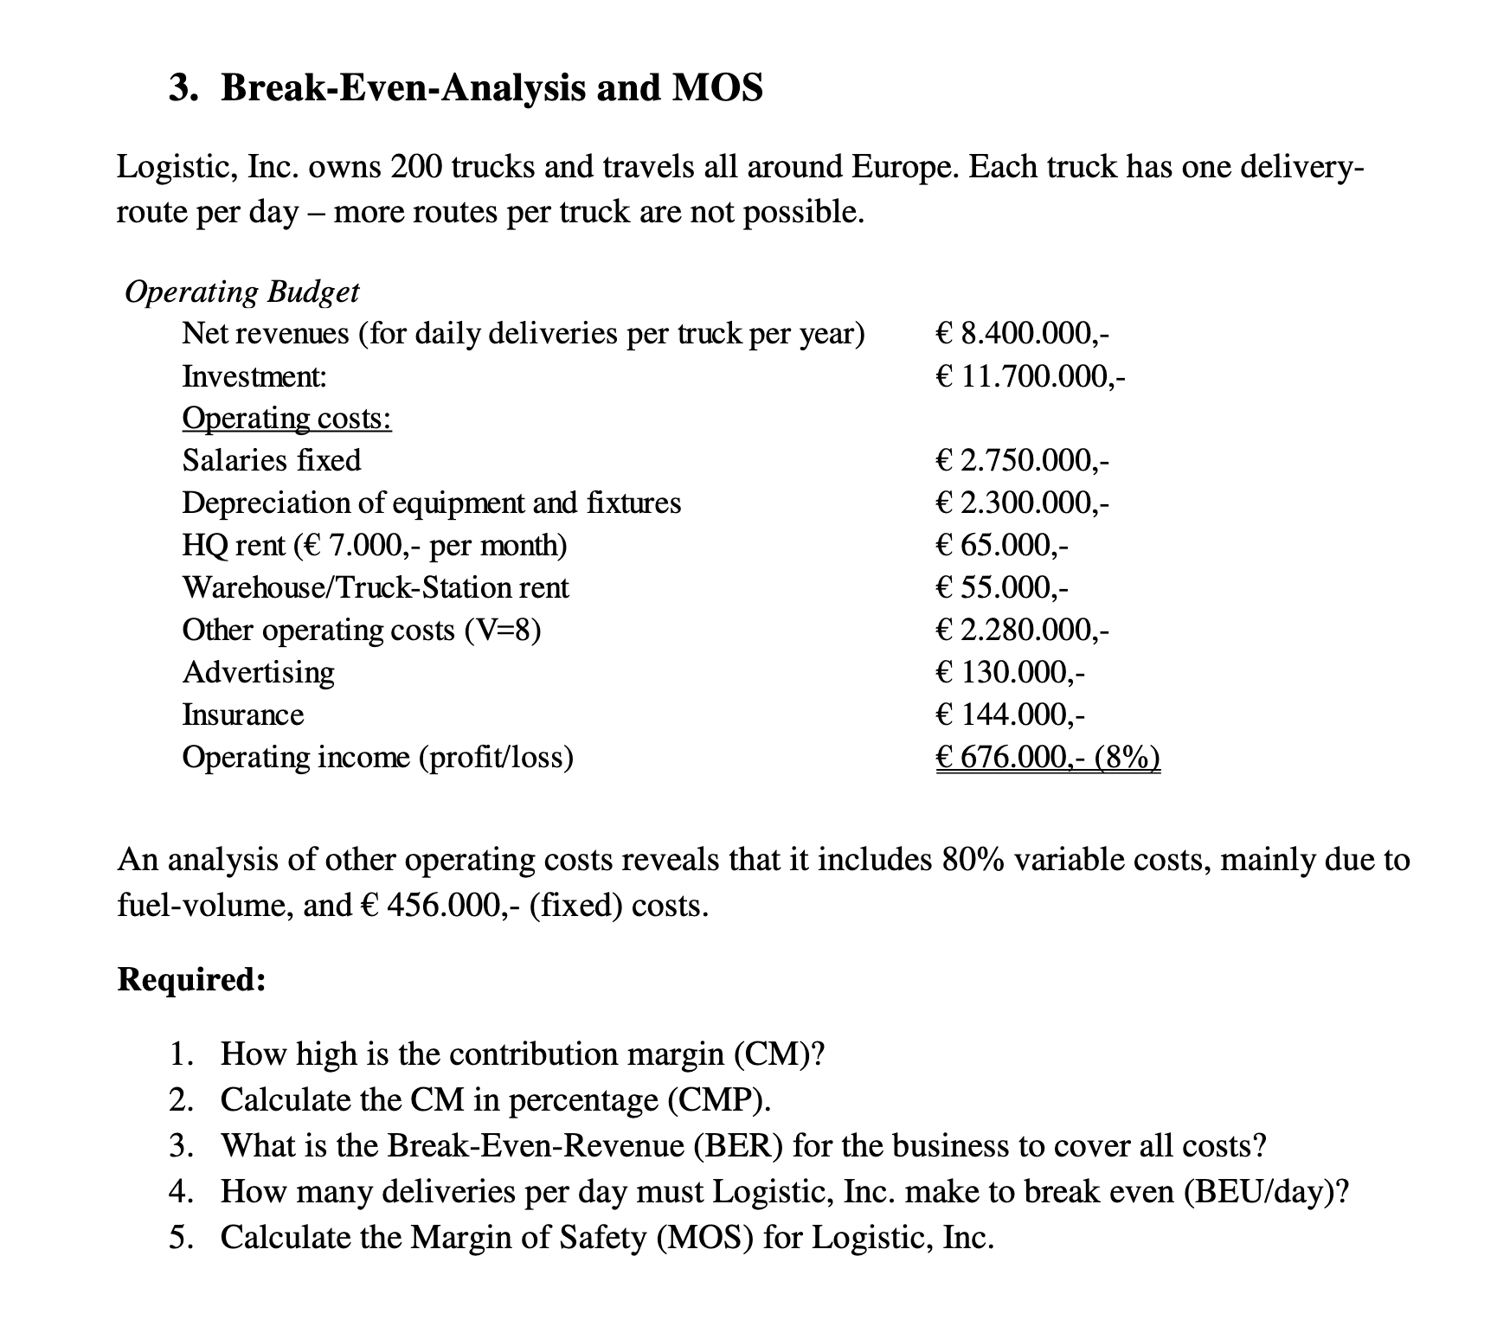
PROBLEM 3
Number of input/output | 200 | Variable Costs
sale per unit | $42,000.00 | Fixed Costs
Variable cost per unit | $9,120.00
sale per unit per day | $115.07
Income Statement |  | current
Net revenues (for daily deliveries per truck per year) |  | € 8,400,000.00
Investment: |  | € 11,700,000.00
Operating costs
Salaries fixed |  | € 2,750,000.00
Depreciation of equipment and fixtures |  | € 2,300,000.00
HQ rent (€ 7.000,- per month) |  | € 65,000.00
Warehouse/Truck-Station rent |  | € 55,000.00
Other operating costs (Variable) |  | € 1,824,000.00
Other operating costs (Fixed) |  | € 456,000.00
Advertising |  | € 130,000.00
Insurance |  | € 144,000.00
Total Operating costs |  | € 7,724,000.00
Operating income (loss) |  | € 676,000.00

Total Variable Costs |  | € 1,824,000.00
Total Fixed Costs |  | € 5,900,000.00
Other operating costs (V=8) |  | € 2,280,000.00

Contribution Margin | 78.29% | $6,576,000.00
BEP | Point | amount
 | 179.44 | $7,536,496.35
 | 180 | $7,560,000.00
MOS |  | $863,503.65

4
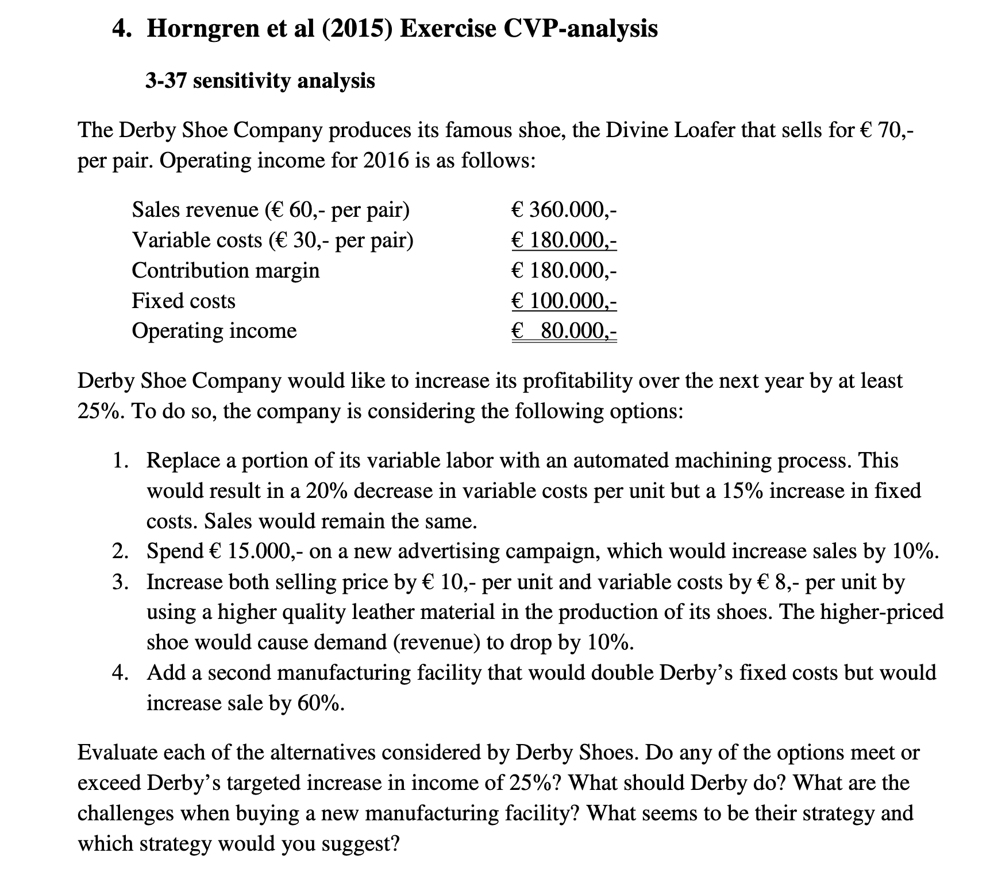
PROBLEM 4
Variable Costs | Demand |  |  | 6000 |  | 6600 |  | 5400 |  | 9600
Fixed Costs | sale per unit |  |  | € 60.00 |  | € 60.00 |  | € 70.00 |  | € 60.00
 | Variable cost per unit |  |  | € 30.00 |  | € 30.00 |  | € 38.00 |  | € 30.00

Income Statement | Current Situation |  | Task 1 |  | Task 2 |  | Task 3 |  | Task 4
Revenue |  | € 360,000.00 | 0% | € 360,000.00 | 10% | € 396,000.00 | 5% | € 378,000.00 | 60% | € 576,000.00
Variable costs |  | € 180,000.00 |  | € 144,000.00 |  | € 198,000.00 |  | € 205,200.00 |  | € 288,000.00
Fixed costs |  | € 100,000.00 |  | € 115,000.00 |  | € 100,000.00 |  | € 100,000.00 |  | € 200,000.00
Advertising |  |  |  |  |  | € 15,000.00
Operating income |  | € 80,000.00 | 26.3% | € 101,000.00 | 3.8% | € 83,000.00 | (%9.0) | € 72,800.00 | 10.0% | € 88,000.00

When buying a new facility, paying attention to the cost changes is considered to be important. What-if strategy enable management to estimate the changes in profit if some of the production elements change. In this case, although the sales would increase by 60%, the variable cost related to the sales raise and fixed cost would be doubled making the profit higher only 10%.

5
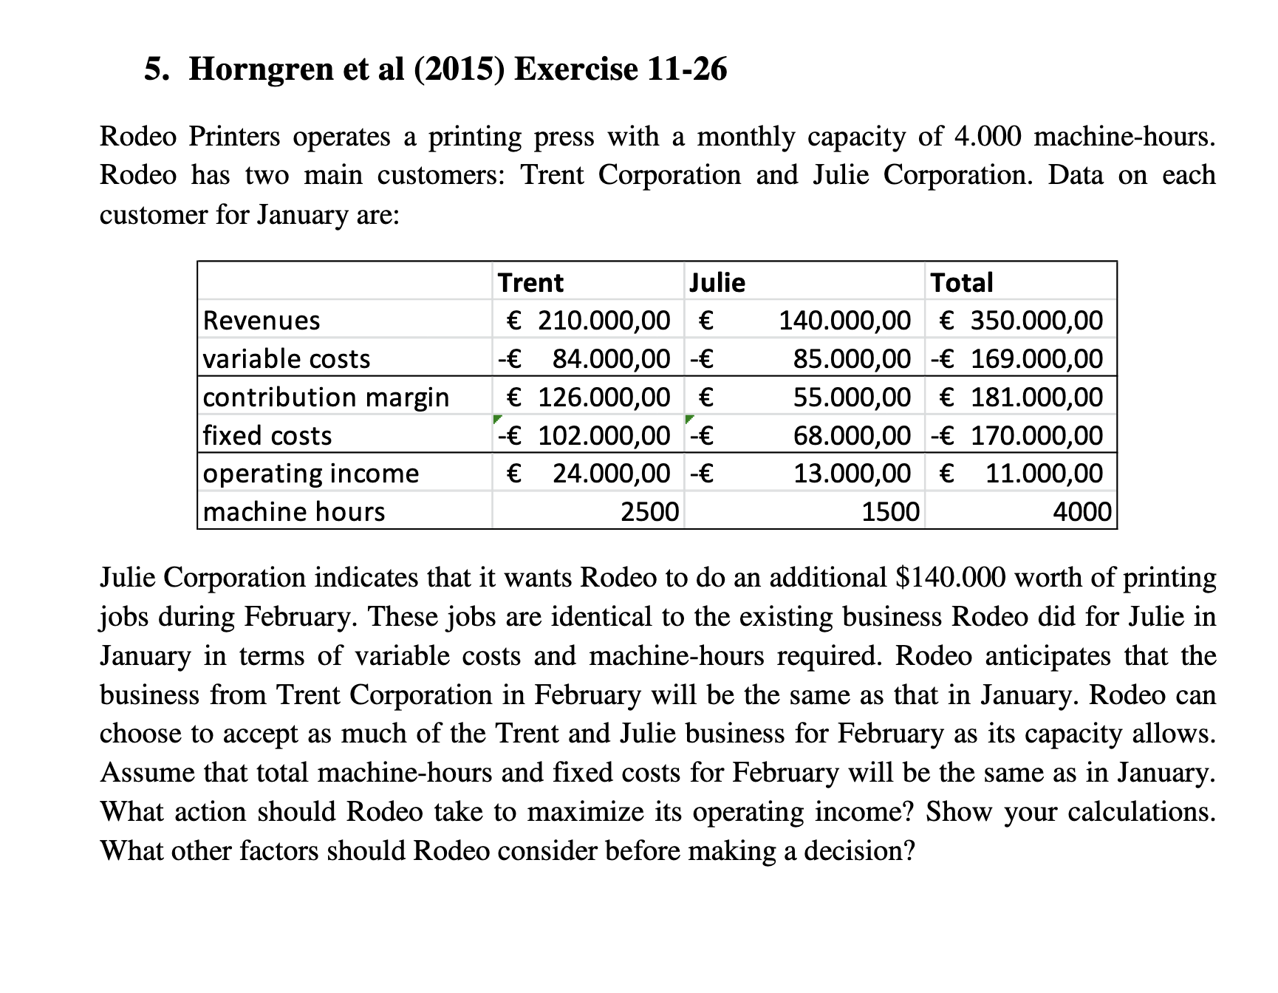
PROBLEM 5
Number of input/output | 2500 | 1500 | 4000
sale per unit | $84.00 | $93.33
Variable cost per unit | $33.60 | $56.67

 | Trent | Julie | Total
Revenues | € 210,000.00 | € 140,000.00 | € 350,000.00
variable costs | € 84,000.00 | € 85,000.00 | € 169,000.00
contribution margin | € 126,000.00 | € 55,000.00 | € 181,000.00
fixed costs | € 102,000.00 | € 68,000.00 | € 170,000.00
operating income | € 24,000.00 | (€ 13,000.00) | € 11,000.00
machine hours | 2500.00 | 1500.00 | 4000.00

 | Trent | Julie | Total
Revenues | € 84,000.00 | € 280,000.00 | € 364,000.00
variable costs | € 33,600.00 | € 170,000.00 | € 203,600.00
contribution margin | € 50,400.00 | € 110,000.00 | € 160,400.00
fixed costs | € 102,000.00 | € 68,000.00 | € 170,000.00
operating income | (€ 51,600.00) | € 42,000.00 | (€ 9,600.00)
machine hours | 1000.00 | 3000.00 | 4000.00

I recommend not to jump into the order of extra productopn for Julie because the company could suffer loss of 9.600 Euro in this regard.

6
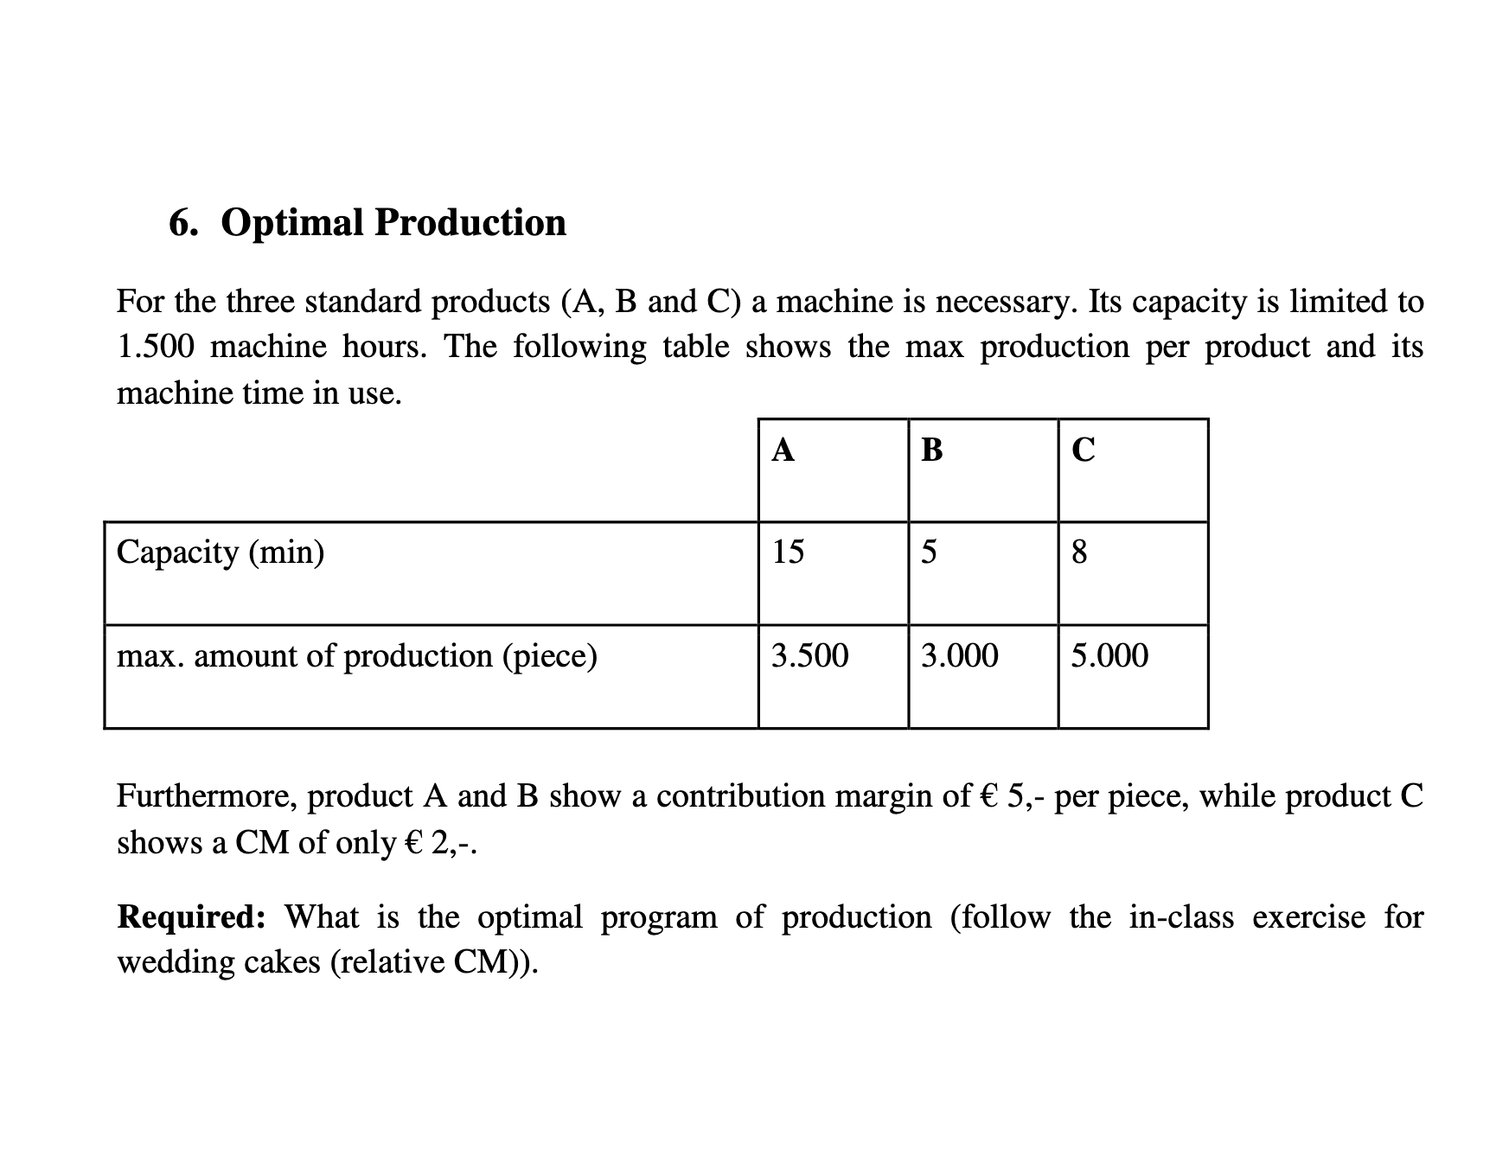
PROBLEM 6
Number of input/output | 1500
sale per unit
Variable cost per unit
 | A | B | C | Total
Capacity (min) | 15 | 5 | 8 | 90000
max. amount of production (piece) | 3500.000 | 3000.000 | 5000.000
CM | € 5.00 | € 5.00 | € 2.00
Relative CM | 0.33333333333 | 1 | 0.25
Order of production | 2 | 1 | 3
Combination of using machine (min) | 52,500 | 15,000 | 22,500 | 90,000
capacity in machine hours | 875 | 250 | 375 | 1500
Optimal production | 3,500 | 3,000 | 2,813 | 9,313

7
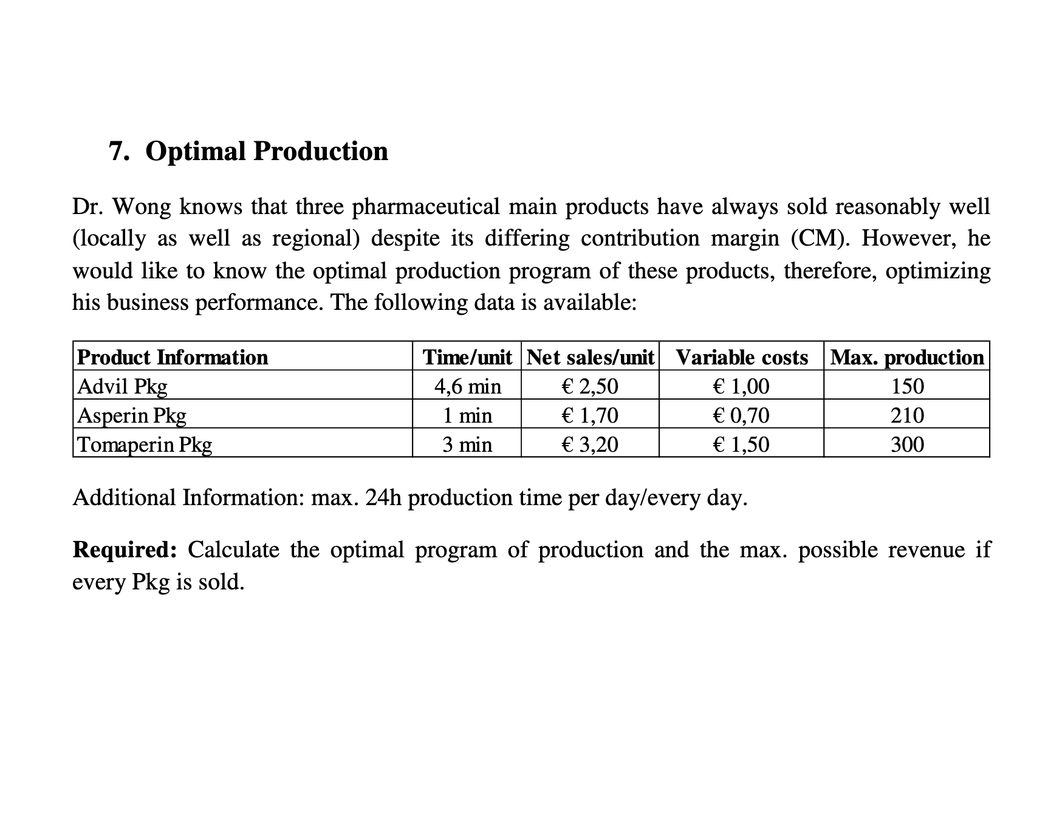
PROBLEM 7
Capacity/min per day | 1440
sale per unit
Variable cost per unit
Product Information | Time/unit | Net sales/unit | Variable costs | Max. production
Advil Pkg | 4,6 min | 2.5 | 1 | 150
Asperin Pkg | 1 min | 1.7 | 0,70 | 210
Tomaperin Pkg | 3 min | 3.2 | 1.5 | 300

Product Information | Time/unit | Net sales/unit | Variable costs | CM | Relative CM | Order of production | Optimal production | capacity in machine min
Advil Pkg | 4.6 | 2.5 | € 1.00 | € 1.50 | 0.32608695652 | 3 | 71.739130435 | 330
Asperin Pkg | 1 | 1.7 | € 0.70 | € 1.00 | 1 | 1 | 210 | 210
Tomaperin Pkg | 3 | 3.2 | € 1.50 | € 1.70 | 0.56666666667 | 2 | 300 | 900

8
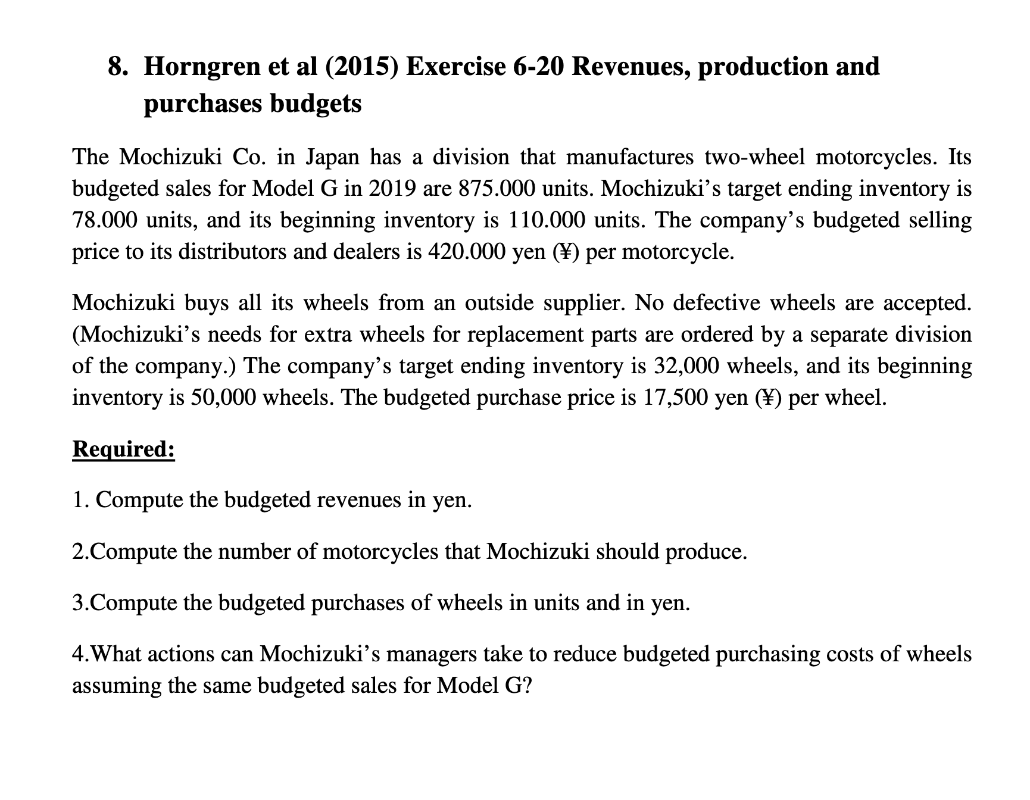
PROBLEM 8

 | units | selling price | Revenue
sales 2019 | 875,000 | ¥420,000 | ¥367,500,000,000
ending inventory | 78,000
beginning inventory | 110,000
production | 843,000

 | units | buy price | Purchasing cost
buying 2019 | 1,668,000 | ¥17,500 | ¥29,190,000,000
ending inventory | 32,000
beginning inventory | 50,000
production | 1,686,000

Reviewing the different scenarios of manufacturing or outsourcing to decrease wheel costs. Moreover,there maybe possible to get discounts on the purchasing prices or find supplier to deliver materials in cheaper prices making costs more effective.

