spanScore分布
１着 | ２着 | ８着 | 14着
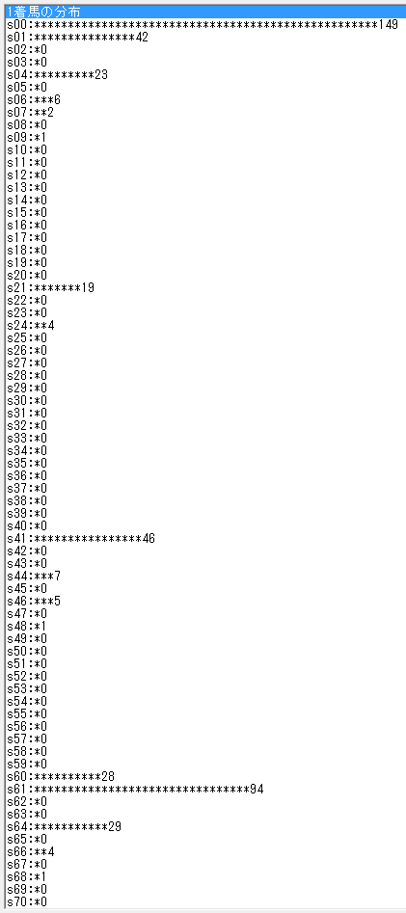

S61で1-0-0-0は28/120

dateScore分布
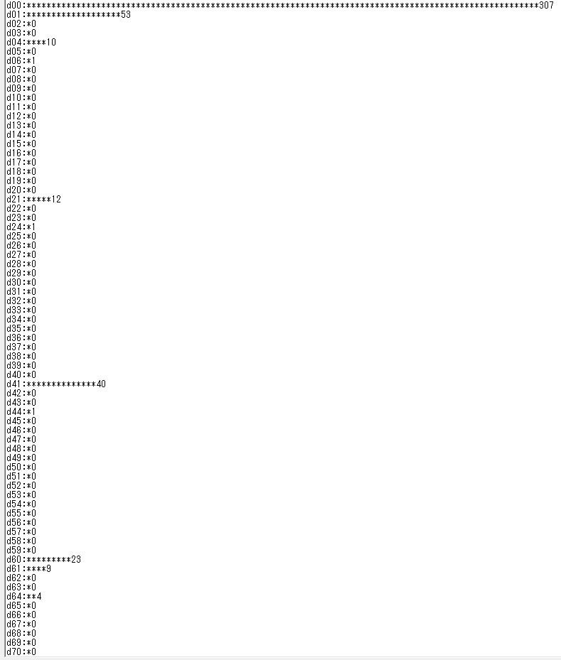
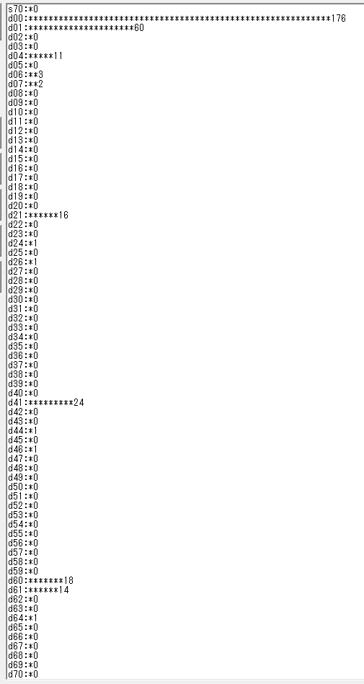
１着 | ２着 | 8着 | １４着
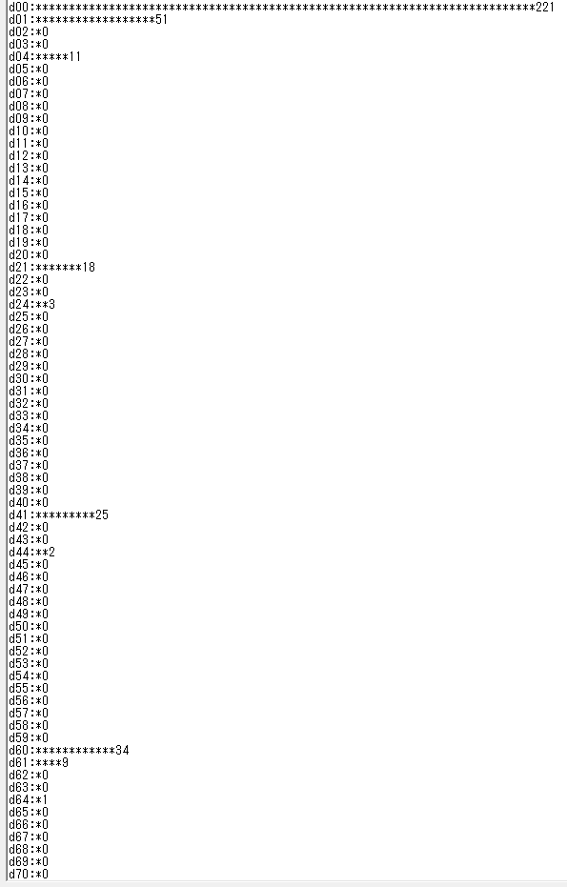

d61で1-0-0-0は23/32

出馬表２
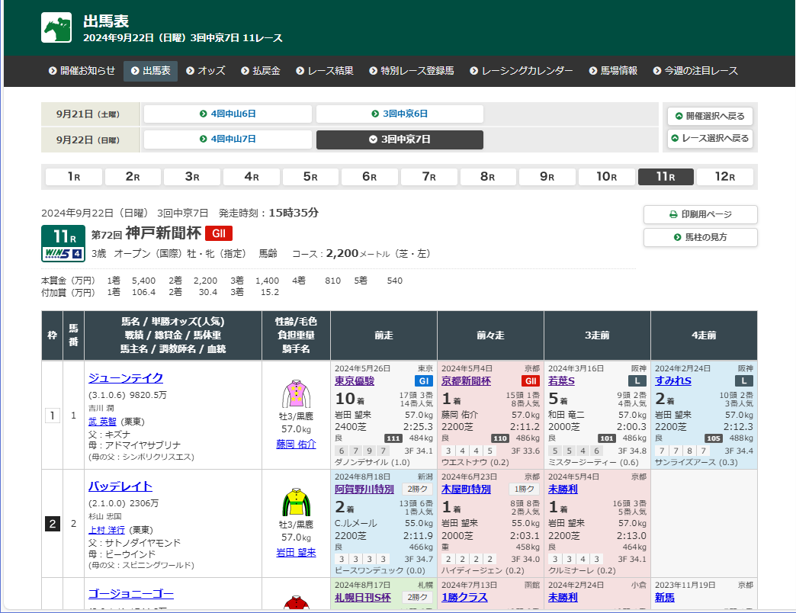

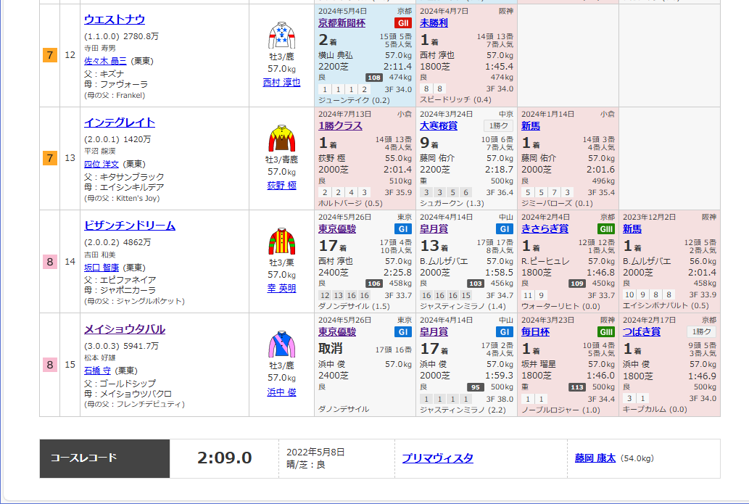

<div class="name"><a href="/JRADB/accessU.html?CNAME=pw01dud002021105048/CD">ゴージョニーゴー</a></div><div class="odds"><div class="odds_line"><span class="num"><strong>40.8</strong></span><span class="pop_rank">(11<span>番人気</span>)</span></div></div></div>
<div class="result_line">
<div class="cell weight">514kg<span class="transition">(-2)</span></div></div><p class="owner">藤田 晋</p><p class="trainer"><a href="#" onclick="return doAction('/JRADB/accessC.html', 'pw05cmk001184/43');">四位 洋文</a><span class="division">(栗東)</span></p>
<ul class="family_line">

