Background info
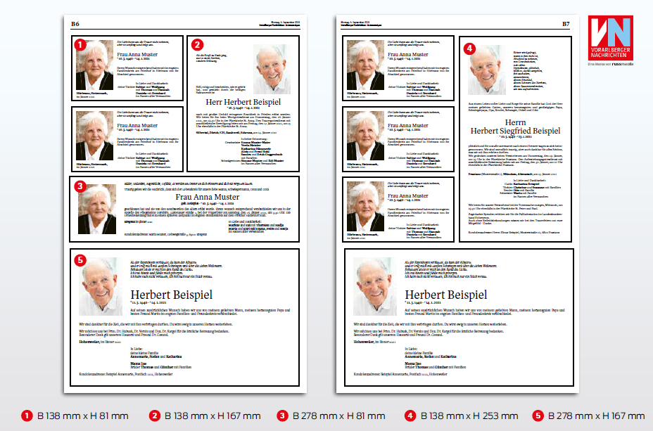
Price |  | Category
210 | Small | 1
499 | Medium | 2
499 | Medium | 3
1234 | Large | 4
1626 | Large | 5

Source: https://todesanzeigen.vn.at/todesanzeige-aufgeben/preise-und-musterbuch (accessed 01.11.2022)

