Sheet2
Photo | No | Specification | Qty | Unit Price | Price | Link
Frame & Motors
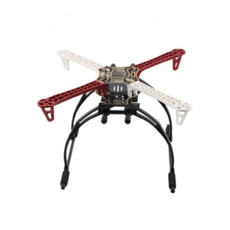 | 1 | F450 Quadrotor Frames | 1 | $15.00 | $15.00 | https://khmeres.com/product_detail/313
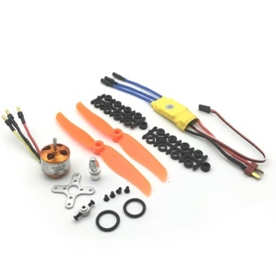 | 2 | Xida 2212 2200kv brushless motor xxd 30A ESC 6-inch paddle set fixed-wing aircraft | 4 | $12.00 | $48.00 | https://khmeres.com/product_detail/320
Power & Electronics
 | 3 | 3S / 2200mAh / 30C lipo | 1 | $12.00 | $12.00 | http://store.arrowdot.io/product/tiger-power-li-po-3s-11-1v-with-t-plug-battery-connector/
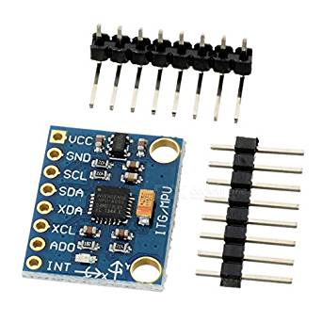 | 4 | MPU6050 analog gyro sensors 3 Axis Accelerometer Module | 1 | $2.00 | $2.00 | https://khmeres.com/product_detail/1082
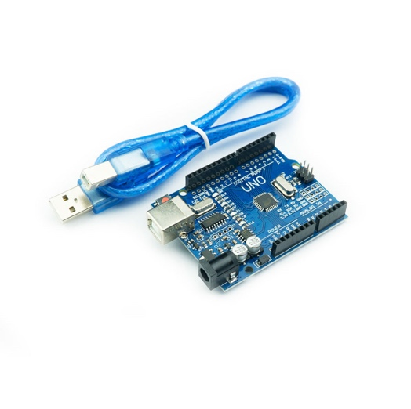 | 5 | Arduino UNO R3 SMD + USB Cable | 1 | $6.00 | $6.00 | https://khmeres.com/product_detail/58
Transmitter
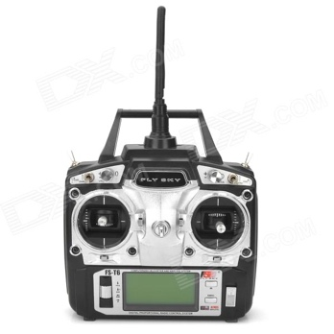 | 6 | Flysky FS-T6 6-CH TX Transmitter + Radio Control System | 1 | $50.00 | $50.00 | ???
Others
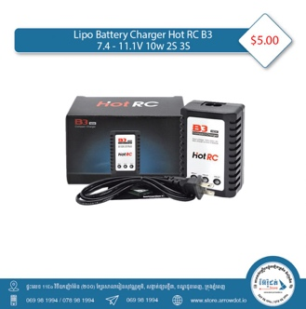 | 7 | Lipo Battery Charger Hot RC B3 7.4V-11.1V 20W for 2S and 3S | 1 | $5.00 | $5.00 | http://store.arrowdot.io/product/lipo-battery-charger-hot-rc-b3-7-4v-11-1v-20w-for-2s-and-3s/

 |  | TOTAL |  |  | $138.00

