BPMScheduleLookUp
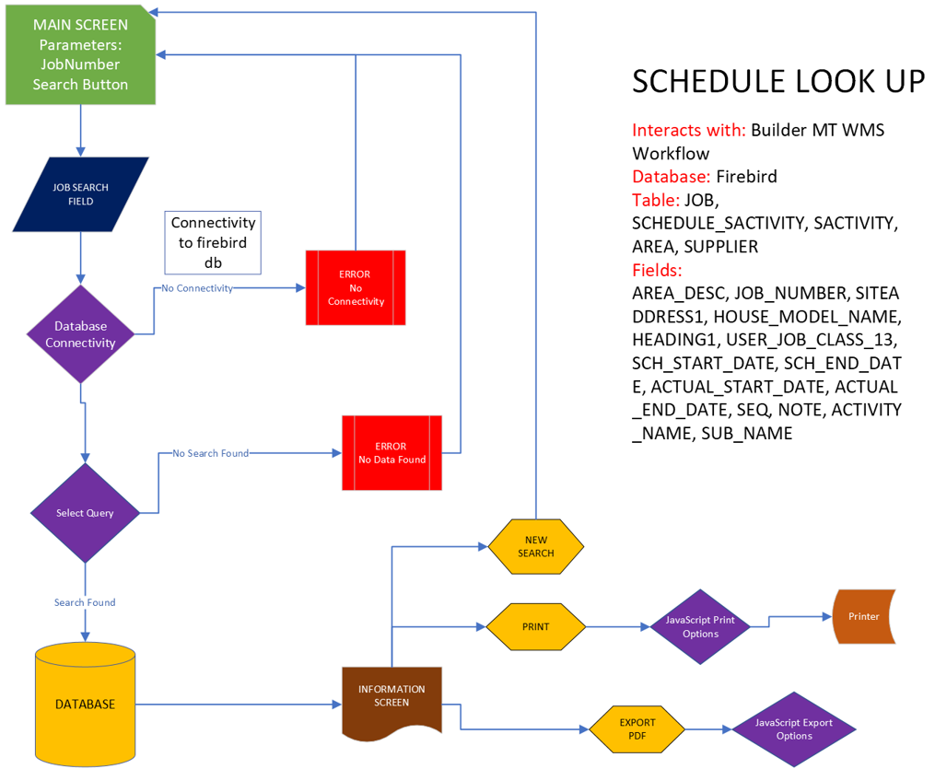
Schedule Look Up Project

 | Value
Scope | A simple UX that will receive a job number and retrieve a job table showing a tradelist workflow.
Users | Users will be mainly field employees
Device used | laptops, tablets
Naming Conventions | ScheduleLoopUp
Design
Data | Table data Activity, Subcontractor, Schedule Start, Start, End, Note, SEQ(not needed) are to be viewed
Cleansing data | Yes, must be in all caps
Reading and Writing | Reading from the DB, no writing.
Design Specs
Search Screen | search field, search button
Result Screen | back button, close button, Address at the top with owner
Table Columns | Activity, subcontractor, schedule start, schedule end, start, end, note, seq
Imaging
Tables Involved | Not required
Existing | Not required
Creation | Not required
Logs | Not required
Database
Database Involved | MORSQL WMS_Cache
Existing | dbo.JOB
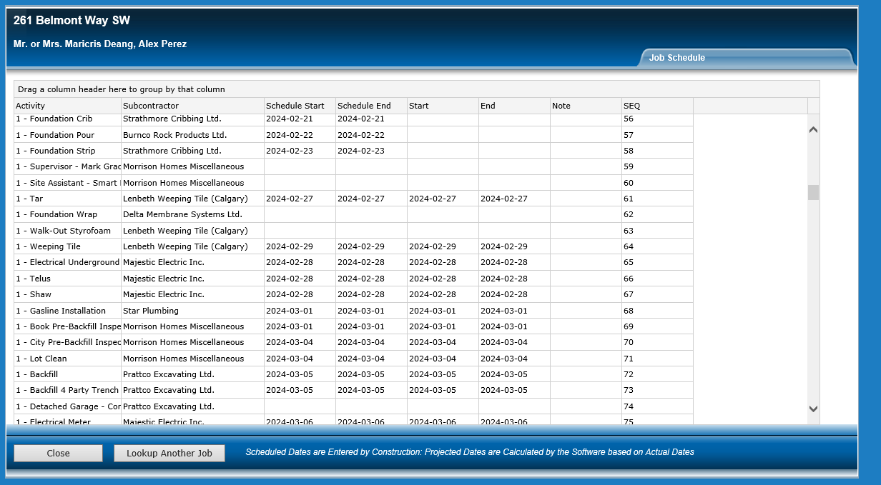
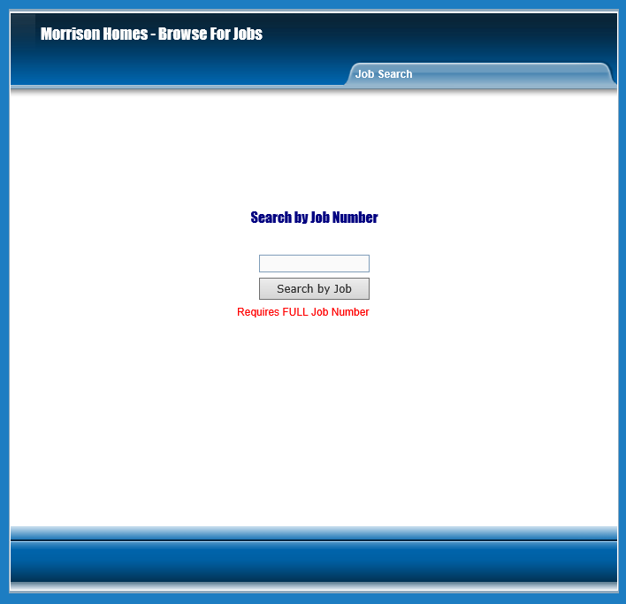
old screen and layout
Creation
Logs | Not required
Software Involved
 | Builder MT product, wms workflow management system
Import required? | Not required
API Required | Not required
Administration
Security | Minimal security, no $ values
Only Admin | yes, must be able to add admin users and add locations
Additions to original Project
Aux Jobs - Printing PDF | Yes
Aux Jobs - Save to file PDF | Yes
Aux Jobs - Email Notification | Not required

BPMOE
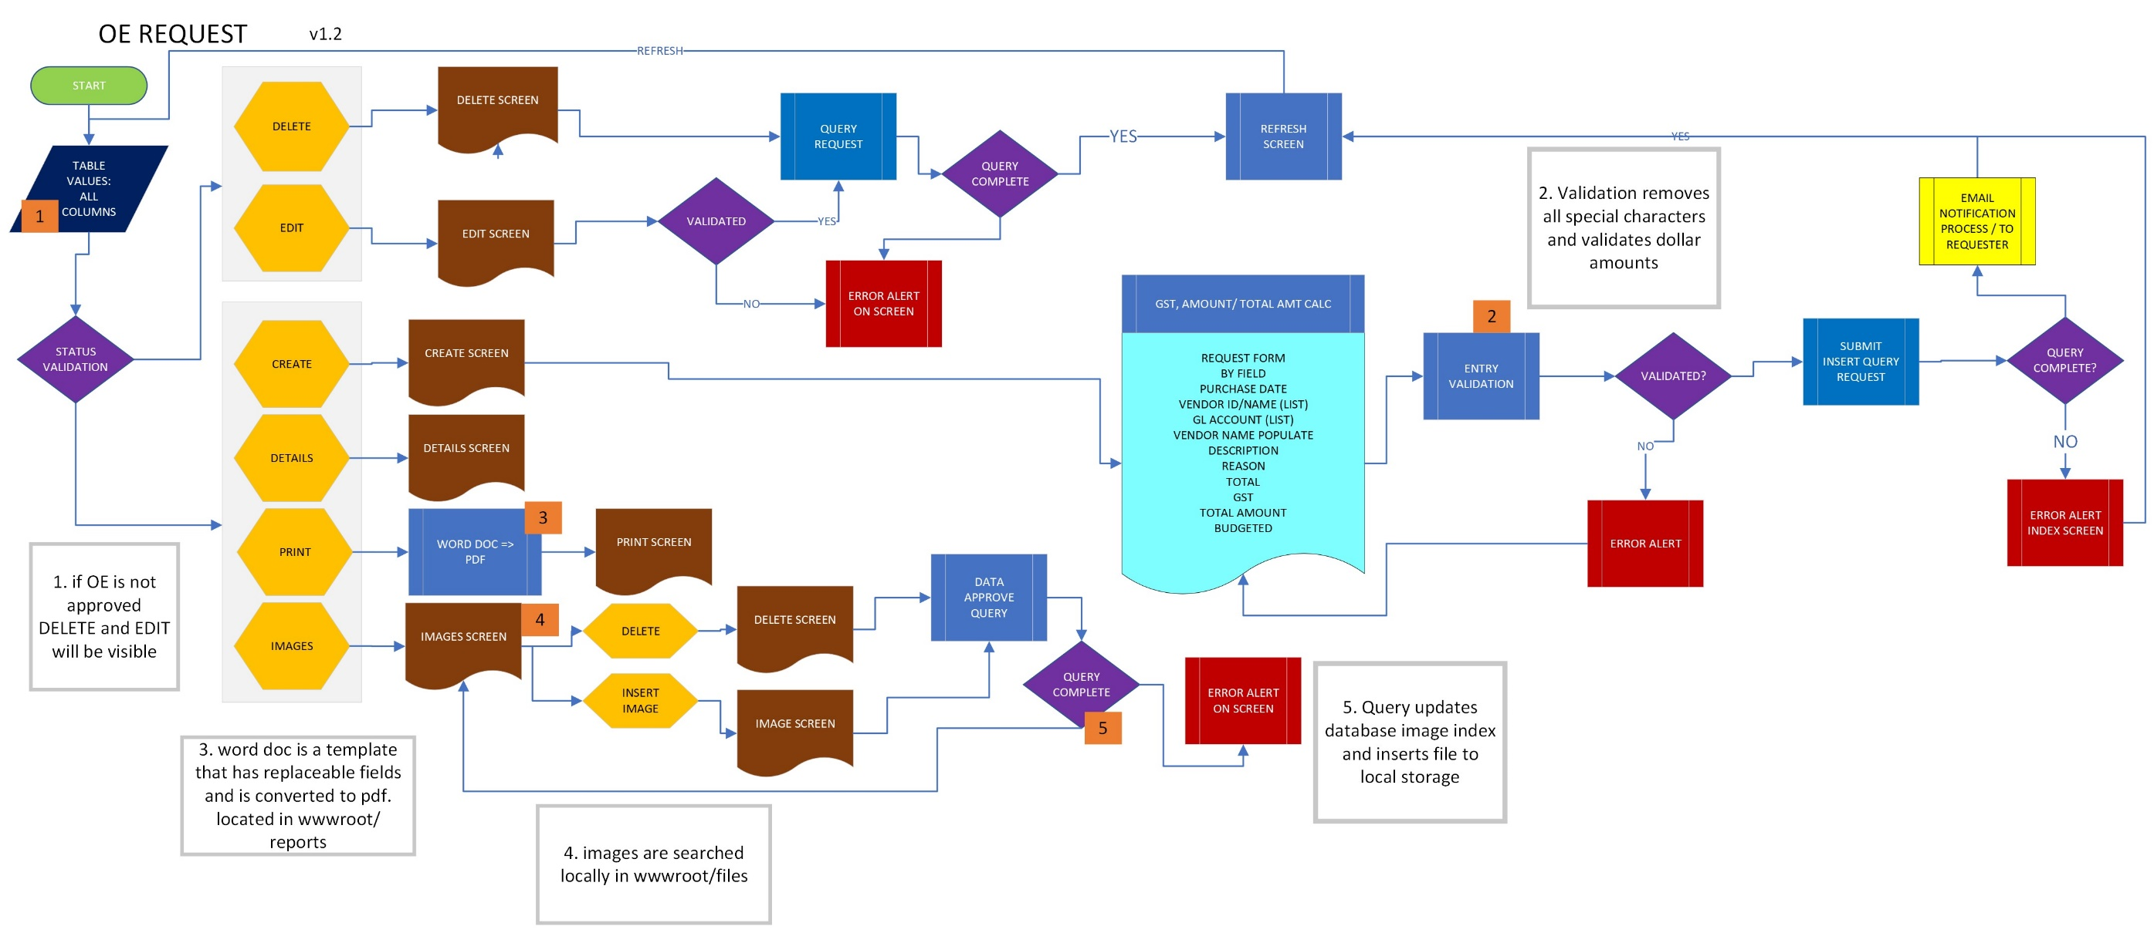
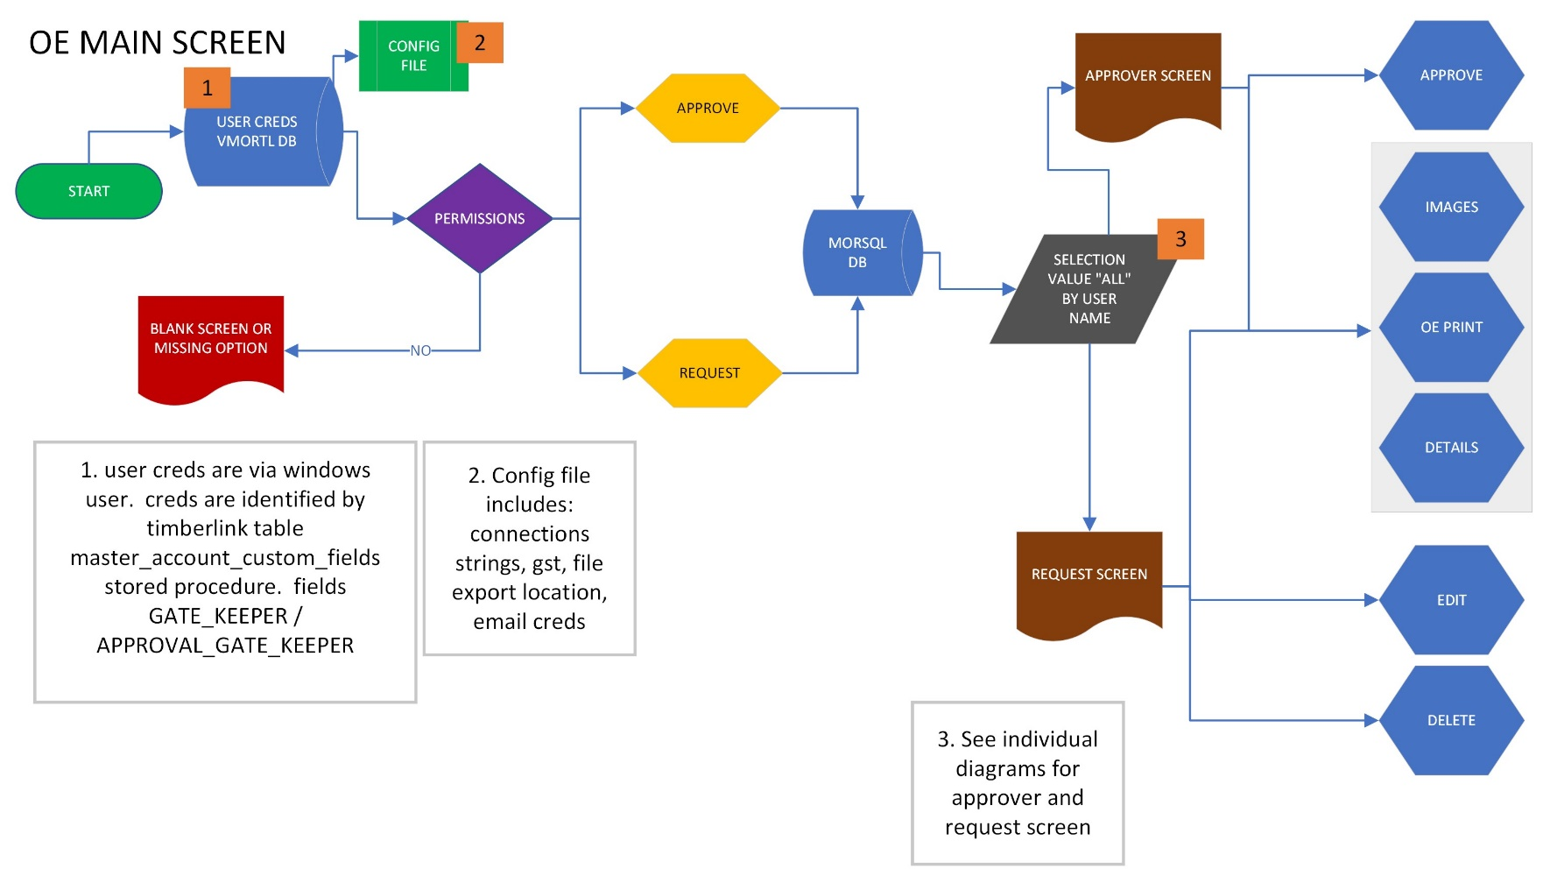
Operations Expense Project
 | Value
Scope | To create a UX that will submit a request to an approver. The approver can approve or reject the request. The approver will also have the ability to autoapprove their own tansaction under a the posted limit
Users | Office staff
Device used | laptops
Naming Conventions | OERequest
Design
Data | Create new tables to support product, one table that combines both edmonton and calgary.
Cleansing data | yes, not special characters are allowed due to import issues
Reading and Writing | yes full crud fucntions
Design Specs
Approve screen | approve reject, reject deletes all files and oe
Request Screen | entry sanitization, auto approve, gst calculations,
Edit | Requestor can edit and add documentations
Delete | Requestor can delete but approver can delete if rejected
Imaging
Upload | Yes
View | Yes
Save to Program | Yes, saved to "files"
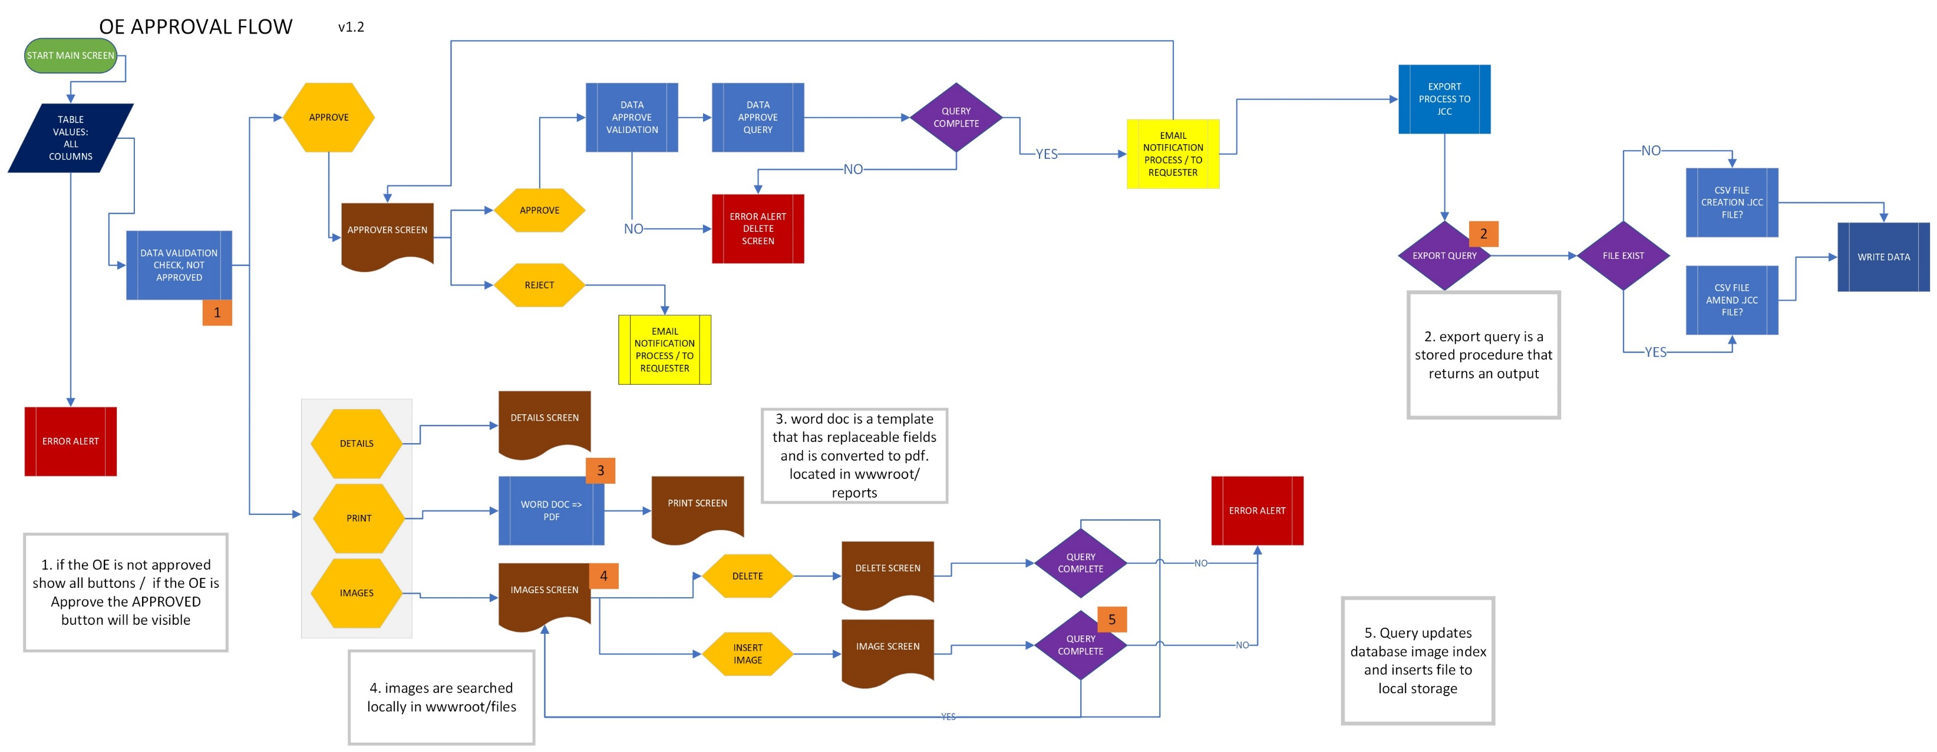
Save Locally | No
Database
Tables Involved | MORSQL Operating Expense, VMORT TimberlineLink / TimberlineEdmonton
Existing | VMORTL vendor tables and gl tables
Creation | tblrequest, tblimages, tbllocation, tbllogs
Logs | yes, new table is required
Software Involved/requirments
Software | Sage, the values will be imported into sage
Import required? | yes, jcc file

API Required | Not required
Administration
Security | Minimal security, no $ values
Only Admin | yes, must be able to add admin users and add locations

Additions to original Project
Aux Jobs - Printing PDF | Yes
Aux Jobs - Save to file PDF | Yes
Aux Jobs - Email Notification | Yes, notify the approver, requestor of the various statges

BPMDOCMAN
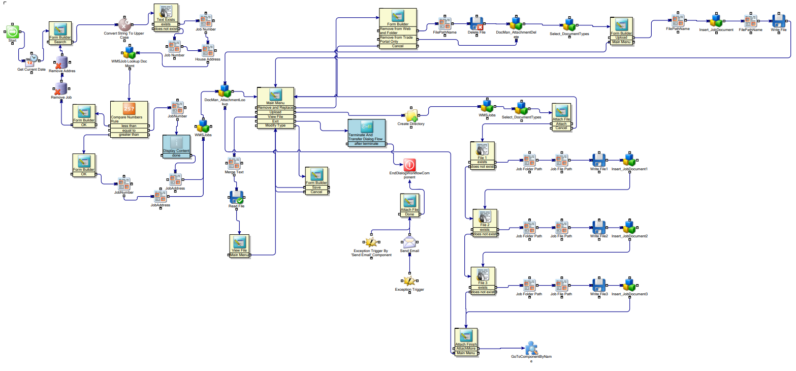
Document Mananager Project

 | Value
Scope | A simple UX that will receive a job number and retrieve / insert documents and or create a folder if nessissary.
Users
Device used | laptops, tablets
Naming Conventions | DocMan
Design
Data | Table data Image locations are to be viewed.
Cleansing input data | Yes, JOB NUMBER must be in all caps Or by search address
Reading and Writing | Reading image locations from the DB, open file from db, print file, create a file, create a file location.
Design Specs
Search Screen | search field, search button, open doc or create and attached doc
Result Screen | back button, Address at the top with owner
Table Columns | Activity, subcontractor, schedule start, schedule end, start, end, note, seq
Imaging
Tables Involved
Existing
Creation
Logs | BPMWorkflow.dbo.BpmLog
Images Locations | \\morfsdc1\CustomerDocs
Database
Database Involved
Existing | BPMWorkflow.dbo.BpmLog
Creation
Logs | BPMWorkflow.dbo.BpmLog on creation or delete
Software Involved
 | Builder MT product, wms workflow management system
Import required? | Not required
API Required | yes, to retrieve data
Administration
Security | Minimal security, no $ values
Only Admin
Additions to original Project
Aux Jobs - Printing PDF | Yes
Aux Jobs - Save to file PDF | Yes
Aux Jobs - Email Notification

