SchedLookup
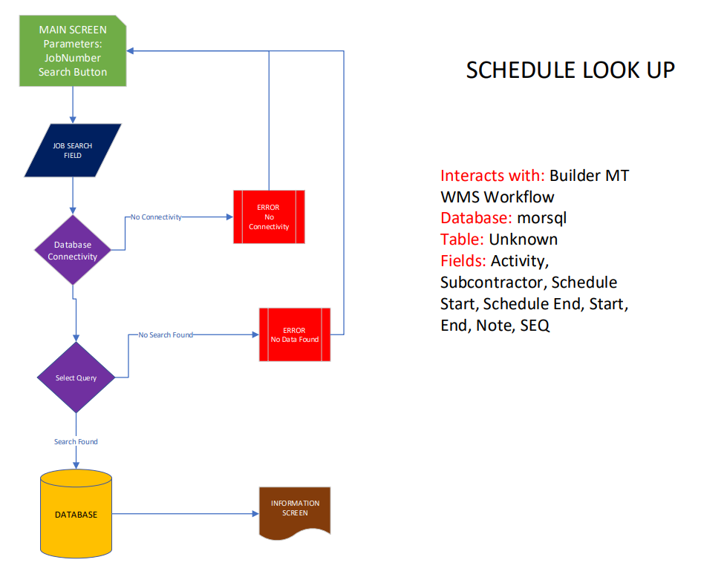
OPERATION EXPENSE |  | OPTIONS | PAGE | PAGE OPTIONS | LINE OPTIONS

Document: | ScheduleLookUp.vsdx

