Sheet1
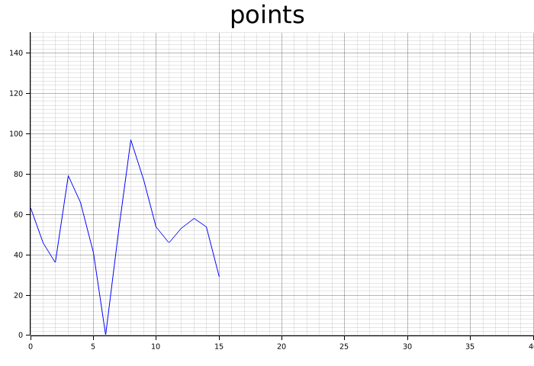
points_vec
63
46
36
79
66
41
0.5
52
97
77
54
46
53
58
54
29

Sheet2
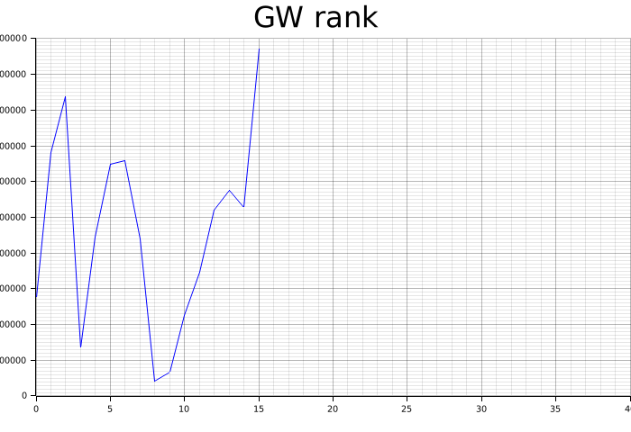
rank_vec
2753183
6813049
8375957
1348717
4456049
6497294
6582907
4402848
408092
662945
2256479
3475960
5206890
5747903
5281583
9707277

Sheet3
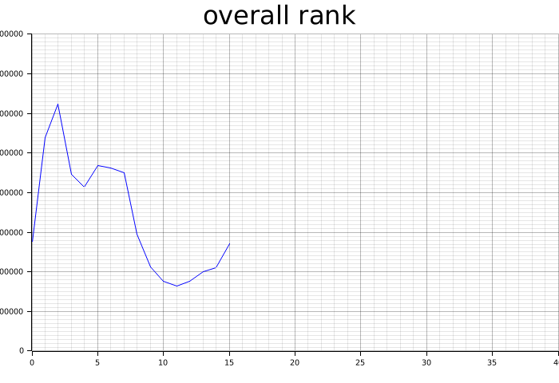
overall_rank_vec
2753181
5394590
6241850
4466846
4132105
4685805
4634337
4503149
2960579
2131984
1762448
1644286
1763749
2014469
2097282
2709429

Sheet4
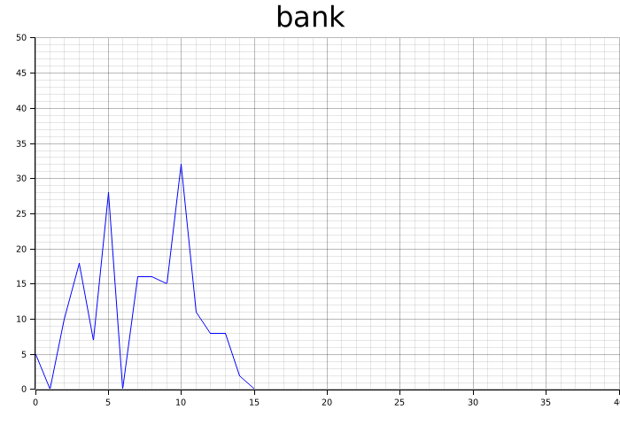
bank_vec
5
0.5
10
18
7
28
0.5
16
16
15
32
11
8
8
2
0.5

Sheet5
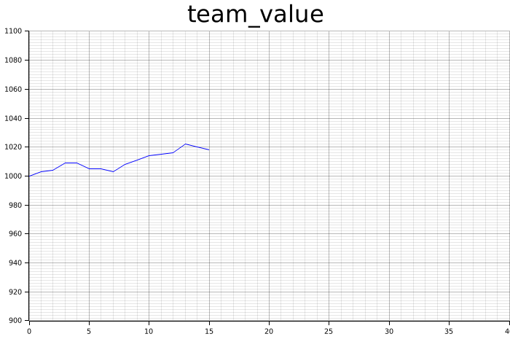
team_value_vec
1000
1003
1004
1009
1009
1005
1005
1003
1008
1011
1014
1015
1016
1022
1020
1018

Sheet6
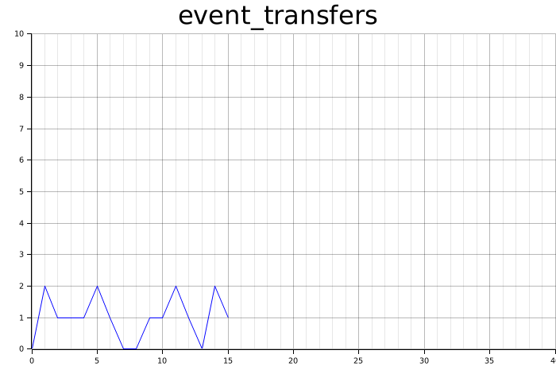
event_transfers_vec
0.5
2
1
1
1
2
1
0.5
0.5
1
1
2
1
0.5
2
1

Sheet7
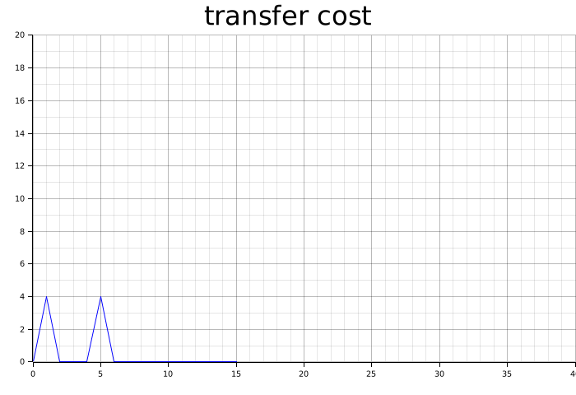
event_transfer_cost_vec
0.5
4
0.5
0.5
0.5
4
0.5
0.5
0.5
0.5
0.5
0.5
0.5
0.5
0.5
0.5

Sheet8
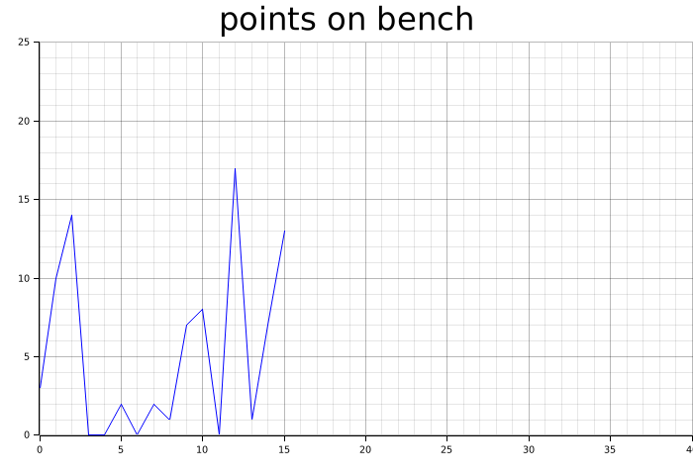
Points on Bench
3
10
14
0.5
0.5
2
0.5
2
1
7
8
0.5
17
1
7
13

