Sheet1
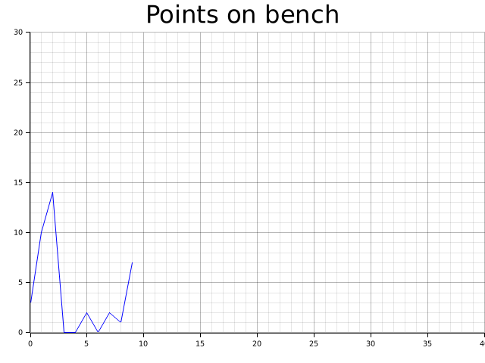
3
10
14
0
0
2
0
2
1
7

