Sheet1
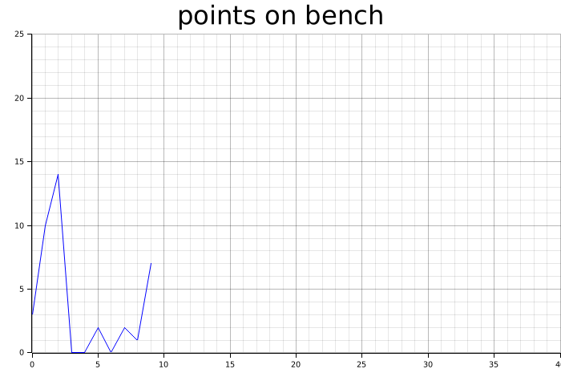
Points on Bench
3
10
14
0.5
0.5
2
0.5
2
1
7

