Sheet1
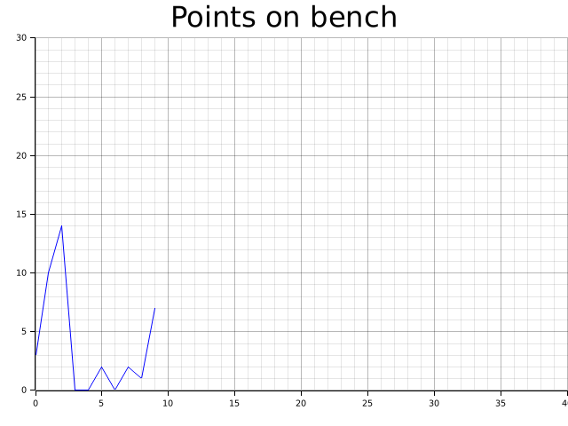
Points on Bench
 | 3
 | 10
 | 14
 | 0
 | 0
 | 2
 | 0
 | 2
 | 1
 | 7

