Sheet1
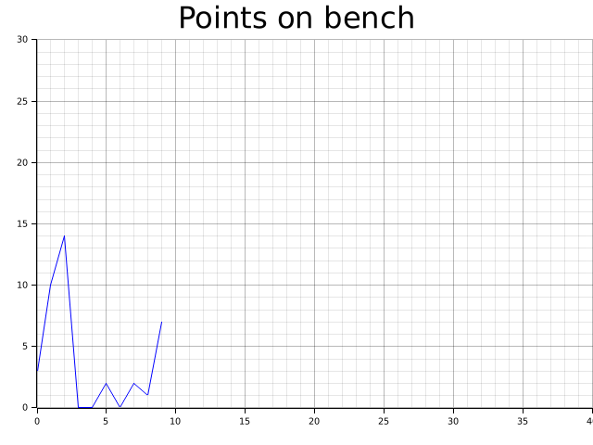
Points on Bench
3
10
14
0
0
2
0
2
1
7

