M50_2.0UI
故障ID | NAME | 故障代码 | 故障名称 | 故障描述 | HMI界面截图(中文) | HMI界面截图(英文)
1 | PCBA_MOTHERBOARD_0 | E1 | 主板故障 | 请联系售后，点击确认关闭屏幕 | 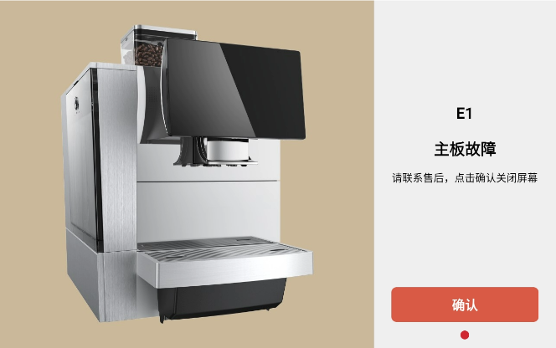 | 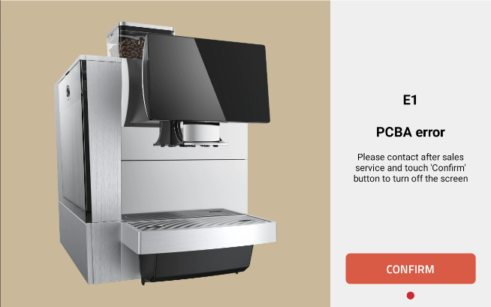
 |  |  | PCBA error | Please contact after sales service and touch 'Confirm' button to turn off the screen
2 | COFFEE_HEATING_TEM_HIGH | E2 | 咖啡电热盘温度过高 | 请联系售后，点击确认关闭屏幕 | 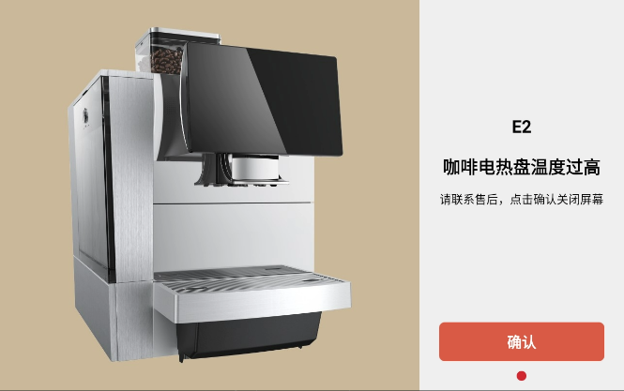 | 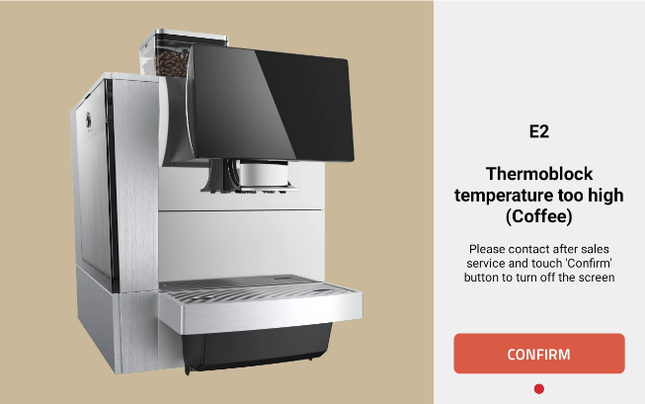
 |  |  | Thermoblock temperature too high(Coffee) | Please contact after sales service and touch 'Confirm' button to turn off the screen
3 | STEAM_HEATING_TEM_HIGH | E3 | 蒸汽电热盘温度过高 | 请联系售后，点击确认关闭屏幕 |  | 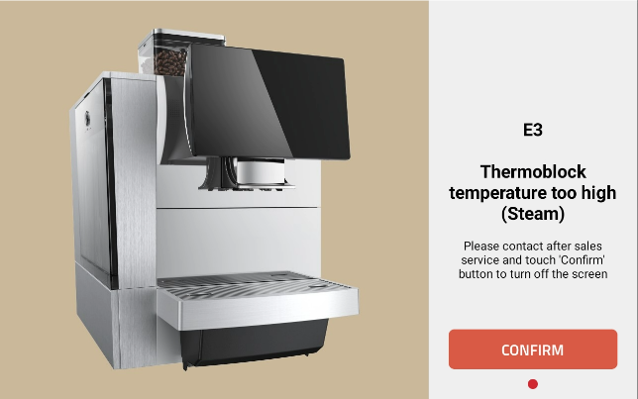
 |  |  | Thermoblock temperature too high(Steam) | Please contact after sales service and touch 'Confirm' button to turn off the screen
4 | COFFEE_HEATING_TEM_LOW | E4 | 咖啡电热盘温度过低 | 请联系售后，点击确认关闭屏幕 |  | 
 |  |  | Thermoblock temperature too low(Coffee) | Please contact after sales service and touch 'Confirm' button to turn off the screen
5 | STEAM_HEATING_TEM_LOW | E5 | 蒸汽电热盘温度过低 | 请联系售后，点击确认关闭屏幕 |  | 
 |  |  | Thermoblock temperature too low(Steam) | Please contact after sales service and touch 'Confirm' button to turn off the screen
6 | COFFEE_HEATING_TEM_CHANGE_HIGH | E6 | 咖啡电热盘加热过快 | 请联系售后，点击确认关闭屏幕 |  | 
 |  |  | Thermoblobk heating too fast(Coffee) | Please contact after sales service and touch 'Confirm' button to turn off the screen
7 | STEAM_HEATING_TEM_CHANGE_HIGH | E7 | 蒸汽电热盘加热过快 | 请联系售后，点击确认关闭屏幕 | 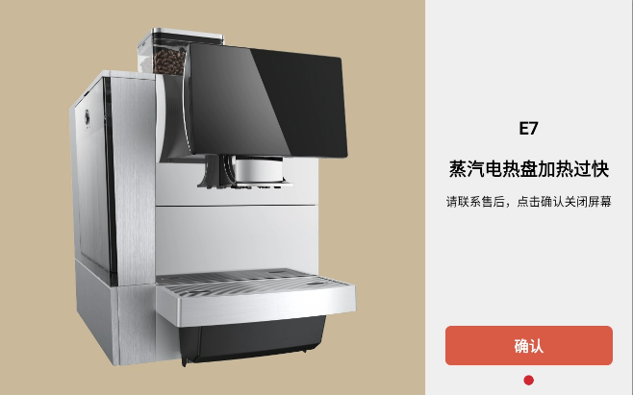 | 
 |  |  | Thermoblobk heating too fast(Steam) | Please contact after sales service and touch 'Confirm' button to turn off the screen
8 | COFFEE_HEATING_TEM_CHANGE_LOW | E8 | 咖啡电热盘加热过慢 | 请联系售后，点击确认关闭屏幕 |  | 
 |  |  | Thermoblobk heating too slow(Coffee) | Please contact after sales service and touch 'Confirm' button to turn off the screen
9 | STEAM_HEATING_TEM_CHANGE_LOW | E9 | 蒸汽电热盘加热过慢 | 请联系售后，点击确认关闭屏幕 |  | 
 |  |  | Thermoblobk heating too slow(Steam) | Please contact after sales service and touch 'Confirm' button to turn off the screen
10 | PCBA_COFFEE_HEATING_NTC_INFINITY | E10 | 咖啡电热盘NTC阻值无穷大 | 请联系售后，点击确认关闭屏幕 | 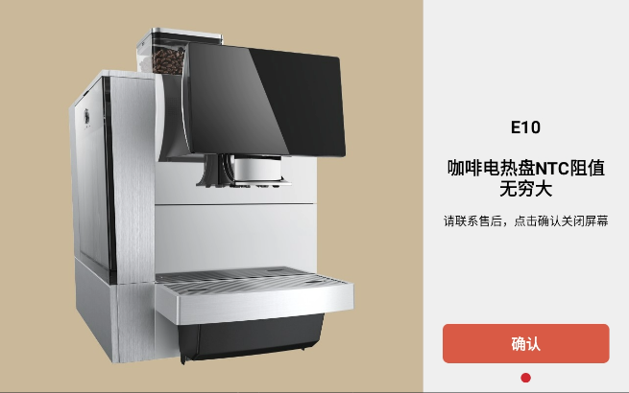 | 
 |  |  | PCBA error | Please contact after sales service and touch 'Confirm' button to turn off the screen
11 | PCBA_STEAM_HEATING_NTC_INFINITY | E11 | 蒸汽电热盘NTC阻值无穷大 | 请联系售后，点击确认关闭屏幕 |  | 
 |  |  | PCBA error | Please contact after sales service and touch 'Confirm' button to turn off the screen
12 | PCBA_COFFEE_HEATING_ADC_0 | E12 | 咖啡电热盘不继续加热 | 请联系售后，点击确认关闭屏幕 |  | 
 |  |  | PCBA error | Please contact after sales service and touch 'Confirm' button to turn off the screen
13 | PCBA_STEAM_HEATING_ADC_0 | E13 | 蒸汽电热盘不继续加热 | 请联系售后，点击确认关闭屏幕 |  | 
 |  |  | PCBA error | Please contact after sales service and touch 'Confirm' button to turn off the screen
14 | WATER_TANK_LOST | E14(不展示) | 水箱丢失 | N/A | 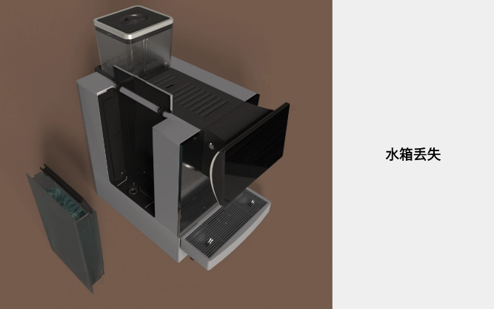 | 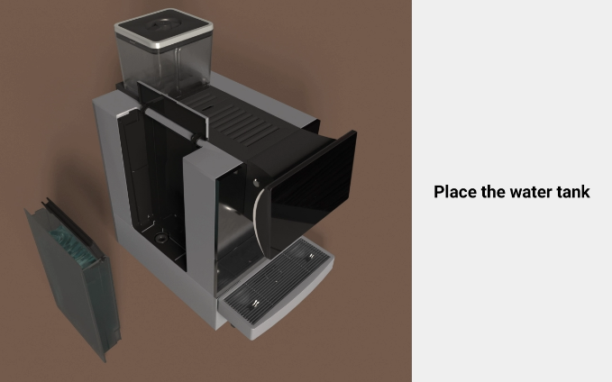
 |  |  | Place the water tank | N/A
15 | WATER_TANK_LOW | E15(不展示) | 水箱低水位 | N/A | 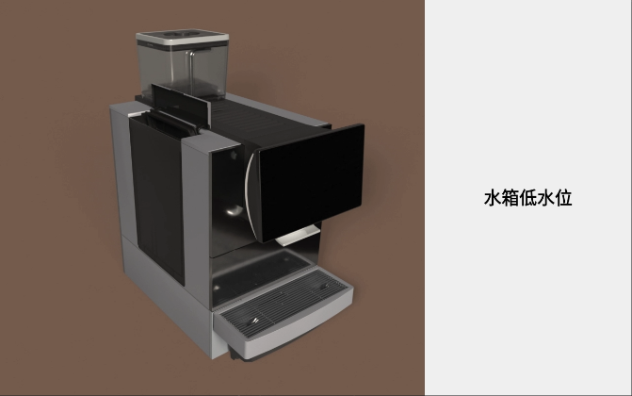 | 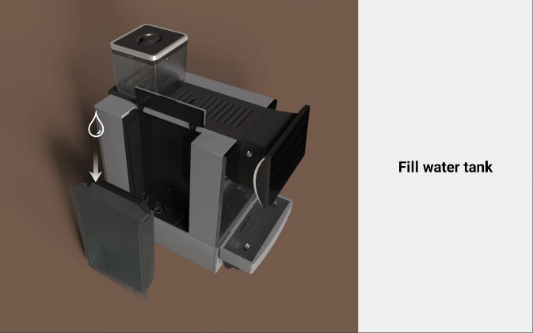
 |  |  | Fill water tank | N/A
16 | RESERVOIR_LOST | E16(不展示) | 蓄水盘丢失 | N/A | 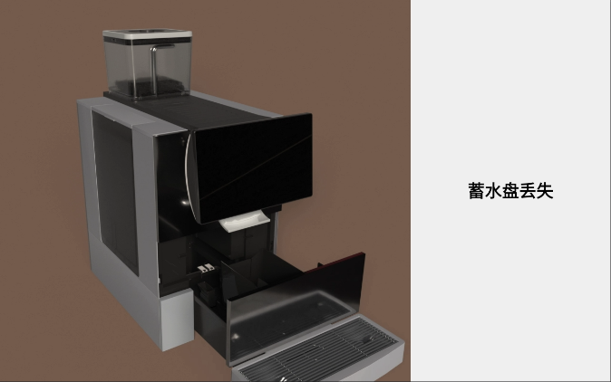 | 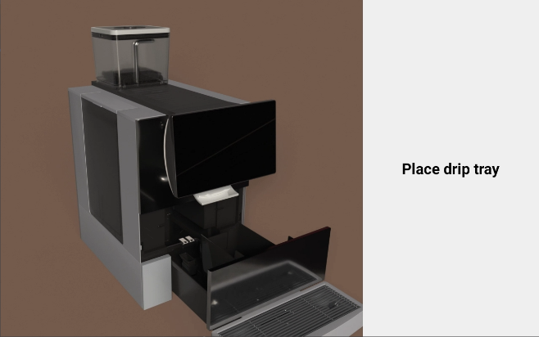
 |  |  | Place drip tray | N/A
17 | RESERVOIR_FULL | E17(不展示) | 蓄水盘满 | N/A | 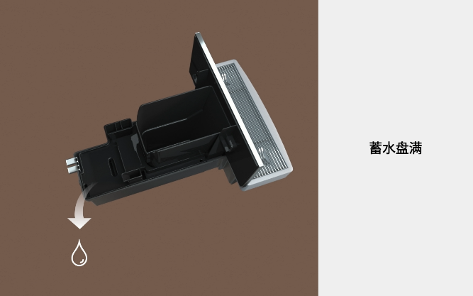 | 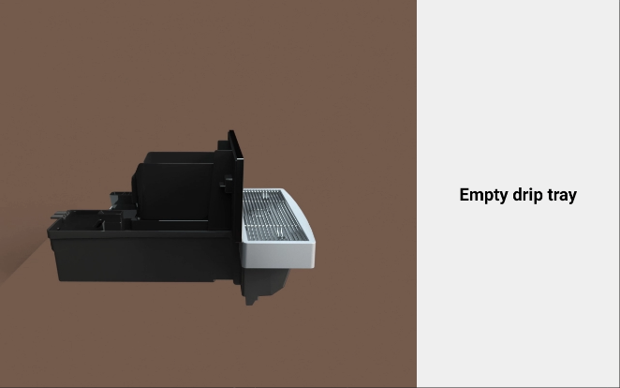
 |  |  | Empty drip tray | N/A
18 | WASTE_BOX_CLEAR | E18(不展示) | 咖啡渣满 | N/A | 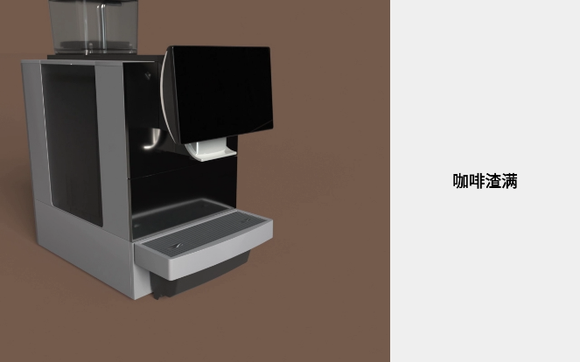 | 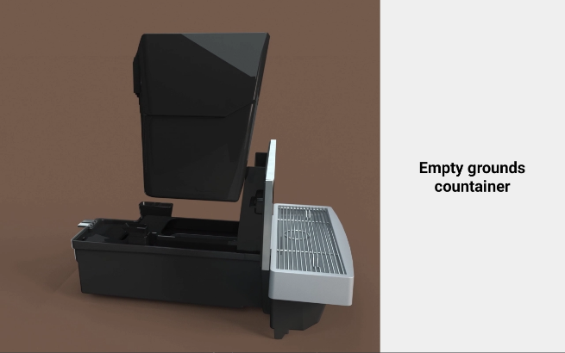
 |  |  | Empty grounds container | N/A
19 | BEAN_BOX_LOST | E19(不展示) | 豆仓丢失 | N/A | 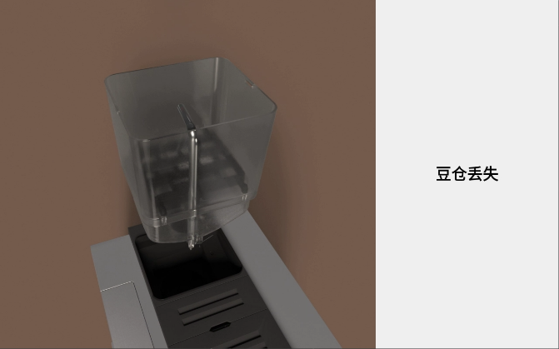 | 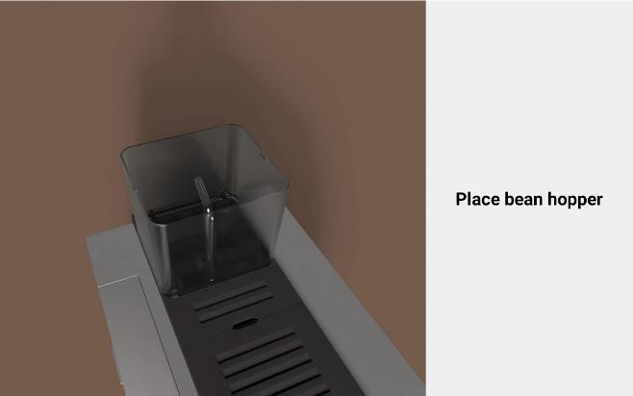
 |  |  | Place bean hopper | N/A
20 | BEAN_BOX_NO_BEANS | E20(不展示) | 豆仓无豆 | N/A | 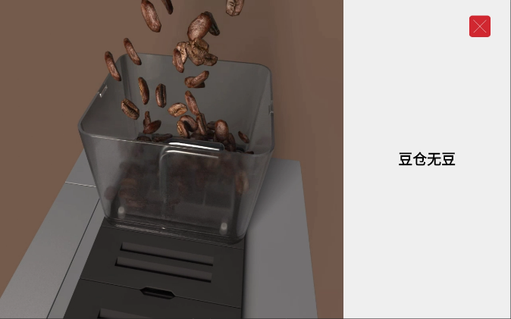 | 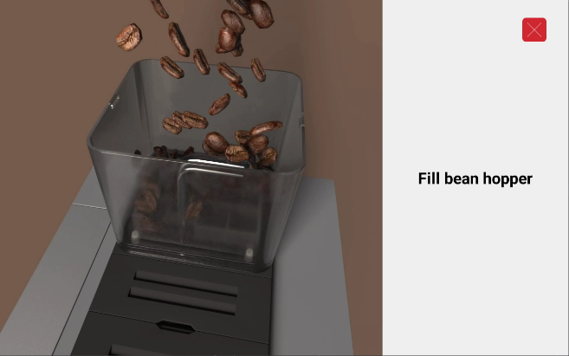
 |  |  | Fill bean hopper | N/A
21 | MILK_COMPONENTS_LOST | E21(不展示) | 牛奶组件不在位 | N/A | 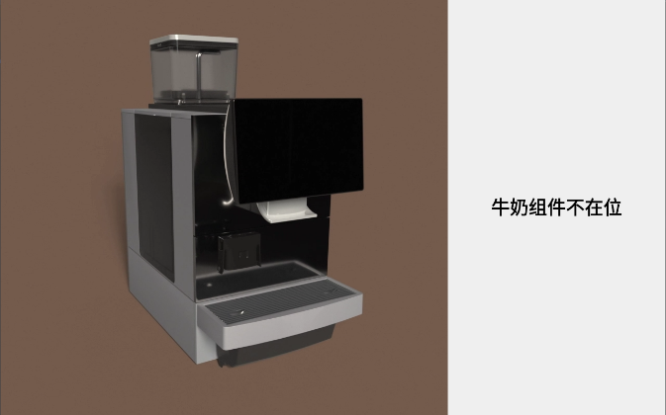 | 
 |  |  | Install milk set | N/A
22 | MILK_COMPONENTS_TEM_HIGH | E22(不展示) | 使用牛奶温度高 | N/A | 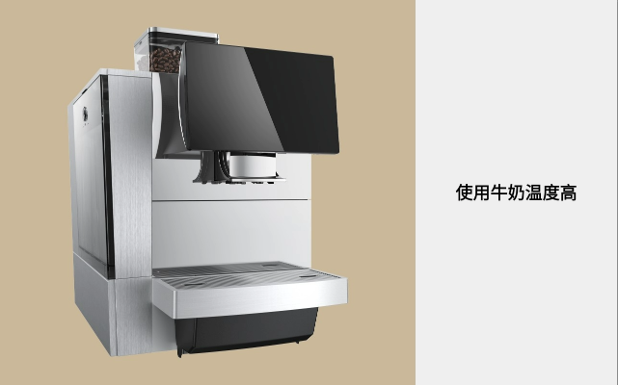 | 
 |  |  | User lower temperature milk | N/A
23 | MILK_COMPONENTS_TEM_LOW | E23(不展示) | 使用牛奶温度低 | N/A |  | 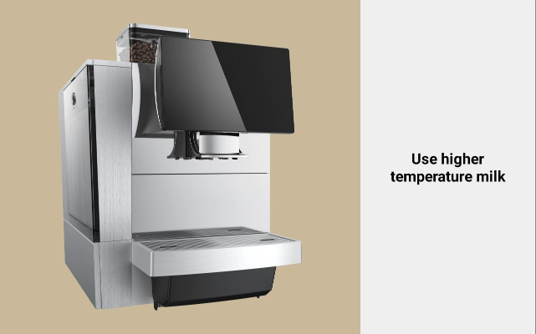
 |  |  | User higher temperature milk | N/A
24 | MILK_PIPE_NTC_INFINITY | E24(不展示) | 奶管NTC损坏 | N/A | 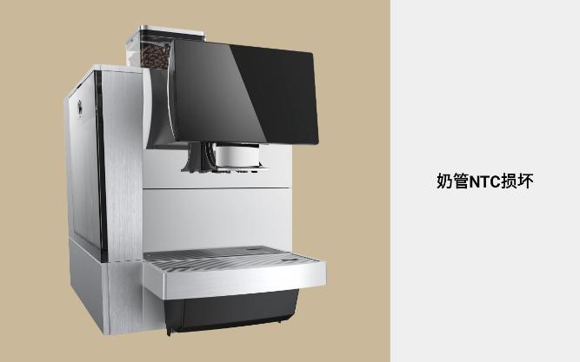 | 
 |  |  | Milk NTC error | N/A
25 | MILK_PIPE_NTC_ADC_0 | E25(不展示) | 请连接牛奶NTC | N/A |  | 
 |  |  | Connect the milk NTC | N/A
26 | MILK_COMPONENTS_SIGNAL_ERROR | E26(不展示) | 牛奶组件信号异常 | N/A |  | 
 |  |  | Milk set signal error | N/A
27 | WATERWAY_COFFEE_LOW | E27(不展示) | 咖啡系统水路警告 | 请确认水源供水是否正常 点击“确认”重试 | 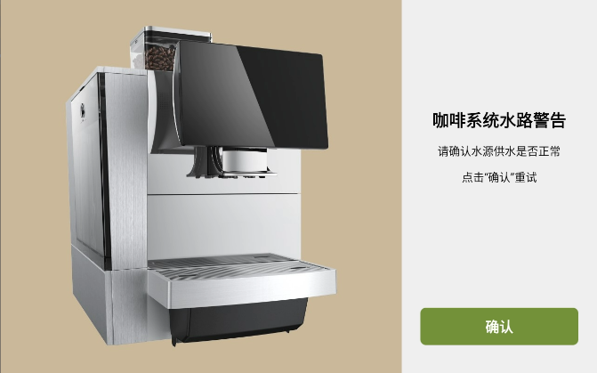 | 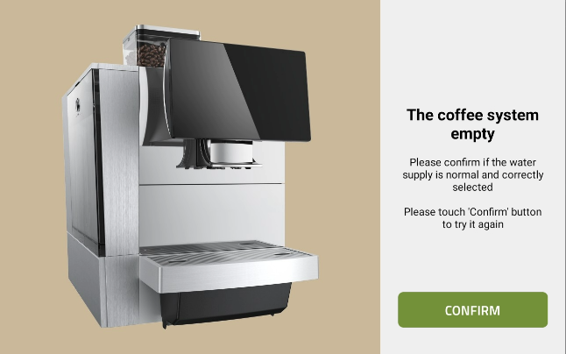
 |  |  | The coffee system empty | Please confirm if the water supply is normal and correctly selected Please touch 'Confirm' button to try it again
28 | WATERWAY_STEAM_LOW | E28(不展示) | 蒸汽系统水路警告 | 请确认水源供水是否正常 点击“确认”重试 | 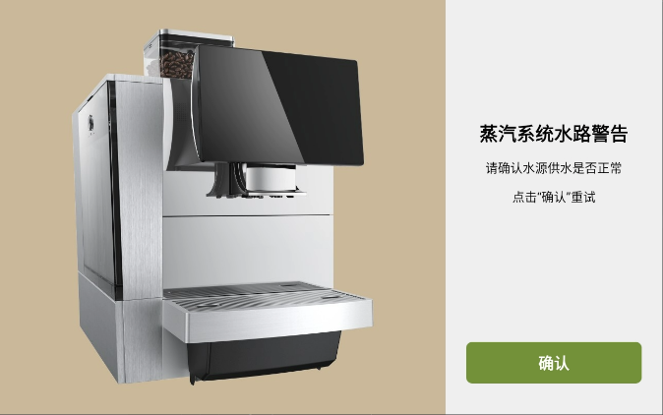 | 
 |  |  | The steam system empty | Please confirm if the water supply is normal and correctly selected Please touch 'Confirm' button to try it again
29 | BREWER_ERROR_HIGH | E29(不展示) | 冲泡器行程警告 | 点击“确认”重试 | 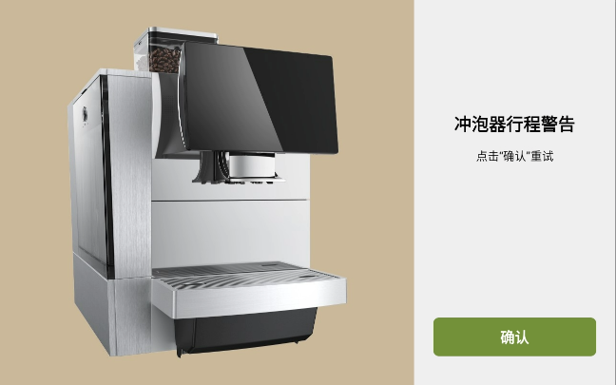 | 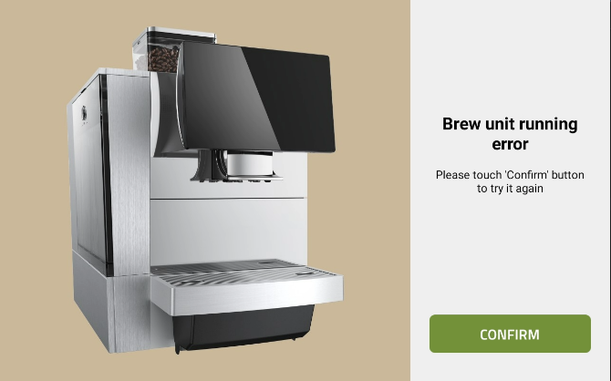
 |  |  | Brew unit running error | Please touch 'Confirm' button to try it again
30 | BREWER_ERROR_LOW | E30(不展示) | 冲泡器行程警告 | 点击“确认”重试 | 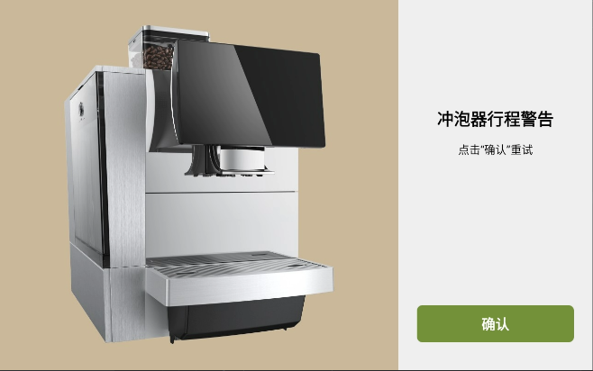 | 
 |  |  | Brew unit running error | Please touch 'Confirm' button to try it again
31 | BREWER_ERROR_BEANS_HIGH | E31(不展示) | 冲泡器内粉量警告 | 点击“确认”重试 |  | 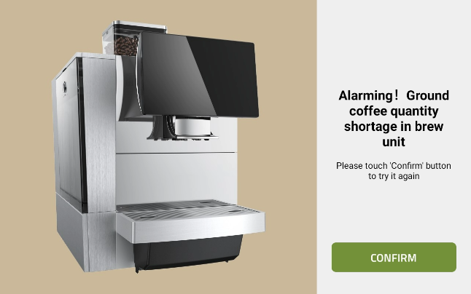
 |  |  | Alarming! Ground coffee quantity shortage in brew unit | Please touch 'Confirm' button to try it again
32 | BREWER_ERROR_BEANS_LOW | E32(不展示) | 冲泡器内粉量警告 | 点击“确认”重试
 |  |  | Alarming! Ground coffee quantity shortage in brew unit | Please touch 'Confirm' button to try it again
33 | GROUND_BEANS_ERROR | E33 | 磨豆组异常 | 请联系售后 | 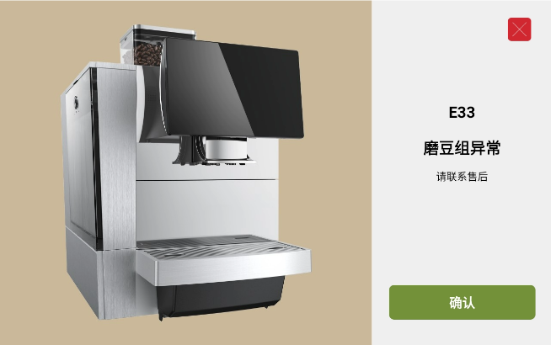 | 
 |  |  | Grinder error | Please contact after sales service
34 | DIVERTING_VALVE_STEAM_RDY_TIMEOUT | E34(不展示) | 分向阀警告 | 点击“确认”重试 |  | 
 |  |  | Muti-way valve waring | Please touch 'Confirm' button to try it again
35 | DIVERTING_VALVE_STEAM_CYC_TIMEOUT | E35(不展示) | 分向阀警告 | 点击“确认”重试
 |  |  | Muti-way valve waring | Please touch 'Confirm' button to try it again
36 | DIVERTING_VALVE_STEAM_SOP_RDY | E36(不展示) | 分向阀警告 | 点击“确认”重试
 |  |  | Muti-way valve waring | Please touch 'Confirm' button to try it again
37 | DIVERTING_VALVE_STEAM_SOP_CYC | E37(不展示) | 分向阀警告 | 点击“确认”重试
 |  |  | Muti-way valve waring | Please touch 'Confirm' button to try it again
38 | DIVERTING_VALVE_STEAM_STOP_CYC_ERROR | E38(不展示) | 分向阀警告 | 点击“确认”重试
 |  |  | Muti-way valve waring | Please touch 'Confirm' button to try it again
39 | DIVERTING_VALVE_STEAM_STOP_RDY_ERROR | E39(不展示) | 分向阀警告 | 点击“确认”重试
 |  |  | Muti-way valve waring | Please touch 'Confirm' button to try it again
40 | DIVERTING_VALVE_STEAM_CYC_ERROR | E40(不展示) | 分向阀警告 | 点击“确认”重试
 |  |  | Muti-way valve waring | Please touch 'Confirm' button to try it again
41 | DIVERTING_VALVE_STEAM_RDY_ERROR | E41(不展示) | 分向阀警告 | 点击“确认”重试
 |  |  | Muti-way valve waring | Please touch 'Confirm' button to try it again
42 | WATER_TANK_IN_PLACE | E42(不展示) | 请拿掉水箱 | N/A | 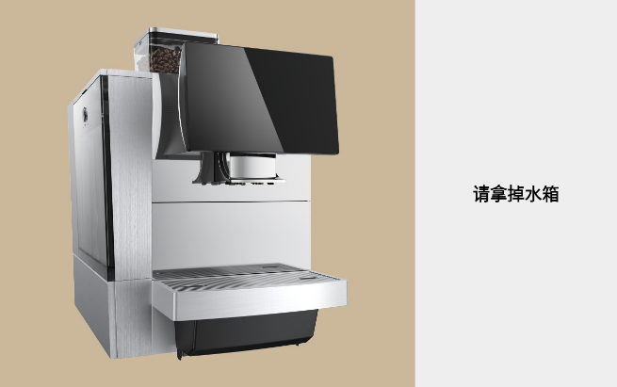 | 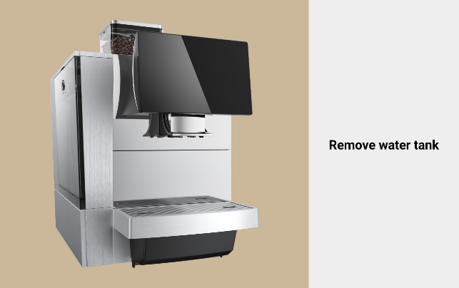
 |  |  | Remove water tank | N/A
43 | CTR_CRASH | E43 | 异常开机 | 请联系售后，点击确认关闭屏幕 | 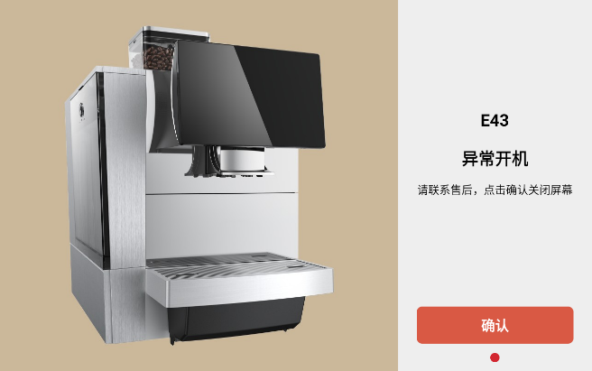 | 
 |  |  | Power on error | Please contact after sales service and touch 'Confirm' button to turn off the screen
44 | SOFT_ERROR | E44(不展示) | 软件警告 | 点击“确认”重试 |  | 
 |  |  | Software error | Please touch 'Confirm' button to try it again
45 | WASTE_BOX_UNRESET | E45(不展示) | 咖啡渣是否已清空？ | 点击“确认”重试 |  | 
 |  |  | Has grounds container been emptied? | Please touch 'Confirm' button to try it again
46 | WATER_TANK_EMPTY | E46(不展示) | 水箱缺水 | N/A |  | 
 |  |  | Fill water tank | N/A
47 | BREWER_ERROR_UNRESET | E47(不展示) | 冲泡器未复位 | 点击“确认”重试 |  | 
 |  |  | Brew unit position error | Please touch 'Confirm' button to try it again
48 | PAUSE_MAKING_COFFEE | E48(不展示) | UnKnown（制作中暂停） | 点击“确认”重试 |  | 
 |  |  | UnKnown（制作中暂停） | Please touch 'Confirm' button to try it again
200 | WATERWAY_COFFEE_NO_ALL_IN_ONE | 重定向至 故障ID：27 | 咖啡系统水路警告 | 请确认水源供水是否正常 点击“确认”重试
 |  |  | The coffee system empty | Please confirm if the water supply is normal and correctly selected Please touch 'Confirm' button to try it again
201 | WATERWAY_STEAM_NO_ALL_IN_ONE | 重定向至 故障ID：28 | 蒸汽系统水路警告 | 请确认水源供水是否正常 点击“确认”重试
 |  |  | The steam system empty | Please confirm if the water supply is normal and correctly selected Please touch 'Confirm' button to try it again
202 | BREWER_WARN_TRIP_ALL_IN_ONE | 重定向至 故障ID：29 | 冲泡器行程警告 | 点击“确认”重试
 |  |  | Brew unit running error | Please touch 'Confirm' button to try it again
203 | BREWER_WARN_BEAN_ALL_IN_ONE | 重定向至 故障ID：31 | 冲泡器内粉量警告 | 点击“确认”重试
 |  |  | Alarming! Ground coffee quantity shortage in brew unit | Please touch 'Confirm' button to try it again
204 | DIVERTING_VALVE_COFFEE_ALL_IN_ONE | 重定向至 故障ID：34 | 分向阀警告 | 点击“确认”重试
 |  |  | Muti-way valve waring | Please touch 'Confirm' button to try it again
205 | DIVERTING_VALVE_STEAM_ALL_IN_ONE | 重定向至 故障ID：35 | 分向阀警告 | 点击“确认”重试
 |  |  | Muti-way valve waring | Please touch 'Confirm' button to try it again
206 | BREWER_WARN_POWDER_ALL_IN_ONE | 重定向至 故障ID：32 | 冲泡器内粉量警告 | 点击“确认”重试
 |  |  | Alarming! Ground coffee quantity shortage in brew unit | Please touch 'Confirm' button to try it again
400 | ERROR_WATERWAY_COFFEE | 重定向至 故障ID：27 | 咖啡系统水路警告 | 请确认水源供水是否正常 点击“确认”重试
 |  |  | The coffee system empty | Please confirm if the water supply is normal and correctly selected Please touch 'Confirm' button to try it again
401 | ERROR_WATERWAY_STEAM | 重定向至 故障ID：28 | 蒸汽系统水路警告 | 请确认水源供水是否正常 点击“确认”重试
 |  |  | The steam system empty | Please confirm if the water supply is normal and correctly selected Please touch 'Confirm' button to try it again
402 | ERROR_BREWER | 重定向至 故障ID：29 | 冲泡器行程警告 | 点击“确认”重试
 |  |  | Brew unit running error | Please touch 'Confirm' button to try it again
403 | ERROR_DIVERTING_VALVE_COFFEE | 重定向至 故障ID：34 | 分向阀警告 | 点击“确认”重试
 |  |  | Muti-way valve waring | Please touch 'Confirm' button to try it again
404 | ERROR_DIVERTING_VALVE_STEAM | 重定向至 故障ID：35 | 分向阀警告 | 点击“确认”重试
 |  |  | Muti-way valve waring | Please touch 'Confirm' button to try it again
600 | COFFEE_SYSTEM_TEM_LOW_HEAT |  | 咖啡系统温度低 | 正在加热
 |  |  | boiler temperature is too low （这个翻译可能不正确） | N/A
601 | STREAM_SYSTEM_TEM_LOW_HEAT |  | 蒸汽系统温度低 | 正在加热
 |  |  | stream temperature is too low | N/A

