Black Vol Skew
Term x Tenor | -200bps | -100bps | -50bps | -25bps | 25bps | 50bps | 100bps | 200bps
1Mo X 1Yr |  | 45.59 | 32.27 | 27.53 | 25.16 | 26.34 | 27.5 | 29.47
1Mo X 2Yr |  | 63.55 | 44.88 | 40.23 | 37.25 | 37.94 | 38.64 | 41.73
1Mo X 3Yr |  | 65.86 | 52.9 | 49.05 | 46.12 | 46.33 | 47.62 | 50.36
1Mo X 4Yr |  | 75.28 | 59.69 | 55.89 | 52.87 | 52.98 | 54.18 | 56.93
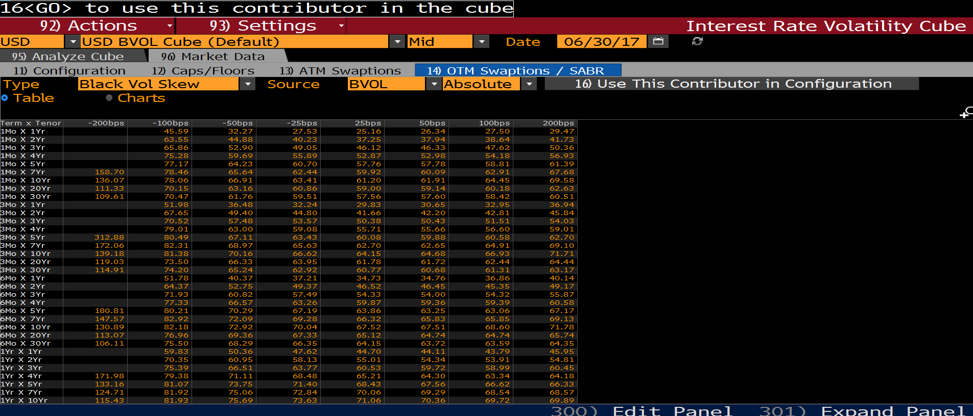
1Mo X 5Yr |  | 77.17 | 64.23 | 60.7 | 57.76 | 57.78 | 58.81 | 61.39
1Mo X 7Yr | 158.7 | 78.46 | 65.64 | 62.44 | 59.92 | 60.09 | 62.91 | 67.68
1Mo X 10Yr | 136.07 | 78.06 | 66.91 | 63.41 | 61.2 | 61.91 | 64.45 | 69.58
1Mo X 20Yr | 111.33 | 70.15 | 63.16 | 60.86 | 59 | 59.14 | 60.18 | 62.63
1Mo X 30Yr | 109.61 | 70.47 | 61.76 | 59.51 | 57.56 | 57.6 | 58.42 | 60.51
3Mo X 1Yr |  | 51.98 | 36.48 | 32.24 | 29.83 | 30.65 | 32.95 | 36.94
3Mo X 2Yr |  | 67.65 | 49.4 | 44.8 | 41.66 | 42.2 | 42.81 | 45.84
3Mo X 3Yr |  | 70.52 | 57.48 | 53.57 | 50.38 | 50.43 | 51.51 | 54.03
3Mo X 4Yr |  | 79.01 | 63 | 59.08 | 55.71 | 55.66 | 56.6 | 59.01
3Mo X 5Yr | 312.88 | 80.49 | 67.11 | 63.43 | 60.08 | 59.88 | 60.58 | 62.7
3Mo X 7Yr | 172.06 | 82.31 | 68.97 | 65.63 | 62.7 | 62.65 | 64.91 | 69.1
3Mo X 10Yr | 139.18 | 81.38 | 70.16 | 66.62 | 64.15 | 64.68 | 66.93 | 71.71
3Mo X 20Yr | 119.03 | 73.5 | 66.33 | 63.95 | 61.78 | 61.72 | 62.44 | 64.44
3Mo X 30Yr | 114.91 | 74.2 | 65.24 | 62.92 | 60.77 | 60.68 | 61.31 | 63.17
6Mo X 1Yr |  | 51.78 | 40.37 | 37.21 | 34.73 | 34.76 | 36.86 | 40.14
6Mo X 2Yr |  | 64.37 | 52.75 | 49.37 | 46.52 | 46.45 | 45.35 | 49.17
6Mo X 3Yr |  | 71.93 | 60.82 | 57.49 | 54.33 | 54 | 54.32 | 55.87
6Mo X 4Yr |  | 77.33 | 66.57 | 63.26 | 59.87 | 59.36 | 59.39 | 60.58
6Mo X 5Yr | 180.81 | 80.21 | 70.29 | 67.19 | 63.86 | 63.25 | 63.06 | 67.17
6Mo X 7Yr | 147.57 | 82.92 | 72.09 | 69.28 | 66.32 | 65.83 | 65.85 | 69.13
6Mo X 10Yr | 130.89 | 82.18 | 72.92 | 70.04 | 67.52 | 67.51 | 68.6 | 71.78
6Mo X 20Yr | 113.07 | 76.96 | 69.36 | 67.33 | 65.12 | 64.74 | 64.74 | 65.74
6Mo X 30Yr | 106.11 | 75.5 | 68.29 | 66.35 | 64.15 | 63.72 | 63.59 | 64.35
1Yr X 1Yr |  | 59.83 | 50.36 | 47.62 | 44.7 | 44.11 | 43.79 | 45.95
1Yr X 2Yr |  | 70.35 | 60.95 | 58.13 | 55.01 | 54.34 | 53.91 | 54.81
1Yr X 3Yr |  | 75.39 | 66.51 | 63.77 | 60.53 | 59.72 | 58.99 | 60.45
1Yr X 4Yr | 171.98 | 79.38 | 71.11 | 68.48 | 65.21 | 64.3 | 63.34 | 64.18
1Yr X 5Yr | 133.16 | 81.07 | 73.75 | 71.4 | 68.43 | 67.56 | 66.62 | 66.33
1Yr X 7Yr | 124.71 | 81.92 | 75.06 | 72.84 | 70.06 | 69.29 | 68.54 | 68.57
1Yr X 10Yr | 115.43 | 81.93 | 75.69 | 73.63 | 71.06 | 70.36 | 69.72 | 69.89
1Yr X 20Yr | 105.17 | 77.55 | 72.51 | 70.77 | 68.48 | 67.8 | 67.04 | 67.5
1Yr X 30Yr | 103.66 | 76.56 | 71.58 | 69.86 | 67.58 | 66.9 | 66.12 | 66.5
2Yr X 1Yr | 183.32 | 73.34 | 65.69 | 63.25 | 60.08 | 59.11 | 57.92 | 57.03
2Yr X 2Yr | 149.81 | 79.07 | 71.89 | 69.55 | 66.43 | 65.42 | 64.11 | 62.98
2Yr X 3Yr | 131.38 | 81.47 | 74.88 | 72.66 | 69.6 | 68.57 | 67.13 | 65.65
2Yr X 4Yr | 124.38 | 83.19 | 76.93 | 74.79 | 71.81 | 70.78 | 69.35 | 67.84
2Yr X 5Yr | 122.69 | 84.67 | 78.41 | 76.29 | 73.37 | 72.4 | 71.12 | 70
2Yr X 7Yr | 115.52 | 84.73 | 79.05 | 77.09 | 74.35 | 73.43 | 72.19 | 71.08
2Yr X 10Yr | 112.53 | 84.99 | 79.45 | 77.52 | 74.82 | 73.91 | 72.71 | 71.75
2Yr X 20Yr | 102.95 | 79.44 | 74.98 | 73.4 | 71.15 | 70.38 | 69.34 | 68.4
2Yr X 30Yr | 102.44 | 78.36 | 73.83 | 72.23 | 69.95 | 69.17 | 68.11 | 67.18
3Yr X 2Yr | 126.18 | 84 | 77.79 | 75.66 | 72.67 | 71.63 | 70.14 | 68.51
3Yr X 3Yr | 120.58 | 84.99 | 79.12 | 77.09 | 74.2 | 73.18 | 71.71 | 70.09
3Yr X 4Yr | 116.84 | 85.51 | 79.93 | 77.98 | 75.17 | 74.17 | 72.73 | 71.11
3Yr X 5Yr | 116.69 | 86.47 | 80.85 | 78.88 | 76.06 | 75.06 | 73.65 | 72.17
3Yr X 7Yr | 115.78 | 86.15 | 80.93 | 79.08 | 76.39 | 75.44 | 74.06 | 72.6
3Yr X 10Yr | 111.3 | 86.17 | 80.91 | 79.04 | 76.37 | 75.43 | 74.14 | 72.97
3Yr X 20Yr | 102.63 | 79.8 | 75.42 | 73.84 | 71.55 | 70.74 | 69.6 | 68.46
3Yr X 30Yr | 102.27 | 78.64 | 74.17 | 72.57 | 70.23 | 69.4 | 68.23 | 67.06
4Yr X 2Yr | 116.2 | 85.94 | 80.54 | 78.64 | 75.89 | 74.9 | 73.43 | 71.74
4Yr X 3Yr | 113.4 | 86.13 | 80.98 | 79.15 | 76.47 | 75.5 | 74.05 | 72.38
4Yr X 4Yr | 111.78 | 86.49 | 81.51 | 79.72 | 77.09 | 76.13 | 74.69 | 73
4Yr X 5Yr | 116.07 | 87.15 | 82.04 | 80.22 | 77.56 | 76.6 | 75.21 | 73.7
4Yr X 7Yr | 112.67 | 86.52 | 81.69 | 79.95 | 77.4 | 76.47 | 75.11 | 73.62
4Yr X 10Yr | 109.62 | 86.35 | 81.32 | 79.52 | 76.9 | 75.97 | 74.65 | 73.35
4Yr X 20Yr | 101.47 | 79.21 | 74.92 | 73.36 | 71.06 | 70.24 | 69.05 | 67.8
4Yr X 30Yr | 100.94 | 77.91 | 73.54 | 71.95 | 69.61 | 68.76 | 67.52 | 66.19
5Yr X 1Yr | 114.23 | 87.74 | 82.77 | 80.99 | 78.3 | 77.29 | 75.71 | 73.72
5Yr X 2Yr | 111.03 | 86.79 | 82.04 | 80.32 | 77.76 | 76.81 | 75.34 | 73.55
5Yr X 3Yr | 109.39 | 86.76 | 82.16 | 80.48 | 77.97 | 77.03 | 75.57 | 73.78
5Yr X 4Yr | 108.32 | 86.81 | 82.31 | 80.67 | 78.18 | 77.24 | 75.79 | 73.98
5Yr X 5Yr | 111.99 | 87.79 | 82.74 | 80.92 | 78.25 | 77.28 | 75.85 | 74.31
5Yr X 7Yr | 109.72 | 87.05 | 82.15 | 80.38 | 77.75 | 76.78 | 75.35 | 73.8
5Yr X 10Yr | 108.23 | 86.21 | 81.36 | 79.59 | 76.97 | 76.02 | 74.61 | 73.11
5Yr X 20Yr | 100.25 | 78.51 | 74.28 | 72.73 | 70.4 | 69.53 | 68.24 | 66.76
5Yr X 30Yr | 99.43 | 77.69 | 72.97 | 71.27 | 68.78 | 67.89 | 66.62 | 65.36
10Yr X 1Yr | 99.58 | 82.6 | 78.79 | 77.37 | 75.2 | 74.37 | 73.07 | 71.41
10Yr X 2Yr | 99.5 | 82.49 | 78.67 | 77.25 | 75.12 | 74.32 | 73.1 | 71.6
10Yr X 3Yr | 99.24 | 82.26 | 78.43 | 77.01 | 74.85 | 74.03 | 72.75 | 71.16
10Yr X 4Yr | 98.6 | 81.76 | 77.95 | 76.53 | 74.35 | 73.51 | 72.19 | 70.52
10Yr X 5Yr | 104.44 | 82.07 | 77.84 | 76.28 | 73.92 | 73.04 | 71.69 | 70.11
10Yr X 7Yr | 102.64 | 80.66 | 76.49 | 74.95 | 72.61 | 71.73 | 70.38 | 68.77
10Yr X 10Yr | 99.01 | 78.95 | 74.54 | 72.93 | 70.51 | 69.61 | 68.26 | 66.75
10Yr X 20Yr | 91.95 | 71.43 | 67.05 | 65.47 | 63.14 | 62.29 | 61.07 | 59.81
10Yr X 30Yr | 93.08 | 69.9 | 65.77 | 64.27 | 62.03 | 61.19 | 59.93 | 58.46
15Yr X 1Yr | 90.37 | 73.35 | 69.67 | 68.32 | 66.29 | 65.52 | 64.35 | 62.92
20Yr X 1Yr | 84.59 | 65.35 | 61.62 | 60.28 | 58.29 | 57.56 | 56.44 | 55.09
20Yr X 2Yr | 84.85 | 64.87 | 61.04 | 59.69 | 57.73 | 57.02 | 56.01 | 54.88
20Yr X 5Yr | 91.99 | 64.68 | 60.54 | 59.08 | 57 | 56.27 | 55.24 | 54.21
20Yr X 10Yr | 87.77 | 62.66 | 58.23 | 56.69 | 54.52 | 53.78 | 52.76 | 51.85
20Yr X 20Yr | 85.4 | 58.9 | 54.45 | 52.91 | 50.73 | 49.97 | 48.93 | 47.96
20Yr X 30Yr | 87.49 | 57.81 | 53.7 | 52.26 | 50.14 | 49.36 | 48.19 | 46.83
30Yr X 1Yr | 87.72 | 57.57 | 53.56 | 52.16 | 50.12 | 49.37 | 48.21 | 46.77
30Yr X 2Yr | 85.03 | 57.05 | 53.21 | 51.88 | 49.92 | 49.2 | 48.09 | 46.69
30Yr X 5Yr | 89.12 | 57.32 | 53.29 | 51.92 | 49.97 | 49.28 | 48.26 | 47.14
30Yr X 10Yr | 100.15 | 57.82 | 53.2 | 51.63 | 49.4 | 48.62 | 47.48 | 46.23
30Yr X 20Yr | 118.75 | 56.13 | 51.32 | 49.7 | 47.41 | 46.59 | 45.42 | 44.11
30Yr X 30Yr | 80.59 | 54.7 | 50.59 | 49.17 | 47.06 | 46.27 | 45.04 | 43.42

EUR Normal Vol Skew
16<GO> to use this contributor in the cube
92) Actions | 93) Settings | Interest Rate Volatility Cube
EUR | EUR BVOL Cube (Default) | Mid | Date | 2017-06-30
Type | Normal Vol Skew | Source | BVOL | Absolute | 16) Use This Contributor in Configuration
Table | Charts
Term x Tenor | -200bps | -150bps | -100bps | -50bps | -25bps | ATM | 25bps | 50bps | 10
5Yr X 5Yr | 56.05 | 57.68 | 59.5 | 61.69 | 62.95 | 64.32 | 65.8 | 67.39 | 70
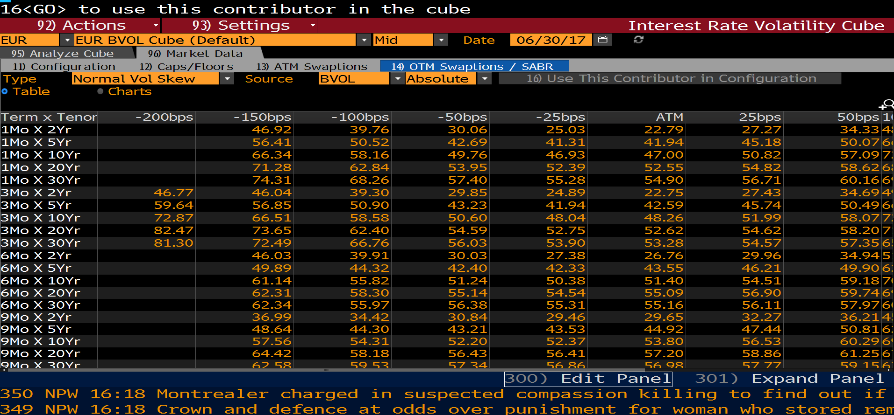
5Yr X 10Yr | 59.8 | 60.9 | 62.25 | 63.98 | 65.01 | 66.15 | 67.4 | 68.76 | 71
5Yr X 20Yr | 54.41 | 55.89 | 57.46 | 59.21 | 60.17 | 61.19 | 62.27 | 63.42 | 65
5Yr X 30Yr | 53.56 | 54.61 | 55.87 | 57.48 | 58.43 | 59.48 | 60.63 | 61.88 | 64
10Yr X 2Yr | 60.38 | 61.86 | 63.38 | 65.03 | 65.91 | 66.84 | 67.81 | 68.83 | 70
10Yr X 5Yr | 60.53 | 62.15 | 63.79 | 65.52 | 66.42 | 67.36 | 68.33 | 69.33 | 71
10Yr X 10Yr | 60.45 | 61.64 | 62.94 | 64.39 | 65.2 | 66.05 | 66.96 | 67.91 | 69
10Yr X 20Yr | 51.89 | 53.18 | 54.58 | 56.16 | 57.03 | 57.96 | 58.94 | 59.98 | 62
10Yr X 30Yr | 46.78 | 48.52 | 50.34 | 52.31 | 53.38 | 54.49 | 55.65 | 56.86 | 59
20Yr X 2Yr | 49.87 |  | 53.72 | 55.51 | 56.4 | 57.29 | 58.18 | 59.07 | 60
20Yr X 5Yr | 50.38 |  | 54.56 | 56.48 | 57.42 | 58.35 | 59.28 | 60.2 | 62
20Yr X 10Yr | 49.14 |  | 53.03 | 54.84 | 55.73 | 56.63 | 57.53 | 58.43 | 60
20Yr X 20Yr | 39.86 |  | 43.45 | 45.17 | 46.03 | 46.89 | 47.76 | 48.64 | 50
20Yr X 30Yr | 34.84 |  | 38.78 | 40.69 | 41.65 | 42.63 | 43.62 | 44.61 | 46
30Yr X 2Yr | 43.53 |  | 47.34 | 49.08 | 49.93 | 50.79 | 51.64 | 52.5 | 54
30Yr X 5Yr | 42.99 |  | 47.08 | 48.93 | 49.83 | 50.72 | 51.61 | 52.49 | 54
30Yr X 10Yr | 40.57 |  | 44.25 | 45.93 | 46.76 | 47.59 | 48.42 | 49.25 | 50
30Yr X 20Yr | 32.74 |  | 36.15 | 37.76 | 38.56 | 39.38 | 40.2 | 41.04 | 42
30Yr X 30Yr | 28.34 |  | 32.24 | 34.08 | 35 | 35.93 | 36.86 | 37.8 | 39

GBP Black Vol Skew
16<GO> to use this contributor in the cube
92) Actions | 93) Settings | Interest Rate Volatility Cube
GBP | GBP BVOL Cube (Default) | Mid | Date | 2017-06-30
Type | Black Vol Skew | Source | BVOL | Absolute | 16) Use This Contributor in Configuration

Table | Charts
Term x Tenor | -100bps | -50bps | -25bps | 25bps | 50bps | 100bps | 200bps
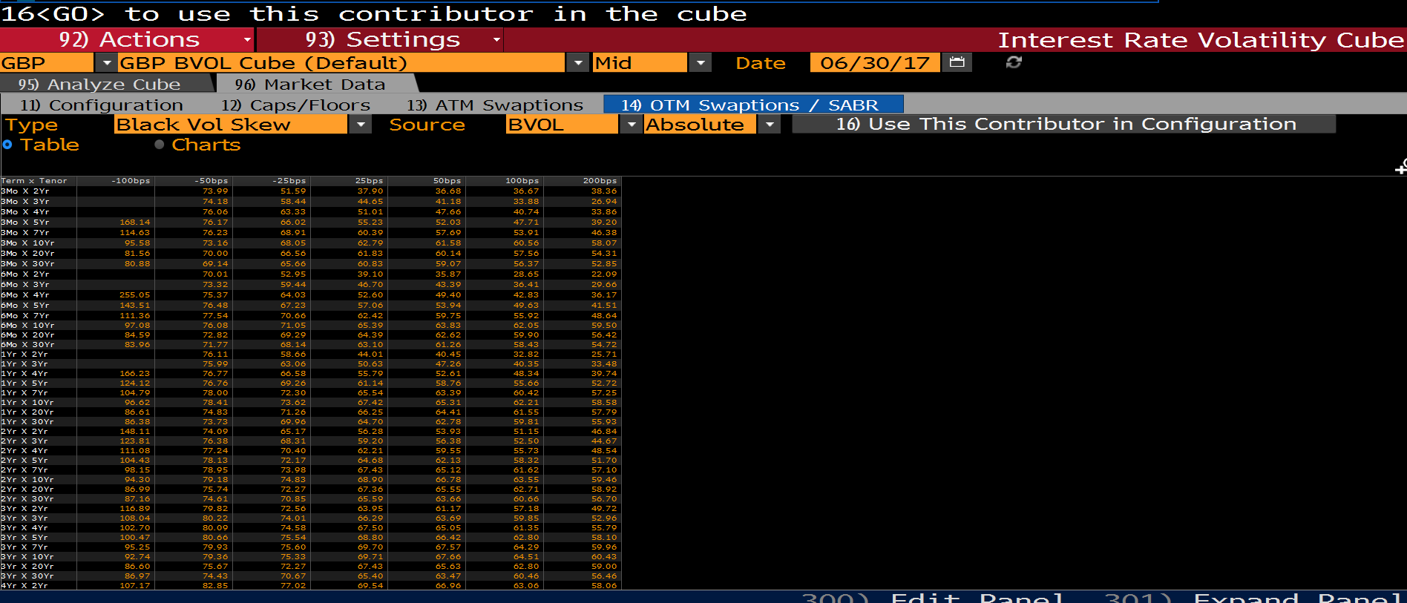
3Mo X 2Yr |  | 73.99 | 51.59 | 37.9 | 36.68 | 36.67 | 38.36
3Mo X 3Yr |  | 74.18 | 58.44 | 44.65 | 41.18 | 33.88 | 26.94
3Mo X 4Yr |  | 76.06 | 63.33 | 51.01 | 47.66 | 40.74 | 33.86
3Mo X 5Yr | 168.14 | 76.17 | 66.02 | 55.23 | 52.03 | 47.71 | 39.2
3Mo X 7Yr | 114.63 | 76.23 | 68.91 | 60.39 | 57.69 | 53.91 | 46.38
3Mo X 10Yr | 95.58 | 73.16 | 68.05 | 62.79 | 61.58 | 60.56 | 58.07
3Mo X 20Yr | 81.56 | 70 | 66.56 | 61.83 | 60.14 | 57.56 | 54.31
3Mo X 30Yr | 80.88 | 69.14 | 65.66 | 60.83 | 59.07 | 56.37 | 52.85
6Mo X 2Yr |  | 70.01 | 52.95 | 39.1 | 35.87 | 28.65 | 22.09
6Mo X 3Yr |  | 73.32 | 59.44 | 46.7 | 43.39 | 36.41 | 29.66
6Mo X 4Yr | 255.05 | 75.37 | 64.03 | 52.6 | 49.4 | 42.83 | 36.17
6Mo X 5Yr | 143.51 | 76.48 | 67.23 | 57.06 | 53.94 | 49.63 | 41.51
6Mo X 7Yr | 111.36 | 77.54 | 70.66 | 62.42 | 59.75 | 55.92 | 48.64
6Mo X 10Yr | 97.08 | 76.08 | 71.05 | 65.39 | 63.83 | 62.05 | 59.5
6Mo X 20Yr | 84.59 | 72.82 | 69.29 | 64.39 | 62.62 | 59.9 | 56.42
6Mo X 30Yr | 83.96 | 71.77 | 68.14 | 63.1 | 61.26 | 58.43 | 54.72
1Yr X 2Yr |  | 76.11 | 58.66 | 44.01 | 40.45 | 32.82 | 25.71
1Yr X 3Yr |  | 75.99 | 63.06 | 50.63 | 47.26 | 40.35 | 33.48
1Yr X 4Yr | 166.23 | 76.77 | 66.58 | 55.79 | 52.61 | 48.34 | 39.74
1Yr X 5Yr | 124.12 | 76.76 | 69.26 | 61.14 | 58.76 | 55.66 | 52.72
1Yr X 7Yr | 104.79 | 78 | 72.3 | 65.54 | 63.39 | 60.42 | 57.25
1Yr X 10Yr | 96.62 | 78.41 | 73.62 | 67.42 | 65.31 | 62.21 | 58.58
1Yr X 20Yr | 86.61 | 74.83 | 71.26 | 66.25 | 64.41 | 61.55 | 57.79
1Yr X 30Yr | 86.38 | 73.73 | 69.96 | 64.7 | 62.78 | 59.81 | 55.93
2Yr X 2Yr | 148.11 | 74.09 | 65.17 | 56.28 | 53.93 | 51.15 | 46.84
2Yr X 3Yr | 123.81 | 76.38 | 68.31 | 59.2 | 56.38 | 52.5 | 44.67
2Yr X 4Yr | 111.08 | 77.24 | 70.4 | 62.21 | 59.55 | 55.73 | 48.54
2Yr X 5Yr | 104.43 | 78.13 | 72.17 | 64.68 | 62.13 | 58.32 | 51.7
2Yr X 7Yr | 98.15 | 78.95 | 73.98 | 67.43 | 65.12 | 61.62 | 57.1
2Yr X 10Yr | 94.3 | 79.18 | 74.83 | 68.9 | 66.78 | 63.55 | 59.46
2Yr X 20Yr | 86.99 | 75.74 | 72.27 | 67.36 | 65.55 | 62.71 | 58.92
2Yr X 30Yr | 87.16 | 74.61 | 70.85 | 65.59 | 63.66 | 60.66 | 56.7
3Yr X 2Yr | 116.89 | 79.82 | 72.56 | 63.95 | 61.17 | 57.18 | 49.72
3Yr X 3Yr | 108.04 | 80.22 | 74.01 | 66.29 | 63.69 | 59.85 | 52.96
3Yr X 4Yr | 102.7 | 80.09 | 74.58 | 67.5 | 65.05 | 61.35 | 55.79
3Yr X 5Yr | 100.47 | 80.66 | 75.54 | 68.8 | 66.42 | 62.8 | 58.1
3Yr X 7Yr | 95.25 | 79.93 | 75.6 | 69.7 | 67.57 | 64.29 | 59.96
3Yr X 10Yr | 92.74 | 79.36 | 75.33 | 69.71 | 67.66 | 64.51 | 60.43
3Yr X 20Yr | 86.6 | 75.67 | 72.27 | 67.43 | 65.63 | 62.8 | 59
3Yr X 30Yr | 86.97 | 74.43 | 70.67 | 65.4 | 63.47 | 60.46 | 56.46
4Yr X 2Yr | 107.17 | 82.85 | 77.02 | 69.54 | 66.96 | 63.06 | 58.06

JPY Normal Vol Skew
92) Actions | 93) Settings | Interest Rate Volatility Cube
JPY | JPY BVOL Cube (Default) | Mid | Date | 2017-06-30
Type | Normal Vol Skew | Source | BVOL | Absolute | 16) Use This Contributor in Configuration

Table | Charts
Term x Tenor | -200bps | -100bps | -75bps | -50bps | -25bps | ATM | 25bps | 50bps | 75bps | 100bps | 200bps

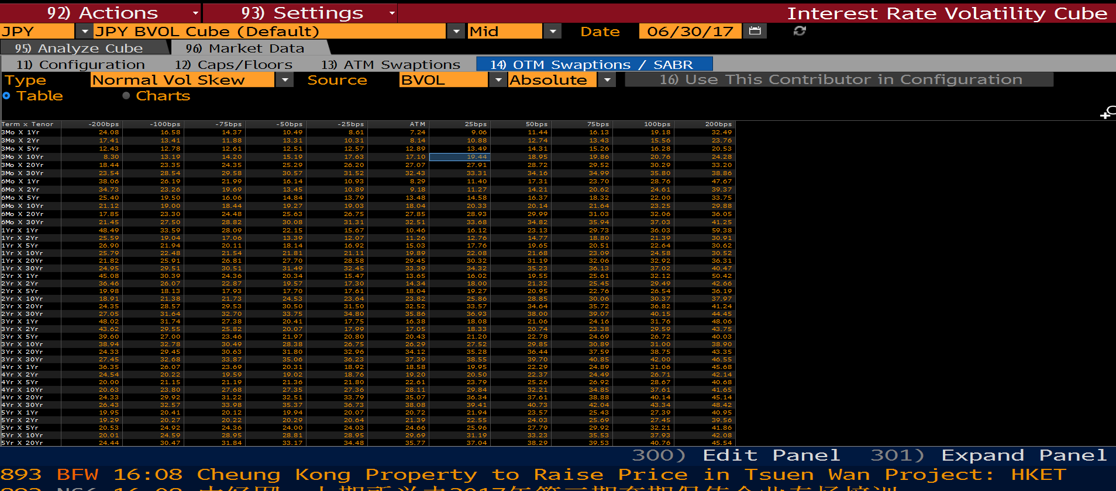
3Mo X 1Yr | 24.08 | 16.58 | 14.37 | 10.49 | 8.61 | 7.24 | 9.06 | 11.44 | 16.13 | 19.18 | 32.49
3Mo X 2Yr | 17.41 | 13.41 | 11.88 | 13.31 | 10.31 | 8.14 | 10.88 | 12.74 | 13.43 | 15.56 | 23.76
3Mo X 5Yr | 12.43 | 12.78 | 12.61 | 12.51 | 12.57 | 12.89 | 13.49 | 14.31 | 15.26 | 16.28 | 20.53
3Mo X 10Yr | 8.3 | 13.19 | 14.2 | 15.19 | 17.63 | 17.1 | 19.44 | 18.95 | 19.86 | 20.76 | 24.28
3Mo X 20Yr | 18.44 | 23.35 | 24.35 | 25.29 | 26.2 | 27.07 | 27.91 | 28.72 | 29.52 | 30.29 | 33.2
3Mo X 30Yr | 23.54 | 28.54 | 29.58 | 30.57 | 31.52 | 32.43 | 33.31 | 34.16 | 34.99 | 35.8 | 38.86
6Mo X 1Yr | 38.06 | 26.19 | 21.99 | 16.14 | 10.93 | 8.29 | 11.4 | 17.31 | 23.7 | 28.76 | 47.67
6Mo X 2Yr | 34.73 | 23.26 | 19.69 | 13.45 | 10.89 | 9.18 | 11.27 | 14.21 | 20.62 | 24.61 | 39.37
6Mo X 5Yr | 25.4 | 19.5 | 16.06 | 14.84 | 13.79 | 13.48 | 14.58 | 16.37 | 18.32 | 22 | 33.75
6Mo X 10Yr | 21.12 | 19 | 18.44 | 19.27 | 19.03 | 18.04 | 20.33 | 20.14 | 21.64 | 23.25 | 29.88
6Mo X 20Yr | 17.85 | 23.3 | 24.48 | 25.63 | 26.75 | 27.85 | 28.93 | 29.99 | 31.03 | 32.06 | 36.05
6Mo X 30Yr | 21.45 | 27.5 | 28.82 | 30.08 | 31.31 | 32.51 | 33.68 | 34.82 | 35.94 | 37.03 | 41.25
1Yr X 1Yr | 48.49 | 33.59 | 28.09 | 22.15 | 15.67 | 10.46 | 16.12 | 23.13 | 29.73 | 36.03 | 59.38
1Yr X 2Yr | 25.59 | 19.04 | 17.06 | 13.39 | 12.07 | 11.26 | 12.76 | 14.77 | 18.8 | 21.39 | 30.91
1Yr X 5Yr | 26.9 | 21.94 | 20.11 | 18.14 | 16.92 | 15.03 | 17.76 | 19.65 | 20.51 | 22.64 | 30.62
1Yr X 10Yr | 25.79 | 22.48 | 21.54 | 21.81 | 21.11 | 19.89 | 22.08 | 21.68 | 23.09 | 24.58 | 30.52
1Yr X 20Yr | 21.82 | 25.91 | 26.81 | 27.7 | 28.58 | 29.45 | 30.32 | 31.19 | 32.06 | 32.92 | 36.31
1Yr X 30Yr | 24.95 | 29.51 | 30.51 | 31.49 | 32.45 | 33.39 | 34.32 | 35.23 | 36.13 | 37.02 | 40.47
2Yr X 1Yr | 45.08 | 30.39 | 24.36 | 20.34 | 15.47 | 13.65 | 16.02 | 19.55 | 25.61 | 32.12 | 50.42
2Yr X 2Yr | 36.46 | 26.07 | 22.87 | 19.57 | 17.3 | 14.34 | 18 | 21.32 | 25.45 | 29.49 | 42.66
2Yr X 5Yr | 19.98 | 18.13 | 17.93 | 17.7 | 17.61 | 18.04 | 19.27 | 20.95 | 22.76 | 26.54 | 36.19
2Yr X 10Yr | 18.91 | 21.38 | 21.73 | 24.53 | 23.64 | 23.82 | 25.86 | 28.85 | 30.06 | 30.37 | 37.97
2Yr X 20Yr | 24.35 | 28.57 | 29.53 | 30.5 | 31.5 | 32.52 | 33.57 | 34.64 | 35.72 | 36.82 | 41.24
2Yr X 30Yr | 27.05 | 31.64 | 32.7 | 33.75 | 34.8 | 35.86 | 36.93 | 38 | 39.07 | 40.15 | 44.45
3Yr X 1Yr | 48.02 | 31.74 | 27.38 | 20.41 | 17.75 | 16.38 | 18.08 | 21.06 | 24.16 | 31.76 | 48.06
3Yr X 2Yr | 43.62 | 29.55 | 25.82 | 20.07 | 17.99 | 17.05 | 18.33 | 20.74 | 23.38 | 29.59 | 43.75
3Yr X 5Yr | 39.6 | 27 | 23.46 | 21.97 | 20.8 | 20.43 | 21.2 | 22.78 | 24.69 | 26.72 | 40.03
3Yr X 10Yr | 38.94 | 32.78 | 30.49 | 28.38 | 26.75 | 26.29 | 27.52 | 29.85 | 30.89 | 31 | 38.9
3Yr X 20Yr | 24.33 | 29.45 | 30.63 | 31.8 | 32.96 | 34.12 | 35.28 | 36.44 | 37.59 | 38.75 | 43.35
3Yr X 30Yr | 27.45 | 32.68 | 33.87 | 35.06 | 36.23 | 37.39 | 38.55 | 39.7 | 40.85 | 42 | 46.55
4Yr X 1Yr | 36.35 | 26.07 | 23.69 | 20.31 | 18.92 | 18.58 | 19.95 | 22.29 | 24.89 | 31.06 | 45.68
4Yr X 2Yr | 24.54 | 20.22 | 19.59 | 19.02 | 18.76 | 19.2 | 20.5 | 22.37 | 24.49 | 26.71 | 42.14
4Yr X 5Yr | 20 | 21.15 | 21.19 | 21.36 | 21.8 | 22.61 | 23.79 | 25.26 | 26.92 | 28.67 | 40.68
4Yr X 10Yr | 20.63 | 23.8 | 27.68 | 27.35 | 27.36 | 28.11 | 29.84 | 32.21 | 34.85 | 37.61 | 41.65
4Yr X 20Yr | 24.33 | 29.92 | 31.22 | 32.51 | 33.79 | 35.07 | 36.34 | 37.61 | 38.88 | 40.14 | 45.14
4Yr X 30Yr | 26.43 | 32.57 | 33.98 | 35.37 | 36.73 | 38.08 | 39.41 | 40.73 | 42.04 | 43.34 | 48.42
5Yr X 1Yr | 19.95 | 20.41 | 20.12 | 19.94 | 20.07 | 20.72 | 21.94 | 23.57 | 25.43 | 27.39 | 40.95
5Yr X 2Yr | 19.29 | 20.27 | 20.22 | 20.29 | 20.64 | 21.39 | 22.55 | 24.03 | 25.69 | 27.45 | 39.56
5Yr X 5Yr | 20.53 | 24.92 | 24.36 | 24 | 24.03 | 24.66 | 25.96 | 27.79 | 29.92 | 32.21 | 41.86
5Yr X 10Yr | 20.01 | 24.59 | 28.95 | 28.81 | 28.95 | 29.69 | 31.19 | 33.23 | 35.53 | 37.93 | 42.08
5Yr X 20Yr | 24.44 | 30.47 | 31.84 | 33.17 | 34.48 | 35.77 | 37.04 | 38.29 | 39.53 | 40.76 | 45.54

