Hoja 1
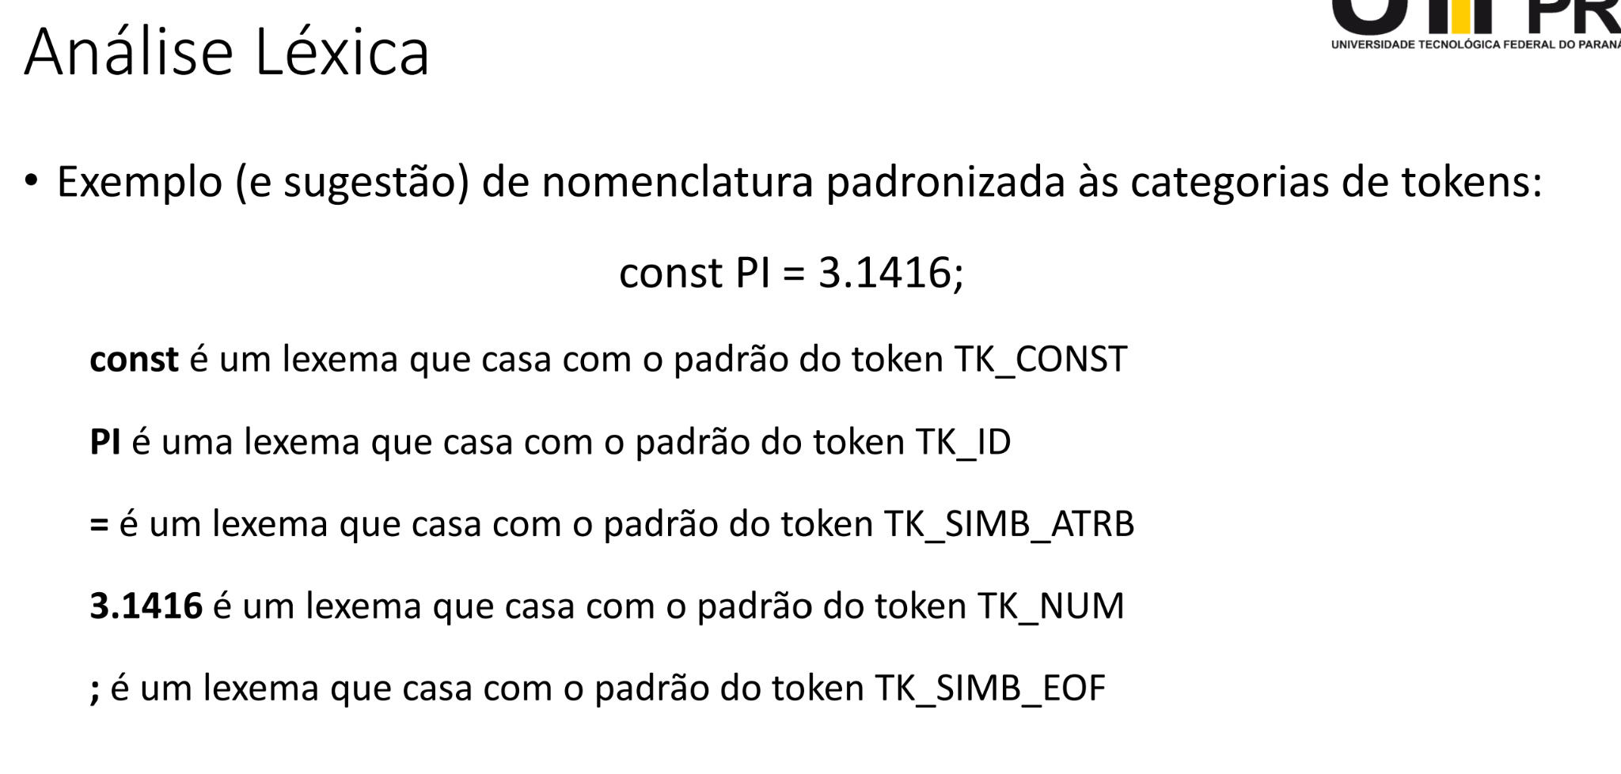
# | Cadeia | Categoria | TipoToken | TipoDado | Valor | Escopo
0 | While | TK_While | Keyword | None | 0 | Global
0 | If | TK_If | Keyword | None | 0 | Global
0 | For | TK_For | Keyword | None | 0 | Global
0 | Main | TK_Main | Keyword | None | 0 | Global
0 | DoWhile | TK_Do_While | Keyword | None | 0 | Global
0 | Fun | TK_Fun | Keyword | None | 0 | Global
0 | + | TK_Soma | Operator | None | 0 | Global
0 | - | TK_Subracao | Operator | None | 0 | Global
0 | * | TK_Multiplicacao | Operator | None | 0 | Global
0 | / | TK_Divisao | Operator | None | 0 | Global
0 | ; | TK_Final_Lexema
0 | x | TK_Identificador | Variable | Integer | 0 | Sample
0 | 8 | TK_Constante | Literal | Integer | 8 | Global

