B1
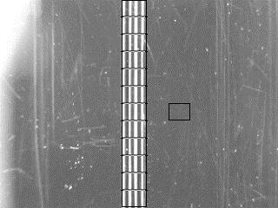
Empty | EMPTY
 | Segment 1 | Segment 2 | Segment 3 | Segment 4 | Segment 5 | Segment 6 | Segment 7 | Segment 8 | Segment 9 | Segment 10 | Segment 11 | Segment 12
 | 168 | 173 | 172 | 167 | 167 | 168 | 168 | 167 | 168 | 166 | 166 | 161
 | 1.866667 | 1.922222 | 1.911111 | 1.855556 | 1.855556 | 1.866667 | 1.866667 | 1.855556 | 1.866667 | 1.844444 | 1.844444 | 1.788889

 | Reference Mean
 | 90

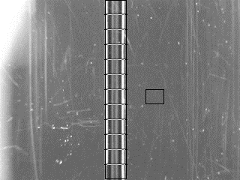
 | FULL
 | Segment 1 | Segment 2 | Segment 3 | Segment 4 | Segment 5 | Segment 6 | Segment 7 | Segment 8 | Segment 9 | Segment 10 | Segment 11 | Segment 12
 | 125 | 128 | 130 | 126 | 127 | 128 | 128 | 125 | 123 | 122 | 121 | 121
Full | 1.315789 | 1.347368 | 1.368421 | 1.326316 | 1.336842 | 1.347368 | 1.347368 | 1.315789 | 1.294737 | 1.284211 | 1.273684 | 1.273684

 | Reference Mean
 | 95

Both (Mean Segment to Mean Reference Ratio)
 | Segment 1 | Segment 2 | Segment 3 | Segment 4 | Segment 5 | Segment 6 | Segment 7 | Segment 8 | Segment 9 | Segment 10 | Segment 11 | Segment 12
Empty | 1.866667 | 1.922222 | 1.911111 | 1.855556 | 1.855556 | 1.866667 | 1.866667 | 1.855556 | 1.866667 | 1.844444 | 1.844444 | 1.788889
Full | 1.315789 | 1.347368 | 1.368421 | 1.326316 | 1.336842 | 1.347368 | 1.347368 | 1.315789 | 1.294737 | 1.284211 | 1.273684 | 1.273684

B1"Full vs. Empty Channel Segment Mean Ratios (SegmentMean:ReferenceMean) "

B2
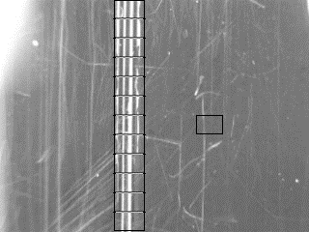
Empty
Segment 1 | Segment 2 | Segment 3 | Segment 4 | Segment 5 | Segment 6 | Segment 7 | Segment 8 | Segment 9 | Segment 10 | Segment 11 | Segment 12
185 | 188 | 181 | 171 | 171 | 175 | 179 | 173 | 165 | 162 | 157 | 158
1.887755 | 1.918367 | 1.846939 | 1.744898 | 1.744898 | 1.785714 | 1.826531 | 1.765306 | 1.683673 | 1.653061 | 1.602041 | 1.612245

 | Reference Mean
 | 98.0000053

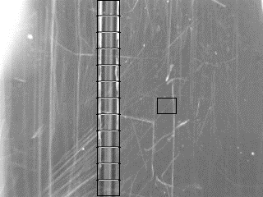
Full
Segment 1 | Segment 2 | Segment 3 | Segment 4 | Segment 5 | Segment 6 | Segment 7 | Segment 8 | Segment 9 | Segment 10 | Segment 11 | Segment 12
143 | 150 | 147 | 140 | 141 | 142 | 144 | 139 | 134 | 130 | 123 | 123
1.361905 | 1.428571 | 1.4 | 1.333333 | 1.342857 | 1.352381 | 1.371429 | 1.32381 | 1.276191 | 1.238095 | 1.171429 | 1.171429

 | Reference Mean
 | 104.9999816

 | Both (Mean Segment to Mean Reference Ratio)
 | Segment 1 | Segment 2 | Segment 3 | Segment 4 | Segment 5 | Segment 6 | Segment 7 | Segment 8 | Segment 9 | Segment 10 | Segment 11 | Segment 12
Empty | 1.887755 | 1.918367 | 1.846939 | 1.744898 | 1.744898 | 1.785714 | 1.826531 | 1.765306 | 1.683673 | 1.653061 | 1.602041 | 1.612245
Full | 1.361905 | 1.428571 | 1.4 | 1.333333 | 1.342857 | 1.352381 | 1.371429 | 1.32381 | 1.276191 | 1.238095 | 1.171429 | 1.171429

B2Full vs. Empty Channel Segment Mean Ratios (SegmentMean:ReferenceMean)

B3
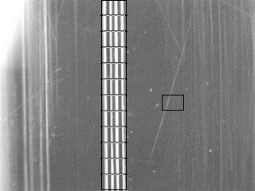

EMPTY
Segment 1 | Segment 2 | Segment 3 | Segment 4 | Segment 5 | Segment 6 | Segment 7 | Segment 8 | Segment 9 | Segment 10 | Segment 11 | Segment 12
165 | 173 | 170 | 168 | 166 | 165 | 167 | 169 | 170 | 172 | 175 | 174
1.793478 | 1.880435 | 1.847826 | 1.826087 | 1.804348 | 1.793478 | 1.815217 | 1.836957 | 1.847826 | 1.869565 | 1.902174 | 1.891304

 | Reference Mean
 | 92.000013382

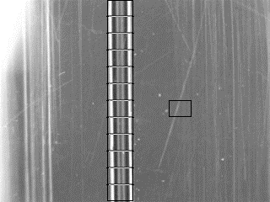
FULL
Segment 1 | Segment 2 | Segment 3 | Segment 4 | Segment 5 | Segment 6 | Segment 7 | Segment 8 | Segment 9 | Segment 10 | Segment 11 | Segment 12
114 | 123 | 122 | 120 | 122 | 121 | 123 | 125 | 124 | 129 | 132 | 132
1.163265 | 1.255102 | 1.244898 | 1.22449 | 1.244898 | 1.234694 | 1.255102 | 1.27551 | 1.265306 | 1.316326 | 1.346939 | 1.346939

 | Reference Mean
 | 98.000025789

 | Both (Mean Segment to Mean Reference Ratio)
 | Segment 1 | Segment 2 | Segment 3 | Segment 4 | Segment 5 | Segment 6 | Segment 7 | Segment 8 | Segment 9 | Segment 10 | Segment 11 | Segment 12
Empty | 1.793478 | 1.880435 | 1.847826 | 1.826087 | 1.804348 | 1.793478 | 1.815217 | 1.836957 | 1.847826 | 1.869565 | 1.902174 | 1.891304
Full | 1.163265 | 1.255102 | 1.244898 | 1.22449 | 1.244898 | 1.234694 | 1.255102 | 1.27551 | 1.265306 | 1.316326 | 1.346939 | 1.346939
B3"Full vs. Empty Channel Segment Mean Ratios (SegmentMean:ReferenceMean) "

