Defect report for New Customer
Defect Report |  | Defect Report |  | Defect Report |  | Defect Report |  | Defect Report |  | Defect Report |  | Defect Report |  | Defect Report |  | Defect Report |  | Defect Report |  | Defect Report |  | Defect Report |  | Defect Report
Version | V.1 | Version | V.1 | Version | V.1 | Version | V.1 | Version | V.1 | Version | V.1 | Version | V.1 | Version | V.1 | Version | V.1 | Version | V.1 | Version | V.1 | Version | V.1 | Version | V.1
Test Scenario | Manger (New Customer) | Test Scenario | Manger (New Customer) | Test Scenario | Manger (New Customer) | Test Scenario | Manger (New Customer) | Test Scenario | Manger (New Customer) | Test Scenario | Manger (New Customer) | Test Scenario | Manger (New Customer) | Test Scenario | Manger (New Customer) | Test Scenario | Manger (New Customer) | Test Scenario | Manger (New Customer) | Test Scenario | Manger (New Customer) | Test Scenario | Manger (New Customer) | Test Scenario | Manger (New Customer)
ID | 1 | ID | 2 | ID | 2 | ID | 2 | ID | 3 | ID | 4 | ID | 5 | ID | 6 | ID | 7 | ID | 7 | ID | 8 | ID | 9 | ID | 10
Test Case | the first chracter in the"Customer Name" Field can not be space | Test Case | the "Address" field can not be empty | Test Case | the"Address" Field must not have special chracters | Test Case | 3-the first chracter in the"Address" Field can not be space | Test Case | the first chracter in the"City" Field can not be space | Test Case | the first chracter in the"State" Field can not be space | Test Case | the first chracter in the"Pin" Field can not be space | Test Case | the first chracter in the"Mobile Number" Field can not be space | Test Case | The E-mail can not be the same E-mail exist in the system | Test Case | the first chracter in the"E-mail" Field can not be space | Test Case | all Fields name(Label) are as documented in SRS for all modules | Test Case | When click on submit Button the new customer is added | Test Case | the system can,t add the same customer twice
Test Steps | 1- keep the first character in the "Customer Name" field be a space 2- Move to the next Field | Test Steps | 1-keep the "Address" field empty 2- Move to the next Field | Test Steps | 1-Enter special Character in the "Address" field 2- Move to the next Field | Test Steps | 1- keep the first character in the "Address" field be a space 2- Move to the next Field | Test Steps | 1- keep the first character in the "City" field be a space 2- Move to the next Field | Test Steps | 1- keep the first character in the "State" field be a space 2- Move to the next Field | Test Steps | 1- keep the first character in the "Pin" field be a space 2- Move to the next Field | Test Steps | 1- keep the first character in the "Mobile Number" field be a space 2- Move to the next Field | Test Steps | 1-enter an E-mail exist in the system 2-Fill other fields correctly 3-Click on submit | Test Steps | 1- keep the first character in the "E-mail" field be a space 2- Move to the next Field | Test Steps | 1-Fill all the fields correctly 2-click on submit | Test Steps | 1-Fill all the fields correctly 2-click on submit | Test Steps | 1-Fill all the fields correctly 2-Click on submit 1-Fill all the fields correctly with the same details again 2-Click on submit
Expected Result | the system show an error that (the first character in "Customer Name" field can not be space) | Expected Result | the system show an error that ("Address" field can not be empty) | Expected Result | the system show an error that ("Address" field can not have special character) | Expected Result | the system show an error that (the first character in "Address" field can not be space) | Expected Result | the system show an error that (the first character in "City" field can not be space) | Expected Result | the system show an error that (the first character in "State" field can not be space) | Expected Result | the system show an error that (the first character in "Pin" field can not be space) | Expected Result | the system show an error that (the first character in "Mobile Number" field can not be space) | Expected Result | the system show an error that (This E-mail is already exist in the system) system show an error that (the first character in "Mobile Number" field can not be space) | Expected Result | the system show an error that (the first character in "E-mail" field can not be space) | Expected Result | Field names in SRS and system should match | Expected Result | the system show that"Customer added successfully !!" | Expected Result | The system show an error that"Email address already exist"
Actual Result | the system show an error that (Numbers are not allowed) | Actual Result | the system don't show any error message | Actual Result | the system don't show any error message | Actual Result | the system don't show any error message | Actual Result | the system sjow an error that (Numbers are not allowed ) | Actual Result | the system show an error that (Numbers are not allowed ) | Actual Result | The system Don't show any error | Actual Result | The system Don't show any error | Actual Result | The system Don't show any error | Actual Result | The system Don't show any error | Actual Result | telephone number will be "Mobile number" | Actual Result | Connection error | Actual Result | Connection error
v
vv
v
v
v
v
v
v
v
v
v
Screen Shoot / video | 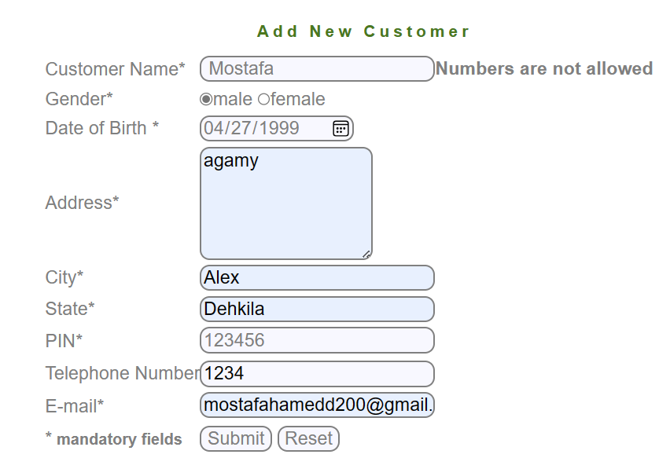 | Screen Shoot / video | 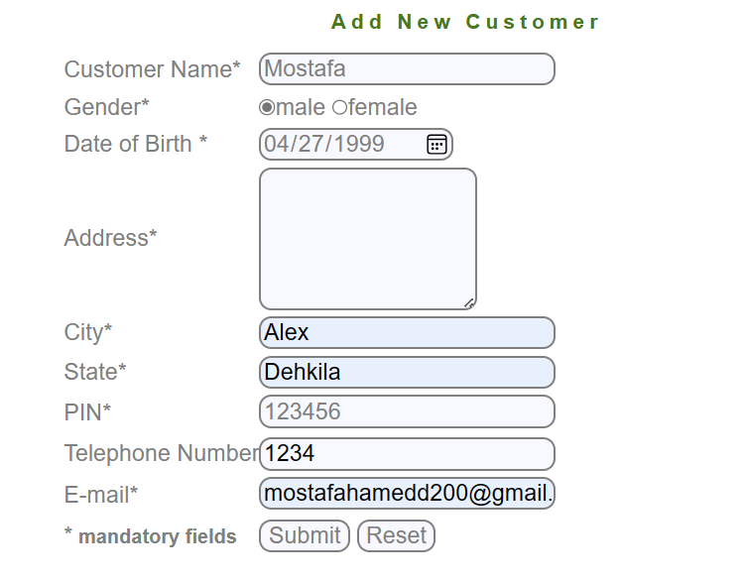 | Screen Shoot / video | 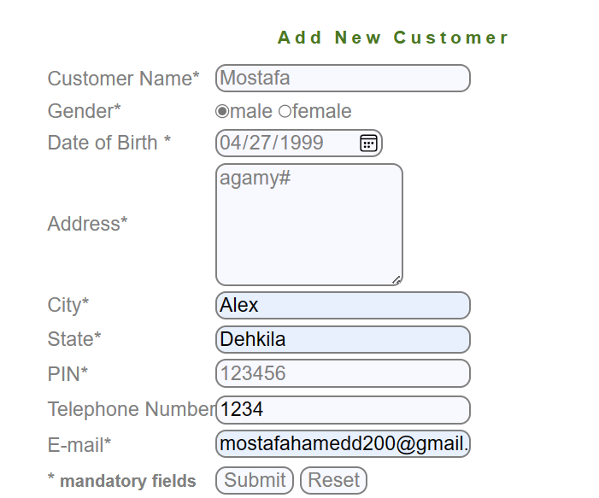 | Screen Shoot / video | 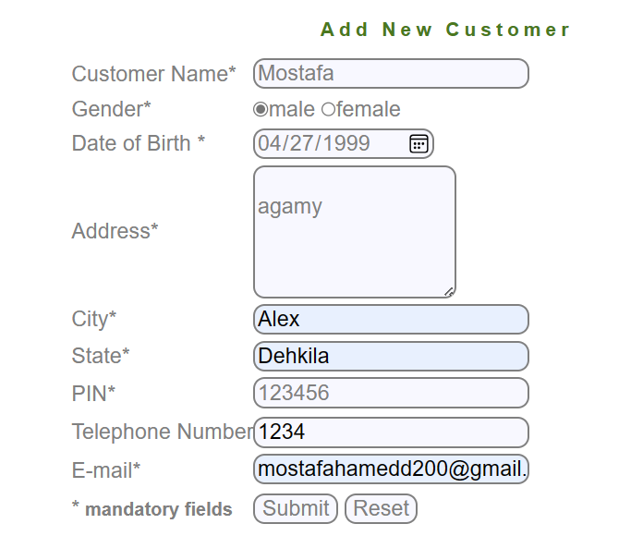 | Screen Shoot / video | 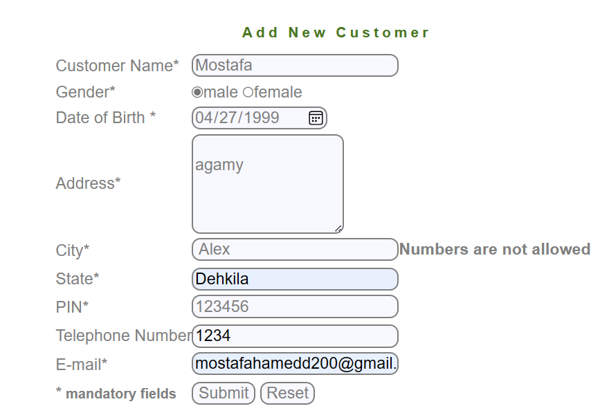 | Screen Shoot / video | 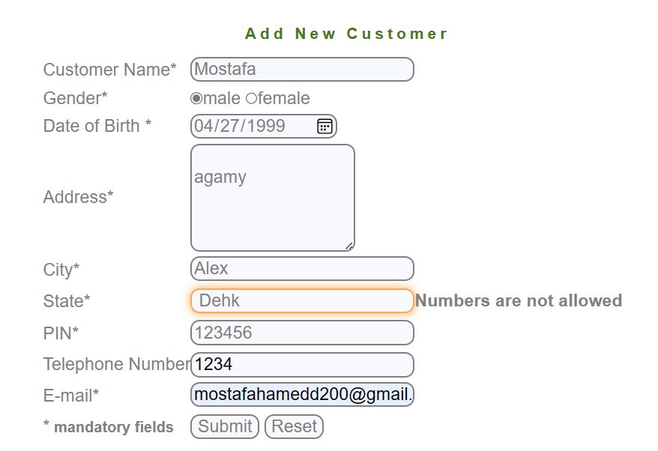 | Screen Shoot / video | 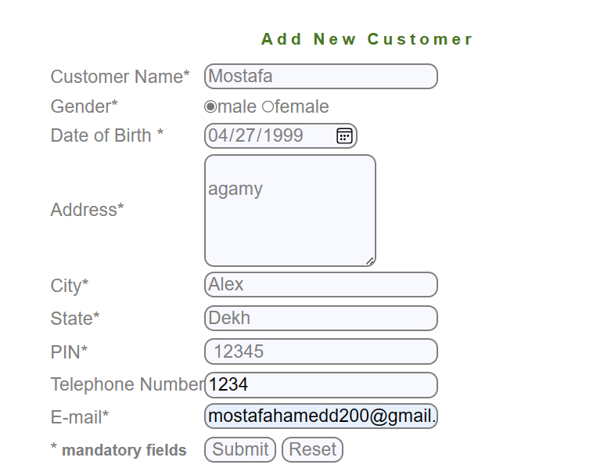 | Screen Shoot / video | 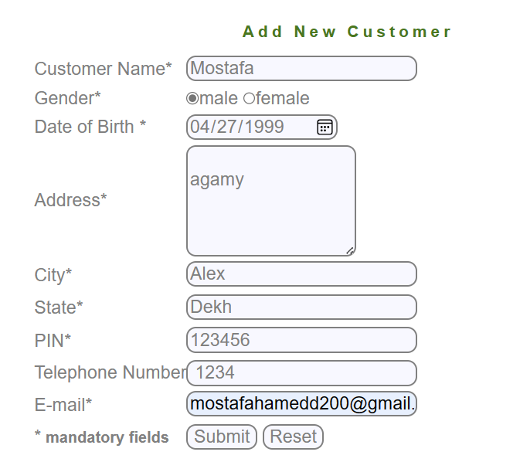 | Screen Shoot / video | 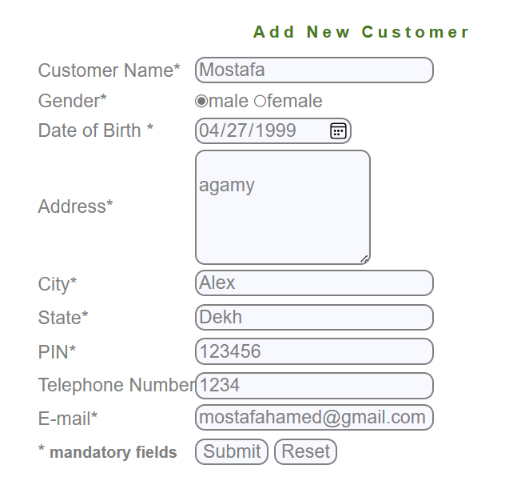 | Screen Shoot / video | 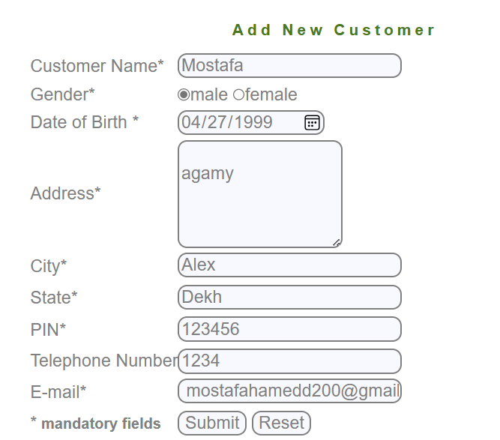 | Screen Shoot / video |  | Screen Shoot / video |  | Screen Shoot / video
Piriority | Medium | Piriority | Medium | Piriority | Medium | Piriority | Medium | Piriority | Medium | Piriority | Medium | Piriority | Medium | Piriority | Medium | Piriority | High | Piriority | Medium | Piriority | High | Piriority | High | Piriority | High
Severity | Medium | Severity | Medium | Severity | Medium | Severity | Medium | Severity | Medium | Severity | Medium | Severity | Medium | Severity | Medium | Severity | High | Severity | Medium | Severity | High | Severity | High | Severity | High

Defect report for Edit Customer
Defect Report |  | Defect Report |  | Defect Report
Version | V.1 | Version | V.1 | Version | V.1
Test Scenario | Manger (Edit Customer) | Test Scenario | Manger (Edit Customer) | Test Scenario | Manger (Edit Customer)
ID | 1 | ID | 1 | ID | 2
Test Case | the first chracter in the"Customer ID" Field can not be space | Test Case | The Customer-Id can not be invalid | Test Case | when click on submit the system redirected to a form after submitting
Test Steps | 1- keep the first character in the "Customer ID" field be a space 2- Move to the next Field | Test Steps | 1-Enter an invalid ID 2-Click on submit | Test Steps | 1-Enter Customer id correctly 2-Click on submi
Expected Result | the system show an error that (the first character in "Customer ID" field can not be space) | Expected Result | the system show an error that (the Customer ID is invalid) | Expected Result | the system redirected to a form after submitting invalid)
Actual Result | The system Don't show any error message | Actual Result | The system Don't show any error message | Actual Result | Connection error
v
Screen Shoot / video | 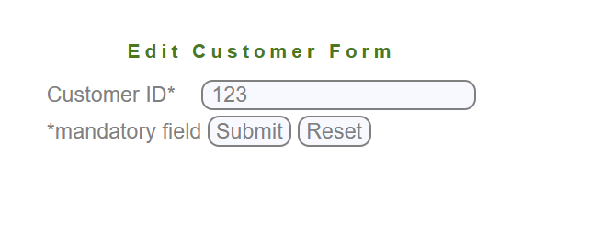 | Screen Shoot / video |  | Screen Shoot / video
Piriority | Medium | Piriority | High | Piriority | High
Severity | Medium | Severity | High | Severity | High

Defect report for New Account
Defect Report |  | Defect Report |  | Defect Report |  | Defect Report |  | Defect Report |  | Defect Report |  | Defect Report |  | Defect Report |  | Defect Report |  | Defect Report |  | Defect Report |  | Defect Report |  | Defect Report |  | Defect Report
Version | V.1 | Version | V.1 | Version | V.1 | Version | V.1 | Version | V.1 | Version | V.1 | Version | V.1 | Version | V.1 | Version | V.1 | Version | V.1 | Version | V.1 | Version | V.1 | Version | V.1 | Version | V.1
Test Scenario | Manger (New Account) | Test Scenario | Manger (New Account) | Test Scenario | Manger (New Account) | Test Scenario | Manger (New Account) | Test Scenario | Manger (New Account) | Test Scenario | Manger (New Account) | Test Scenario | Manger (New Account) | Test Scenario | Manger (New Account) | Test Scenario | Manger (New Account) | Test Scenario | Manger (New Account) | Test Scenario | Manger (New Account) | Test Scenario | Manger (New Account) | Test Scenario | Manger (New Account) | Test Scenario | Manger (New Account)
ID | 1 | ID | 1 | ID | 1 | ID | 1 | ID | 1 | ID | 1 | ID | 1 | ID | 2 | ID | 2 | ID | 2 | ID | 2 | ID | 2 | ID | 3 | ID | 4
Test Case | the "Customer ID" field can not be empty | Test Case | the "Customer ID" field can not have Characters | Test Case | the"Customer ID" Field must not have special chracters | Test Case | the first chracter in the"Customer ID" Field can not be space | Test Case | The Customer-Id can not be invalid | Test Case | the first chracter in the"Customer ID" Field can not be space | Test Case | The Customer-Id can not be invalid | Test Case | the "Intial deposite" field can not be empty | Test Case | the "Intial deposite" field can not have Characters | Test Case | the"Intial deposite" Field must not have special chracters | Test Case | the first chracter in the"Intial deposite" Field can not be space | Test Case | The Intial deposite Must not less than 500 | Test Case | the system can't add the account twice | Test Case | When click on submit Button the new account ia added
Test Steps | 1-keep the "ID" field empty 2- Move to the next Field | Test Steps | 1-Enter Characters in the "Customer ID" field 2- Move to the next Field | Test Steps | 1-Enter special Character in the "Customer ID" field 2- Move to the next Field | Test Steps | 1- keep the first character in the "Customer ID" field be a space 2- Move to the next Field | Test Steps | 1-Enter an invalid ID 2-Click on submit | Test Steps | 1- keep the first character in the "Customer ID" field be a space 2- Move to the next Field | Test Steps | 1-Enter an invalid ID 2-Click on submit | Test Steps | 1-keep the "Intial deposite" field empty 2- Move to the next Field | Test Steps | 1-Enter Characters in the "Intial deposite" field 2- Move to the next Field | Test Steps | 1-Enter special Character in the "Intial deposite" field 2- Move to the next Field | Test Steps | 1- keep the first character in the "Intial deposite" field be a space 2- Move to the next Field | Test Steps | 1-Enter anIntial deposite less than 500 2-fill other fields correctly 2-Click on submit | Test Steps | 1-Fill all the fields correctly 2-click on submit 3-Fill all the fields correctly with the same data again 4-click on submit | Test Steps | 1-Fill all the fields correctly 2-click on submit
Expected Result | the system show an error that ("Customer ID" field can not be empty) | Expected Result | the system show an error that ("Customer ID" field can not have Characters) | Expected Result | the system show an error that ("Customer ID" field can not have special character) | Expected Result | the system show an error that ("Customer ID" field can not have special character) | Expected Result | the system show an error that (the Customer ID is invalid) | Expected Result | the system show an error that ("Customer ID" field can not have special character) | Expected Result | the system show an error that (the Customer ID is invalid) | Expected Result | the system show an error that ("Intial deposite" field can not be empty) | Expected Result | the system show an error that ("Intial deposite" field can not have Characters) | Expected Result | the system show an error that ("Intial deposite" field can not have special character) | Expected Result | the system show an error that ("Intial deposite" field can not have special character) | Expected Result | the system show an error that (the Customer ID is invalid) | Expected Result | the system show an error that (the system can't add the account twice) | Expected Result | the system show an error that (the Customer ID is invalid)
Actual Result | The system Don't show any error message | Actual Result | The system Don't show any error message | Actual Result | The system Don't show any error message | Actual Result | The system Don't show any error message | Actual Result | The system Don't show any error message | Actual Result | The system Don't show any error message | Actual Result | The system Don't show any error message | Actual Result | The system Don't show any error message | Actual Result | The system Don't show any error message | Actual Result | The system Don't show any error message | Actual Result | The system Don't show any error message | Actual Result | The system Don't show any error message | Actual Result | Connection failed | Actual Result | Connection failed
v
v
v
v
v
Screen Shoot / video | 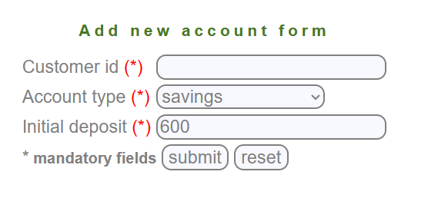 | Screen Shoot / video | 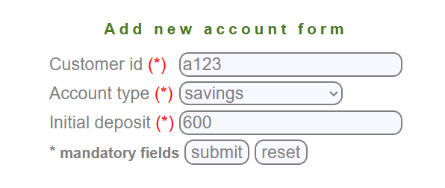 | Screen Shoot / video | 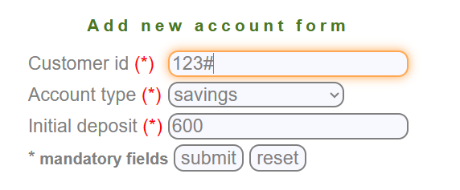 | Screen Shoot / video | 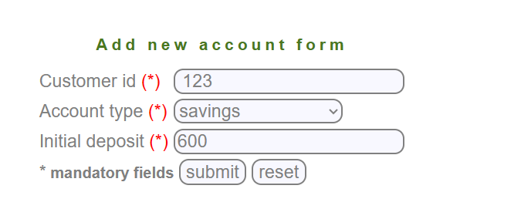 | Screen Shoot / video | 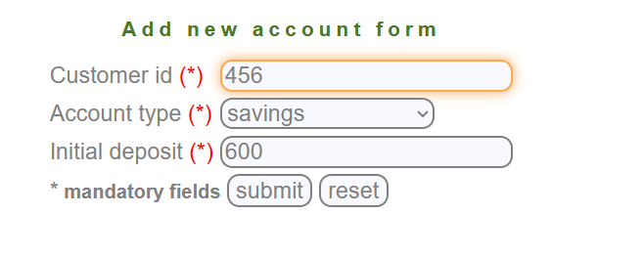 | Screen Shoot / video |  | Screen Shoot / video |  | Screen Shoot / video | 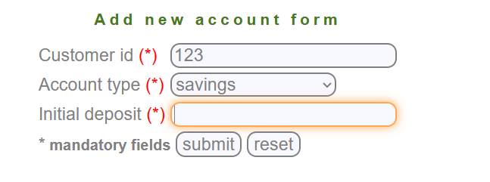 | Screen Shoot / video |  | Screen Shoot / video |  | Screen Shoot / video | 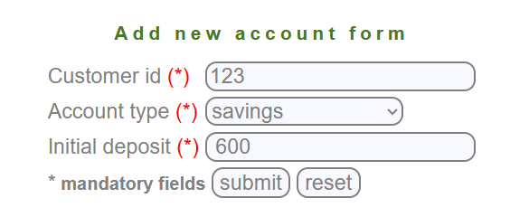 | Screen Shoot / video | 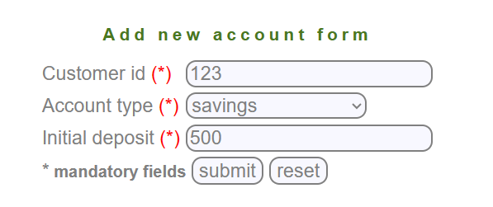 | Screen Shoot / video |  | Screen Shoot / video
Piriority | Medium | Piriority | Medium | Piriority | Medium | Piriority | Medium | Piriority | High | Piriority | Medium | Piriority | High | Piriority | Medium | Piriority | Medium | Piriority | Medium | Piriority | Medium | Piriority | High | Piriority | High | Piriority | High
Severity | Medium | Severity | Medium | Severity | Medium | Severity | Medium | Severity | High | Severity | Medium | Severity | High | Severity | Medium | Severity | Medium | Severity | Medium | Severity | Medium | Severity | High | Severity | High | Severity | High

Defect report for Edit Account
Defect Report |  | Defect Report |  | Defect Report
Version | V.1 | Version | V.1 | Version | V.1
Test Scenario | Manger (Edit Account) | Test Scenario | Manger (Edit Account) | Test Scenario | Manger (Edit Account)
ID | 1 | ID | 1 | ID | 2
Test Case | the first chracter in the"Account No" Field can not be space | Test Case | The Account No can not be invalid | Test Case | when click on submit the system redirected to a form after submitting
Test Steps | 1- keep the first character in the "Account No" field be a space 2- Move to the next Field | Test Steps | 1-Enter an invalid Account No 2-Click on submit | Test Steps | 1-Enter Account No correctly 2-Click on submit
Expected Result | the system show an error that (the first character in "Account No" field can not be space) | Expected Result | the system show an error that (the Account No is invalid) | Expected Result | the system redirected to a form after submitting invalid)
Actual Result | The system Don't show any error message | Actual Result | The system Don't show any error message | Actual Result | Connection error
v
Screen Shoot / video |  | Screen Shoot / video | 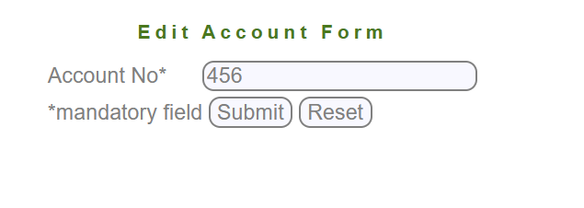 | Screen Shoot / video
Piriority | Medium | Piriority | High | Piriority | High
Severity | Medium | Severity | High | Severity | High

Defect report for Delete Acc
Defect Report |  | Defect Report |  | Defect Report
Version | V.1 | Version | V.1 | Version | V.1
Test Scenario | Manger (Delete Account) | Test Scenario | Manger (Delete Account) | Test Scenario | Manger (Delete Account)
ID | 1 | ID | 1 | ID | 2
Test Case | the first chracter in the"Account No" Field can not be space | Test Case | The Account No can not be invalid | Test Case | when click on submit the system redirected to a form after submitting
Test Steps | 1- keep the first character in the "Account No" field be a space 2- Move to the next Field | Test Steps | 1-Enter an invalid Account No 2-Click on submit | Test Steps | 1-Enter Account No correctly 2-Click on submit
Expected Result | the system show an error that (the first character in "Account No" field can not be space) | Expected Result | the system show an error that (the Account No is invalid) | Expected Result | the system redirected to a form after submitting invalid)
Actual Result | The system Don't show any error message | Actual Result | The system Don't show any error message | Actual Result | Connection error
v
Screen Shoot / video |  | Screen Shoot / video |  | Screen Shoot / video
Piriority | Medium | Piriority | High | Piriority | High
Severity | Medium | Severity | High | Severity | High

Defect report for Delete Custom
Defect Report |  | Defect Report |  | Defect Report
Version | V.1 | Version | V.1 | Version | V.1
Test Scenario | Manger (Delete Customer) | Test Scenario | Manger (Delete Customer) | Test Scenario | Manger (Delete Customer)
ID | 1 | ID | 1 | ID | 2
Test Case | the first chracter in the"Customer ID" Field can not be space | Test Case | The Customer-Id can not be invalid | Test Case | when click on submit the system redirected to a form after submitting
Test Steps | 1- keep the first character in the "Customer ID" field be a space 2- Move to the next Field | Test Steps | 1-Enter an invalid ID 2-Click on submit | Test Steps | 1-Enter Account No correctly 2-Click on submit
Expected Result | the system show an error that ("Customer ID" field can not have special character) | Expected Result | the system show an error that (the Customer ID is invalid) | Expected Result | the system redirected to a form after submitting invalid)
Actual Result | The system Don't show any error message | Actual Result | The system Don't show any error message | Actual Result | Connection error
v
v
v
v
Screen Shoot / video |  | Screen Shoot / video |  | Screen Shoot / video
Piriority | Medium | Piriority | High | Piriority | High
Severity | Medium | Severity | High | Severity | High

Defect report for Mini State
Defect Report |  | Defect Report |  | Defect Report
Version | V.1 | Version | V.1 | Version | V.1
Test Scenario | Manger (Mini Statement) | Test Scenario | Manger (Mini Statement) | Test Scenario | Manger (Mini Statement)
ID | 1 | ID | 1 | ID | 2
Test Case | the first chracter in the"Account No" Field can not be space | Test Case | The Account No can not be invalid | Test Case | when click on submit the system show aform of the mini statement
Test Steps | 1- keep the first character in the "Account No" field be a space 2- Move to the next Field | Test Steps | 1-Enter an invalid Account No 2-Click on submit | Test Steps | 1-Enter Account No correctly 2-Click on submit
Expected Result | the system show an error that (the first character in "Account No" field can not be space) | Expected Result | the system show an error that (the Account No is invalid) | Expected Result | the system show aform of the mini statement
Actual Result | The system Don't show any error message | Actual Result | The system Don't show any error message | Actual Result | Connection error
Screen Shoot / video |  | Screen Shoot / video | 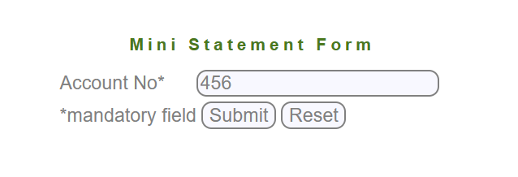 | Screen Shoot / video
Piriority | Medium | Piriority | High | Piriority | High
Severity | Medium | Severity | High | Severity | High

Defect Report for Customized
Defect Report |  | Defect Report |  | Defect Report |  | Defect Report |  | Defect Report |  | Defect Report |  | Defect Report |  | Defect Report |  | Defect Report |  | Defect Report |  | Defect Report |  | Defect Report
Version | V.1 | Version | V.1 | Version | V.1 | Version | V.1 | Version | V.1 | Version | V.1 | Version | V.1 | Version | V.1 | Version | V.1 | Version | V.1 | Version | V.1 | Version | V.1
Test Scenario | Manger (Customized Statement) | Test Scenario | Manger (Customized Statement) | Test Scenario | Manger (Customized Statement) | Test Scenario | Manger (Customized Statement) | Test Scenario | Manger (Customized Statement) | Test Scenario | Manger (Customized Statement) | Test Scenario | Manger (Customized Statement) | Test Scenario | Manger (Customized Statement) | Test Scenario | Manger (Customized Statement) | Test Scenario | Manger (Customized Statement) | Test Scenario | Manger (Customized Statement) | Test Scenario | Manger (Customized Statement)
ID | 1 | ID | 1 | ID | 2 | ID | 3 | ID | 3 | ID | 3 | ID | 3 | ID | 4 | ID | 4 | ID | 4 | ID | 4 | ID | 5
Test Case | the first chracter in the"Account No" Field can not be space | Test Case | The Account No can not be invalid | Test Case | "From Date" Must Less than "To Date" | Test Case | the "No OF Transaction" field can not be empty | Test Case | the "No OF Transaction" field can not have Characters | Test Case | the"No OF Transaction" Field must not have special chracters | Test Case | the first chracter in the"No OF Transaction" Field can not be space | Test Case | the "Amount Lower Limit" field can not be empty | Test Case | the "Amount Lower Limit" field can not have Characters | Test Case | the"Amount Lower Limit" Field must not have special chracters | Test Case | the first chracter in the"Amount Lower Limit" Field can not be space | Test Case | when click on submit the system show aform of the Customized statement
v
Test Steps | 1- keep the first character in the "Account No" field be a space 2- Move to the next Field | Test Steps | 1-Enter an invalid Account No 2-Click on submit | Test Steps | 1-Enter from date greater than to date 2- enter other fields corectly 3-Click on submit | Test Steps | 1-keep the "No OF Transaction" field empty 2- Move to the next Field | Test Steps | 1-Enter Characters in the "No OF Transaction" field 2- Move to the next Field | Test Steps | 1-Enter special Character in the "No OF Transaction" field 2- Move to the next Field | Test Steps | 1- keep the first character in the "No OF Transaction" field be a space 2- Move to the next Field | Test Steps | 1-keep the "Amount Lower Limit" field empty 2- Move to the next Field | Test Steps | 1-Enter Characters in the "Amount Lower Limit" field 2- Move to the next Field | Test Steps | 1-Enter special Character in the "Amount Lower Limit 2- Move to the next Field | Test Steps | 1- keep the first character in the "Amount Lower Limit" field be a space 2- Move to the next Field | Test Steps | 1-Enter Account No correctly 2-Click on submit
Expected Result | the system show an error that (the first character in "Account No" field can not be space) | Expected Result | the system show an error that (the Account No is invalid) | Expected Result | the system show an error that ("From Date" Must Less than "To Date") | Expected Result | the system show an error that ("No OF Transaction" field can not be empty) | Expected Result | the system show an error that ("No OF Transaction" field can not have Characters) | Expected Result | the system show an error that ("No OF Transaction" field can not have special character) | Expected Result | the system show an error that ("No OF Transaction" field can not have special character) | Expected Result | the system show an error that ("Amount Lower Limit" field can not be empty) | Expected Result | the system show an error that ("Amount Lower Limit" field can not have Characters) | Expected Result | the system show an error that ("Amount Lower Limit" field can not have special character) | Expected Result | the system show an error that ("No OF Transaction" field can not have special character) | Expected Result | the system show aform of the Customized statement
Actual Result | The system Don't show any error message | Actual Result | The system Don't show any error message | Actual Result | The system Don't show any error message | Actual Result | The system Don't show any error message | Actual Result | The system Don't show any error message | Actual Result | The system Don't show any error message | Actual Result | The system Don't show any error message | Actual Result | The system Don't show any error message | Actual Result | The system Don't show any error message | Actual Result | The system Don't show any error message | Actual Result | The system Don't show any error message | Actual Result | Connection error
v
v
v
v
v
v
v
v
Screen Shoot / video | 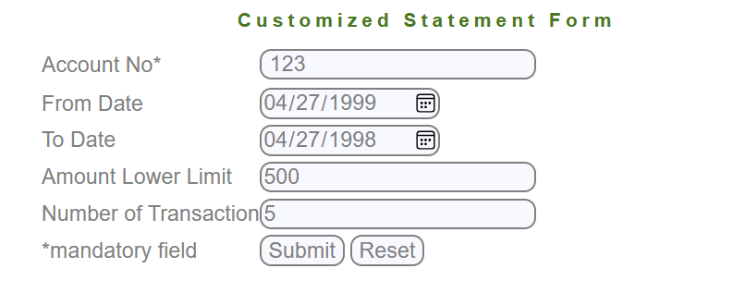 | Screen Shoot / video | 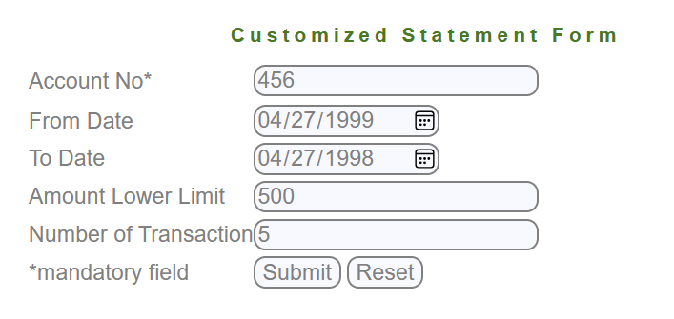 | Screen Shoot / video | 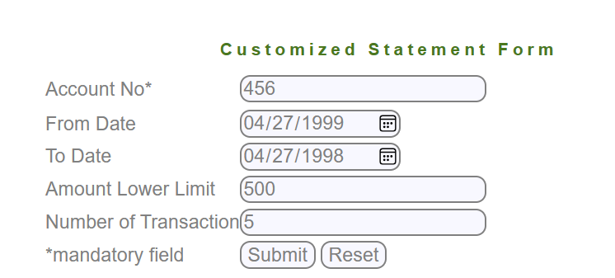 | Screen Shoot / video | 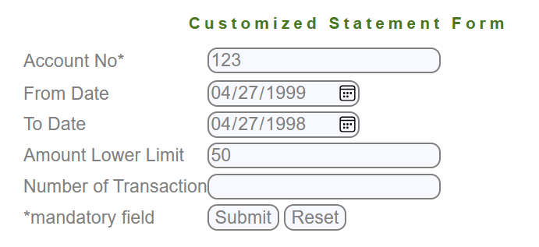 | Screen Shoot / video | 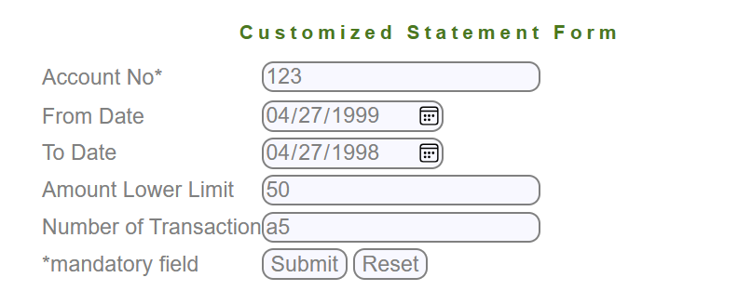 | Screen Shoot / video | 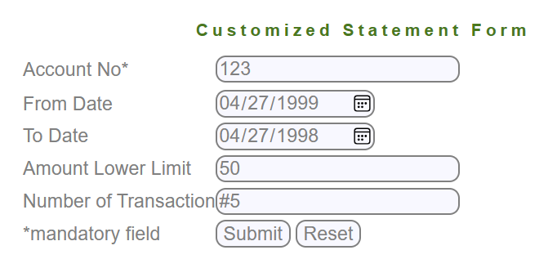 | Screen Shoot / video | 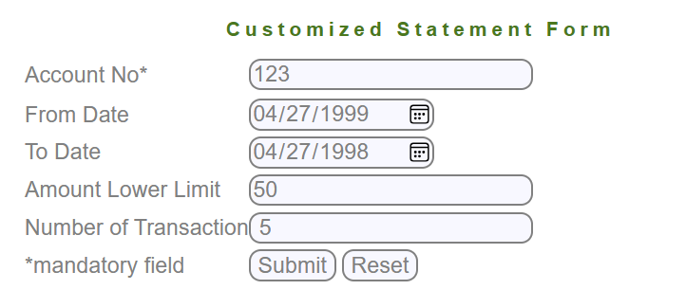 | Screen Shoot / video | 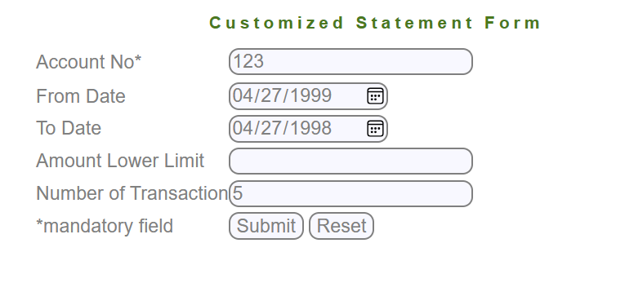 | Screen Shoot / video | 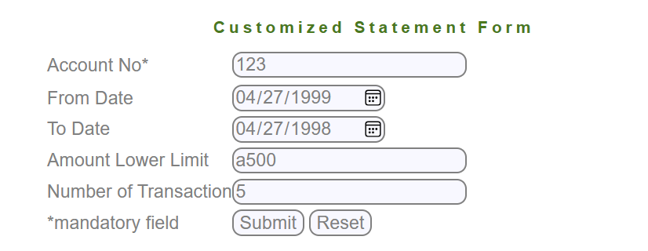 | Screen Shoot / video | 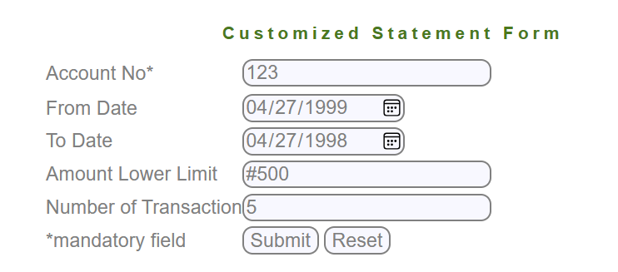 | Screen Shoot / video | 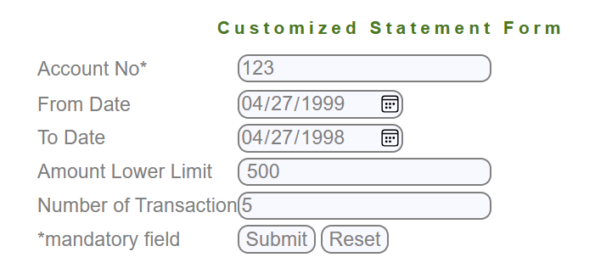 | Screen Shoot / video
Piriority | Medium | Piriority | High | Piriority | High | Piriority | Medium | Piriority | Medium | Piriority | Medium | Piriority | Medium | Piriority | Medium | Piriority | Medium | Piriority | Medium | Piriority | Medium | Piriority | High
Severity | Medium | Severity | High | Severity | High | Severity | Medium | Severity | Medium | Severity | Medium | Severity | Medium | Severity | Medium | Severity | Medium | Severity | Medium | Severity | Medium | Severity | High

