Defect report for New Customer
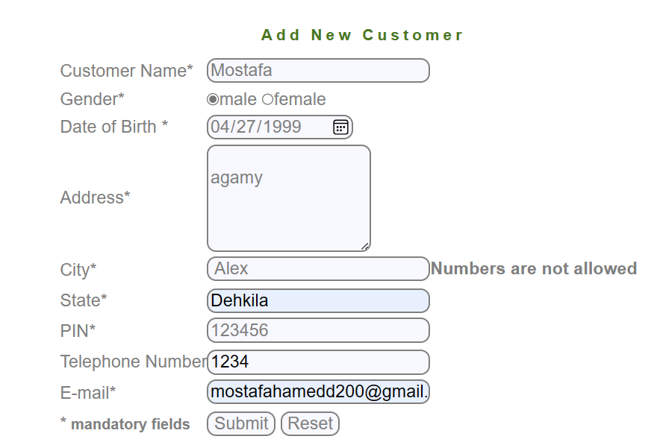 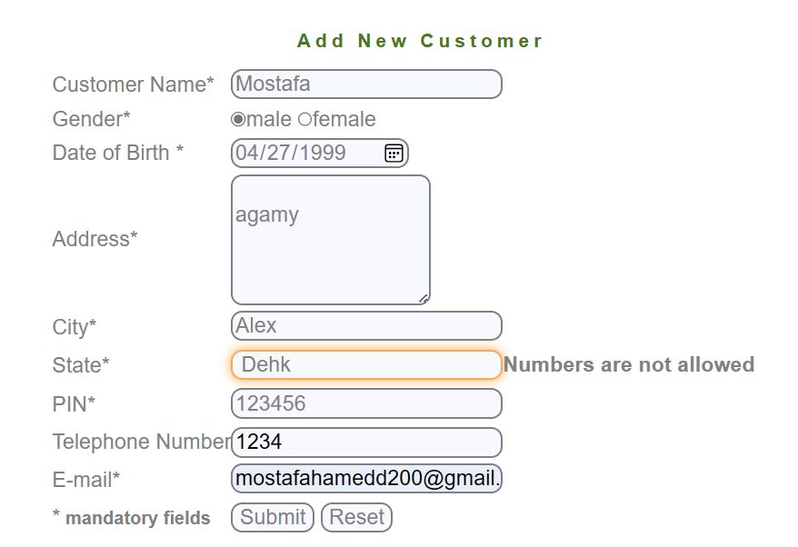 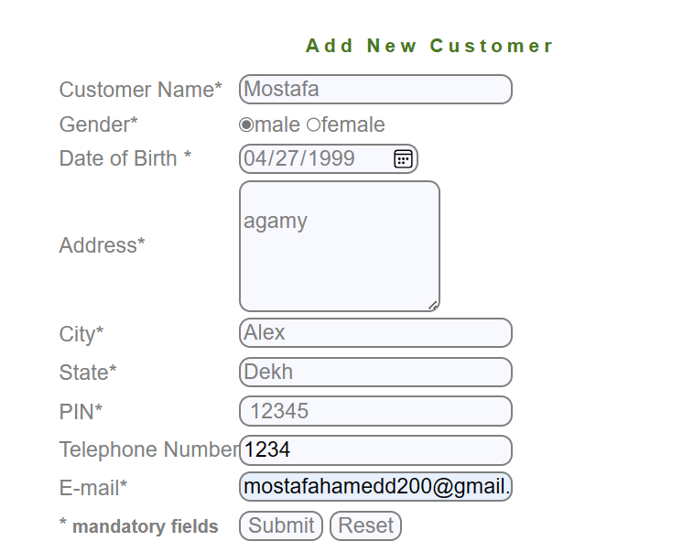 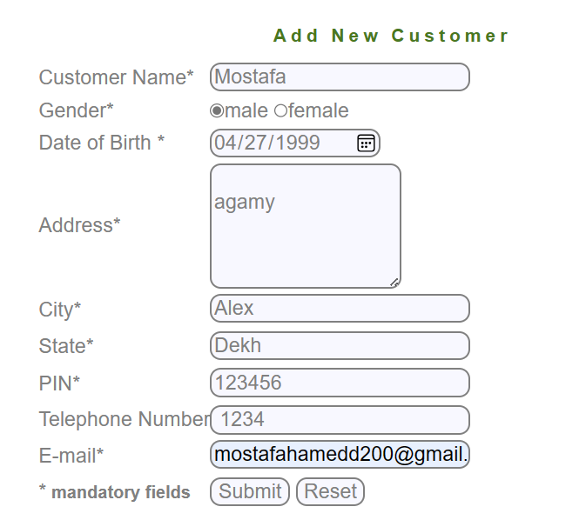 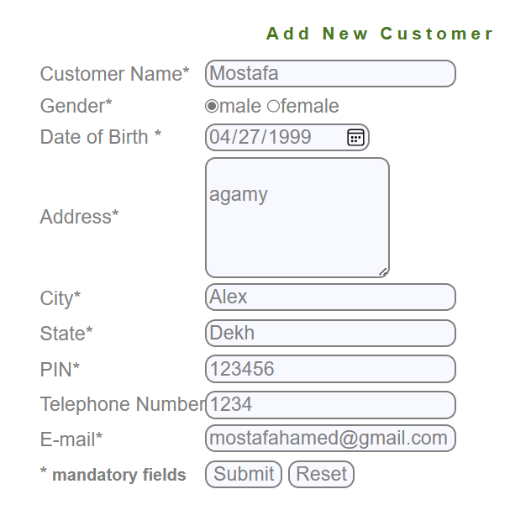 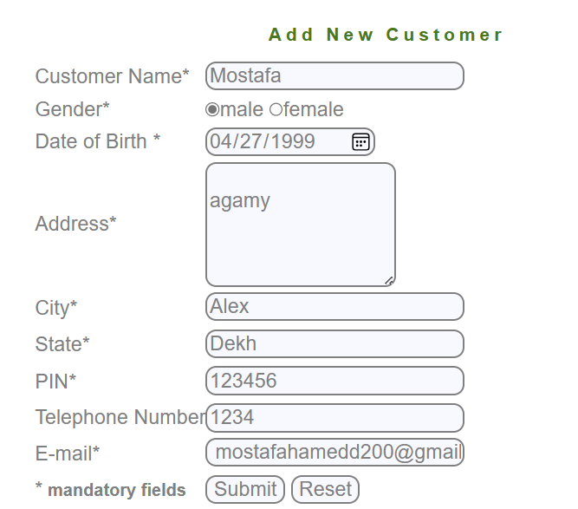
No Defects

Defect report for Edit Customer
Defect Report |  | Defect Report
Version | V.1 | Version | V.1
Test Scenario | Manger (Edit Customer) | Test Scenario | Manger (Edit Customer)
ID | 2 | ID | 1
Test Case | when click on submit the system redirected to a form after submitting | Test Case | The Customer ID can not be invalid
Test Steps | 1-Enter Customer id correctly 2-Click on submit | Test Steps | 1-Enter an invalid Customer ID 2-Click on submit
Expected Result | the system redirected to a form after submitting invalid) | Expected Result | the system show an error that (this Customer does not exist)
Actual Result | The system show an error message that (you are not authorized to edit this customer) | Actual Result | The system show an error message that (you are not authorized to edit this customer)
Screen Shoot / video |  | Screen Shoot / video
Piriority | High | Piriority | High
Severity | High | Severity | High

Defect report for New Account
Defect Report |  | Defect Report |  | Defect Report |  | Defect Report
Version | V.1 | Version | V.1 | Version | V.1 | Version | V.1
Test Scenario | Manger (New Account) | Test Scenario | Manger (New Account) | Test Scenario | Manger (New Account) | Test Scenario | Manger (New Account)
ID | 2 | ID | 1 | ID | 3 | ID | 4
Test Case | The Intial deposite Must not less than 500 | Test Case | The Customer ID can not be invalid | Test Case | the system can't add the account twice | Test Case | When click on submit Button the new account ia added
Test Steps | 1-Enter anIntial deposite less than 500 2-fill other fields correctly 2-Click on submit | Test Steps | 1-Enter an invalid Customer ID 2-Click on submit | Test Steps | 1-Fill all the fields correctly 2-click on submit 3-Fill all the fields correctly with the same data again 4-click on submit | Test Steps | 1-Fill all the fields correctly 2-click on submit
Expected Result | the system show an error that (the Customer ID is invalid) | Expected Result | the system show an error that (this Customer does not exist) | Expected Result | the system show an error that (the system can't add the account twice) | Expected Result | the system show an error that (the Customer ID is invalid)
Actual Result | The system Don't show any error message | Actual Result | Connection failed | Actual Result | Connection failed | Actual Result | Connection failed
v
Screen Shoot / video | 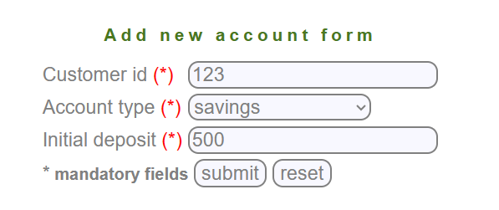 | Screen Shoot / video |  | Screen Shoot / video |  | Screen Shoot / video
Piriority | High | Piriority | High | Piriority | High | Piriority | High
Severity | High | Severity | High | Severity | High | Severity | High

Defect report for Edit Account
Defect Report |  | Defect Report
Version | V.1 | Version | V.1
Test Scenario | Manger (Edit Account) | Test Scenario | Manger (Edit Account)
ID | 1 | ID | 2
Test Case | the first chracter in the"Account No" Field can not be space | Test Case | when click on submit the system redirected to a form after submitting
Test Steps | 1- keep the first character in the "Account No" field be a space 2- Move to the next Field | Test Steps | 1-Enter Account No correctly 2-Click on submit
Expected Result | the system show an error that (the first character in "Account No" field can not be space) | Expected Result | the system redirected to a form after submitting invalid)
Actual Result | The system Don't show any error message | Actual Result | the system show an error message that (this account does not exist)
v
v
Screen Shoot / video |  | Screen Shoot / video | 
Piriority | Medium | Piriority | High
Severity | Medium | Severity | High

Defect report for Delete Acc
Defect Report |  | Defect Report
Version | V.1 | Version | V.1
Test Scenario | Manger (Delete Account) | Test Scenario | Manger (Delete Account)
ID | 1 | ID | 2
Test Case | the first chracter in the"Account No" Field can not be space | Test Case | when click on submit the system redirected to a form after submitting
Test Steps | 1- keep the first character in the "Account No" field be a space 2- Move to the next Field | Test Steps | 1-Enter Account No correctly 2-Click on submit
Expected Result | the system show an error that (the first character in "Account No" field can not be space) | Expected Result | the system show an error message that (the acount is deleted)
Actual Result | The system Don't show any error message | Actual Result | the system show an error message that (this account does not exist)
v
v
Screen Shoot / video |  | Screen Shoot / video
Piriority | Medium | Piriority | High
Severity | Medium | Severity | High

Defect report for Delete Custom
Defect Report |  | Defect Report
Version | V.1 | Version | V.1
Test Scenario | Manger (Delete Customer) | Test Scenario | Manger (Delete Customer)
ID | 2 | ID | 1
Test Case | when click on submit the system redirected to a form after submitting | Test Case | The Customer ID can not be invalid
Test Steps | 1-Enter Account No correctly 2-Click on submit | Test Steps | 1-Enter an invalid Customer ID 2-Click on submit
Expected Result | the system redirected to a form after submitting invalid) | Expected Result | the system show an error that (this Customer does not exist)
Actual Result | the system show an error that (you are not authorized to delete this customer) | Actual Result | the system show an error that (you are not authorized to delete this customer)
v
v
Screen Shoot / video |  | Screen Shoot / video
Piriority | High | Piriority | High
Severity | High | Severity | High

Defect report for Mini State
Defect Report |  | Defect Report
Version | V.1 | Version | V.1
Test Scenario | Manger (Mini Statement) | Test Scenario | Manger (Mini Statement)
ID | 1 | ID | 2
Test Case | the first chracter in the"Account No" Field can not be space | Test Case | when click on submit the system show aform of the mini statement
Test Steps | 1- keep the first character in the "Account No" field be a space 2- Move to the next Field | Test Steps | 1-Enter Account No correctly 2-Click on submit
Expected Result | the system show an error that (the first character in "Account No" field can not be space) | Expected Result | the system show aform of the mini statement
Actual Result | The system Don't show any error message | Actual Result | the system show an error that (This account does not exist)
Screen Shoot / video |  | Screen Shoot / video | 
Piriority | Medium | Piriority | High
Severity | Medium | Severity | High

Defect Report for Customized
Defect Report |  | Defect Report |  | Defect Report |  | Defect Report |  | Defect Report |  | Defect Report
Version | V.1 | Version | V.1 | Version | V.1 | Version | V.1 | Version | V.1 | Version | V.1
Test Scenario | Manger (Customized Statement) | Test Scenario | Manger (Customized Statement) | Test Scenario | Manger (Customized Statement) | Test Scenario | Manger (Customized Statement) | Test Scenario | Manger (Customized Statement) | Test Scenario | Manger (Customized Statement)
ID | 1 | ID | 2 | ID | 3 | ID | 3 | ID | 4 | ID | 4
Test Case | the first chracter in the"Account No" Field can not be space | Test Case | "From Date" Must Less than "To Date" | Test Case | the "Minimum Transaction Value" field can not be empty | Test Case | the first chracter in the"Minimum Transaction Value" Field can not be space | Test Case | the "Number of Transaction" field can not be empty | Test Case | the first chracter in the"Number of Transaction" Field can not be space
Test Steps | 1- keep the first character in the "Account No" field be a space 2- Move to the next Field | Test Steps | 1-Enter from date greater than to date 2- enter other fields corectly 3-Click on submit | Test Steps | 1-keep the "Minimum Transaction Value" field empty 2- Move to the next Field | Test Steps | 1- keep the first character in the "Minimum Transaction Value" field be a space 2- Move to the next Field | Test Steps | 1-keep the "Number of Transaction" field empty 2- Move to the next Field | Test Steps | 1- keep the first character in the "Number of Transaction" field be a space 2- Move to the next Field
Expected Result | the system show an error that (the first character in "Account No" field can not be space) | Expected Result | the system show an error that ("From Date" Must Less than "To Date") | Expected Result | the system show an error that ("Minimum Transaction Value" field can not be empty) | Expected Result | the system show an error that ("Minimum Transaction Value" field can not have special character) | Expected Result | the system show an error that ("Number of Transaction" field can not be empty) | Expected Result | the system show an error that ("Number of Transaction" field can not have special character)
Actual Result | The system Don't show any error message | Actual Result | The system Don't show any error message | Actual Result | The system Don't show any error message | Actual Result | The system Don't show any error message | Actual Result | The system Don't show any error message | Actual Result | The system Don't show any error message
v
vv
Screen Shoot / video | 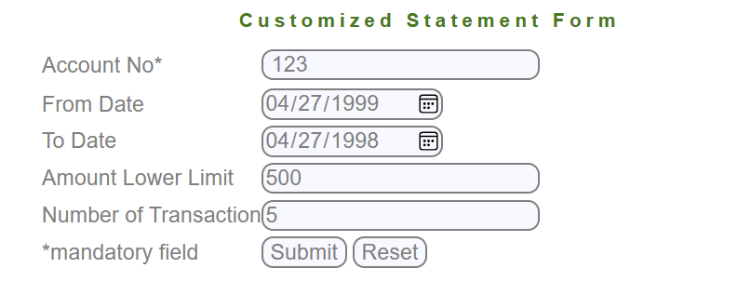 | Screen Shoot / video | 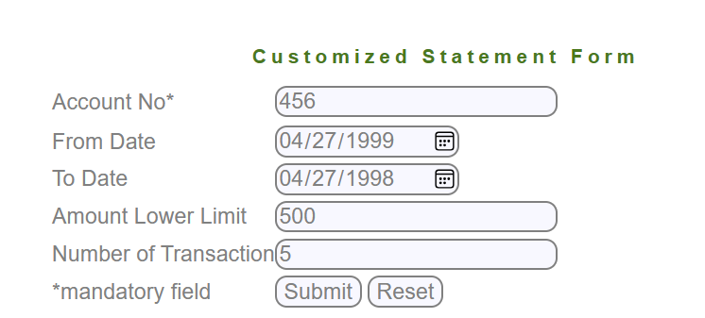 | Screen Shoot / video | 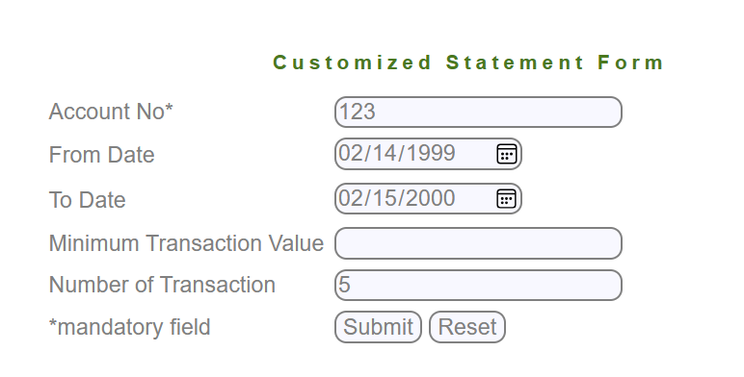 | Screen Shoot / video | 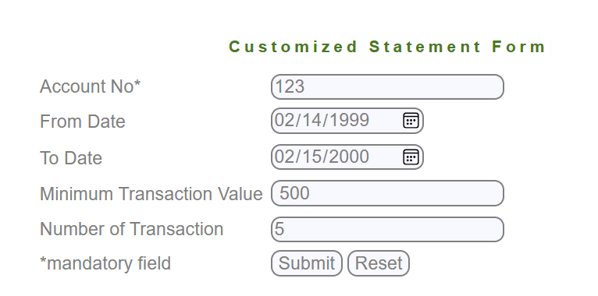 | Screen Shoot / video | 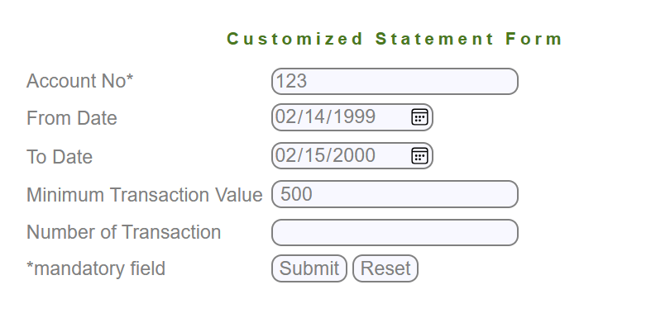 | Screen Shoot / video | 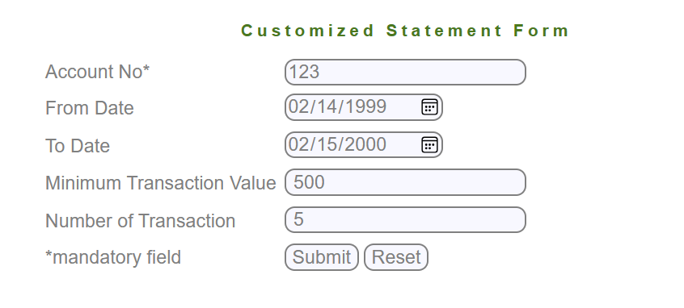
Piriority | Medium | Piriority | High | Piriority | Medium | Piriority | Medium | Piriority | Medium | Piriority | Medium
Severity | Medium | Severity | High | Severity | Medium | Severity | Medium | Severity | Medium | Severity | Medium

Defect report For Balnce Enq
Defect Report |  | Defect Report
Version | V.1 | Version | V.1
Test Scenario | Manger (Customized Statement) | Test Scenario | Manger (Customized Statement)
ID | 1 | ID | 5
Test Case | the first chracter in the"Account No" Field can not be space | Test Case | when click on submit the system show aform of the Balance
Test Steps | 1- keep the first character in the "Account No" field be a space 2- Move to the next Field | Test Steps | 1-Enter Account No correctly 2-Click on submit
Expected Result | the system show an error that (the first character in "Account No" field can not be space) | Expected Result | the system show aform of the Balance
Actual Result | The system Don't show any error message | Actual Result | Connection error
Screen Shoot / video |  | Screen Shoot / video |  v
Piriority | Medium | Piriority | High
 |  | Severity | High

