han-1
han_dicot_0002-0005 | x-axis | -121.48793293 | 7.1016121135 | 98.022822389 | 22.594458821 | 16.690222177 |  |  |  | CV.cellnum | y | x
102.3001013 |  | -120.79818757 | -23.777575883 | 107.97302423 | -35.766431193 | 16.507797338 | 16.599009757 | 0.16225799923 | han_dicot_0009-0022 | 22.11083194 | 0.765776375 | 0.649937605
 | y-axis | -121.48793293 | 7.1016121135 | 98.022822389 | 22.594458821 | 28.118316305 |  |  | han_dicot_0009-0024 | 19.50955759 | 0.278147491 | 0.24667554
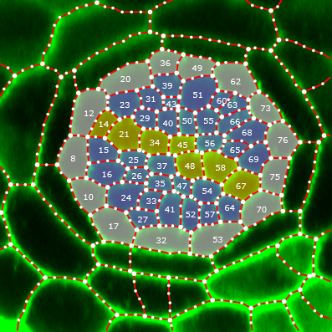
 |  | -120.79818757 | -23.777575883 | 107.97302423 | -35.766431193 | 17.556123323 | 22.837219814 | 0.22323750929 | han_dicot_0018-0045 | 25 | 0.203742802 | 0.13493716
han_dicot_0003-0008 | x-axis | -86.954002453 | 8.1554332478 | 90.671213456 | 19.872202139 | 36.762119217 |  |  | han_dicot_0002-0005 | 17.67766953 | 0.190100522 | 0.158018579
98.77681546 |  | -83.061410721 | -44.710886178 | 95.616918556 | -33.938019948 | 14.909970811 | 25.836045014 | 0.26155980929 | han_dicot_0016-0041 | 22.11083194 | 0.480562871 | 0.484403713
 | y-axis | -86.95400245 | 10.917496529 | 90.67121346 | 30.598370451 | 20.028840607 |  |  | han_dicot_0004-0010 | 14.28571429 | 0.168482214 | 0.091854336
 |  | -83.06141072 | -24.446131034 | 95.61691856 | -16.209060054 | 15.016328294 | 17.522584451 | 0.17739572155 | han_dicot_0017-0043 | 10.18853416 | 0.23724422 | 0.211765859
han_dicot_0004-0010 | x-axis | -120.16393858 | 42.712679986 | 109.89085386 | 28.577883303 | 12.465917932 |  |  | han_dicot_0019-0046 | 17.67766953 | 0.126218898 | 0.096009065
105.1142362 |  | -126.64930598 | -32.066595282 | 111.77164514 | -20.047857043 | 8.7349140709 | 10.600416002 | 0.10084662539 | han_dicot_0003-0008 | 25.51249839 | 0.177395722 | 0.148278896
 | y-axis | -120.16393858 | 42.712679986 | 109.89085386 | 28.577883303 | 17.473658657 |  |  | han_dicot_0010-0027 | 11.54700538 | 0.262684834 | 0.258580683
 |  | -126.64930598 | -32.066595282 | 111.77164514 | -20.047857043 | 19.125764327 | 18.299711492 | 0.1740935591
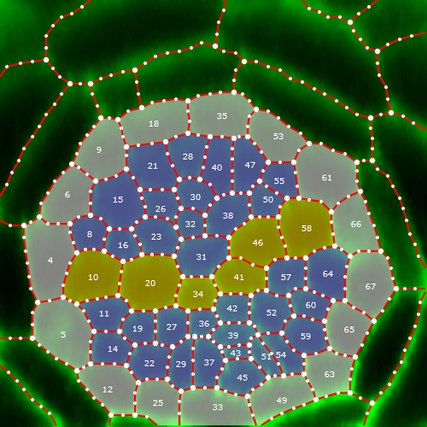
han_dicot_0009-0022 | x-axis | -75.396728223 | 43.726749549 | 114.4779191 | -11.431835498 | 54.938016068
84.47288653 |  | -80.290547971 | 10.992864281 | 109.86798835 | -43.240350278 | 54.866195047 | 54.902105557 | 0.64993760499
 | y-axis | -75.396728223 | 43.726749549 | 114.4779191 | -11.431835498 | 67.60036231
 |  | -80.290547971 | 10.992864281 | 109.86798835 | -43.240350278 | 61.77431943 | 64.68734087 | 0.76577637544
han_dicot_0009-0024 | x-axis | -151.31386829 | -21.117880547 | 118.83268065 | 9.5715654365 | 88.381919819
114.460456 |  | -131.83732553 | -65.09133029 | 111.11272481 | -44.469181059 | 35.741310753 | 62.061615286 | 0.54221009993
 | y-axis | -151.31386829 | -21.117880547 | 118.83268065 | 9.5715654365 | 44.686347412
 |  | -131.83732553 | -65.09133029 | 111.11272481 | -44.469181059 | 29.236657029 | 36.96150222 | 0.32291940389
han_dicot_0010-0027 | x-axis | -116.01080768 | 20.255976662 | 123.51079212 | -4.8319332825 | 11.675789818
120.7129935 |  | -111.2681345 | -30.925143402 | 118.55768354 | -51.323510104 | 56.373461013 | 34.024625416 | 0.28186381954
 | y-axis | -116.01080768 | 37.107617968 | 123.51079212 | 5.6823840734 | 32.307817814
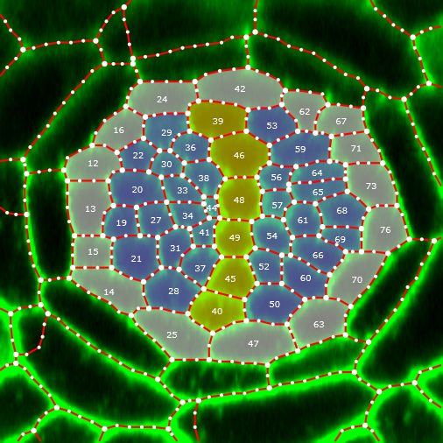
 |  | -111.2681345 | -6.3681135 | 118.55768354 | -36.613191154 | 31.11112739 | 31.709472602 | 0.26268483353
han_dicot_0016-0041 | x-axis | -118.58266237 | 1.9294711632 | 106.50945468 | 63.586091591 | 48.716670107
115.1556835 |  | -91.55025272 | -42.45801388 | 115.17932676 | 6.4386216725 | 70.559387395 | 59.638028751 | 0.51789045003
 | y-axis | -118.58266237 | 1.9294711632 | 106.50945468 | 63.586091591 | 62.827551174
 |  | -91.55025272 | -42.45801388 | 115.17932676 | 6.4386216725 | 54.306667255 | 58.567109215 | 0.50859069596
han_dicot_0017-0043 | x-axis | -101.49052117 | 13.231609023 | 110.39697199 | 38.022445723 | 15.389856877
113.0059672 |  | -102.66813509 | -28.576344933 | 118.9641619 | -6.7012372207 | 32.471754571 | 23.930805724 | 0.21176585907
 | y-axis | -101.49052117 | 13.231609023 | 110.39697199 | 38.022445723 | 26.342180065
 |  | -102.66813509 | -28.576344933 | 118.9641619 | -6.7012372207 | 27.277844988 | 26.810012527 | 0.23724421985
han_dicot_0018-0045 | x-axis | -118.71089082 | -39.756405901 | 91.545953724 | -44.861238992 | 33.711493422
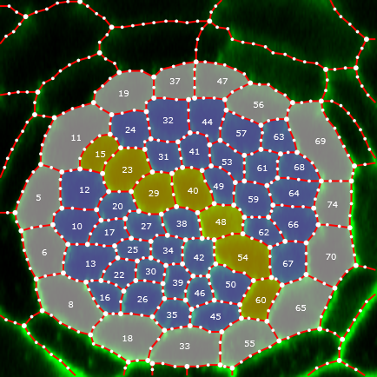
105.5198329 |  | -126.01199652 | 6.845030295 | 111.18299465 | 5.2524978822 | 44.209340063 | 38.960416743 | 0.3692236395
 | y-axis | -126.01199652 | 23.152370351 | 111.18299465 | 19.784201476 | 15.206704378
 |  | -118.71089082 | -20.691966146 | 91.545953724 | -26.558132109 | 27.791108484 | 21.498906431 | 0.20374280209
han_dicot_0019-0046 | x-axis | -122.75967355 | 36.460235756 | 106.87116767 | 33.349486867 | 18.367429433
127.4628935 |  | -117.83781899 | -18.764535386 | 111.03262364 | -10.498914292 | 23.226415626 | 20.796922529 | 0.16316060273
 | y-axis | -122.75967355 | 37.338583466 | 106.87116767 | 22.894803553 | 21.472479998
 |  | -117.83781899 | -22.913945265 | 111.03262364 | -14.651722287 | 10.703971797 | 16.088225898 | 0.12621889756

