1.基本信息_moto填写
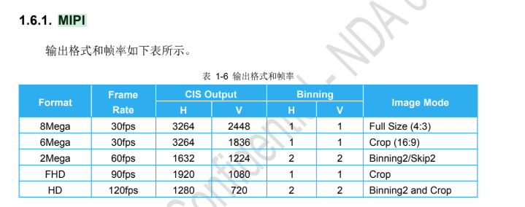
Platform | MTK 24E
Index | Mode | Mirror/Flip | Res Info | Priority | Bit width | MCLK | MIPI | PHY, lane | RMSC | PDAF | PDAF Type | Brust Mode Support | H or Vblank time | BPC/DPC | Others | Channel |  | Max Again | Min Again | Long exposure capability range
 |  |  |  |  |  |  |  |  |  |  |  |  |  |  |  | vc0 | vc1
0 | Full | On/On | 3264x2448@30fps | 0 | 10bit | 24MHz | min, 5.2Gbps/lane | Dphy, 4lane | N | N | None | Yes | Max vblank, fps <= 30 VB > 1ms 30 < fps < 120 VB > 650us fps >= 120 VB > 350us Max hblank, hblank > 2us | enbale | fast standby enable | Image | - | 32x | 1x | 420ms
1 | Full Crop | On/On | 3264x1836@30fps | 1 | 10bit | 24MHz | min, 5.2Gbps/lane | Dphy, 4lane | N | N | None | Yes |  | enbale | fast standby enable | Image | - | 32x | 1x | 420ms

3.功耗_fae填写
