1.基本信息_moto填写
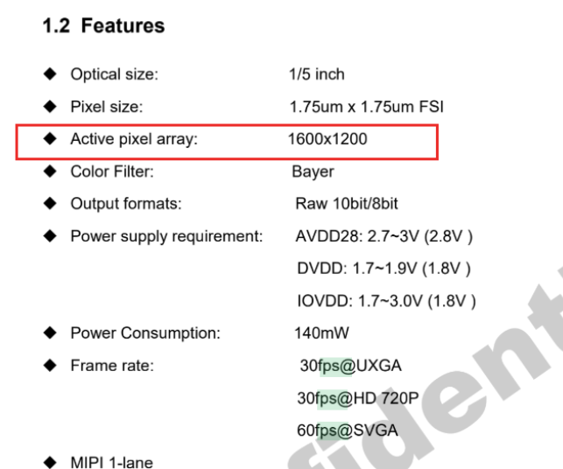
Platform | MTK 24E
Index | Mode | FCM | Mirror/Flip | Priority | Res Info | MCLK | MIPI | PHY, lane | RMSC | PDAF | PDAF Type | H or Vblank time | Bit width | BPC/DPC | Others | Channel |  |  |  | Max Again | Min Again | Brust Mode Support | Long exposure capability range
 |  |  |  |  |  |  |  |  |  |  |  |  |  |  |  | vc0 | dt | vc0 | dt
0 | Full | No | On/On | 0 | 1600x1200@30fps | 24MHz | min, <5.2Gbps/lane | Dphy, 1lane | N | N | - | Max vblank, fps <= 30 VB > 1ms 30 < fps < 120 VB > 650us fps >= 120 VB > 350us Max hblank, hblank > 2us | 10 | enbale | fast standby enable | Image | 0x2B | - | - | 12x | 1x | 不支持 | 不支持
1 | Full Crop | No | On/On | 1 | 1600x900@30fps | 24MHz | min, <5.2Gbps/lane | Dphy, 1lane | N | N | - |  | 10 | enbale | fast standby enable | Image | 0x2B | - | - | 12x | 1x | 不支持 | 不支持

