Sequence
* Initial Sequence for FCM booting
 | Description | Command | Data
0 |  | FCFC | 4000
 | version | 0000 | 000E
 | Model ID | 0000 | 38E5
1 | Reset | 6018 | 0001
 |  | 7002 | 0408
 |  | 6014 | 0001
 |  | FCFC | 2002
 |  | 1E92 | 8000
 |  | 1E84 | 282B
 |  | 1E86 | 0320
 |  | FCFC | 4000
 |  | 7002 | 0008
2 | Delay | p5 |  | //delay 5ms
 |  | FCFC | 2000
 |  | DCF0 | 0000
 |  | FCFC | 2001
 |  | 3C60 | 0000
3 | Open Clk | FCFC | 4000
 |  | 6170 | FFFF
 |  | 6180 | 0000
 |  | 6190 | 0000
 |  | 6200 | FFFF
 |  | 6202 | FFFF
 |  | 6204 | 0000
 |  | 6206 | 0000
 |  | 6208 | 0000
 |  | A100 | FFFF
 |  | A102 | 0000
 |  | A104 | 0000
 |  | FCFC | 4001
 |  | 0100 | FFFF
 |  | 0102 | FFFF
 |  | 0104 | 0000
 |  | 0106 | 0000
 |  | 0108 | 0000
 |  | FCFC | 4000
 |  | 8100 | FFFF
 |  | 8104 | 0000
 |  | 8108 | 0000
4 | PLL | FCFC | 4000
 | api_rw_op_cond_extclk_frequency_mhz | 0136 | 1800
 | api_rw_op_cond_extclk_frequency_additional_fraction_khz | 013E | 0000
 | api_rw_clocks_vt_pre_pll_clk_div | 0304 | 0003
 | api_rw_clocks_vt_pll_multiplier | 0306 | 00E6
 | api_rw_clocks_vt_pll_post_scaler | 030C | 0000
 | api_rw_clocks_op_pre_pll_clk_div | 030E | 0003
 | api_rw_clocks_op_pll_multiplier | 0310 | 00BF
 | api_rw_clocks_op_pll_post_scaler | 0312 | 0000
 | api_rw_clocks_dbr_pre_pll_clk_div | 031A | 0003
 | api_rw_clocks_dbr_pll_multiplier | 031C | 0028
 | api_rw_clocks_dbr_pll_post_scaler | 031E | 0002
 | api_rw_output_emb_in_bytes // api_rw_output_phy_type | 011C | 0100
5 | TnP | // TnP setting
6 | Global | // Global setting
9 | FCM | // FCM
10 | Select FCM idx or mode setting | //short mode
 |  | // FLL, VC&DT, AE |  | //进入FCM mode, 可以使用short mode
 |  | // or long mode |  | //进入non-FCM mode，需要使用long mode
11 | Streaming On | 0100 | 0100

 | For PLL part, please refer to each mode tab.

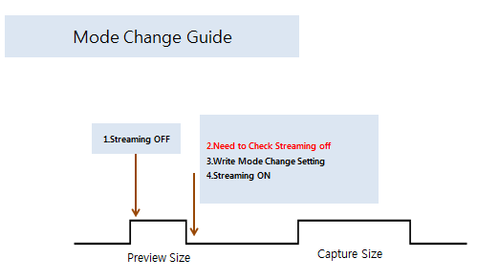

 |  |  |  |  | [How to Check Streaming off] Please check 0x0005. if this value is 0xFF, it means streaming off

 |  |  |  |  |  | seamless等于fmc

 |  |  |  |  |  | 注意事项： 1. 第一次进去seamless mode时，请使用short mode setting，第一次进入non seamless mode时，使用long mode setting 2. seamless 内部切换可以使用short mode setting， 3. fmc内部加streamoff on切换时可以使用short mode setitng 4. 跳出seamless mode，切换non seamless需要stream off /on后加完整 long mode setting

