Dashboard
Bar chart(Marital status vs bike buyers)
Bike Buyers Dashboard
COUNT of Purchased Bike vs. Gender
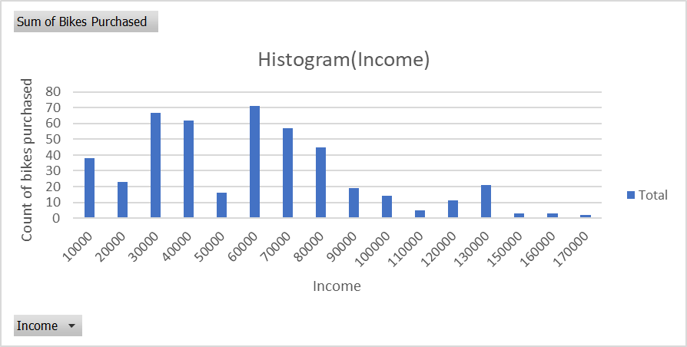

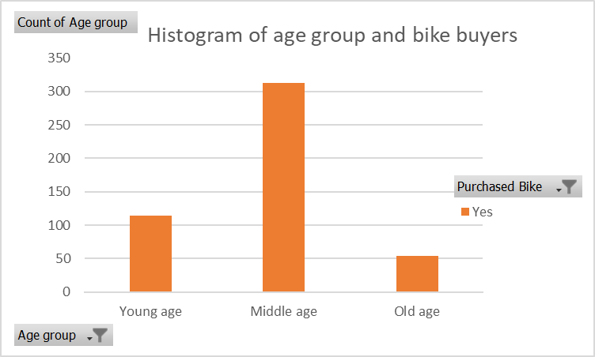
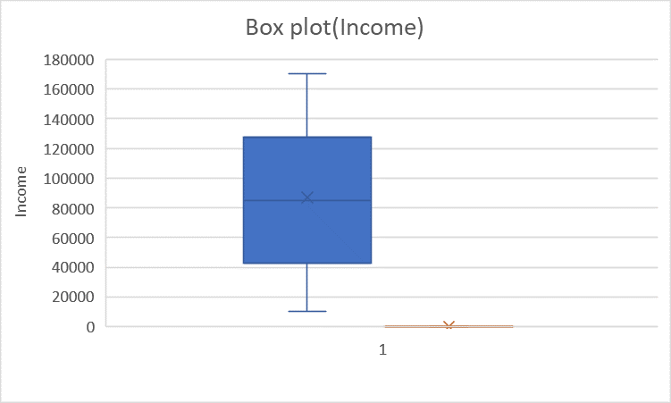
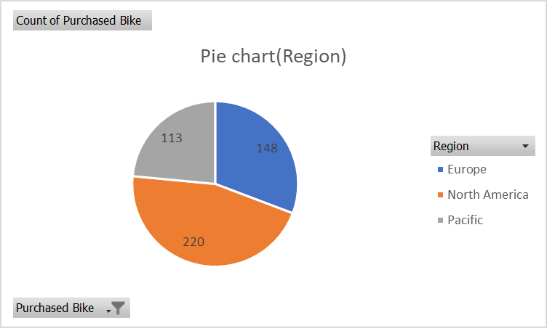

MAX of Income vs. Age
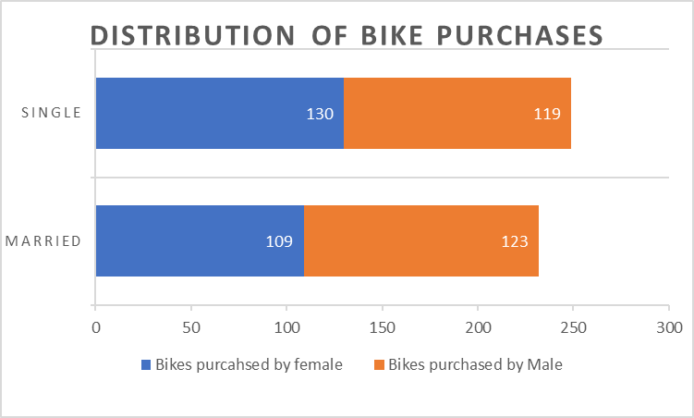
 | Correlation Heatmap

