Dashboard
Count of Purchased bikes and Marital status
 | Purchased Bikes- Yes | Purchased bikes- No
Count of Purchased Bikes by Gender
 | Purchased bikes - yes | Purchased Bikes - No
 | Bike Buyers Dashboard
Purchased vs. Income

Age Distribution of Bike buyers
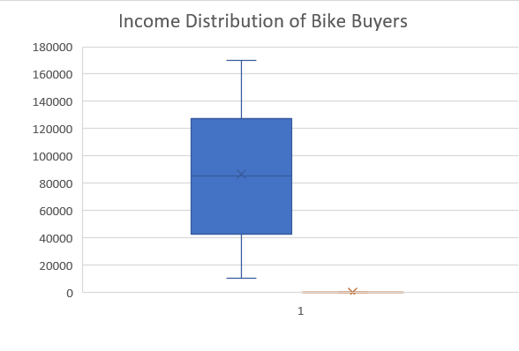
Region- Wise Buyers

Age - wise Income
Gender Vs Marital Status
 | Female | Male

Correlation Heatmap

