YearlyRevenue
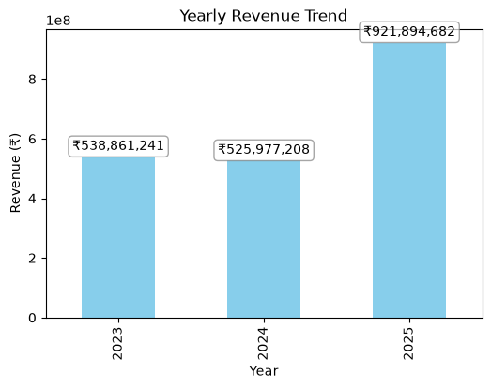
Year | amount_paid
2023 | 538861241.37
2024 | 525977207.57
2025 | 921894682.43

Monthly2023
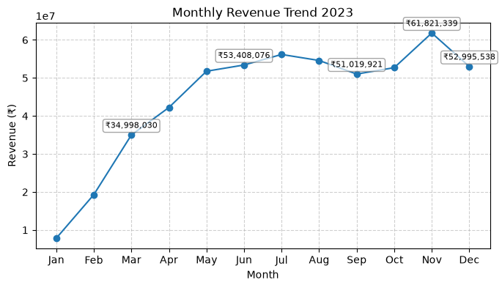
Month | amount_paid
1 | 7834161.8
2 | 19306859.79
3 | 34998029.91
4 | 42230287.08
5 | 51766734.49
6 | 53408075.93
7 | 56179083.91
8 | 54594315.62
9 | 51019920.59
10 | 52706895.72
11 | 61821338.54
12 | 52995537.99

Monthly2024
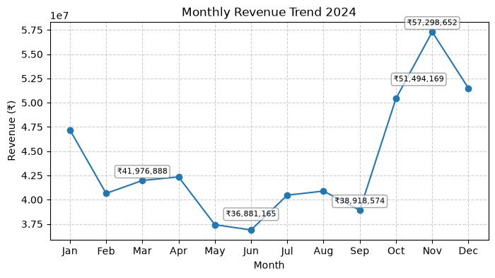
Month | amount_paid
1 | 47201496.19
2 | 40647158.82
3 | 41976888.24
4 | 42350444
5 | 37425823.05
6 | 36881165.43
7 | 40465825.6
8 | 40885547.59
9 | 38918574.22
10 | 50431463.17
11 | 57298651.8
12 | 51494169.46

Monthly2025
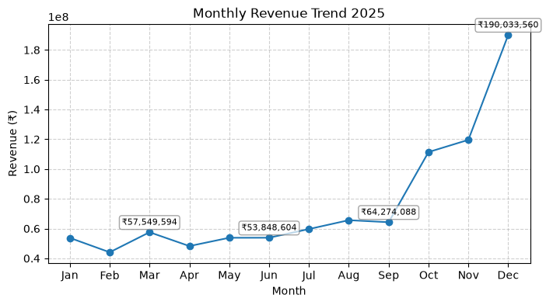
Month | amount_paid
1 | 53748404.47
2 | 44086244.56
3 | 57549594.32
4 | 48242728.29
5 | 53828933.36
6 | 53848604.19
7 | 59679812.65
8 | 65633092.96
9 | 64274087.76
10 | 111393787.04
11 | 119575832.96
12 | 190033559.87

PaymentMethods
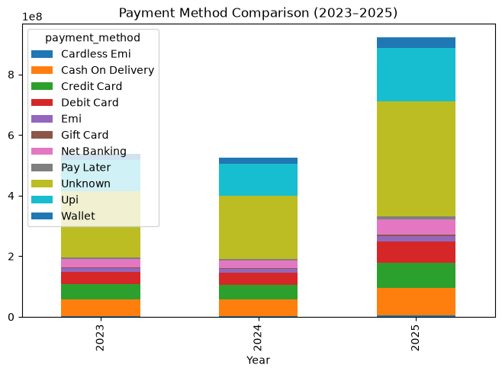
Year | Cardless Emi | Cash On Delivery | Credit Card | Debit Card | Emi | Gift Card | Net Banking | Pay Later | Unknown | Upi | Wallet
2023 | 2522978.42 | 54929995.59 | 50335048.02 | 40731952.64 | 11513368.46 | 3612117.84 | 26614500.39 | 5912283.89 | 217746876.79 | 102754230.75 | 22187888.58
2024 | 3213311.15 | 53546521.91 | 47726451.23 | 40726948.43 | 12751432.56 | 2839557.48 | 25872014.72 | 4814392.64 | 209095733.76 | 105469803.14 | 19921040.55
2025 | 5478047.63 | 90434880.81 | 82040128.15 | 69332806.03 | 18384469.86 | 5446830.21 | 50218254.61 | 8880884.08 | 381150906.3 | 175216957.79 | 35310516.96

Funnel2023
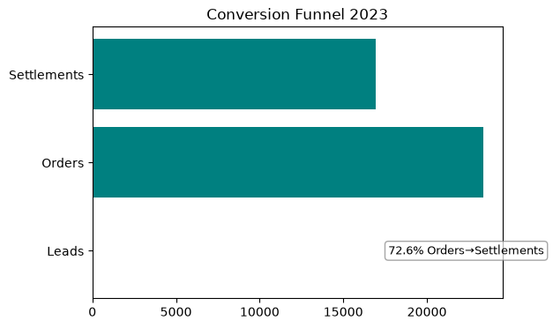
Conversion Funnel 2023
Stage | Count
Leads | 0
Orders | 23349
Settlements | 16957

Funnel2024

Stage | Count
Leads | 0
Orders | 23534
Settlements | 17029

Conversion Funnel 2024

Funnel2025

Stage | Count
Leads | 0
Orders | 41307
Settlements | 29787

Conversion Funnel 2025

Risk
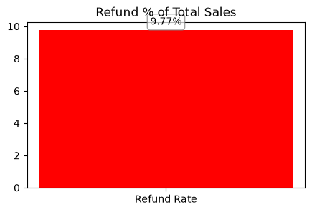
Metric | Value
Refund Rate % | 9.7697037103

