Midjourney
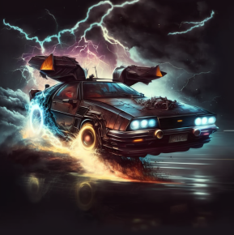
Prompt(명령어)
back to the future car, flying, Lightening, cybercity, dark tema

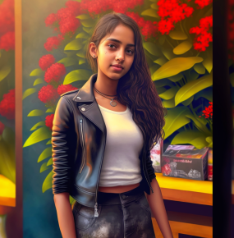
wearin a black leather jacket and a red short skirt, fullbody girl, hyper photo realistic face, 8K, in the yard with flowers, wide view

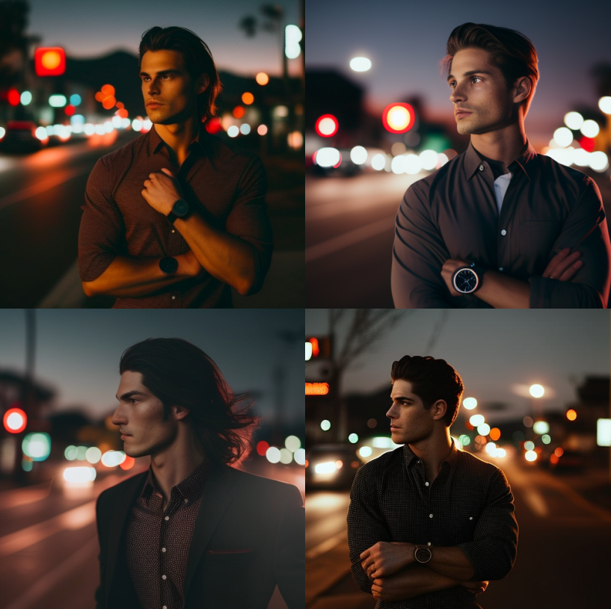
A 25 year old man wearing black pant with brown shirt with folded sleeves and two buttons open, has nicely done hair, wearing a decent dress watch standing on the road with red lights in the background. Imagine in analogue photography taken with the #35mm lens and cinema mode

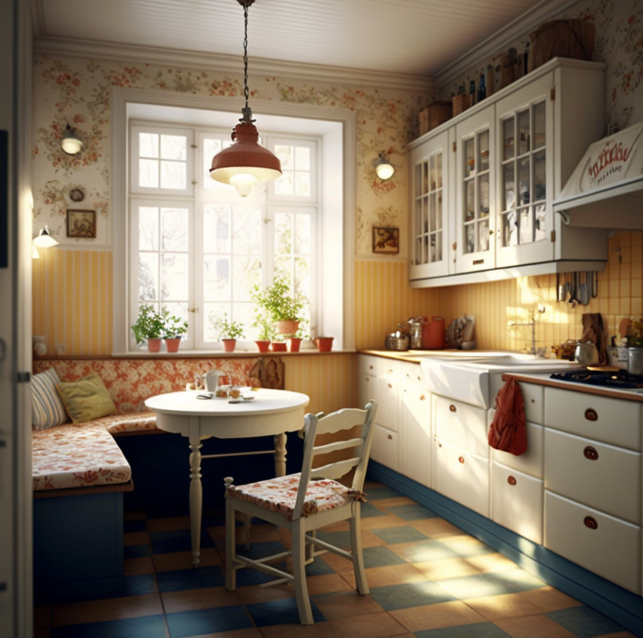
swedish kitchen, bright and warm colors, modern designe, vintage


company logo, company name "innovation hack", art, Marketing agency, creativity, finance, colours, white background

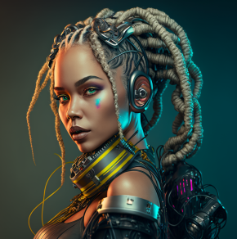
Beautiful Cyborg Woman DJ with braids, JOOLIA DJ, 8k realistic, high dynamic range + analog colors

