class Digram
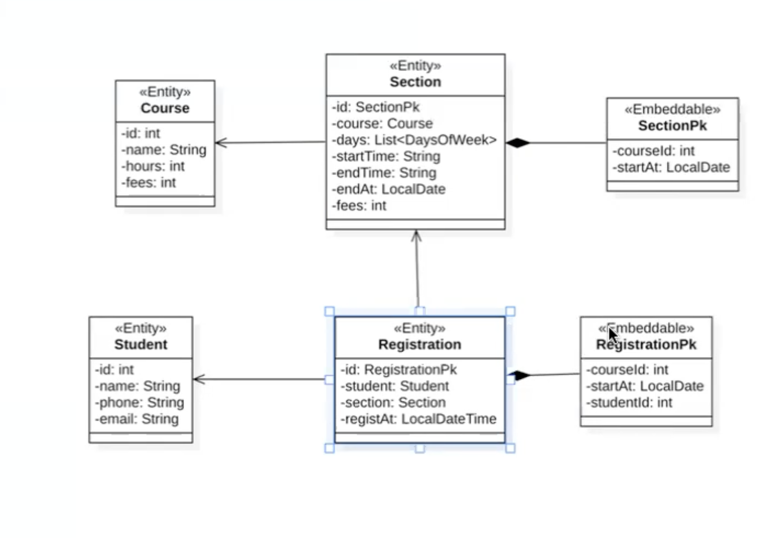

Course Entity
@Entity ,@Id annotation があれば Entityとして作成されくれます。（テーブル名は Course)
＠GeneratedValue is for auto increment
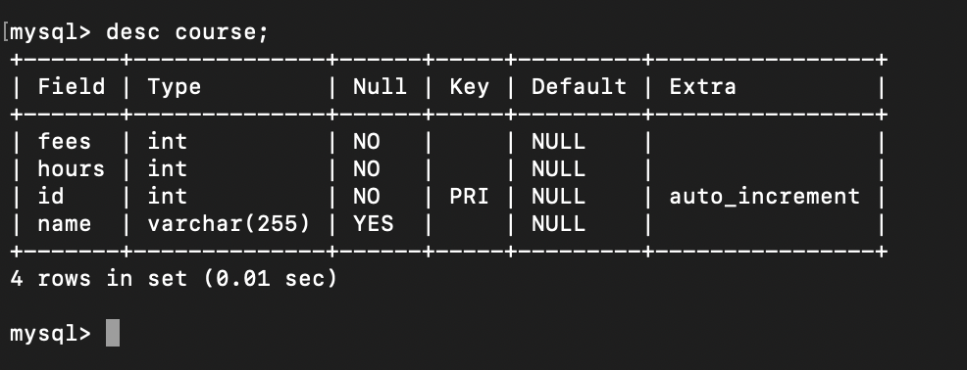
package com.query.entity;
 |  |  | Course Table
import jakarta.persistence.Entity;
import jakarta.persistence.GeneratedValue;
import jakarta.persistence.GenerationType;
import jakarta.persistence.Id;

@Entity
public class Course {

 | @Id
 | @GeneratedValue(strategy = GenerationType.IDENTITY)
 | private int id;
 | private String name;
 | private int hours;
 | private int fees;

 | public Course(int id, String name, int hours, int fees) {
 |  | super();
 |  | this.id = id;
 |  | this.name = name;
 |  | this.hours = hours;
 |  | this.fees = fees;
 | }

 | public int getId() {
 |  | return id;
 | }

 | public void setId(int id) {
 |  | this.id = id;
 | }

 | public String getName() {
 |  | return name;
 | }

 | public void setName(String name) {
 |  | this.name = name;
 | }

 | public int getHours() {
 |  | return hours;
 | }

 | public void setHours(int hours) {
 |  | this.hours = hours;
 | }

 | public int getFees() {
 |  | return fees;
 | }

 | public void setFees(int fees) {
 |  | this.fees = fees;
 | }

 | @Override
 | public String toString() {
 |  | return "Course [id=" + id + ", name=" + name + ", hours=" + hours + ", fees=" + fees + "]";
 | }

}

Section Entity
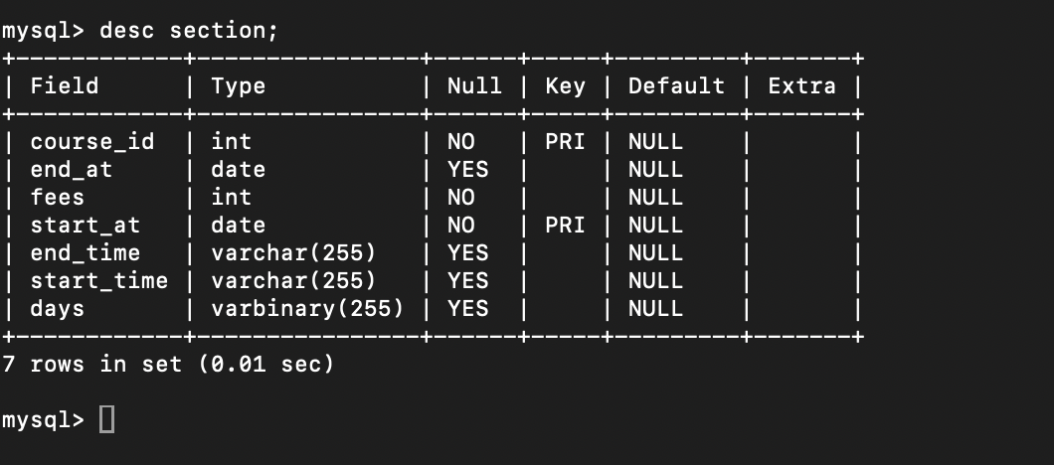
package com.query.entity;

import java.time.DayOfWeek;
import java.time.LocalDate;
import java.util.List;

import jakarta.persistence.EmbeddedId;
import jakarta.persistence.Entity;
import jakarta.persistence.JoinColumn;
import jakarta.persistence.ManyToOne;
SectionPK is @EmbeddedId
courseId,startAt is crate filed in the section table
import lombok.Data;

@Data
@Entity
public class Section {
private Course course is not list so that @ManyTo one Relationship
@JoinColumn(name="courseId",insertable=false,updatable=false)
@CourseId is SectionPK class of filed ,this field is not insert and update
we insert and update on the course Entiy table
@EmbeddedId
private SectionPK id;
@ManyToOne
@JoinColumn(name="courseId",insertable=false,updatable=false)
private Course course;

If List ならyou shoulud use @ElementCollection or convector
if ElementCollection create one table
if @Convector not create another table
//@ElementCollection
@Convert(converter=DaysConvector.class)
private List<DayOfWeek> days;
private String startTime;
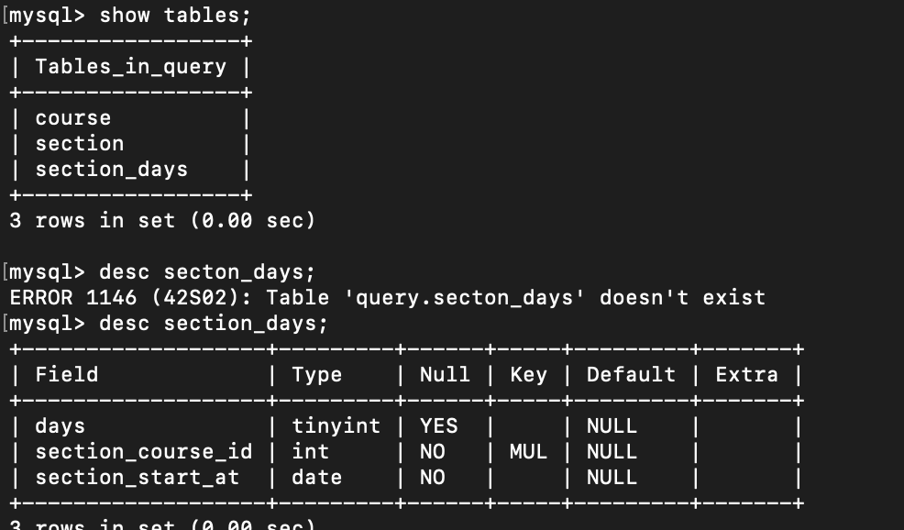
private String endTime;
private LocalDate endAt;
private int fees;

public Section(SectionPK id, Course course, List<DayOfWeek> days, String startTime, String endTime, LocalDate endAt,
int fees) {
super();
this.id = id;
this.course = course;
this.days = days;
this.startTime = startTime;
this.endTime = endTime;
this.endAt = endAt;
this.fees = fees;
}

public SectionPK getId() {
return id;
}

public void setId(SectionPK id) {
this.id = id;
}

public Course getCourse() {
return course;
}

public void setCourse(Course course) {
this.course = course;
}

public List<DayOfWeek> getDays() {
return days;
}

public void setDays(List<DayOfWeek> days) {
this.days = days;
}

public String getStartTime() {
return startTime;
}

public void setStartTime(String startTime) {
this.startTime = startTime;
}

public String getEndTime() {
return endTime;
}

public void setEndTime(String endTime) {
this.endTime = endTime;
}

public LocalDate getEndAt() {
return endAt;
}

public void setEndAt(LocalDate endAt) {
this.endAt = endAt;
}

public int getFees() {
return fees;
}

public void setFees(int fees) {
this.fees = fees;
}

}

SectionPK
package com.query.entity;
＠Embeddable is used for compoiste primary key
courseId, StartAt is composite primary key
import java.time.LocalDate;

import jakarta.persistence.Embeddable;

@Embeddable
public class SectionPK {

 | private int courseId;
 | private LocalDate startAt;

 | public int getCourseId() {
 |  | return courseId;
 | }

 | public void setCourseId(int courseId) {
 |  | this.courseId = courseId;
 | }

 | public LocalDate getStartAt() {
 |  | return startAt;
 | }

 | public void setStartAt(LocalDate startAt) {
 |  | this.startAt = startAt;
 | }

 | public SectionPK(int courseId, LocalDate startAt) {
 |  | super();
 |  | this.courseId = courseId;
 |  | this.startAt = startAt;
 | }

}

