Sheet1
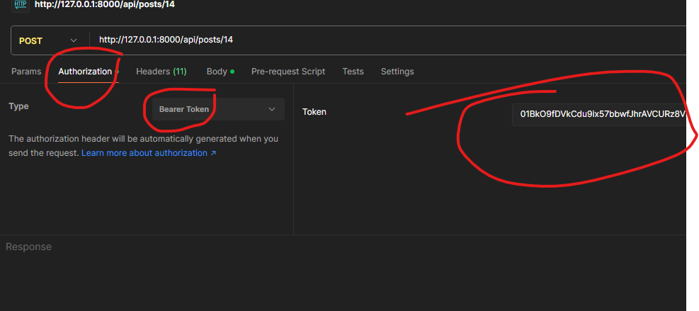
Social Media Api |  |  | Information
Methods | Route | Parameters
post | /api/register | name,email,password,password_confirmation
post | /api/login | email,password | ⚠️ login return a token so use it in authenticated routes

Authenticated routes
Methods | Route | Parameters
post | /api/logout
get | /api/profiles |  | ⚠️ Rplace {id} with the id of required table
get | /api/profiles/{id}
put | /api/profiles/{id}/update |  | ⚠️if PUT method not work then use POST mathod and pass one more parameter :{ "_method":"put"}
delete | /api/profiles/{id}/delete
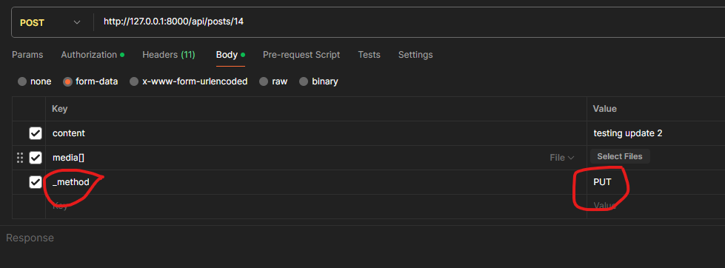
put | /api/profiles/{id}/privacy | privacy | ⚠️ Privacy can be only public or private

post | /api/user/{id}/follow
post | /api/user/{id}/unfollow
get | /api/user/{id}/followers
get | /api/user/following
get | /accept-request/{id}

get | /api/posts
get | /api/posts/user/{id}
post | /api/posts | content,media[]
put | /api/posts/{id}/update | content,media[]
delete | /api/posts/{id}/delete

post | /api/likes | post_id
delete | /api/likes/{id}

post | /api/comments | post_id,parent_id,content
post | /api/comments/{id}/reply | content
delete | /api/comments/{id}/reply

