Blad1
Base test according to first version: batch size 4 and epochs 2
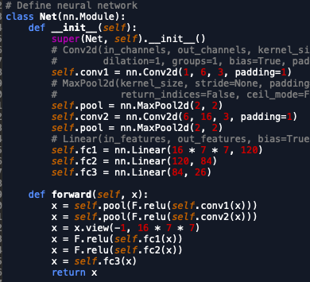
 | Batch size | Epochs | Shuffle Test | Accuracy | lowest letter acc
 | 4 | 2 | false | 76
 | 4 | 2 | false | 80
 | 4 | 2 | false | 79
 | 4 | 3 | false | 86
 | 4 | 3 | false | 82
 | 4 | 3 | true | 83
 | 2 | 2 | true | 78
 | 2 | 2 | true | 81
 | 2 | 2 | true | 81
 | 8 | 2 | true | 61
 | 8 | 2 | true | 65 | 8
 | 8 | 6 | true | 86 | 61
 | 8 | 8 | true | 87 | 66
 | 8 | 8 | true | 86 | 42
 | 4 | 8 | true | 88 | 64
 | in other words, architecture needs to change

Test second version: 2 conv layers per pool layer | final layer 48 filters
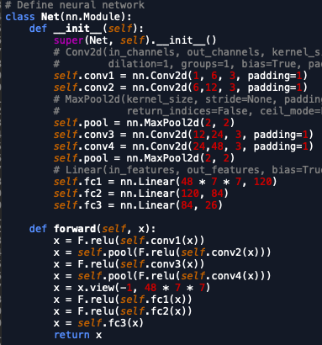
 | Batch size | Epochs | Shuffle Test | Accuracy | lowest letter acc
 | 4 | 2 | true | 83 | 43
 | 4 | 8 | true | 91 | 78
 | 8 | 10 | true | 88 | 72

Test third version: 2 conv layers per pool layer, different settings | final layer 96 filters
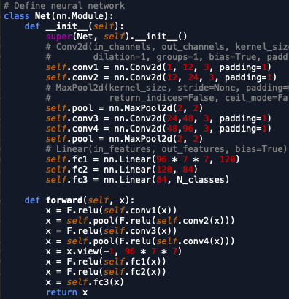
 | Batch size | Epochs | Shuffle Test | Accuracy | lowest letter acc
 | 4 | 2 | true | 79 | 13
 | 4 | 8 | true | 90 | 64
 | 8 | 10 | true | 90 | 70

