Instructions
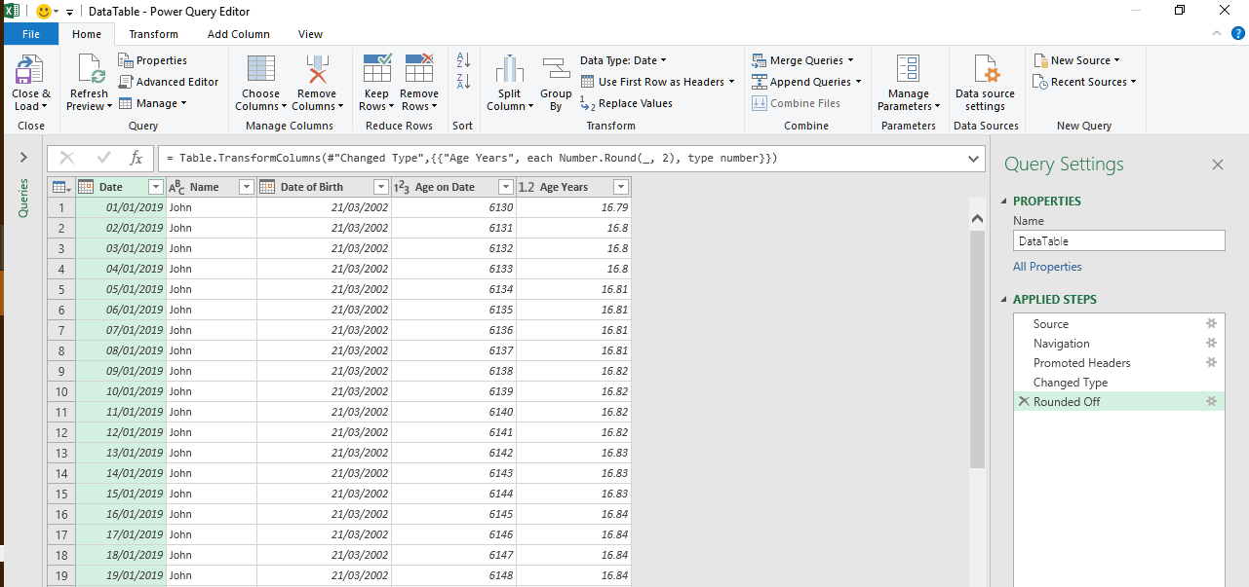
Instructions
Select the blue cells in the TimeLine Filter control to dynamically update the chart. The Chart shows the progression of ages of the four students over the period selected in the TimeLine filter control. The table of data shows the, age in days, of four students during the year 2019.
The source data is in the DataTable sheet.
The table has been added to the Data Model for the workbook.
To add tables to workbook models you need to go to Data menu and then Get Data then Launch Power Quey. there you can "Close and Load". See picture to the right of this text box.

Dashboard
Sum of Age on Date | Column Labels
Row Labels | George | Helen | Jill | John
01-Mar | 6128 | 6224 | 6237 | 6189
02-Mar | 6129 | 6225 | 6238 | 6190
03-Mar | 6130 | 6226 | 6239 | 6191
04-Mar | 6131 | 6227 | 6240 | 6192
05-Mar | 6132 | 6228 | 6241 | 6193
06-Mar | 6133 | 6229 | 6242 | 6194
07-Mar | 6134 | 6230 | 6243 | 6195
08-Mar | 6135 | 6231 | 6244 | 6196
09-Mar | 6136 | 6232 | 6245 | 6197
10-Mar | 6137 | 6233 | 6246 | 6198
11-Mar | 6138 | 6234 | 6247 | 6199
12-Mar | 6139 | 6235 | 6248 | 6200
13-Mar | 6140 | 6236 | 6249 | 6201
14-Mar | 6141 | 6237 | 6250 | 6202
15-Mar | 6142 | 6238 | 6251 | 6203
16-Mar | 6143 | 6239 | 6252 | 6204
17-Mar | 6144 | 6240 | 6253 | 6205
18-Mar | 6145 | 6241 | 6254 | 6206
19-Mar | 6146 | 6242 | 6255 | 6207
20-Mar | 6147 | 6243 | 6256 | 6208
21-Mar | 6148 | 6244 | 6257 | 6209
22-Mar | 6149 | 6245 | 6258 | 6210
23-Mar | 6150 | 6246 | 6259 | 6211
24-Mar | 6151 | 6247 | 6260 | 6212
25-Mar | 6152 | 6248 | 6261 | 6213
26-Mar | 6153 | 6249 | 6262 | 6214
27-Mar | 6154 | 6250 | 6263 | 6215
28-Mar | 6155 | 6251 | 6264 | 6216
29-Mar | 6156 | 6252 | 6265 | 6217
30-Mar | 6157 | 6253 | 6266 | 6218
31-Mar | 6158 | 6254 | 6267 | 6219
01-Apr | 6159 | 6255 | 6268 | 6220
02-Apr | 6160 | 6256 | 6269 | 6221
03-Apr | 6161 | 6257 | 6270 | 6222
04-Apr | 6162 | 6258 | 6271 | 6223
05-Apr | 6163 | 6259 | 6272 | 6224
06-Apr | 6164 | 6260 | 6273 | 6225
07-Apr | 6165 | 6261 | 6274 | 6226
08-Apr | 6166 | 6262 | 6275 | 6227
09-Apr | 6167 | 6263 | 6276 | 6228
10-Apr | 6168 | 6264 | 6277 | 6229
11-Apr | 6169 | 6265 | 6278 | 6230
12-Apr | 6170 | 6266 | 6279 | 6231
13-Apr | 6171 | 6267 | 6280 | 6232
14-Apr | 6172 | 6268 | 6281 | 6233
15-Apr | 6173 | 6269 | 6282 | 6234
16-Apr | 6174 | 6270 | 6283 | 6235
17-Apr | 6175 | 6271 | 6284 | 6236
18-Apr | 6176 | 6272 | 6285 | 6237
19-Apr | 6177 | 6273 | 6286 | 6238
20-Apr | 6178 | 6274 | 6287 | 6239
21-Apr | 6179 | 6275 | 6288 | 6240
22-Apr | 6180 | 6276 | 6289 | 6241
23-Apr | 6181 | 6277 | 6290 | 6242
24-Apr | 6182 | 6278 | 6291 | 6243
25-Apr | 6183 | 6279 | 6292 | 6244
26-Apr | 6184 | 6280 | 6293 | 6245
27-Apr | 6185 | 6281 | 6294 | 6246
28-Apr | 6186 | 6282 | 6295 | 6247
29-Apr | 6187 | 6283 | 6296 | 6248
30-Apr | 6188 | 6284 | 6297 | 6249
01-May | 6189 | 6285 | 6298 | 6250
02-May | 6190 | 6286 | 6299 | 6251
03-May | 6191 | 6287 | 6300 | 6252
04-May | 6192 | 6288 | 6301 | 6253
05-May | 6193 | 6289 | 6302 | 6254
06-May | 6194 | 6290 | 6303 | 6255
07-May | 6195 | 6291 | 6304 | 6256
08-May | 6196 | 6292 | 6305 | 6257
09-May | 6197 | 6293 | 6306 | 6258
10-May | 6198 | 6294 | 6307 | 6259
11-May | 6199 | 6295 | 6308 | 6260
12-May | 6200 | 6296 | 6309 | 6261
13-May | 6201 | 6297 | 6310 | 6262
14-May | 6202 | 6298 | 6311 | 6263
15-May | 6203 | 6299 | 6312 | 6264
16-May | 6204 | 6300 | 6313 | 6265
17-May | 6205 | 6301 | 6314 | 6266
18-May | 6206 | 6302 | 6315 | 6267
19-May | 6207 | 6303 | 6316 | 6268
20-May | 6208 | 6304 | 6317 | 6269
21-May | 6209 | 6305 | 6318 | 6270
22-May | 6210 | 6306 | 6319 | 6271
23-May | 6211 | 6307 | 6320 | 6272
24-May | 6212 | 6308 | 6321 | 6273
25-May | 6213 | 6309 | 6322 | 6274
26-May | 6214 | 6310 | 6323 | 6275
27-May | 6215 | 6311 | 6324 | 6276
28-May | 6216 | 6312 | 6325 | 6277
29-May | 6217 | 6313 | 6326 | 6278
30-May | 6218 | 6314 | 6327 | 6279
31-May | 6219 | 6315 | 6328 | 6280
01-Jun | 6220 | 6316 | 6329 | 6281
02-Jun | 6221 | 6317 | 6330 | 6282
03-Jun | 6222 | 6318 | 6331 | 6283
04-Jun | 6223 | 6319 | 6332 | 6284
05-Jun | 6224 | 6320 | 6333 | 6285
06-Jun | 6225 | 6321 | 6334 | 6286
07-Jun | 6226 | 6322 | 6335 | 6287
08-Jun | 6227 | 6323 | 6336 | 6288
09-Jun | 6228 | 6324 | 6337 | 6289
10-Jun | 6229 | 6325 | 6338 | 6290
11-Jun | 6230 | 6326 | 6339 | 6291
12-Jun | 6231 | 6327 | 6340 | 6292
13-Jun | 6232 | 6328 | 6341 | 6293
14-Jun | 6233 | 6329 | 6342 | 6294
15-Jun | 6234 | 6330 | 6343 | 6295
16-Jun | 6235 | 6331 | 6344 | 6296
17-Jun | 6236 | 6332 | 6345 | 6297
18-Jun | 6237 | 6333 | 6346 | 6298
19-Jun | 6238 | 6334 | 6347 | 6299
20-Jun | 6239 | 6335 | 6348 | 6300
21-Jun | 6240 | 6336 | 6349 | 6301
22-Jun | 6241 | 6337 | 6350 | 6302
23-Jun | 6242 | 6338 | 6351 | 6303
24-Jun | 6243 | 6339 | 6352 | 6304
25-Jun | 6244 | 6340 | 6353 | 6305
26-Jun | 6245 | 6341 | 6354 | 6306
27-Jun | 6246 | 6342 | 6355 | 6307
28-Jun | 6247 | 6343 | 6356 | 6308
29-Jun | 6248 | 6344 | 6357 | 6309
30-Jun | 6249 | 6345 | 6358 | 6310

