EN-FR
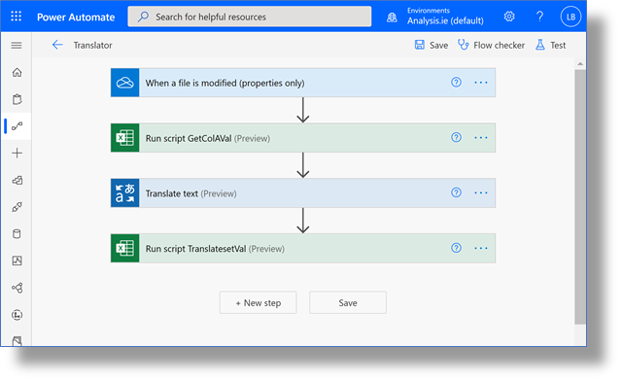
Demo : Using Azure Cognitive Services within Excdel Online - minimal coding required.
 |  |  |  | Notes
Text English | Text French | Text German |  | You can extend the Flow to translate different languages.
a | Un |  |  | Each language could have its own column or sheet.
hello | Bonjour |  |  | The functionality does not have to be restricted to the formatted table.
goodbye | Au revoir |  |  | You must create the Translator Resource in Azure first.
Welcome | Bienvenue |  |  | The Flow contains only 4 connectors. No need to write an Office AddIn for this app. It can, all, be done with OFfice Scripts.
How do you do? | Bienvenue
How does this work?
 |  |  |  | Flow Process Steps
 |  |  | 1. | OneDrive for Bus. File Mod Connector
 |  |  | 2. | Script: GetColAVal
 |  |  | 3. | TranslatorAPI Connector
The Translator Flow |  |  | 4. | Script: TranslatesetVal

