Help
Delete:
Click to delete the selected row(s) and linked files and attachments
[Alt+D]
Sort:
Click to sort by Date (Newest at the top)
[Alt+S]
Log Correspondence:
Click to open the main CorLog box (as below)
[Alt+C]
Search & Filter:
Type a search|filter wxpression here. Double-click to reset.
(More info at cell comment)
Link Location:
Click to go to the location of the file in Windows Explorer.
[Alt+L]

Meta:
A list of all the meta (hidden) information contained in the selected file or message. This can be used to automatically build a new file name and destination in the Name/Template boxes below
Configuration:
Lists: Refresh the dropdown lists (Projects, Tags) and hidden name-to-country list.
Folders: click to refresh the list of target folders; Ctrl+Click to open the list of folders.
Options: all the user options for CorLog. (see below)
Choose the items to be logged:
Drop: drag and drop files, documents here .
Folder: show all files in a specific folder Change folder in Options...
Outlook: show the currently selected messages in Outlook
(click tabs to refresh the list)

Project:
1. Guess Project name based on Subject line up to a fixed symbol (see Options)
2. Press 1-9 in this box to capture the first words of the Subject line E.g press "2" to grab the first 2 words from the Subject
3. Press 0 to reuse the previous project name
Tick the Lock checkbox to lock/fix the Project name for this batch
Tick the Match checkbox to always try to guess the target folder name. (see below)
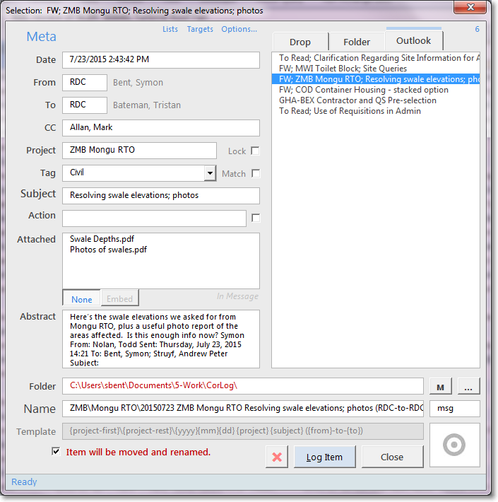
Items to Log:
Click to select one item to Log
Ctrl+Click or Ctrl+Shift to select more than one item to be saved or if in "Select" mode then which items are attachments
Ctrl+Shift+Click to select all immediately
Alt+N to move to next item to be logged

Select:
Drop/Folder: Select to allow you to chose which items in the list are attachments to the one selected first.
Outlook: Embed to ignore the email, and use the selected attachment as a memo (good for Admin mail) Alt+M
Target:
Click to Match the target folder based on the Project name.

Default Folder:
Click to set the default target folder.

Name:
The new name of the file. This is combined with the Folder box above to create the final save path.
This name is built using the Template box below.
Extension:
The format used when saving an Outlook message.

Drop Target:
Drop a new target folder here from Windows Explorer.
A quick way to set a rarely used target folder.

Template:
How the new file name is created. Click this field to see a list of possible template options based on the item's metadata.
Double-click any item from the list to add it to the template (or just type it in)
Move:
Either move the file to a completely new location, or rename it in-place.
Items from Outlook are always moved!
Target folder:
The name above is added to this target folder to create the final resting place for the file or message.
Click to choose the target folder from a list (based on the folders option above)
If the text is RED then the Project name does not match the Folder selected.
Ctrl+Click to open this folder in an Explorer window
Start the logging process

What to do with the original file once it has been archived.

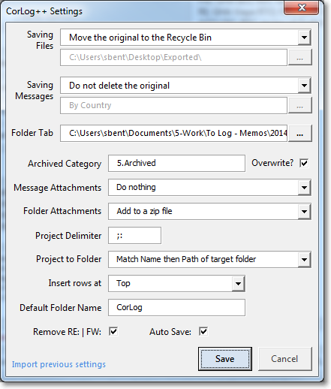

What to do with the original Outlook e-mail once it has been archived.

Location of the Folder Tab:
Chose which folder the Folder tab show display

How to label archived Emails in Outlook (useful if you choose not to delete it.)
Overwrite removes all existing labels first.

How File Attachments will be saved:
1. As a zipped folder
3. As a normal folder
How attachments will be saved:
1. Embedded in the message
2. To a separate zipped folder
3. To a separate normal folder

Everything in the Subject line up to any one of these symbol/character is considered as the Project name
Matching Project to Folder:
How to match the Project name to the target folder:
1. No match
2. Match the folder Name
3. Match the folder Path
4. Match both Name and Path (default)

Where to insert new lines in the CorLog: At the top or the bottom of the list

Remove the "RE:" or "FW:" from the Subject line
The default folder name for the CorLog.
If you Ctrl + Click the select folder option in the main window then this folder name is added to the path of this workbook.
This is useful if you save you email relative to the location of this workbook.
Automatically save the CorLog workbook after archiving

