Conductances_between_nodes
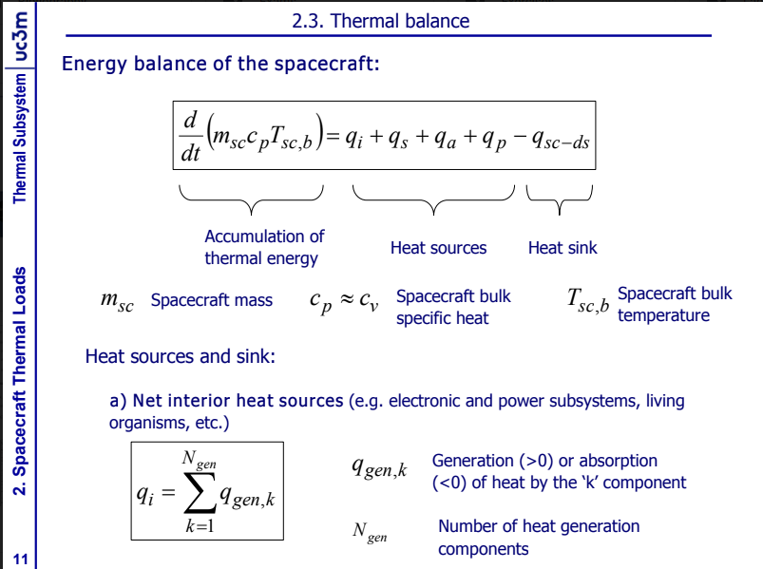
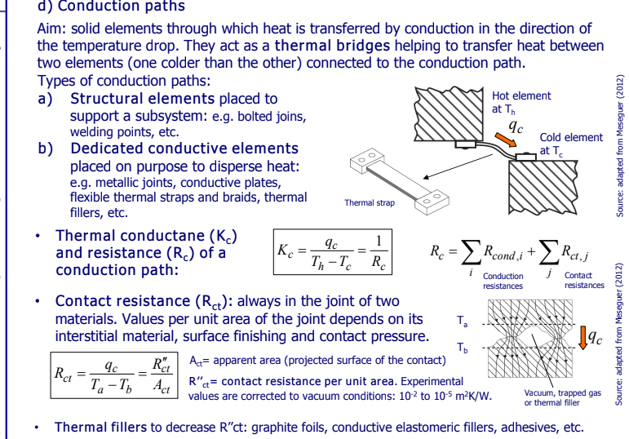
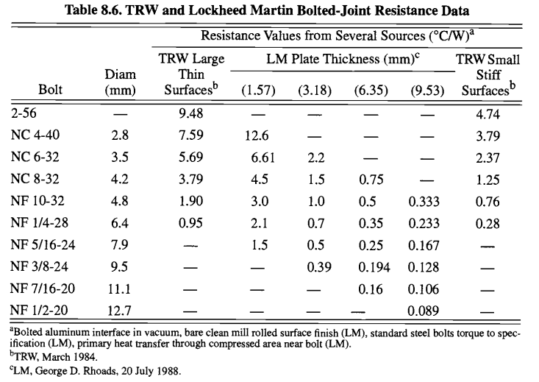
Explanation
En este excel se puede ver la matriz K, que es básicamente cual es la conductancia [W/K] entre los nodos que conectan, los nodos que n ose tocan tienen valor 0 aquí, estos números los he tirado de forma estimada, pero hay que estudiar cada uno con cuidado

conductances [W/K] | node 1 | node 2 | node 3 | node 4 | node 5 | node 6 | node 7 | node 8 | node 9 | node 10 | node 11 | node 12 | node 13 | node 14 | node 15 | node 16 | node 17 | node 18 | node 19 | node 20 | node 21 | node 22 | node 23 | node 24 | node 25 | node 26 | node 27 | node 28 | node 29
node 1 | 0.000 | 0.000 | 0.370 | 0.370 | 0.370 | 0.370 | 0.243 | 0.000 | 0.000 | 0.000 | 0.000 | 0.000 | 0.000 | 0.000 | 0.000 | 0.000 | 0.000 | 0.000 | 0.000 | 0.000 | 0.000 | 0.243 | 0.000 | 0.000 | 0.000 | 0.367 | 0.000 | 0.000 | 0.000
node 2 | 0.000 | 0.000 | 0.370 | 0.370 | 0.370 | 0.370 | 0.243 | 0.000 | 0.000 | 0.000 | 0.000 | 0.000 | 0.000 | 0.000 | 0.000 | 0.000 | 0.000 | 0.000 | 0.000 | 0.000 | 0.000 | 0.243 | 0.000 | 0.000 | 0.000 | 0.000 | 0.367 | 0.000 | 0.000
node 3 | 0.370 | 0.370 | 0.000 | 0.000 | 0.000 | 0.000 | 0.184 | 0.000 | 0.000 | 0.000 | 0.000 | 0.000 | 0.184 | 0.000 | 0.000 | 0.000 | 0.000 | 0.000 | 0.000 | 0.000 | 0.000 | 0.000 | 0.000 | 0.000 | 0.184 | 0.000 | 0.000 | 0.000 | 0.000
node 4 | 0.370 | 0.370 | 0.000 | 0.000 | 0.000 | 0.000 | 0.184 | 0.000 | 0.000 | 0.000 | 0.000 | 0.000 | 0.184 | 0.000 | 0.000 | 0.000 | 0.000 | 0.000 | 0.000 | 0.000 | 0.000 | 0.000 | 0.000 | 0.184 | 0.000 | 0.000 | 0.000 | 0.000 | 0.000
node 5 | 0.370 | 0.370 | 0.000 | 0.000 | 0.000 | 0.000 | 0.000 | 0.000 | 0.000 | 0.000 | 0.000 | 0.000 | 0.000 | 0.000 | 0.000 | 0.000 | 0.000 | 0.000 | 0.000 | 0.000 | 0.184 | 0.184 | 0.000 | 0.184 | 0.000 | 0.000 | 0.000 | 0.000 | 0.000
node 6 | 0.370 | 0.370 | 0.000 | 0.000 | 0.000 | 0.000 | 0.000 | 0.000 | 0.000 | 0.000 | 0.000 | 0.000 | 0.000 | 0.000 | 0.000 | 0.000 | 0.000 | 0.000 | 0.000 | 0.000 | 0.184 | 0.184 | 0.000 | 0.000 | 0.184 | 0.000 | 0.000 | 0.000 | 0.000
node 7 | 0.243 | 0.243 | 0.184 | 0.184 | 0.000 | 0.000 | 0.000 | 5.684 | 5.684 | 5.684 | 5.684 | 0.000 | 0.000 | 0.000 | 0.000 | 0.000 | 0.000 | 0.000 | 0.000 | 0.000 | 0.000 | 0.000 | 0.000 | 0.000 | 0.000 | 0.000 | 0.000 | 0.000 | 0.264
node 8 | 0.000 | 0.000 | 0.000 | 0.000 | 0.000 | 0.000 | 5.684 | 0.000 | 0.000 | 0.000 | 0.000 | 0.000 | 0.000 | 0.000 | 0.000 | 0.000 | 0.000 | 0.000 | 0.000 | 0.000 | 0.000 | 0.000 | 0.000 | 0.000 | 0.000 | 0.000 | 0.000 | 0.000 | 0.000
node 9 | 0.000 | 0.000 | 0.000 | 0.000 | 0.000 | 0.000 | 5.684 | 0.000 | 0.000 | 0.000 | 0.000 | 0.000 | 0.000 | 0.000 | 0.000 | 0.000 | 0.000 | 0.000 | 0.000 | 0.000 | 0.000 | 0.000 | 0.000 | 0.000 | 0.000 | 0.000 | 0.000 | 0.000 | 0.000
node 10 | 0.000 | 0.000 | 0.000 | 0.000 | 0.000 | 0.000 | 5.684 | 0.000 | 0.000 | 0.000 | 0.000 | 0.000 | 0.000 | 0.000 | 0.000 | 0.000 | 0.000 | 0.000 | 0.000 | 0.000 | 0.000 | 0.000 | 0.000 | 0.000 | 0.000 | 0.000 | 0.000 | 0.000 | 0.000
node 11 | 0.000 | 0.000 | 0.000 | 0.000 | 0.000 | 0.000 | 5.684 | 0.000 | 0.000 | 0.000 | 0.000 | 0.000 | 0.000 | 0.000 | 0.000 | 0.000 | 0.000 | 0.000 | 0.000 | 0.000 | 0.000 | 0.000 | 0.000 | 0.000 | 0.000 | 0.000 | 0.000 | 0.000 | 0.000
node 12 | 0.000 | 0.000 | 0.000 | 0.000 | 0.000 | 0.000 | 0.000 | 0.000 | 0.000 | 0.000 | 0.000 | 0.000 | 0.367 | 0.000 | 0.000 | 0.000 | 0.000 | 0.000 | 0.000 | 0.000 | 0.000 | 0.000 | 0.000 | 0.000 | 0.000 | 0.000 | 0.000 | 0.000 | 0.000
node 13 | 0.000 | 0.000 | 0.184 | 0.184 | 0.000 | 0.000 | 0.000 | 0.000 | 0.000 | 0.000 | 0.000 | 0.367 | 0.000 | 37.570 | 37.570 | 37.570 | 37.570 | 37.570 | 37.570 | 0.367 | 0.000 | 0.000 | 0.000 | 0.000 | 0.000 | 0.000 | 0.000 | 0.000 | 0.000
node 14 | 0.000 | 0.000 | 0.000 | 0.000 | 0.000 | 0.000 | 0.000 | 0.000 | 0.000 | 0.000 | 0.000 | 0.000 | 37.570 | 0.000 | 0.000 | 0.000 | 0.000 | 0.000 | 0.000 | 0.000 | 0.000 | 0.000 | 0.000 | 0.000 | 0.000 | 0.000 | 0.000 | 0.000 | 0.000
node 15 | 0.000 | 0.000 | 0.000 | 0.000 | 0.000 | 0.000 | 0.000 | 0.000 | 0.000 | 0.000 | 0.000 | 0.000 | 37.570 | 0.000 | 0.000 | 0.000 | 0.000 | 0.000 | 0.000 | 0.000 | 0.000 | 0.000 | 0.000 | 0.000 | 0.000 | 0.000 | 0.000 | 0.000 | 0.000
node 16 | 0.000 | 0.000 | 0.000 | 0.000 | 0.000 | 0.000 | 0.000 | 0.000 | 0.000 | 0.000 | 0.000 | 0.000 | 37.570 | 0.000 | 0.000 | 0.000 | 0.000 | 0.000 | 0.000 | 0.000 | 0.000 | 0.000 | 0.000 | 0.000 | 0.000 | 0.000 | 0.000 | 0.000 | 0.000
node 17 | 0.000 | 0.000 | 0.000 | 0.000 | 0.000 | 0.000 | 0.000 | 0.000 | 0.000 | 0.000 | 0.000 | 0.000 | 37.570 | 0.000 | 0.000 | 0.000 | 0.000 | 0.000 | 0.000 | 0.000 | 0.000 | 0.000 | 0.000 | 0.000 | 0.000 | 0.000 | 0.000 | 0.000 | 0.000
node 18 | 0.000 | 0.000 | 0.000 | 0.000 | 0.000 | 0.000 | 0.000 | 0.000 | 0.000 | 0.000 | 0.000 | 0.000 | 37.570 | 0.000 | 0.000 | 0.000 | 0.000 | 0.000 | 0.000 | 0.000 | 0.000 | 0.000 | 0.000 | 0.000 | 0.000 | 0.000 | 0.000 | 0.000 | 0.000
node 19 | 0.000 | 0.000 | 0.000 | 0.000 | 0.000 | 0.000 | 0.000 | 0.000 | 0.000 | 0.000 | 0.000 | 0.000 | 37.570 | 0.000 | 0.000 | 0.000 | 0.000 | 0.000 | 0.000 | 0.000 | 0.000 | 0.000 | 0.000 | 0.000 | 0.000 | 0.000 | 0.000 | 0.000 | 0.000
node 20 | 0.000 | 0.000 | 0.000 | 0.000 | 0.000 | 0.000 | 0.000 | 0.000 | 0.000 | 0.000 | 0.000 | 0.000 | 0.367 | 0.000 | 0.000 | 0.000 | 0.000 | 0.000 | 0.000 | 0.000 | 0.367 | 0.000 | 0.367 | 0.000 | 0.000 | 0.000 | 0.000 | 0.000 | 0.000
node 21 | 0.000 | 0.000 | 0.000 | 0.000 | 0.184 | 0.184 | 0.000 | 0.000 | 0.000 | 0.000 | 0.000 | 0.000 | 0.000 | 0.000 | 0.000 | 0.000 | 0.000 | 0.000 | 0.000 | 0.367 | 0.000 | 0.000 | 0.000 | 0.000 | 0.000 | 0.000 | 0.000 | 0.000 | 0.000
node 22 | 0.243 | 0.243 | 0.000 | 0.000 | 0.184 | 0.184 | 0.000 | 0.000 | 0.000 | 0.000 | 0.000 | 0.000 | 0.000 | 0.000 | 0.000 | 0.000 | 0.000 | 0.000 | 0.000 | 0.000 | 0.000 | 0.000 | 0.000 | 0.000 | 0.000 | 0.000 | 0.000 | 0.367 | 0.000
node 23 | 0.000 | 0.000 | 0.000 | 0.000 | 0.000 | 0.000 | 0.000 | 0.000 | 0.000 | 0.000 | 0.000 | 0.000 | 0.000 | 0.000 | 0.000 | 0.000 | 0.000 | 0.000 | 0.000 | 0.367 | 0.000 | 0.000 | 0.000 | 0.000 | 0.000 | 0.000 | 0.000 | 0.000 | 0.000
node 24 | 0.000 | 0.000 | 0.000 | 0.184 | 0.184 | 0.000 | 0.000 | 0.000 | 0.000 | 0.000 | 0.000 | 0.000 | 0.000 | 0.000 | 0.000 | 0.000 | 0.000 | 0.000 | 0.000 | 0.000 | 0.000 | 0.000 | 0.000 | 0.000 | 0.000 | 0.000 | 0.000 | 0.000 | 0.000
node 25 | 0.000 | 0.000 | 0.184 | 0.000 | 0.000 | 0.184 | 0.000 | 0.000 | 0.000 | 0.000 | 0.000 | 0.000 | 0.000 | 0.000 | 0.000 | 0.000 | 0.000 | 0.000 | 0.000 | 0.000 | 0.000 | 0.000 | 0.000 | 0.000 | 0.000 | 0.000 | 0.000 | 0.000 | 0.000
node 26 | 0.367 | 0.000 | 0.000 | 0.000 | 0.000 | 0.000 | 0.000 | 0.000 | 0.000 | 0.000 | 0.000 | 0.000 | 0.000 | 0.000 | 0.000 | 0.000 | 0.000 | 0.000 | 0.000 | 0.000 | 0.000 | 0.000 | 0.000 | 0.000 | 0.000 | 0.000 | 0.000 | 0.000 | 0.000
node 27 | 0.000 | 0.367 | 0.000 | 0.000 | 0.000 | 0.000 | 0.000 | 0.000 | 0.000 | 0.000 | 0.000 | 0.000 | 0.000 | 0.000 | 0.000 | 0.000 | 0.000 | 0.000 | 0.000 | 0.000 | 0.000 | 0.000 | 0.000 | 0.000 | 0.000 | 0.000 | 0.000 | 0.000 | 0.000
node 28 | 0.000 | 0.000 | 0.000 | 0.000 | 0.000 | 0.000 | 0.000 | 0.000 | 0.000 | 0.000 | 0.000 | 0.000 | 0.000 | 0.000 | 0.000 | 0.000 | 0.000 | 0.000 | 0.000 | 0.000 | 0.000 | 0.367 | 0.000 | 0.000 | 0.000 | 0.000 | 0.000 | 0.000 | 0.000
node 29 | 0.000 | 0.000 | 0.000 | 0.000 | 0.000 | 0.000 | 0.264 | 0.000 | 0.000 | 0.000 | 0.000 | 0.000 | 0.000 | 0.000 | 0.000 | 0.000 | 0.000 | 0.000 | 0.000 | 0.000 | 0.000 | 0.000 | 0.000 | 0.000 | 0.000 | 0.000 | 0.000 | 0.000 | 0.000

