Tabelle1
Sprint Review Protocol

Sprint No: |  | 2
Date & Time |  | 2022-04-25
Group Number |  | 8
Participant 1 |  | Faltas Patrick
Participant 2 |  | Müller Oliver
Participant 3 |  | Njeru Paula
Participant 4 |  | Porubsky Matus
Participant 5 |  | Wiedermann Gabriel
Mentor |  | Parg Manuel-Christopher

List the Ids of the Requirements which are subject to the review
Req ID | short description [opt] | Estimate [h] | Real Effort [h] | Delta [h] | Passed | failed | remarks
1 | [Müller] Learn handling Unity Engine | 4 | 4 | 0 |  |  | Watched introduction videos on youtube (how to navigate in the engine and first looks into scripting and modeling)
2 | [Müller] Experiment with Unity Engine | 1 | 1 | 0 |  |  | Experimented in Unity Engine with the learnt material from youtube and docs.unity3d.com/
3 | [Müller] Game Design | 4 | 6 | 2 |  |  | 30 assets done, mainly gameworld (estimated 10 left - mainly single units) // Designing takes longer than expected
4 | [Wiedermann] Learn handling Unity Engine | 3 | 3 | 0 |  |  | Watched introduction videos on youtube, how to handle mouse inputs, movement with the keyboard and how to handle collisions between 2 Game Objects
5 | [Wiedermann] Experiment with Unity Engine | 3 | 3 | 0 |  |  | Practical working with unity on the points mentioned above and one Microgame
6 | [Porubsky] Creating microgame 2D platformer + mods and problemsolving | 3 | 4 | 1 |  |  | Started practicing in Unity with Unity Learn and by watching tutorial videos
7 | [Porubsky] Videos about Grids and 2D approaches | 2 | 2 | 0 |  |  | Read into and watch videos building grids in Unity and making them useable (preparation for implementation)
8 | [Porubsky/ Faltas] Organization & communication | 1 | 1 | 0 |  |  | Accumulated time spend organizing and planning
9 | [Porubsky] Studying Unity and C# | 1 | 1 | 0 |  |  | Studying unity basics (Unity documentation) and C#
10 | [Faltas] Studying Unity | 4 | 4 | 0 |  |  | Watching introductory videos to Unity on Youtube
11 | [Faltas] Experiment in Engine | 3 | 3 | 0 |  |  | Doing Unity course, getting familiar with GUI, started Test Project to experiment
12 | [Faltas] Learning C# | 2 | 3 | 1 |  |  | Getting familiar with Syntax, studying Unity Library
13 | [Faltas] implementing system architecture | 1 | 1 | 0 |  |  | drafting class diagram, estimated to finish by tomorrow
14 | [Paula] Familiarisation with Unity | 2 | 2 | 0
15 | [Paula] Experimenting + 2D unity Engine tutorials | 2 | 2 | 0
16 | [Paula] Youtube videos on creating a 2D game, assets, player movement | 1 | 1 | 0
17 | [Paula] Learn unity and C# YouTube tutorial | 1 | 1 | 0
18 | [Everyone] Meeting - Finish game concept and rules | 2 | 4 | 2
19 | [Everyone] Meeting - Finishing effort estimations | 2 | 4 | 2
19 |  |  |  | 8 | 0 | 0
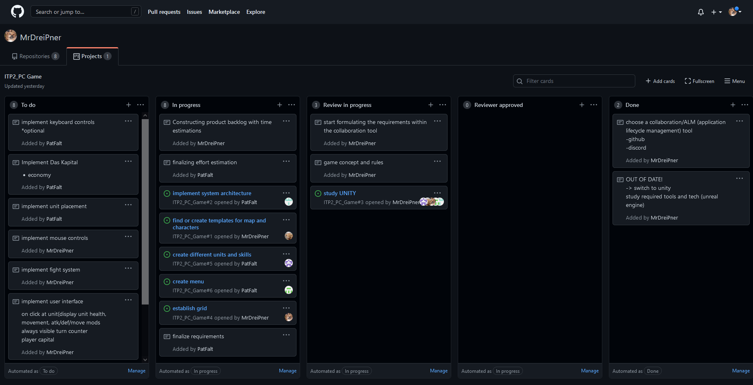

 | fill out the orange fields
 | Transfer your estimate as well as your real effort from your planing tool to this protocol

