Attacks Visual
ATTACKS DETAIL

Note: | X = Light | Y = Heavy | Snap range is 2m |  | Input rotation = Input between animations, not during them

N# | Hit Name | Input1 | Input2 | Input3 | Input4 | Input5 | Schemas | Properties (Do not use Properties in Schemas)
1 | All Around Combo P1 | X |  |  |  |  |  | Control Root On Move forward 1m Hitbox Range 0,5m Anim Duration 0,4s
2 | All Around Combo P2 |  | X |  |  |  |  | Control Root On Move forward 1m Hitbox Range 0,5m Anim Duration 0,4s
3 | All Around Combo P3 |  |  | X |  |  |  | Control Root On Move forward 0,5m Hitbox Range 0,5m Anim Duration 0,6s
4 | All Around Combo P4 |  |  |  | X |  |  | Control Root On Move forward 1m Hitbox Range 1m Anim Duration 0,8s
5 | All Around Combo P5 |  |  |  |  | X |  | Control Root On Move forward 0,2m Hitbox Range 1m radius in Arc Anim Duration 0,8s
6 | Quantum Flurry | X (hold) |  |  |  |  |  | Control Root On / Disable Movement No Movement Hitbox Range 1m Anim Duration ?
7 | Aerial Jab | X (air) |  |  |  |  | Like Grounded Weak Attack Strings minus Flurry (hold X)
8 | Forward Kick | X (run) |  |  |  |  | 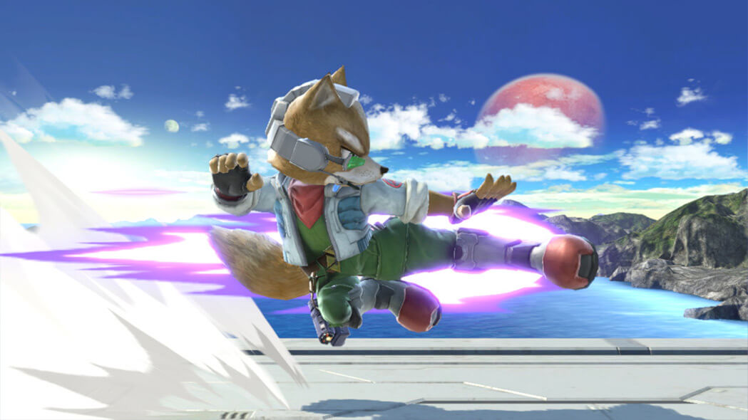 | Control Root On Move Forward 2m Hitbox Range 1m Anim Duration 0,5s
9 | 4 Dimensional Shot P1 | Y |  |  |  |  |  | Control Root On / Disable Movement No Movement Hitbox Range 1m in Arc Anim Duration 0,6s
10 | 4 Dimensional Shot P2 |  | Y (hold) |  |  |  |  | Control Root On / Disable Movement No Movement Hitbox Range Projectile (4m) Anim Duration 0,6s
11 | 1-Dimension Break |  | Y |  |  |  |  | Control Root On Move Forward 0,2m then backward 0,5m Hitbox Range2m Anim Duration: Startup to Canon ready 0,6s, wait 0,1s, 0,3s of recoil
12 | Upward Conversion |  |  | Y |  |  |  | Control Root On Move Upward 2,5m Hitbox Range 1m Anim Duration wind up + go upward 0,6 backflip 0,3s (start at 0,5s)
13 | Spacial Smash |  |  |  | Y |  |  | Control Root On Move Backward 0,2m Hitbox Range 1m Anim Duration 0,6s Right Arm (canon) move in a U pattern Camera move to hip level, right side, side of arm canon
14 | Dimension Dispatch |  |  |  |  | Y |  | Control Root On Move Forward 0,5m Hitbox Range 10m Anim Duration 0,9s From High Kick to arm on ground 0,5s 0,3s wait, 0,1s Recoil
15 | Fractal Stomp | Y (air) |  |  |  |  |  | Control Root On No Movement Hitbox Range 1m (air), 3m radius (ground) Anim Duration 0,4s (not counting fall) | Then Loop a falling anim until hitting ground
16 | Turbo Dropkick | Y (run) |  |  |  |  |  | Control Root On Move Forward 3m Hitbox Range 1m Anim Duration 1s

