READ ME
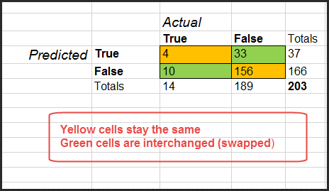
Confusion Matrix Calculator 1.2
Neal Cariello
22-Aug-16

neal.cariello@gmail.com

The input for this application is a 2 x 2 confusion matrix

The derivations for the formulas are given on the tabs
 | Confusn Mtrix-Formulas+Examples
 | Kappa-Formulas+Examples
 | Diagnostic Odds Ratio

I have included independently worked examples from the web and other applications, so you can check my work.

It is important to note the position of the Actual and Predicted values.
In this application, the predicted values are on the left and the actual values are on the top as shown below.

For this configuration, the True Positive, False Positive, False Negative and True Negative are as shown below.
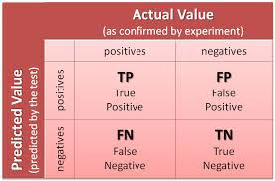

However. data can be presented with the Predicted and Actual Classes switched as shown below.
In this case, note that the position of the FP and FN are changed.

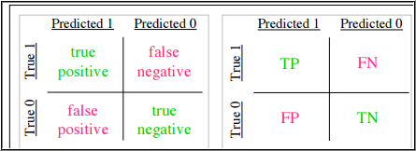

If your data is in this configuration, you need to enter the data differently, to make it work with this calculator.
 | Enter the data from your confusion matrix into the calculator with two values switched, as shown below.

Use Of Names Not Cell Positions
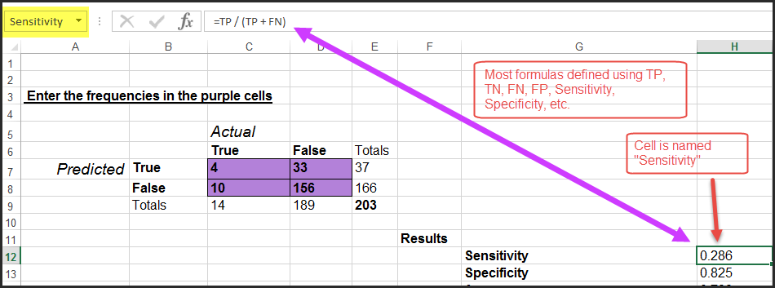
I have named the cells to make the calculations easier to maintain.
For example, cell C7 is named TP (for True Positive)
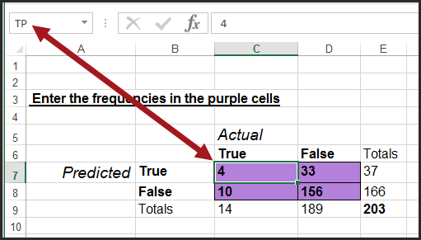

So sensitivity (also named) is calculated as below rather than with cell references like C7 / (C7 + C8).
Naming the cells making life a lot easier since many formulas use TP, FP, FN and TN

The derivations for the formulas are given on the two Formulas + Examples tabs
I have included independent worked examples from the web and other applications, so you can check my work.

Confusn Mtrix-Formulas+Examples
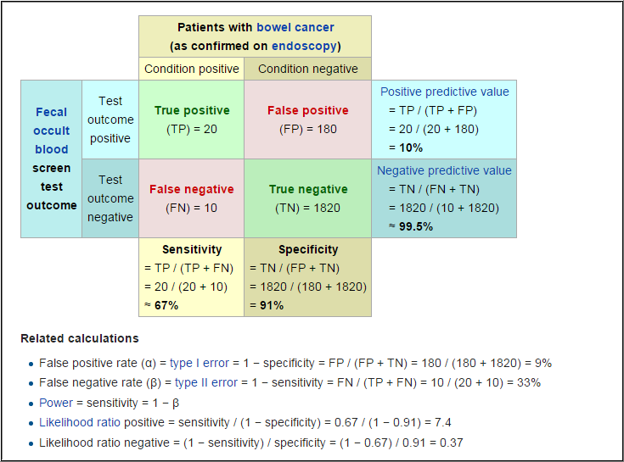
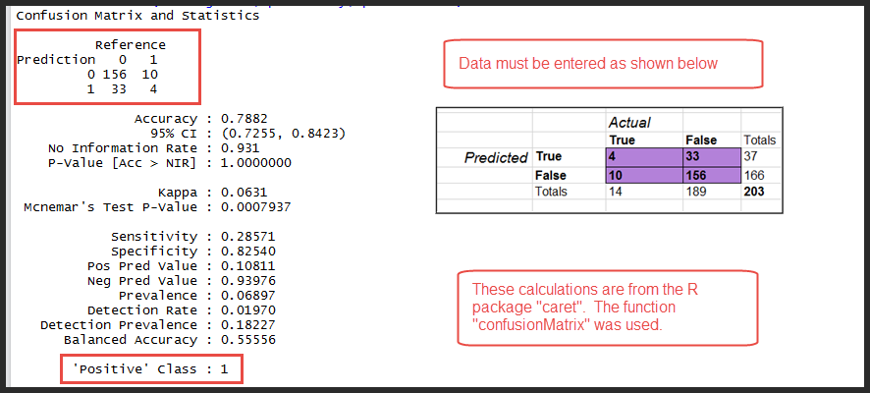
From | https://en.wikipedia.org/wiki/Sensitivity_and_specificity
 | The formulas for many terms are given here
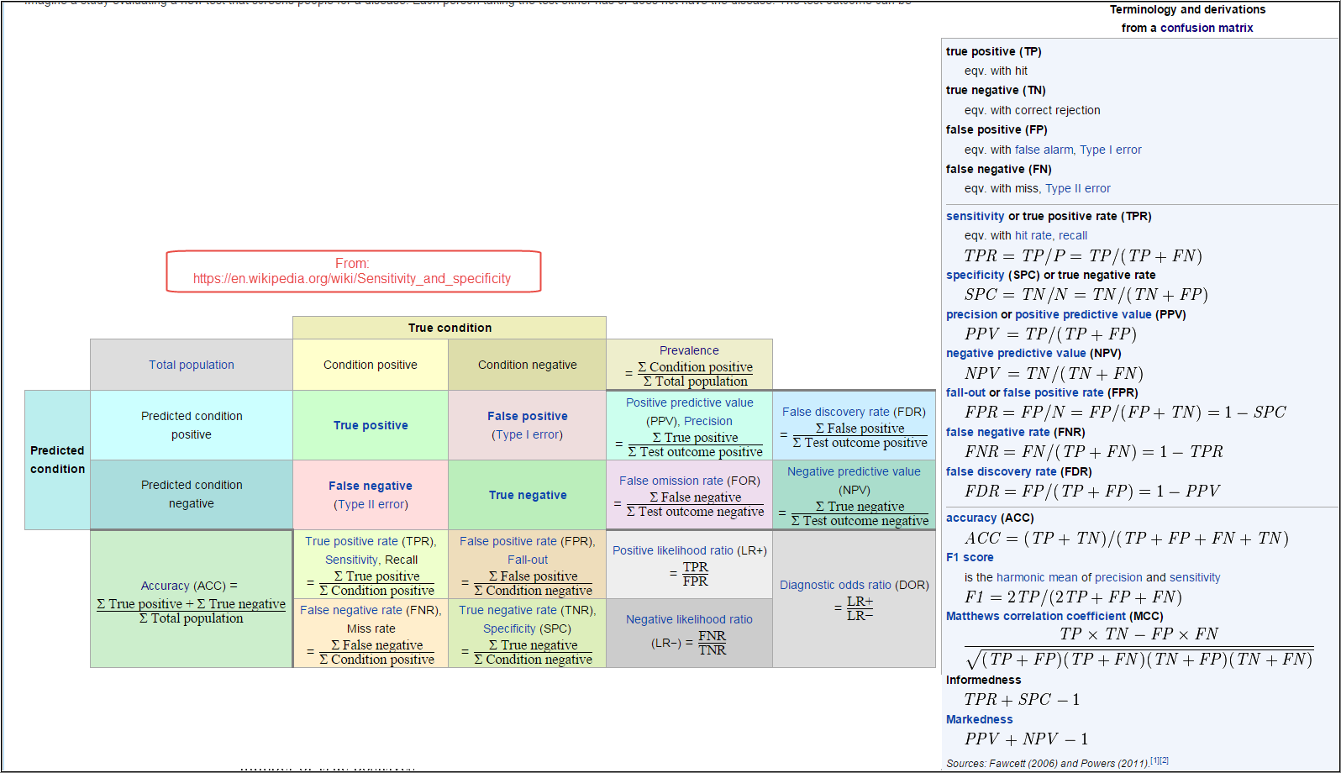

Balanced Accuracy
From | https://en.wikipedia.org/wiki/Accuracy_and_precision

Worked Examples
Examples from the web and other applications are used.
As a test, the numbers from the web pages and other applications have been entered in my calculator and my values are identical.
 | This is from the Wiki page | https://en.wikipedia.org/wiki/Sensitivity_and_specificity

Kappa-Formulas+Examples
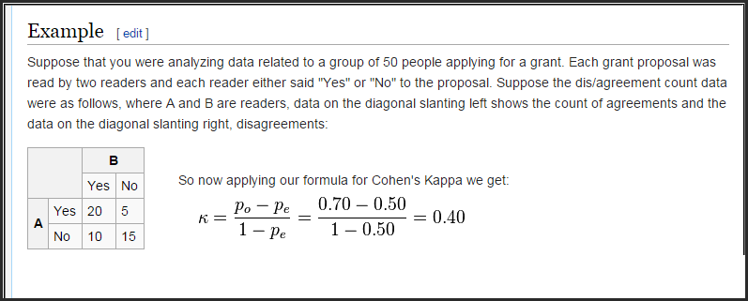
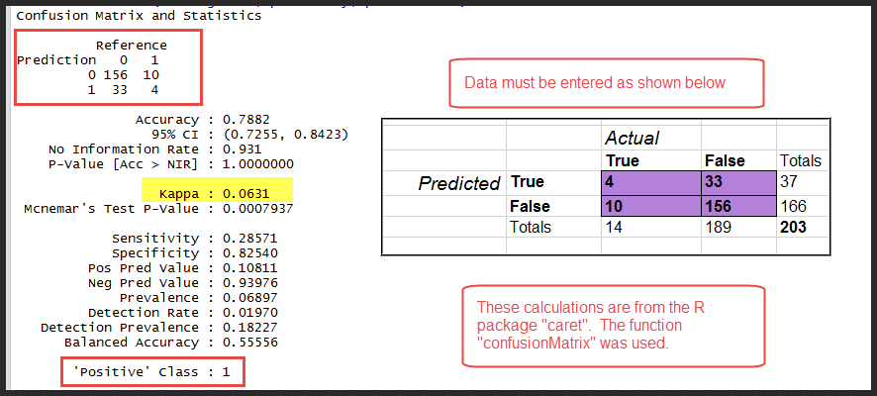
Yellow is from
 | http://stats.stackexchange.com/questions/82162/kappa-statistic-in-plain-english
 |  | Which is really worth reading

The Kappa statistic is a metric that compares an Observed Accuracy with an Expected Accuracy (random chance).
It takes into account random chance, which generally means it is less misleading than simply using accuracy as a metric. For example,
 | an Observed Accuracy of 80% is a lot less impressive with an Expected Accuracy of 75% versus an Expected Accuracy of 30%.

Interpretation
There is not a standardized interpretation of the kappa statistic. According to Wikipedia (citing their paper),
Landis and Koch considers
 | 0-0.20 as none to slight |  | ( this value is from http://www.ncbi.nlm.nih.gov/pmc/articles/PMC3900052/)
 | 0.21-0.40 as fair
 | 0.41-0.60 as moderate
 | 0.61-0.80 as substantial
 | 0.81-1 as almost perfect.

It is important to note that the interpretations are somewhat arbitrary.

The Kappa Statistic can be negative, this means that the predictions are worse than by chance alone (in this case your model really sucks).

Wikipedia is not very helpful |  |  | https://en.wikipedia.org/w/index.php?title=Cohen%27s_kappa&redirect=no
Publication |  |  | http://www.ncbi.nlm.nih.gov/pmc/articles/PMC3900052/

Calculation
From | http://standardwisdom.com/softwarejournal/2011/12/confusion-matrix-another-single-value-metric-kappa-statistic/

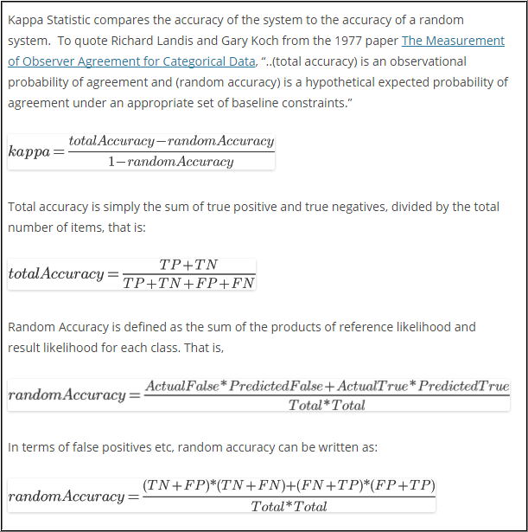

Worked Examples
Examples from the web and other applications are used.
As a test, the numbers from the web pages and other applications have been entered in my calculator and my values are identical.

From | http://standardwisdom.com/softwarejournal/2011/12/confusion-matrix-another-single-value-metric-kappa-statistic/

From https://en.wikipedia.org/w/index.php?title=Cohen%27s_kappa&redirect=no

Diagnostic Odds Ratio
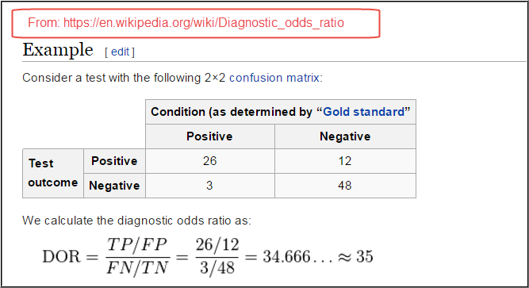
Description

Definition

https://en.wikipedia.org/wiki/Diagnostic_odds_ratio

http://www-ncbi-nlm-nih-gov.ezproxy.nihlibrary.nih.gov/pubmed/14615004

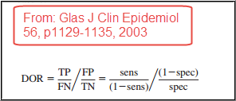

 | PDF embedded

Interpretation

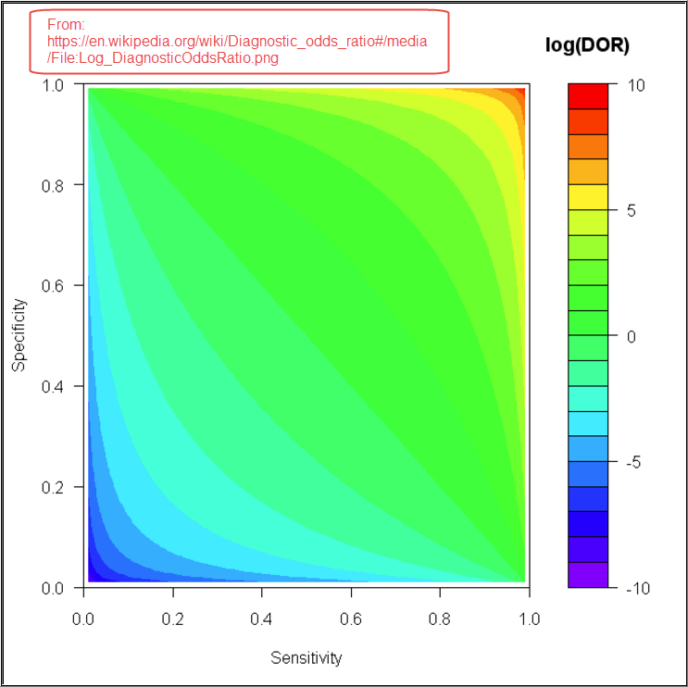

Worked Example

Revisions
Version 1.1 | clarify confusion matrix

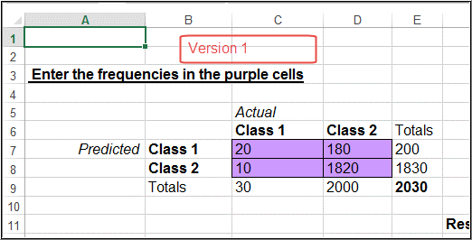
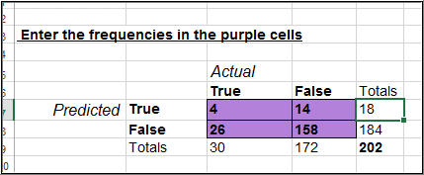

version 1.0 |  | version 1.1

Version 1.2 | Add diagnostics odds ratio (DOR)

