RISC-V Cores Comparision

Features Cores | OS | Microprocessor | Memory Interface | Network Interface | Frequency | License | Particular Remarkables
OpenTitan | Linux (not proprietary to a specific vendor or platform) | the lowRISC Ibex | 2x512kB banks eFlash 128kB main SRAM 4KB Always ON (AON) retention SRAM 32kB ROM 2kB OTP | 47x multiplexable IO pads with pad control 32x GPIO 4x UART 3x I2C with host and device modes SPI device with TPM, generic, flash and passthrough modes 2x SPI host USB device at full speed | 100MHz Jittery Clock 24MHz Peripheral Domain | Apache License 2.0 | Security Features: Low-latency memory scrambling on the icache Dual-core lockstep configuration Data independent timing Dummy instruction insertion Bus and register file integrity Hardened PC
PULP （Parallel Ultra-Low-Power） | Linux | RI5CY (a small 4-stage RISC-V core) or the Zero-Riscy | A level 1 Memory (64 KB) shared by all the cores in Cluster (0 wait state memory access) A level 1 memory (8 KB) owned by FC (0 wait state memory access) Memory Protection Unit HyperBus Interface to connect external HyperFlash or HyperRAM | a new efficient I/O subsystem via a uDMA (micro-DMA) SPI (as master), I2S Camera Interface (CPI) I2C, UART, JTAG | 1 x 32.768kHz RTC Single 32.768kHz crystal for RTC and FLLs | SolderPad Hardware License v0.51 (This license is based closely on the Apache License Version 2.0, but is not approved or endorsed by the Apache Foundation. ) | NMI support for security alert events for watchdog bark. General error status collection and alert generation. Crash dump collection for software debug.
Ibex Cambridge, UK | Linux | open source 32-bit RISC-V CPU core written in SystemVerilog | a single byte-addressable address space of 2XLEN bytes for all memory accesses. | Yosys (kGE) :16.85 for "micro" and 26.60 for "small" Commercial (estimated kGE) : ~15 for "micro" and ~24 for "small: | 2.47MHz("Small") 0.904MHz("micro") | Apache license, version 2.0. | 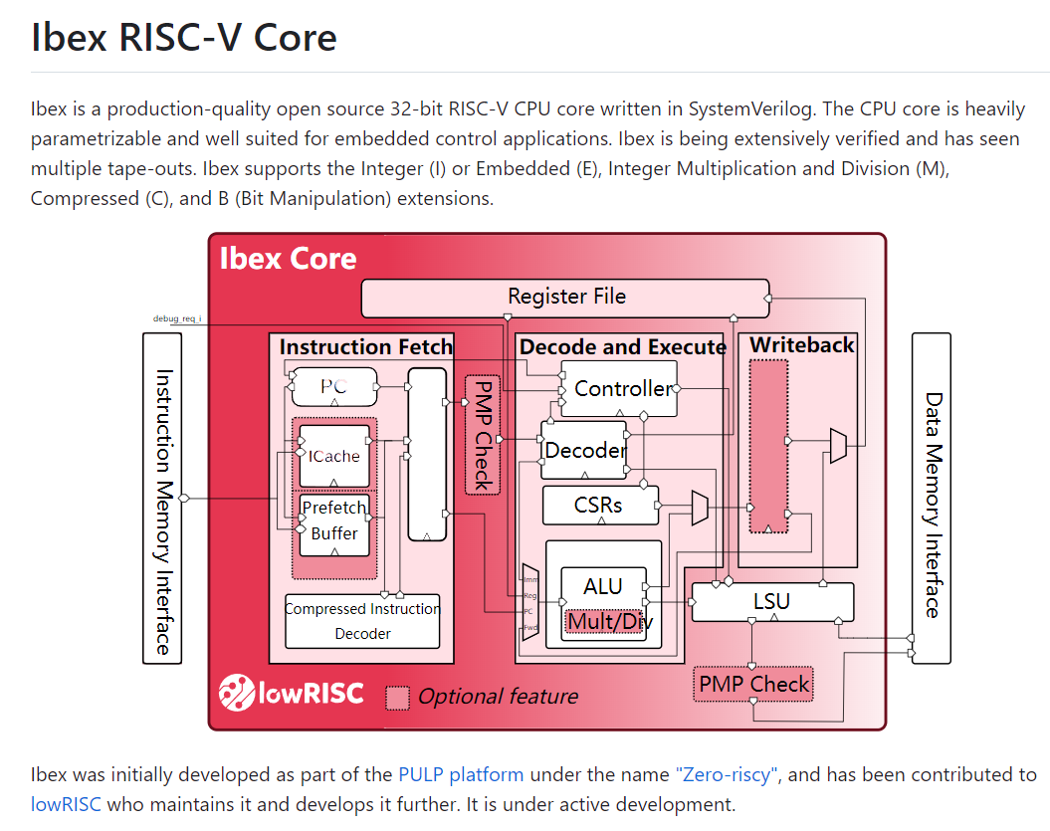
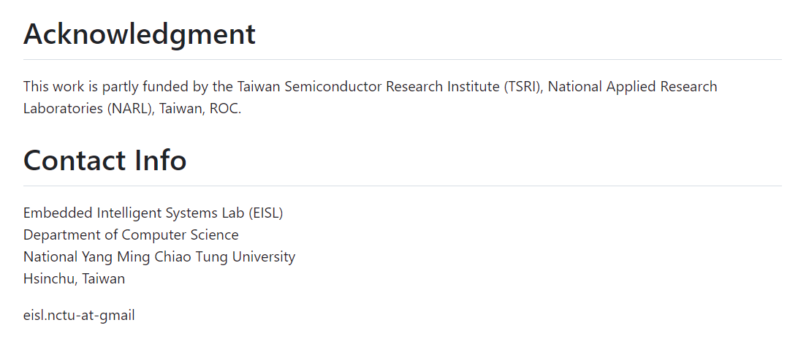 Aquila |  | 32-bit RISC-V RV32IMA | 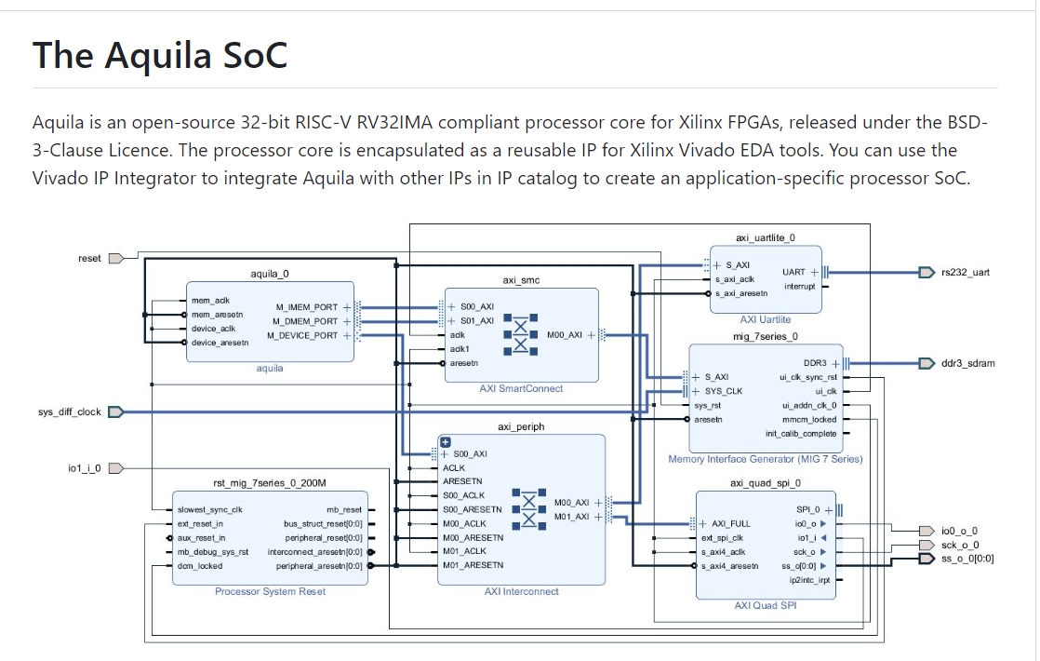 |  | 100Mhz on Xilinx KC-705 Its Dhrystone number is 1.00 DMIPS/MHz and The CoreMark number is 2.07/MHz. | BSD-3-Clause License | Classical Five-Stage Pipeline RISC Architecture with in-order execution. The default behavior of the Aquila SoC, when configured into a Xilinx FPGA, is to execute a boot code stored in pre-initialized on-chip memory, which load a binary executable (ELF file) from the Host PC through the UART connection. M-Mode
Vivado-Risc-V |  |  |  |  | Xilinx VC707 or Xilinx KC705 or Digilent Genesys 2 or Digilent Nexys Video or Digilent Nexys A7 100T or Digilent Arty A7 100T board. |  | AMD Xilinx Vitis Supported
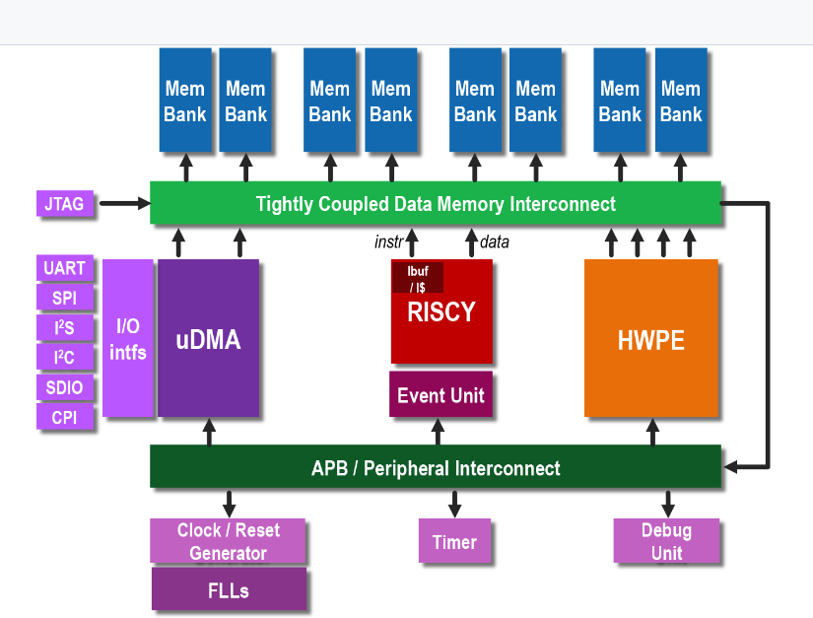
PULPissimo (ETH Zurich and the University of Bologna) |  |  | PULPissimo supports I/O on interfaces including: SPI (as master) I2S Camera Interface (CPI) I2C UART JTAG |  |  | Apache License Version 2.0 | RISCY is an in-order, single-issue core with 4 pipeline stages and it has an IPC close to 1, full support for the base integer instruction set (RV32I), compressed instructions (RV32C) and multiplication instruction set extension (RV32M). Either the RI5CY core or the Ibex one as main core

