Dashboard
 |  |  |  |  |  |  |  |  |  | 2021-08-02

 | Security Analysis: SPY & MSFT

Ticker 1: | SPY | Ticker 2: | MSFT | Start Date: | 2020-07-22 |  | End Date: | 2021-07-22
Chart | 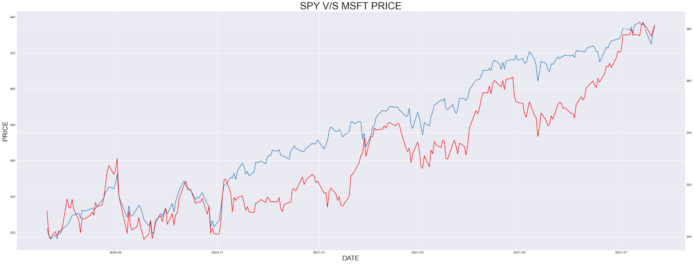

Prices & Returns
 |  | SPY |  |  |  | MSFT
 |  | First Price |  | $209.72 |  | First Price |  | $322.06
 |  | High Price |  | $282.51 |  | High Price |  | $437.08
 |  | Low Price |  | $198.95 |  | Low Price |  | $316.17
 |  | Last Price |  | $281.40 |  | Last Price |  | $434.55
 |  | Price Change (%) |  | 34.18% |  | Price Change (%) |  | 34.93%

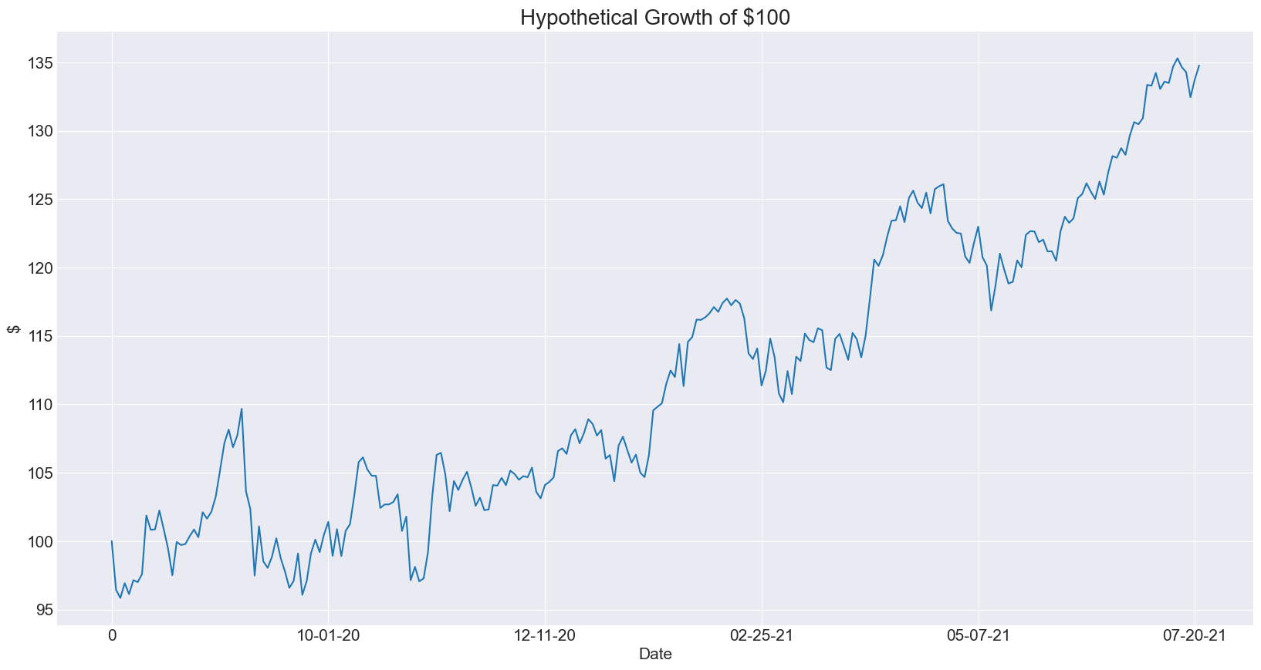
Performance Simulation |  |  |  |  |  |  |  |  | Number of Years | 1

 |  |  |  |  |  |  |  | Allocation to Ticker 1: |  | 75%
 |  |  |  |  |  |  |  | Allocation to Ticker 2 |  | 25%
 |  |  |  |  |  |  |  | Ending Balance |  | $134.76

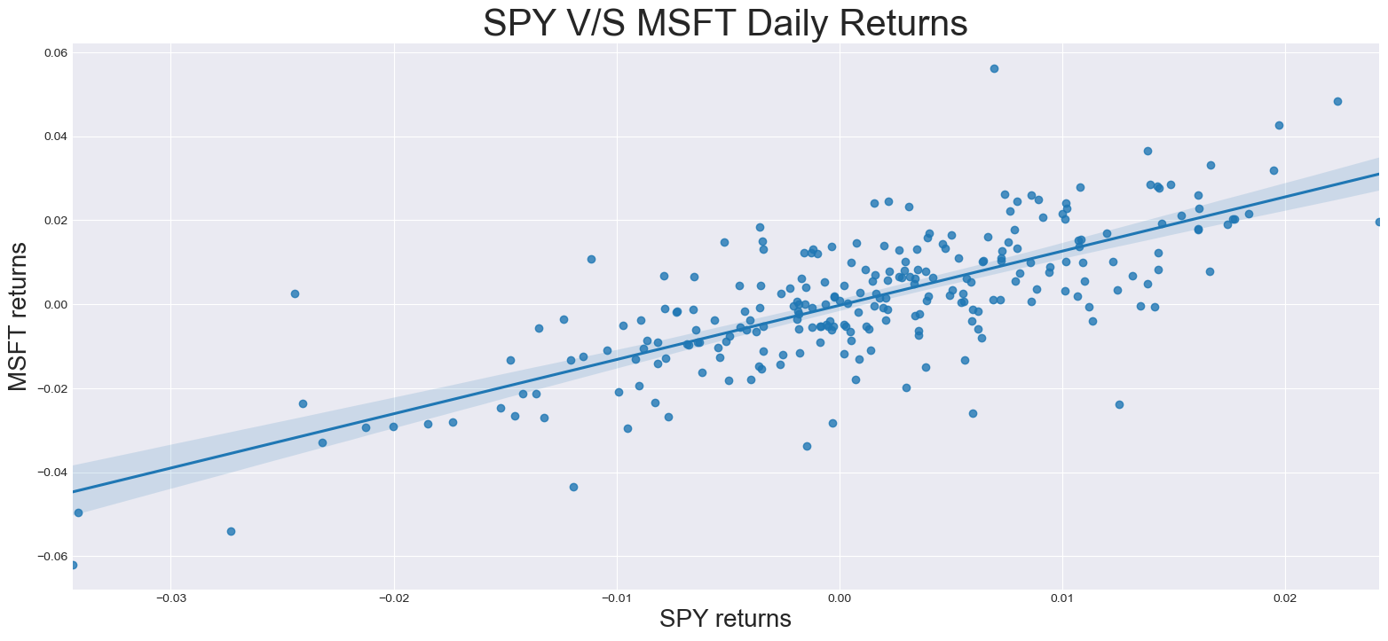
Beta

 |  |  |  |  |  |  |  | Obervations |  | 252
 |  |  |  |  |  |  |  | Corr Coef |  | 0.75
 |  |  |  |  |  |  |  | Beta |  | 1.29
 |  |  |  |  |  |  |  | Alpha |  | -0.00030
 |  |  |  |  |  |  |  | R-Squared |  | 0.60
 |  |  |  |  |  |  |  | P-Value |  | 1.03E-45

Rolling Correlations

