Test Cases
Project Name | Chaldal | TC Start Date |  | 19/2/2022 | TC Execution Start Date | TEST CASE SUMMARY
Module Name | Login/signup, | TC End Date |  | 28/4/2021 | TC Execution End Date | PASS | 11
Epic Number |  | Test Case Developed By |  | Shahin Madani | Browser (tested) | FAIL | 5
Developer | Mr Smith | Test Case Reviewed By |  | Mr. Sabil | Performance (tested) | WARNING | 1
 |  |  |  |  |  | TOTAL | 17
Test Case ID/Name | Test Case Description | Business Logic | Preconditions | URL | Test Data | Step Description | Expected Result | Actual | Status | Remarks
TC_WebApp_login_01 | Checking the links Home Page link is working properly or not. |  | Valid URL, Browser. | https://chaldal.com/ | Valid URL: https://chaldal.com/ | Step1: Enter the URL -> Step2: Click Home Page | System Displaying Home page. | https://chaldal.com/ | PASS
TC_WebApp_login_02 | Checking the number field by clicking on it . | The number field will have predfined country code number. OTP should to entered within 20 sec otherwise wont be accepted | User must be inside the valid URL .
TC_WebApp_login_03 | checking the login functionality with Mobile number and valid OTP | After entering valid mobile number and OTP, user must sign in or sign up to the system | 1.From home page the user must see the option of SignIn/SignUp 2. User must be inside the SignUp / Login window 3. Mobile number must be active. |  | 1. Valid mobile number :+8801787449171 2. Valid OTP which is generated | Step1: Goto URL-> Step2: Click Sign in -> Step3: Enter valid mobile number. -> Step4: Click Signup/ Login Step5: Enter valid OTP. -> Step6: Click Enter | User will be able to see the OTP pop up window and be able to enter OTP. The OTP should be accepted and will be able to login to the system. | User sees the OTP pop up window and be able to enter OTP. The OTP should be accepted and will be able to login to the system. | PASS
TC_WebApp_login_04 | Checking the login functionality by entering invalid mobile number | If the mobile number is in invalid, user will be get an error message and wont proceed any further. | 1.From home page the user must see the option of SignIn/SignUp 2. User must be inside the SignUp / Login window 3. Must be able to provide value in the input field |  | 1. invalid mobile number: +88XXXXXXXXXXX | Step1 > Step2 >Step3: Invalid mobile number.Step4 | User will get the error for invaiid Phone number and OTP will not be generated and cannot login to the system | User gets the error for invaiid Phone number and OTP will not be generated and cannot login to the system | PASS
TC_WebApp_login_05 | Checking the login functionality by keeping number field blank. | If the mobile number is in invalid, user will be get an error message and wont proceed any further. | 1.From home page the user must see the option of SignIn/SignUp 2. User must be inside the SignUp / Login window 3. Must be able to provide value in the input field |  | 1. invalid mobile number field: +88 | Step1 > Step2 >Step3: Invalid mobile number.Step4 | User will get the error for invaiid Phone number and OTP will not be generated and cannot login to the system | User gets the error for invaiid Phone number , not be generated and cant login to the system. | PASS
TC_WebApp_login_06 | Checking the login functionality by poviding invalid character input in the mobile number filed. | If the mobile number is in invalid, user will be get an error message and wont proceed any further. | 1.From home page the user must see the option of SignIn/SignUp 2. User must be inside the SignUp / Login window 3. Must be able to provide value in the input field |  | 1. invalid mobile number: +88###########(special Characters) | Step1 > Step2 >Step3: Invalid mobile number.Step4 | User will get the error for invaiid Phone number and OTP will not be generated and cannot login to the system | A message shows error "invalid Phone number" | PASS
TC_WebApp_login_07 | Checking the login funcitonality by providing invalid OTP | If the OTP is invalid User should see error message. User can click on the Request OTP button for new OTP Requst OTP button should be active after 20 sec | 1.From home page the user must see the option of SignIn/SignUp 2. User must be inside the SignUp / Login window 3. Must be able to provide value in the input field 4.Must provide active and valid mobile number. |  | 1.invalid OTP: XXXX | Perform Step1-Step4, Step5: invalid OTP. Step6: Click Enter. | User should get the error message invalid OTP and the length should be 4 digit and OTP resend should work after 20sec. | A message shows error "invalid OTP" | PASS
TC_WebApp_login_08 | Checking the login functionality by poviding invalid OTP more than 4 digit. | If the OTP is invalid User should see error message. User can click on the Request OTP button for new OTP Requst OTP button should be active after 20 sec | 1.From home page the user must see the option of SignIn/SignUp 2. User must be inside the SignUp / Login window 3. Must be able to provide value in the input field 4.Must provide active and valid mobile number. |  | 1.invalid OTP: XXXXXX(more than 4 digit) | Perform Step1-Step4, Step5: invalid OTP. Step6: Click Enter. | User will get the error message invalid OTP but Request PIN Again Button stops working. And request again button should work. | User gets the error message invalid OTP but Request PIN Again Button stops working. And the count down stops | FAIL | 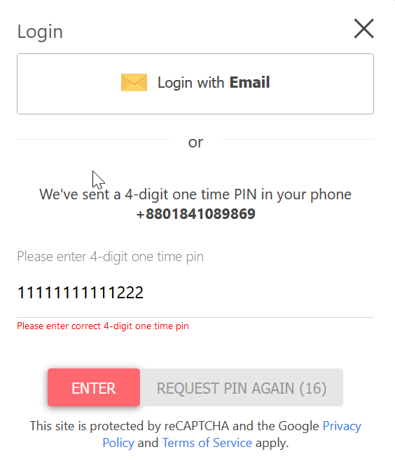
TC_WebApp_login_09 | Checking the login functionality by poviding invalid OTP | If the OTP is invalid User should see error message. User can click on the Request OTP button for new OTP Requst OTP button should be active after 20 sec | 1.From home page the user must see the option of SignIn/SignUp 2. User must be inside the SignUp / Login window 3. Must be able to provide value in the input field 4.Must provide active and valid mobile number. |  | 1.invalid OTP: ####(special characters) | Perform Step1-Step4, Step5: invalid OTP. Step6: Click Enter. | User will get the error message invalid OTP but Request PIN Again Button stops working. And request again button should work. | User gets the error message invalid OTP but Request PIN Again Button stops working. And the count down stops | WARNING
TC_WebApp_login_10 | Enter valid moble number and valid OTP | If the OTP is invalid User should see error message. User can click on the Request OTP button for new OTP Requst OTP button should be active after 20 sec |  |  | 1. valid mobile number :+8801787449171 2. Valid OTP | Step1: Goto URL-> Step2: Click Sign in -> Step3: Enter valid mobile number. Step4: Click Signup/ Login Step5: valid OTP. Step6: Click Enter | User should be able to see the OTP pop up window. | OTP pop window | PASS
TC_MobApp_login_01 | Checking the number field by clicking on it . | The number field will have predfined country code number. OTP should to entered within 20 sec otherwise wont be accepted | 1. User must be inside the valid App . 2. Need to click on the Head Icon. 3. Need to click on the number field. | Mobile APP |  | Step 1: Open App -> Step 2: click on the head icon on the left > step 3 : Click on the number field | Cursor will appear in the text field and user will be able to enter mobile number. |  | PASS
TC_MobApp_login_02 | checking the login functionality with Mobile number and valid OTP | After entering valid mobile number and OTP, user must sign in or sign up to the system | 1. User must be inside the valid App . 2. Need to click on the Head Icon. 3. Need to click on the number field. |  | 1. Valid mobile number :+8801787449171 2. Valid OTP which is generated | Step 1: Open App -> Step 2: click on the head icon on the left > step 3 : Click on the number field > Step 4: Enter valid mobile number > Step 5: Click Login with OTP button > Step 6 : Enter valid OTP | User will log on to the system and can see home page. | User log in to the system and can browse the home page. | PASS
TC_MobApp_login_03 | Checking the login functionality with invalid mobile number | If the number is invalid user should be see error message. | 1. User must be inside the valid App . 2. Need to click on the Head Icon. 3. Need to click on the number field. |  | 1. invalid mobile number: +88+xxxxxxxxxx(number/characters) | Step 1: Open App -> Step 2: click on the head icon on the left > step 3 : Click on the number field > Step 4: Enter invalid mobile number > Step5 : Click login with OTP | User will get error message | User gets error message | PASS
TC_MobApp_login_04 | Checking the login functionality by keeping the number field empty | Should get error message | 1. User must be inside the valid App . 2. Need to click on the Head Icon. 3. Need to click on the number field. |  | 1.keeping mobile number field: +88 | Step 1: Open App -> Step 2: click on the head icon on the left > step 3 : Click on the number field > Step 4: empty number field> Step5 : Click login with OTP | User should get the error for Phone number Cannot be Empty. | A message shows error "invalid Phone number" | PASS
TC_MobApp_login_05 | Checking the login functionality by deleting the counrty code number and clicking on the login with OTP | Should get error message if the number field is empty | 1. User must be inside the valid App . 2. Need to click on the Head Icon. 3. Need to click on the number field. |  | 1. invalid mobile number: + | Step 1: Open App -> Step 2: click on the head icon on the left > step 3 : Click on the number field > Step 4: empty number field> Step5 : Click login with OTP | User should get the error for invaiid Phone number. | System crashes no error message. | FAIL
TC_MobApp_login_06 | Checking the login functionality by invalid OTP | Should get error message if the number field is empty | 1. User must be inside the valid App . 2. Need to click on the Head Icon. 3. Need to click on the number field. 4. Need to provide valid mobile number 5 . Need to click on the login with Opt button. |  | 1. invalid OTP : XXXXX(number / charracters) | Step 1: Open App -> Step 2: click on the head icon on the left > step 3 : Click on the number field > Step 4: empty number field> Step5 : Click login with OTP > Step 6: Entering Invalid Otp | User should get the error for invaiid OTP. And will be able to re Enter the OTP with in the time limit | User gets the error for invaiid OTP. But cannot re enter the OTP , System Crashes. | FAIL
TC_MobApp_login_06 | Enter invalid OTP more than 4 digits. |  | 1. User must be inside the valid App . 2. Need to click on the Head Icon. 3. Need to click on the number field. 4. Need to provide valid mobile number 5 . Need to click on the login with Opt button. |  | 1.invalid OTP: XXXXXXX | Step 1: Open App -> Step 2: click on the head icon on the left > step 3 : Click on the number field > Step 4: empty number field> Step5 : Click login with OTP > Step 6: Entering Invalid Otp | User should get the error message invalid OTP and the length should be 4 digit and OTP resend should work after 20sec. | User gets the error for invaiid OTP. But cannot re enter the OTP , System Crashes. | FAIL
TC_MobApp_login_07 | Keeping the OTP field Emtpy. |  | Valid URL. Valid mobile number. |  | 1. Invalid OTP: (empty) | Step 1: Open App -> Step 2: click on the head icon on the left > step 3 : Click on the number field > Step 4: empty number field> Step5 : Click login with OTP > Step 6: Entering Invalid Otp | User should get the error message invalid OTP and the length should be 4 digit and OTP resend should work after 20sec. | User gets the error for invaiid OTP. But cannot re enter the OTP , System Crashes. | FAIL

