Osciloscope_screen
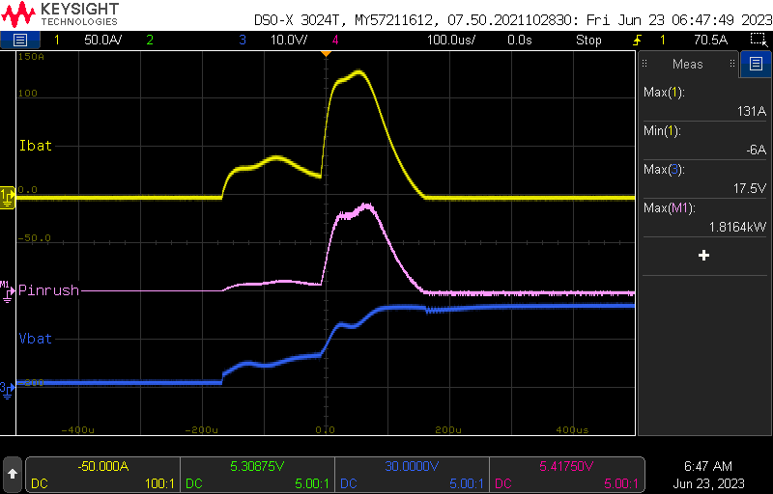
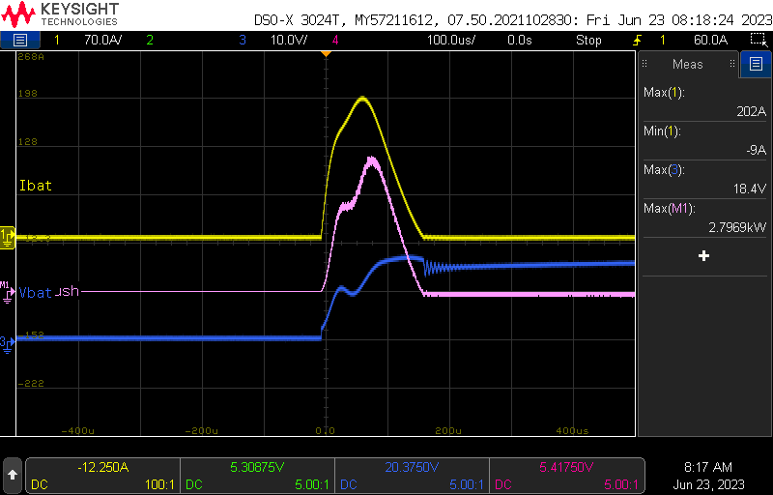
V1_270uF
without switch | with switch
U_nom | U_nom
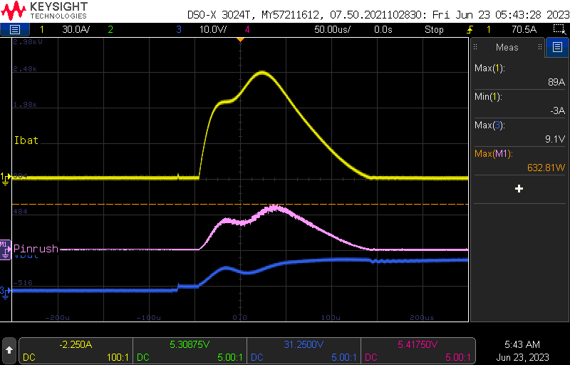
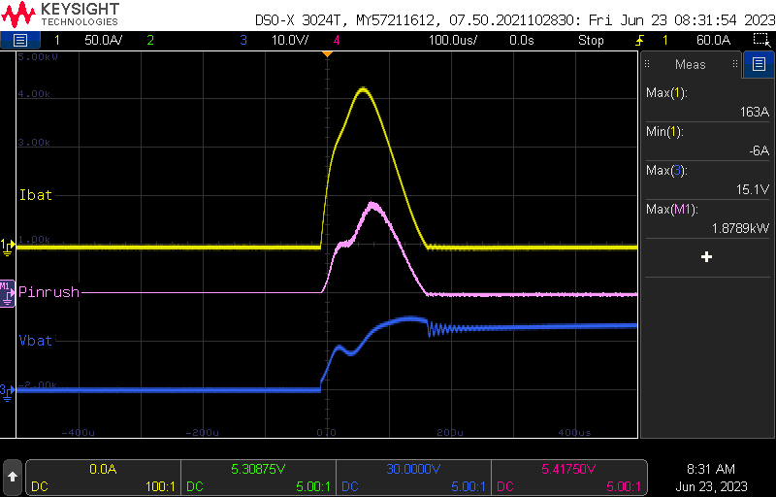

U_op_min | U_op_min
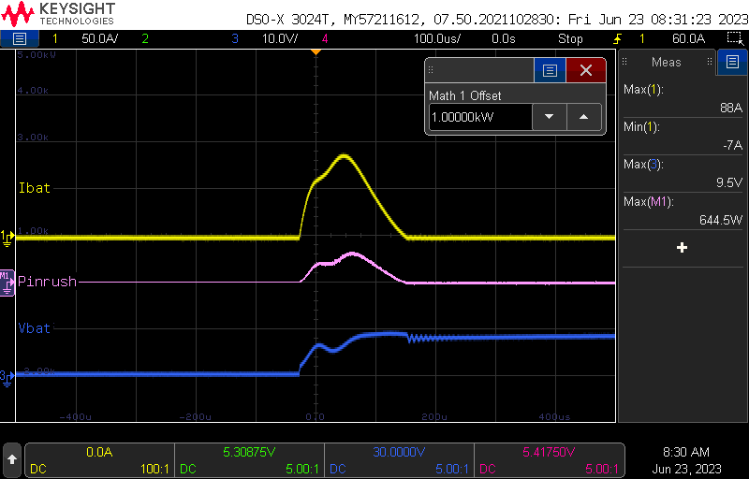

O_op_max | O_op_max
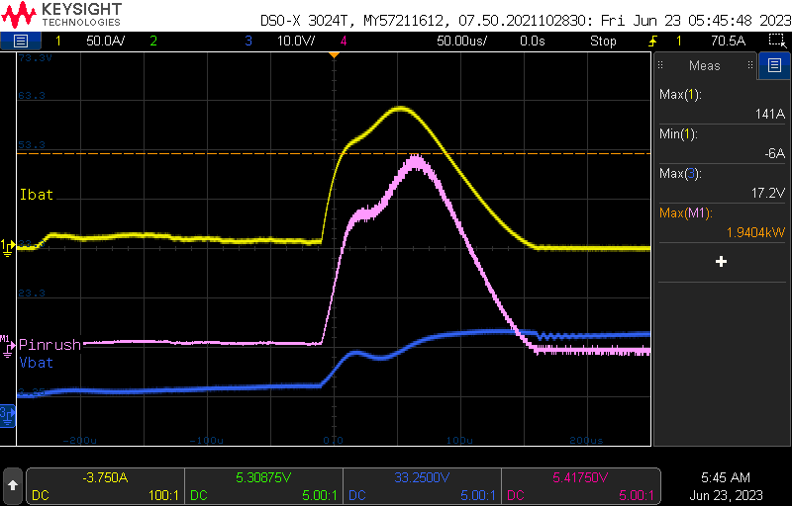
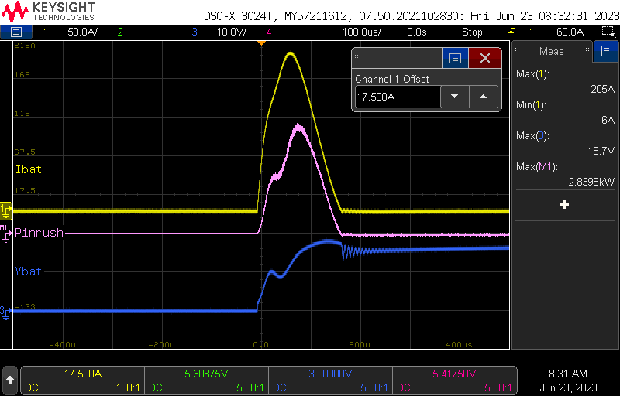

V2_330uF
U_nom | U_nom
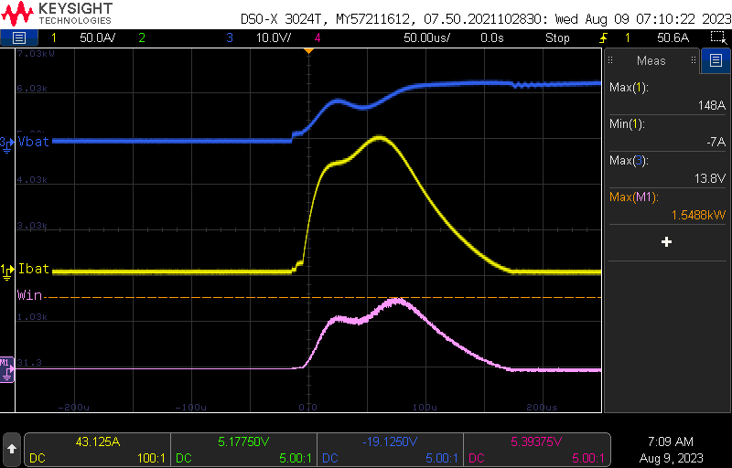
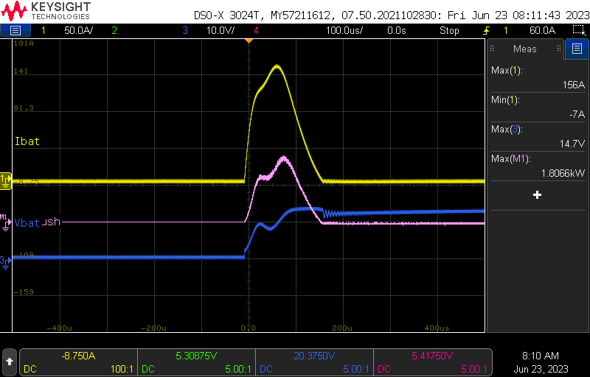

U_op_min | U_op_min
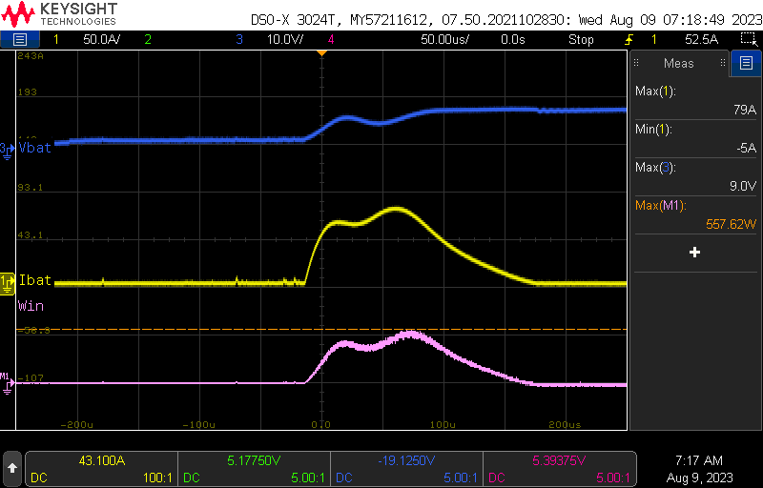
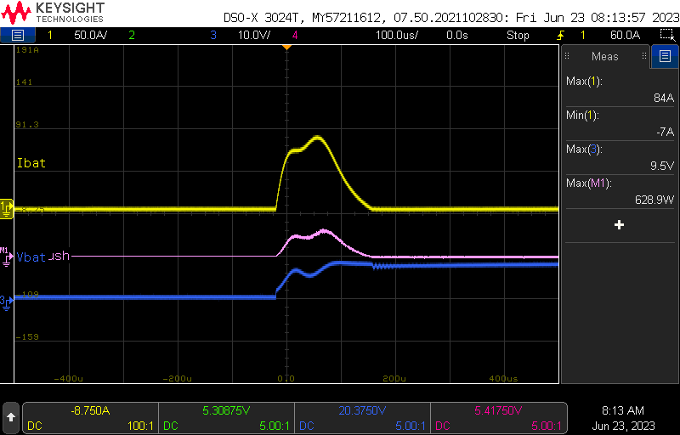

U_op_max | U_op_max
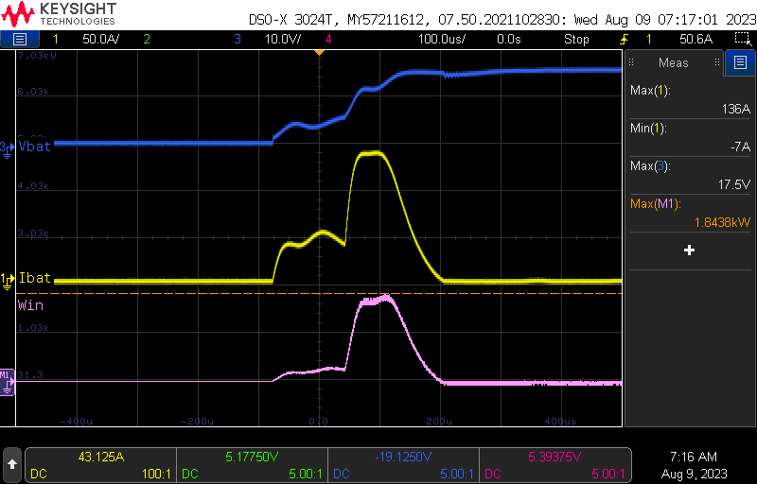


V3_330uF_64kB
U_nom | U_nom
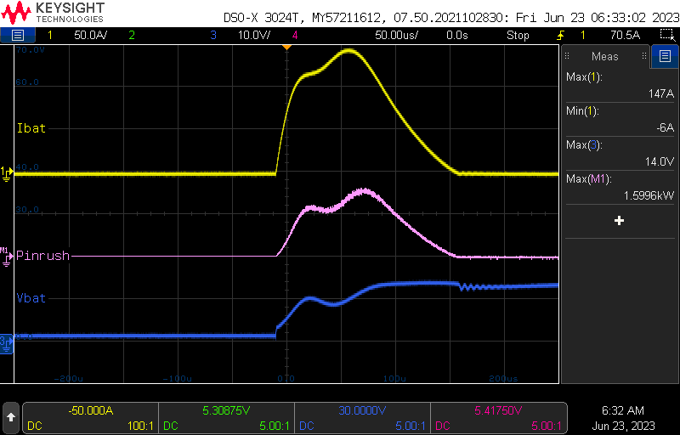
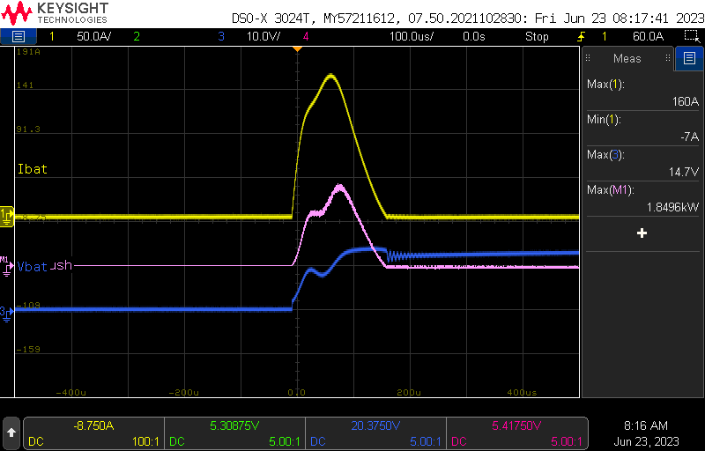

U_op_min | U_op_min
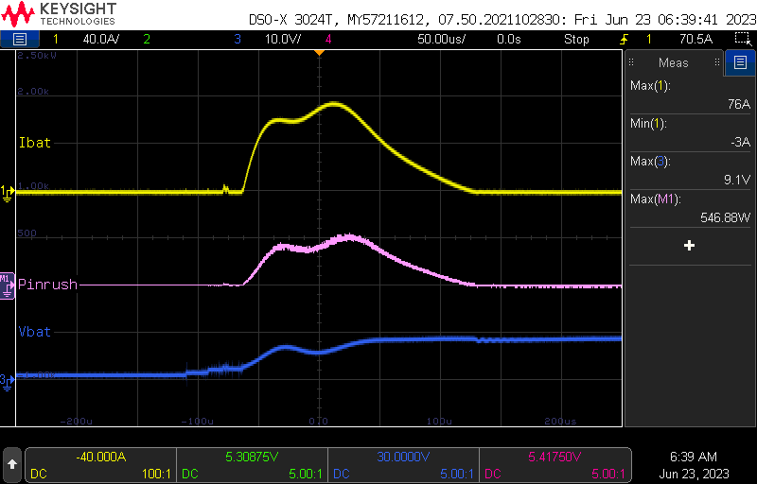
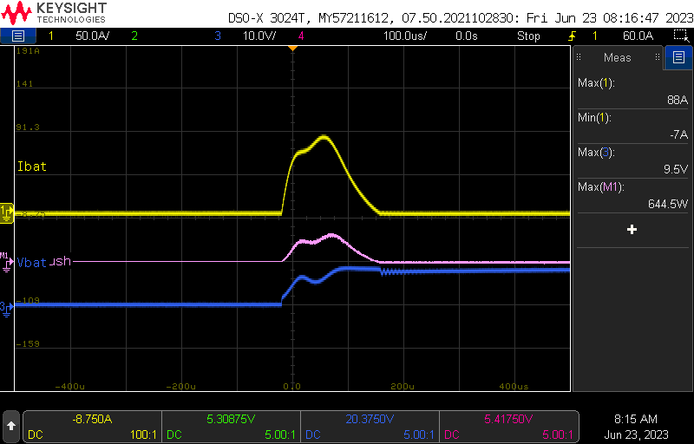

U_op_max | U_op_max

USED MEASURING EQUIPMENT
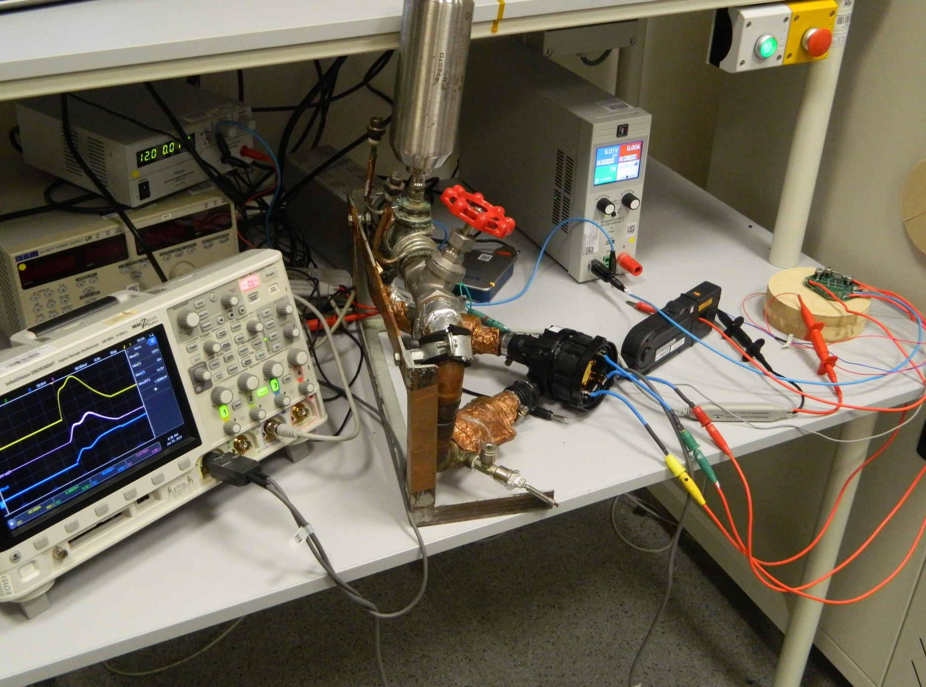
 |  | PN
EA-PSI9080-60 T | Power supply | EE-Z-D0443
Keysight DSOX3024 | Osciloscope | EE-Z-D-0372
Keysight N2781B | 150A Current probe | EE-Z-D0307
NI-XNET USB-8506 | LIN interface | EE-Z-H-0089
TTI QL355TP | Power supply (for LIN interface) | Z-D-0110
WKS ufi75 | Signal Switch

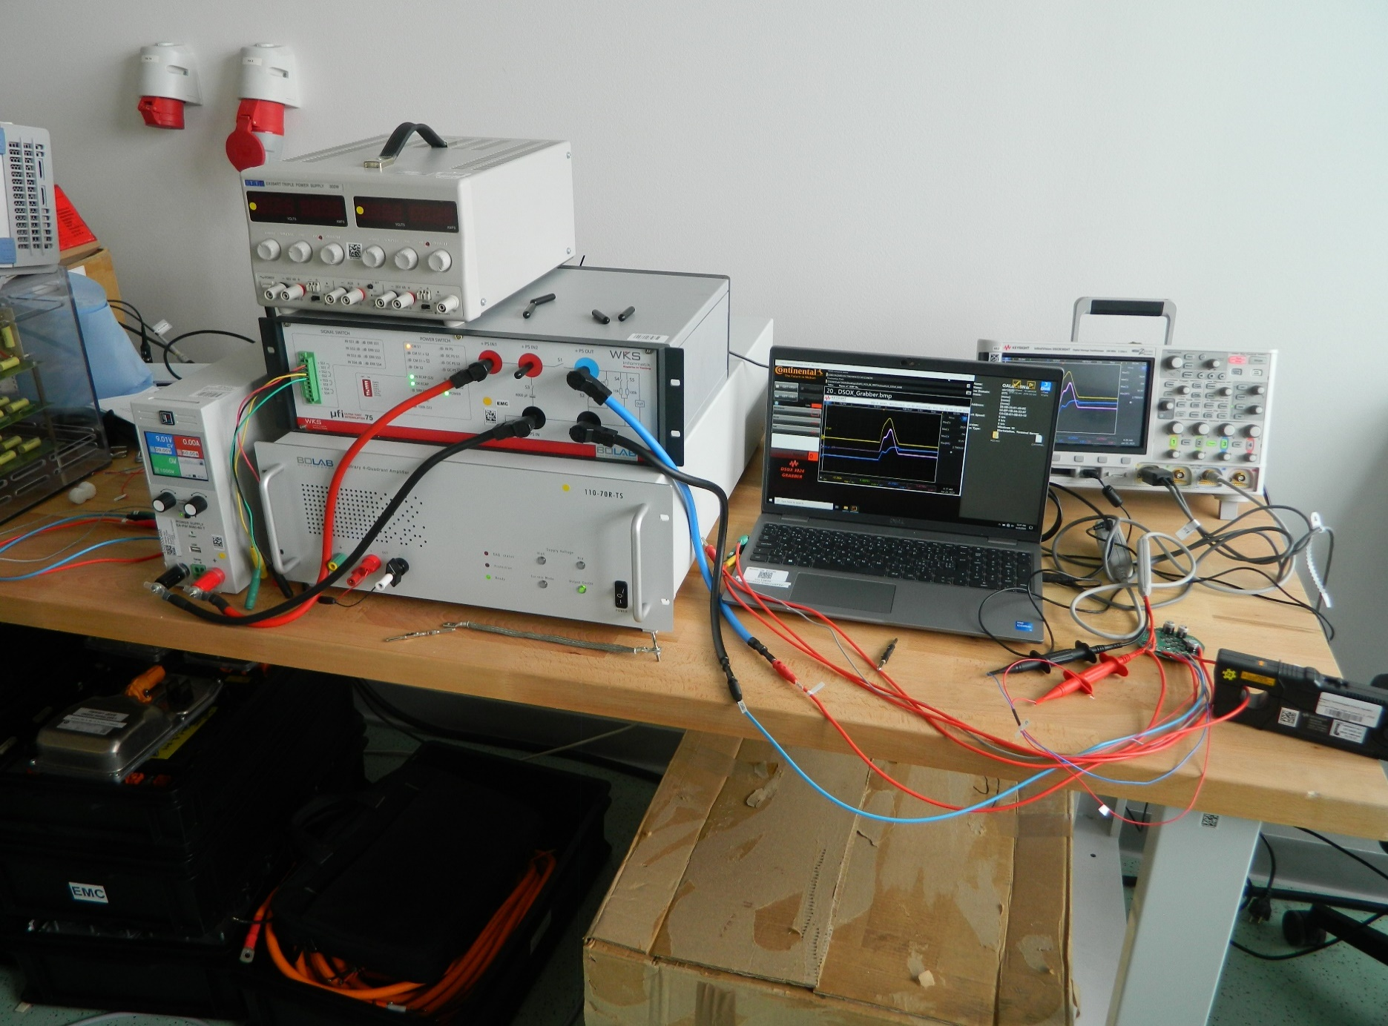
Test setup (with switcher) |  |  | Block diagram
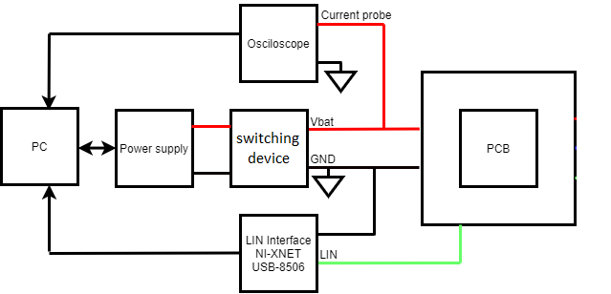

Test setup (without switcher)

