Summarized Data
What Party Types are available?
Has A? | Has D? | Has P? | Has Y? | Has C? | Has I? | Has T? | Has M? | Total
6956 | 12915 | 6584 | 1 | 7 | 2 | 1 | 2 | 14382
48% | 90% | 46% | 0% | 0% | 0% | 0% | 0%

How many defendents per case?
1 | 10046 |  |  | Avg: | 1.2474641889
2 | 2605 |  |  | Max: | 7
3 | 218 |  |  | Median: | 1
4 | 35
Histogram of Count of Defendents
1 | 10046
2 | 2605
3 | 218
4 | 35
5 | 7
6 | 2
7 | 2
5 | 7
6 | 2
7 | 2

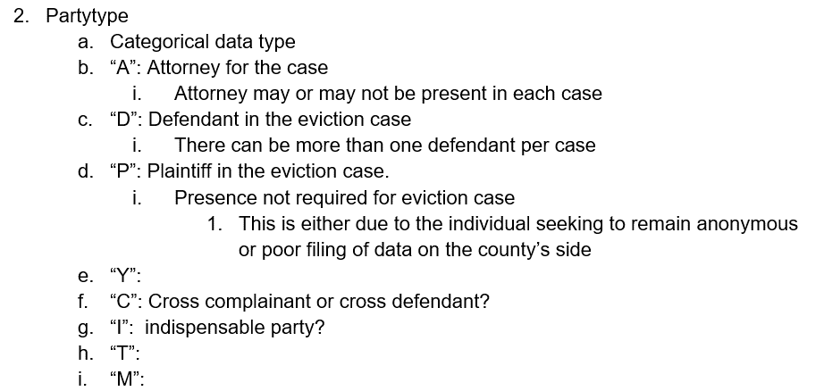
How many cases have a favor party?
4912
34%

When there is a favor party, who is it?
Row Labels | Distinct Count of casenbr
D | 7 | 0.14%
P | 4905 | 99.86%
Grand Total | 4912

