Pioneer.shapiro.test
 | GAR | MIR | SAR | WHI | GAR | MIR | SAR | WHI | GAR | MIR | SAR | WHI | GAR | MIR | SAR | WHI
 | 1 | 1 | 1 | 1 | 2 | 2 | 2 | 2 | 3 | 3 | 3 | 3 | 4 | 4 | 4 | 4
 | V1 | V2 | V3 | V4 | V5 | V6 | V7 | V8 | V9 | V10 | V11 | V12 | V13 | V14 | V15 | V16
PD | 0.00021002517303 | 0.025092923507 | 4.15E-07 | 5.18E-08 | 0.00092163193421 | 0.40552488533 | 1.53E-08 | 7.42E-06 | 1.30E-10 | 0.059659357601 | 4.90E-13 | 3.32E-08 | 5.53E-11 | 9.33E-11 | 1.79E-18 | 3.59E-16 | 1.00E-02
FE | 5.42E-06 | 6.07E-09 | 5.31E-09 | 1.03E-08 | 1.74E-05 | 0.0033891810917 | 4.07E-10 | 7.39E-08 | 9.27E-10 | 3.25E-09 | 5.75E-15 | 9.18E-10 | 4.49E-14 | 2.23E-05 | 4.85E-20 | 1.16E-14

 |  |  |  |  |  |  |  |  |  |  |  |  |  |  |  | https://stats.stackexchange.com/questions/460131/using-shapiro-wilk-test-to-explain-p-values#:~:text=A%20Shapiro%2DWilk%20test%20is,your%20data%20is%20non%2Dnormal.
https://stats.stackexchange.com/questions/460131/using-shapiro-wilk-test-to-explain-p-values#:~:text=A%20Shapiro%2DWilk%20test%20is,your%20data%20is%20non%2Dnormal.
"A Shapiro-Wilk test is the test to check the normality of the data. The null hypothesis for Shapiro-Wilk test is that your data is normal, and if the p-value of the test if less than 0.05, then you reject the null hypothesis at 5% significance and conclude that your data is non-normal."
 | A sample is normally distributed if the p.value is

 |  |  |  |  | Mirani PD for seasons (1&)2&3 looks most normally distributed!

 |  |  |  |  | Is p the probability that a sample is the same as a normal distribution?
 | Conclusion:
 | The data is non-normal for 30 out of 32 values, and all PD-FE comparisons are affected, and only the PD samples for Mirani for seasons 2&3 are normally distributed (at 0.05 p-value)
 | Consequently, the strongest statements regarding significance of change should be based on non-parametric tests.

Pioneer.t.test
 | Comment | V1 | V2 | V3 | V4 | V5 | V6 | V7 | V8 | V9 | V10 | V11 | V12 | V13 | V14 | V15 | V16
Site | Site | Gargett | Mirani | Sarichs | Whiteford | Gargett | Mirani | Sarichs | Whiteford | Gargett | Mirani | Sarichs | Whiteford | Gargett | Mirani | Sarichs | Whiteford
Season | Season | 1 | 1 | 1 | 1 | 2 | 2 | 2 | 2 | 3 | 3 | 3 | 3 | 4 | 4 | 4 | 4
Site*Season |  | Gargett * 1 | Mirani * 1 | Sarichs * 1 | Whiteford * 1 | Gargett * 2 | Mirani * 2 | Sarichs * 2 | Whiteford * 2 | Gargett * 3 | Mirani * 3 | Sarichs * 3 | Whiteford * 3 | Gargett * 4 | Mirani * 4 | Sarichs * 4 | Whiteford * 4
1 |  | c(t = -0.947495261880739) | c(t = 6.27073432421792) | c(t = 2.1002375177811) | c(t = 1.73566565321536) | c(t = -0.480644326947102) | c(t = 7.58634044372677) | c(t = 1.59905673087619) | c(t = 2.01142438016532) | c(t = 4.82061911771812) | c(t = 6.06365439088844) | c(t = 1.98468370862774) | c(t = 2.16247883811417) | c(t = -9.2437063393667) | c(t = -10.6037513426512) | c(t = 1.73774347867007) | c(t = 0.269422528771001)
parameter |  | c(df = 256.915349512748) | c(df = 255.903354307604) | c(df = 255.433169413815) | c(df = 255.026069648615) | c(df = 257.785175874277) | c(df = 247.615897523807) | c(df = 257.48278284499) | c(df = 257.699398768298) | c(df = 257.34738920684) | c(df = 242.779092722829) | c(df = 252.234458961111) | c(df = 255.146402491615) | c(df = 240.710939960309) | c(df = 257.261204812812) | c(df = 228.956557413051) | c(df = 246.053409820029)
p.value | Box: no signif. Difference (p=0.05) / () for p=0.01 | 0.34427680727 | 1.52E-09 | 0.03668869556 | 0.083830839646 | 0.63117695653 | 6.65E-13 | 0.11103433077 | 0.045321761351 | 2.45E-06 | 5.06E-09 | 0.048263128119 | 0.0315107451 | 1.31E-17 | 4.95E-22 | 0.083600611634 | 0.78783035002
conf.int.low |  | -2.1207563794 | 1.8792595725 | 0.049723888786 | -0.043852922892 | -1.6071294167 | 3.4479343569 | -0.42177210721 | 0.022556944097 | 1.0376722684 | 2.0524533744 | 0.0086350468124 | 0.063767686048 | -4.5480191389 | -4.9634753904 | -0.045341532741 | -0.23834815119
conf.int.high |  | 0.74291022553 | 3.5999711967 | 1.5453530343 | 0.69539138443 | 0.97651403204 | 5.8660656431 | 4.0657721072 | 2.1271353636 | 2.4709431163 | 4.0275466256 | 2.2359803378 | 1.3639246216 | -2.9501347073 | -3.4086784558 | 0.72272614813 | 0.31388661273
estimate.PD |  | 11.970384615 | 7.8223076923 | 3.88 | 1.9146153846 | 14.269692308 | 14.318153846 | 10.455769231 | 5.9137692308 | 9.6445384615 | 9.3516923077 | 3.9293076923 | 3.2753076923 | 5.7864615385 | 3.3717692308 | 0.91838461538 | 0.86484615385
estimate.FE |  | 12.659307692 | 5.0826923077 | 3.0824615385 | 1.5888461538 | 14.585 | 9.6611538462 | 8.6337692308 | 4.8389230769 | 7.8902307692 | 6.3116923077 | 2.807 | 2.5614615385 | 9.5355384615 | 7.5578461538 | 0.57969230769 | 0.82707692308
Difference |  | 0.94557971939
null.value |  | c(`difference in means` = 0) | c(`difference in means` = 0) | c(`difference in means` = 0) | c(`difference in means` = 0) | c(`difference in means` = 0) | c(`difference in means` = 0) | c(`difference in means` = 0) | c(`difference in means` = 0) | c(`difference in means` = 0) | c(`difference in means` = 0) | c(`difference in means` = 0) | c(`difference in means` = 0) | c(`difference in means` = 0) | c(`difference in means` = 0) | c(`difference in means` = 0) | c(`difference in means` = 0)
stderr |  | 0.72709923167 | 0.43688908555 | 0.37973727009 | 0.18769123544 | 0.65601043148 | 0.61386646626 | 1.1394217383 | 0.53437065019 | 0.36391750716 | 0.50134783483 | 0.56548440813 | 0.33010549804 | 0.40558156928 | 0.39477320693 | 0.19490351243 | 0.14018586694
alternative |  | two.sided | two.sided | two.sided | two.sided | two.sided | two.sided | two.sided | two.sided | two.sided | two.sided | two.sided | two.sided | two.sided | two.sided | two.sided | two.sided
method |  | Welch Two Sample t-test | Welch Two Sample t-test | Welch Two Sample t-test | Welch Two Sample t-test | Welch Two Sample t-test | Welch Two Sample t-test | Welch Two Sample t-test | Welch Two Sample t-test | Welch Two Sample t-test | Welch Two Sample t-test | Welch Two Sample t-test | Welch Two Sample t-test | Welch Two Sample t-test | Welch Two Sample t-test | Welch Two Sample t-test | Welch Two Sample t-test
data.name | S1 etc contain years & 8 columns of avg habitat | S1[2] and S1[3] | S1[4] and S1[5] | S1[6] and S1[7] | S1[8] and S1[9] | S2[2] and S2[3] | S2[4] and S2[5] | S2[6] and S2[7] | S2[8] and S2[9] | S3[2] and S3[3] | S3[4] and S3[5] | S3[6] and S3[7] | S3[8] and S3[9] | S4[2] and S4[3] | S4[4] and S4[5] | S4[6] and S4[7] | S4[8] and S4[9]

Visually different (~ 33% to over 50 % difference between averages) |  |  |  |  | x | x | x | x | x |  | Interpretation:

https://stats.stackexchange.com/questions/460131/using-shapiro-wilk-test-to-explain-p-values#:~:text=A%20Shapiro%2DWilk%20test%20is,your%20data%20is%20non%2Dnormal.
"A Shapiro-Wilk test is the test to check the normality of the data. The null hypothesis for Shapiro-Wilk test is that your data is normal, and if the p-value of the test if less than 0.05, then you reject the null hypothesis at 5% significance and conclude that your data is non-normal."
 |  | H0 | Same mean value for both samples |  |  |  |  |  |  |  | The t-test for paired data matches the data well (except where strongly zero-inflated), therefore stronger than non-parametric tests!
? t.test |  | H1 | Different mean values |  |  |  |  |  |  |  | Should test for normality!
Student's t-Test:

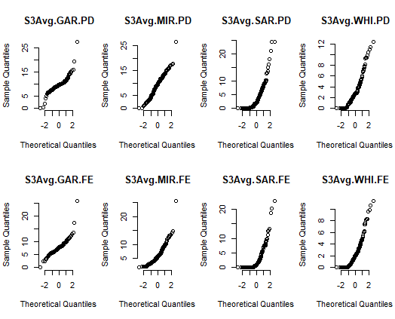
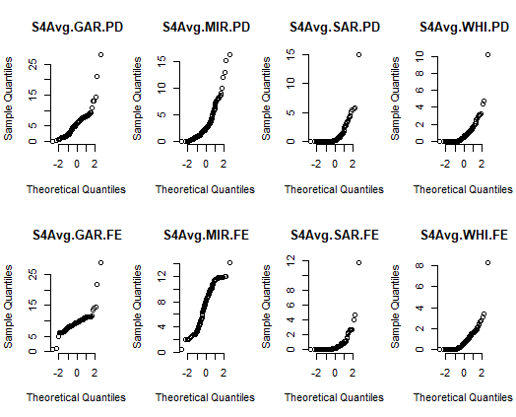
 |  | Q Q norm plots |  | C:\github.c\Periphyton\data\visualization
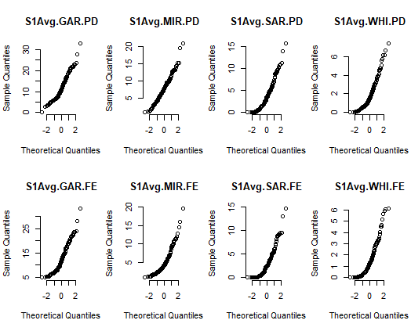
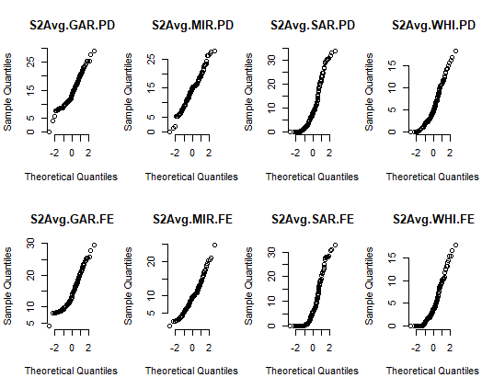

 | The most similar PD/FE values! CHECK! | 0.34427680727 |  |  |  | 0.63117695653 |  |  |  |  |  | 0.048263128119 |  |  |  |  | 0.78783035002
 | The most different PD/FE values! CHECK! |  | 1.52E-09 |  |  |  | 6.65E-13 |  |  | 2.45E-06 | 5.06E-09 |  |  | 1.31E-17 | 4.95E-22
 |  |  | signif. less habitat in season 1 (Jan-Mar) for Mirani |  |  |  | signif. less habitat in season 2 (Apr-Jun) for Mirani |  |  | signif. less habitat in season 3 (Jul-Sep) for Gargett & Mirani |  |  |  | signif. more habitat in season 4 (Oct-Dec) for Gargett & Mirani

 | Using the t-test (for normally distributed data): | 13 of 16 site x season combinations are significantly different at p = 0.05 between PD and FE treatment. 12 combinations are

Pioneer.wilcox.test.summary
 | V1 | V2 | V3 | V4 | V5 | V6 | V7 | V8 | V9 | V10 | V11 | V12 | V13 | V14 | V15 | V16
Site | Gargett | Mirani | Sarichs | Whiteford | Gargett | Mirani | Sarichs | Whiteford | Gargett | Mirani | Sarichs | Whiteford | Gargett | Mirani | Sarichs | Whiteford
Season | 1 | 1 | 1 | 1 | 2 | 2 | 2 | 2 | 3 | 3 | 3 | 3 | 4 | 4 | 4 | 4
1 | 445 | 7734.5 | 7334 | 6405 | 176.5 | 8334 | 7690 | 7832 | 7922.5 | 7684.5 | 6411.5 | 7190 | 45 | 1201 | 3909.5 | 3745
2 | 7.69E-18 | 6.57E-16 | 6.44E-18 | 2.22E-12 | 5.64E-21 | 2.76E-21 | 2.36E-20 | 1.08E-20 | 1.84E-18 | 1.69E-15 | 6.22E-20 | 1.14E-20 | 1.28E-22 | 1.24E-12 | 6.26E-06 | 0.039038190073 |  | 0.05
 | This is the probability of both samples being as different as they are, with the null-hypothesis in place. i.e.: It cannot be!
The most similar PD/FE values! 1 of 3! | 7.6857910985E-18 | 6.5662601824E-16 |  |  | 5.6396556226E-21 |  |  |  |  |  |  |  |  |  |  | 0.039038190073 | The most similar values!
The most different PD/FE values! NOT FOUND! | 7.69E-18 | 1.52E-09 | 6.44E-18 | 2.22E-12 |  | 6.65E-13 | 2.36E-20 | 1.08E-20 | 2.45E-06 | 5.06E-09 | 6.22E-20 | 1.14E-20 | 1.31E-17 | 4.95E-22 | 6.26E-06 |  | The most different values!

 | wilcox.test {PairedData}
 | Wilcoxon's signed rank test for paired data

 | H0 | Median difference is 0! |  |  |  | If p-value is small (<0.05), null-hypothesis is to be rejected, so alt. hypothesis accepted: "Median difference is different to 0, so "statistically significantly different'!
 | HA | Median difference is NOT 0! |  |  |  | https://www.youtube.com/watch?v=v4ZHlTbTOK8

 |  |  |  |  |  | "What is the probability of the observed distributions being different, if the Null-hypothesis is true?"
 |  |  |  |  |  | "The p-value is the probability that both samples are from the same distribution."
 |  |  |  |  |  | So a tiny p-value (<0.5) means the Null is rejected! What we see cannot be according to Null-hypothesis.
 | Comment:
 | Wilcoxon test (of difference of means of two samples) seems less rigorous than normal t-test to prove that the Null-hypothesis is true, i.e. it is weaker in detecting sifnificant difference.

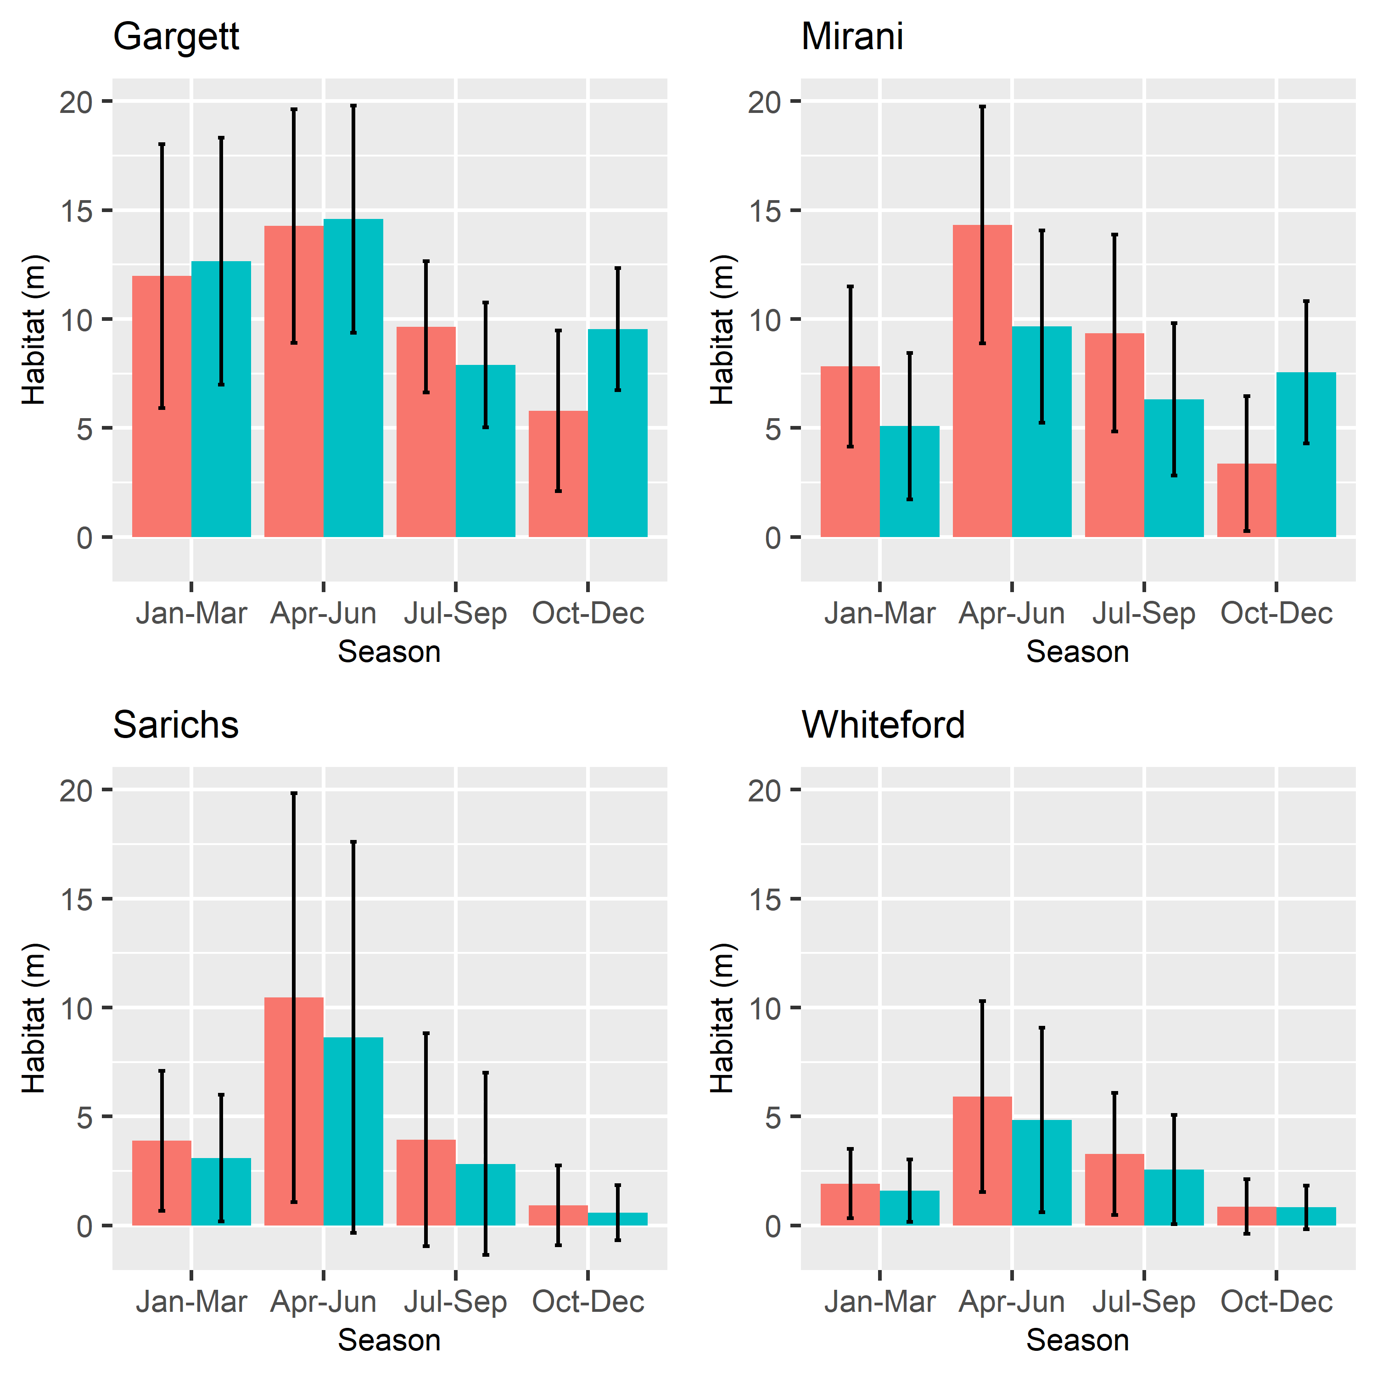
 |  |  |  |  |  |  |  |  |  |  |  | Interpretation:

 |  |  |  |  |  |  |  |  |  |  |  | Wilcoxon's signed rank test for paired data is non-parametric test, therefore behaves differently to the t-test (which is based on the normal distribution)!

Kruskal.Wallis.chi2.summary
 | V1 | V2 | V3 | V4 | V5 | V6 | V7 | V8 | V9 | V10 | V11 | V12 | V13 | V14 | V15 | V16
Site | Gargett | Mirani | Sarichs | Whiteford | Gargett | Mirani | Sarichs | Whiteford | Gargett | Mirani | Sarichs | Whiteford | Gargett | Mirani | Sarichs | Whiteford
Season | 1 | 1 | 1 | 1 | 2 | 2 | 2 | 2 | 3 | 3 | 3 | 3 | 4 | 4 | 4 | 4
statistic | 1.47 | 41.09 | 4.88 | 3.22 | 0.24 | 50.41 | 4.13 | 5.44 | 41.07 | 34.95 | 7.40 | 5.73 | 111.05 | 89.20 | 0.0046 | 0.49
parameter | 1 | 1 | 1 | 1 | 1 | 1 | 1 | 1 | 1 | 1 | 1 | 1 | 1 | 1 | 1 | 1 | p-signif
p.value | 0.22602281369 | 1.45E-10 | 0.02713774385 | 0.072717917908 | 0.6218897388 | 1.25E-12 | 0.042029106259 | 0.019727279038 | 1.47E-10 | 3.39E-09 | 0.0065065276895 | 0.016659438911 | 5.76E-26 | 3.57E-21 | 0.94567705116 | 0.48492084664 | 0.05
method | Kruskal-Wallis rank sum test | Kruskal-Wallis rank sum test | Kruskal-Wallis rank sum test | Kruskal-Wallis rank sum test | Kruskal-Wallis rank sum test | Kruskal-Wallis rank sum test | Kruskal-Wallis rank sum test | Kruskal-Wallis rank sum test | Kruskal-Wallis rank sum test | Kruskal-Wallis rank sum test | Kruskal-Wallis rank sum test | Kruskal-Wallis rank sum test | Kruskal-Wallis rank sum test | Kruskal-Wallis rank sum test | Kruskal-Wallis rank sum test | Kruskal-Wallis rank sum test
data.name | S1Avg.GAR | S1Avg.MIR | S1Avg.SAR | S1Avg.WHI | S2Avg.GAR | S2Avg.MIR | S2Avg.SAR | S2Avg.WHI | S3Avg.GAR | S3Avg.MIR | S3Avg.SAR | S3Avg.WHI | S4Avg.GAR | S4Avg.MIR | S4Avg.SAR | S4Avg.WHI
Scen | PD | FE | PD | FE | PD | FE | PD | FE | PD | FE | PD | FE | PD | FE | PD | FE

The most similar PD/FE values! CHECK! | 0.22602281369 |  |  |  | 0.6218897388 |  |  |  |  |  |  |  |  |  |  | 0.48492084664
The most different PD/FE values! CHECK! |  | 1.45E-10 |  |  |  | 1.25E-12 |  |  | 1.47E-10 | 3.39E-09 |  |  | 5.76E-26 | 3.57E-21
 |  |  |  |  |  |  |  |  |  |  |  |  |  |  | (both Sar & Whi are close to 0!)

Significantly different (chi2 test:) |  | y | y |  |  | y | y | y | y | y | y | y | y | y

Site | Gargett | Mirani | Sarichs | Whiteford | Gargett | Mirani | Sarichs | Whiteford | Gargett | Mirani | Sarichs | Whiteford | Gargett | Mirani | Sarichs | Whiteford | What the test means:
Season | 1 | 1 | 1 | 1 | 2 | 2 | 2 | 2 | 3 | 3 | 3 | 3 | 4 | 4 | 4 | 4
Normal Distribution (both samples) | n | n | n | n | n | n | n | n | n | n | n | n | n | n | n | n
(Zero-Truncation)
Significant Differences between treatments
 | 0.34 |  |  | 0.08 | 0.63 |  | 0.11 |  |  |  |  |  |  |  | 0.08 | 0.79
t-test (normal distribution)-different? | n | y | y | n | n | y | n | y | y | y | y | y | y | y | n | n

Wilcoxon's (non-parametric test)-different? | n | n | n | n | n | n | n | n | n | n | n | n | n | n | n | (n/y) | The higher the probability the more similar!
 | 0.23 |  |  | 0.07 | 0.62 |  |  |  |  |  |  |  |  |  | 0.95 | 0.48
Kruskal.Wallis (chi2 test, non-parametric)-different? | n | y | y | n | n | y | y | y | y | y | y | y | y | y | n | n | The higher the probability the more similar!
Habitat Loss/Gain (Kruskal.Wallis) | n/a | Loss | Loss | n/a | n/a | Loss | Loss | Loss | Loss | Loss | Loss | Loss | Gain | Gain | n/a | n/a | See also: | https://en.wikipedia.org/wiki/Kruskal%E2%80%93Wallis_one-way_analysis_of_variance
t

Visual comparison: | very similar | clearly less | "quite similar" | very similar | very similar | clearly less | less | less | clearly less | clearly less | less | "quite similar" | >50% more | >100% more | quite similar | very similar

https://stats.stackexchange.com/questions/460131/using-shapiro-wilk-test-to-explain-p-values#:~:text=A%20Shapiro%2DWilk%20test%20is,your%20data%20is%20non%2Dnormal.
"A Shapiro-Wilk test is the test to check the normality of the data. The null hypothesis for Shapiro-Wilk test is that your data is normal, and if the p-value of the test if less than 0.05, then you reject the null hypothesis at 5% significance and conclude that your data is non-normal."

