Pioneer.t.test
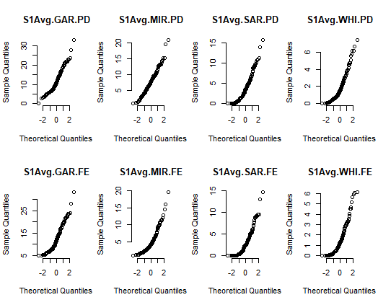
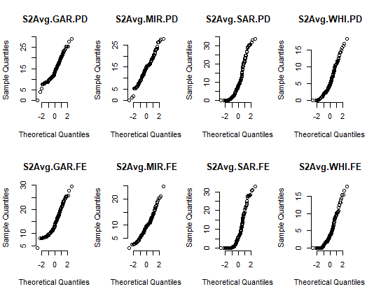
 | Comment | V1 | V2 | V3 | V4 | V5 | V6 | V7 | V8 | V9 | V10 | V11 | V12 | V13 | V14 | V15 | V16
Site |  | Gargett | Mirani | Sarichs | Whiteford | Gargett | Mirani | Sarichs | Whiteford | Gargett | Mirani | Sarichs | Whiteford | Gargett | Mirani | Sarichs | Whiteford
Season |  | 1 | 1 | 1 | 1 | 2 | 2 | 2 | 2 | 3 | 3 | 3 | 3 | 4 | 4 | 4 | 4
Site*Season |  | Gargett * 1 | Mirani * 1 | Sarichs * 1 | Whiteford * 1 | Gargett * 2 | Mirani * 2 | Sarichs * 2 | Whiteford * 2 | Gargett * 3 | Mirani * 3 | Sarichs * 3 | Whiteford * 3 | Gargett * 4 | Mirani * 4 | Sarichs * 4 | Whiteford * 4
1 |  | c(t = -0.947495261880739) | c(t = 6.27073432421792) | c(t = 2.1002375177811) | c(t = 1.73566565321536) | c(t = -0.480644326947102) | c(t = 7.58634044372677) | c(t = 1.59905673087619) | c(t = 2.01142438016532) | c(t = 4.82061911771812) | c(t = 6.06365439088844) | c(t = 1.98468370862774) | c(t = 2.16247883811417) | c(t = -9.2437063393667) | c(t = -10.6037513426512) | c(t = 1.73774347867007) | c(t = 0.269422528771001)
parameter |  | c(df = 256.915349512748) | c(df = 255.903354307604) | c(df = 255.433169413815) | c(df = 255.026069648615) | c(df = 257.785175874277) | c(df = 247.615897523807) | c(df = 257.48278284499) | c(df = 257.699398768298) | c(df = 257.34738920684) | c(df = 242.779092722829) | c(df = 252.234458961111) | c(df = 255.146402491615) | c(df = 240.710939960309) | c(df = 257.261204812812) | c(df = 228.956557413051) | c(df = 246.053409820029)
p.value |  | 0.34427680727 | 1.52E-09 | 0.03668869556 | 0.083830839646 | 0.63117695653 | 6.65E-13 | 0.11103433077 | 0.045321761351 | 2.45E-06 | 5.06E-09 | 0.048263128119 | 0.0315107451 | 1.31E-17 | 4.95E-22 | 0.083600611634 | 0.78783035002
conf.int |  | c(-2.12075637937954 | 0.742910225533389) | c(1.87925957250065 | 3.59997119673012) | c(0.0497238887858844 | 1.54535303429104) | c(-0.0438529228918351 | 0.695391384430297) | c(-1.60712941665429 | 0.976514032038909) | c(3.44793435686515 | 5.86606564313485) | c(-0.421772107209985 | 4.06577210720999) | c(0.0225569440968604 | 2.12713536359545) | c(1.0376722683572 | 2.47094311625818) | c(2.05245337444026 | 4.02754662555974) | c(0.00863504681244955 | 2.23598033780294) | c(0.0637676860484699 | 1.36392462164384) | c(-4.5480191388871 | -2.95013470726675) | c(-4.96347539039592 | -3.40867845575793) | c(-0.0453415327410582 | 0.722726148125673) | c(-0.238348151194712 | 0.313886612733174)
estimate |  | c(`mean of x` = 11.9703846153846 | `mean of y` = 12.6593076923077) | c(`mean of x` = 7.82230769230769 | `mean of y` = 5.08269230769231) | c(`mean of x` = 3.88 | `mean of y` = 3.08246153846154) | c(`mean of x` = 1.91461538461538 | `mean of y` = 1.58884615384615) | c(`mean of x` = 14.2696923076923 | `mean of y` = 14.585) | c(`mean of x` = 14.3181538461538 | `mean of y` = 9.66115384615385) | c(`mean of x` = 10.4557692307692 | `mean of y` = 8.63376923076923) | c(`mean of x` = 5.91376923076923 | `mean of y` = 4.83892307692308) | c(`mean of x` = 9.64453846153846 | `mean of y` = 7.89023076923077) | c(`mean of x` = 9.35169230769231 | `mean of y` = 6.31169230769231) | c(`mean of x` = 3.92930769230769 | `mean of y` = 2.807) | c(`mean of x` = 3.27530769230769 | `mean of y` = 2.56146153846154) | c(`mean of x` = 5.78646153846154 | `mean of y` = 9.53553846153846) | c(`mean of x` = 3.37176923076923 | `mean of y` = 7.55784615384615) | c(`mean of x` = 0.918384615384615 | `mean of y` = 0.579692307692308) | c(`mean of x` = 0.864846153846154 | `mean of y` = 0.827076923076923)
null.value |  | c(`difference in means` = 0) | c(`difference in means` = 0) | c(`difference in means` = 0) | c(`difference in means` = 0) | c(`difference in means` = 0) | c(`difference in means` = 0) | c(`difference in means` = 0) | c(`difference in means` = 0) | c(`difference in means` = 0) | c(`difference in means` = 0) | c(`difference in means` = 0) | c(`difference in means` = 0) | c(`difference in means` = 0) | c(`difference in means` = 0) | c(`difference in means` = 0) | c(`difference in means` = 0)
stderr |  | 0.72709923167 | 0.43688908555 | 0.37973727009 | 0.18769123544 | 0.65601043148 | 0.61386646626 | 1.1394217383 | 0.53437065019 | 0.36391750716 | 0.50134783483 | 0.56548440813 | 0.33010549804 | 0.40558156928 | 0.39477320693 | 0.19490351243 | 0.14018586694
alternative |  | two.sided | two.sided | two.sided | two.sided | two.sided | two.sided | two.sided | two.sided | two.sided | two.sided | two.sided | two.sided | two.sided | two.sided | two.sided | two.sided
method |  | Welch Two Sample t-test | Welch Two Sample t-test | Welch Two Sample t-test | Welch Two Sample t-test | Welch Two Sample t-test | Welch Two Sample t-test | Welch Two Sample t-test | Welch Two Sample t-test | Welch Two Sample t-test | Welch Two Sample t-test | Welch Two Sample t-test | Welch Two Sample t-test | Welch Two Sample t-test | Welch Two Sample t-test | Welch Two Sample t-test | Welch Two Sample t-test
data.name | S1 etc contain years & 8 columns of avg habitat | S1[2] and S1[3] | S1[4] and S1[5] | S1[6] and S1[7] | S1[8] and S1[9] | S2[2] and S2[3] | S2[4] and S2[5] | S2[6] and S2[7] | S2[8] and S2[9] | S3[2] and S3[3] | S3[4] and S3[5] | S3[6] and S3[7] | S3[8] and S3[9] | S4[2] and S4[3] | S4[4] and S4[5] | S4[6] and S4[7] | S4[8] and S4[9]

Visually different (~ 33% to over 50 % difference between averages) |  |  |  |  | x | x | x | x | x

? t.test
Student's t-Test:

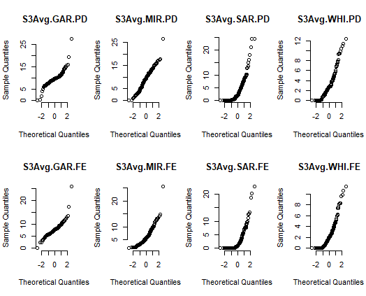
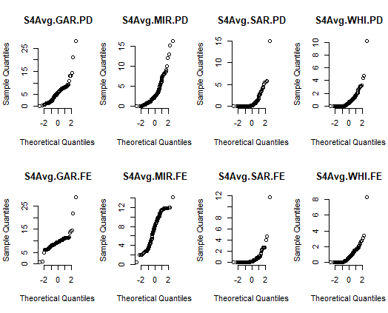
 |  | Q Q norm plots

