Telltale Layout
based on AS22 vehicle
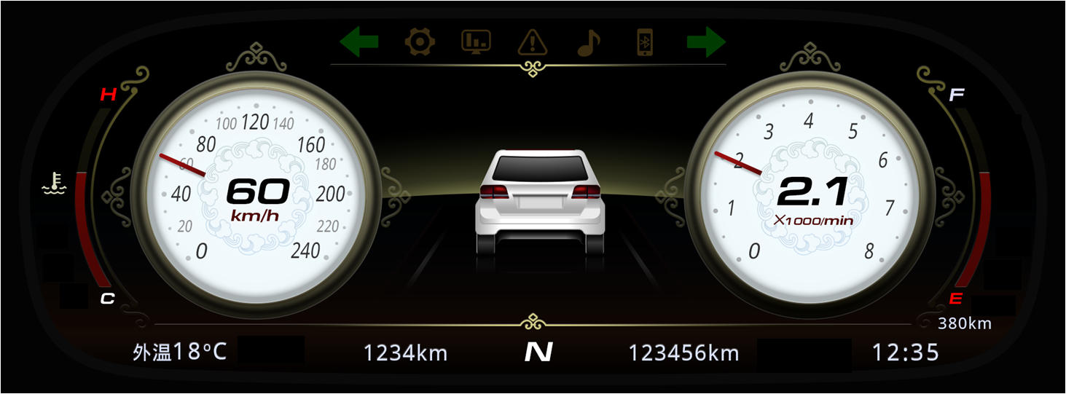

预留
120km/h

120

预留

