Sheet1
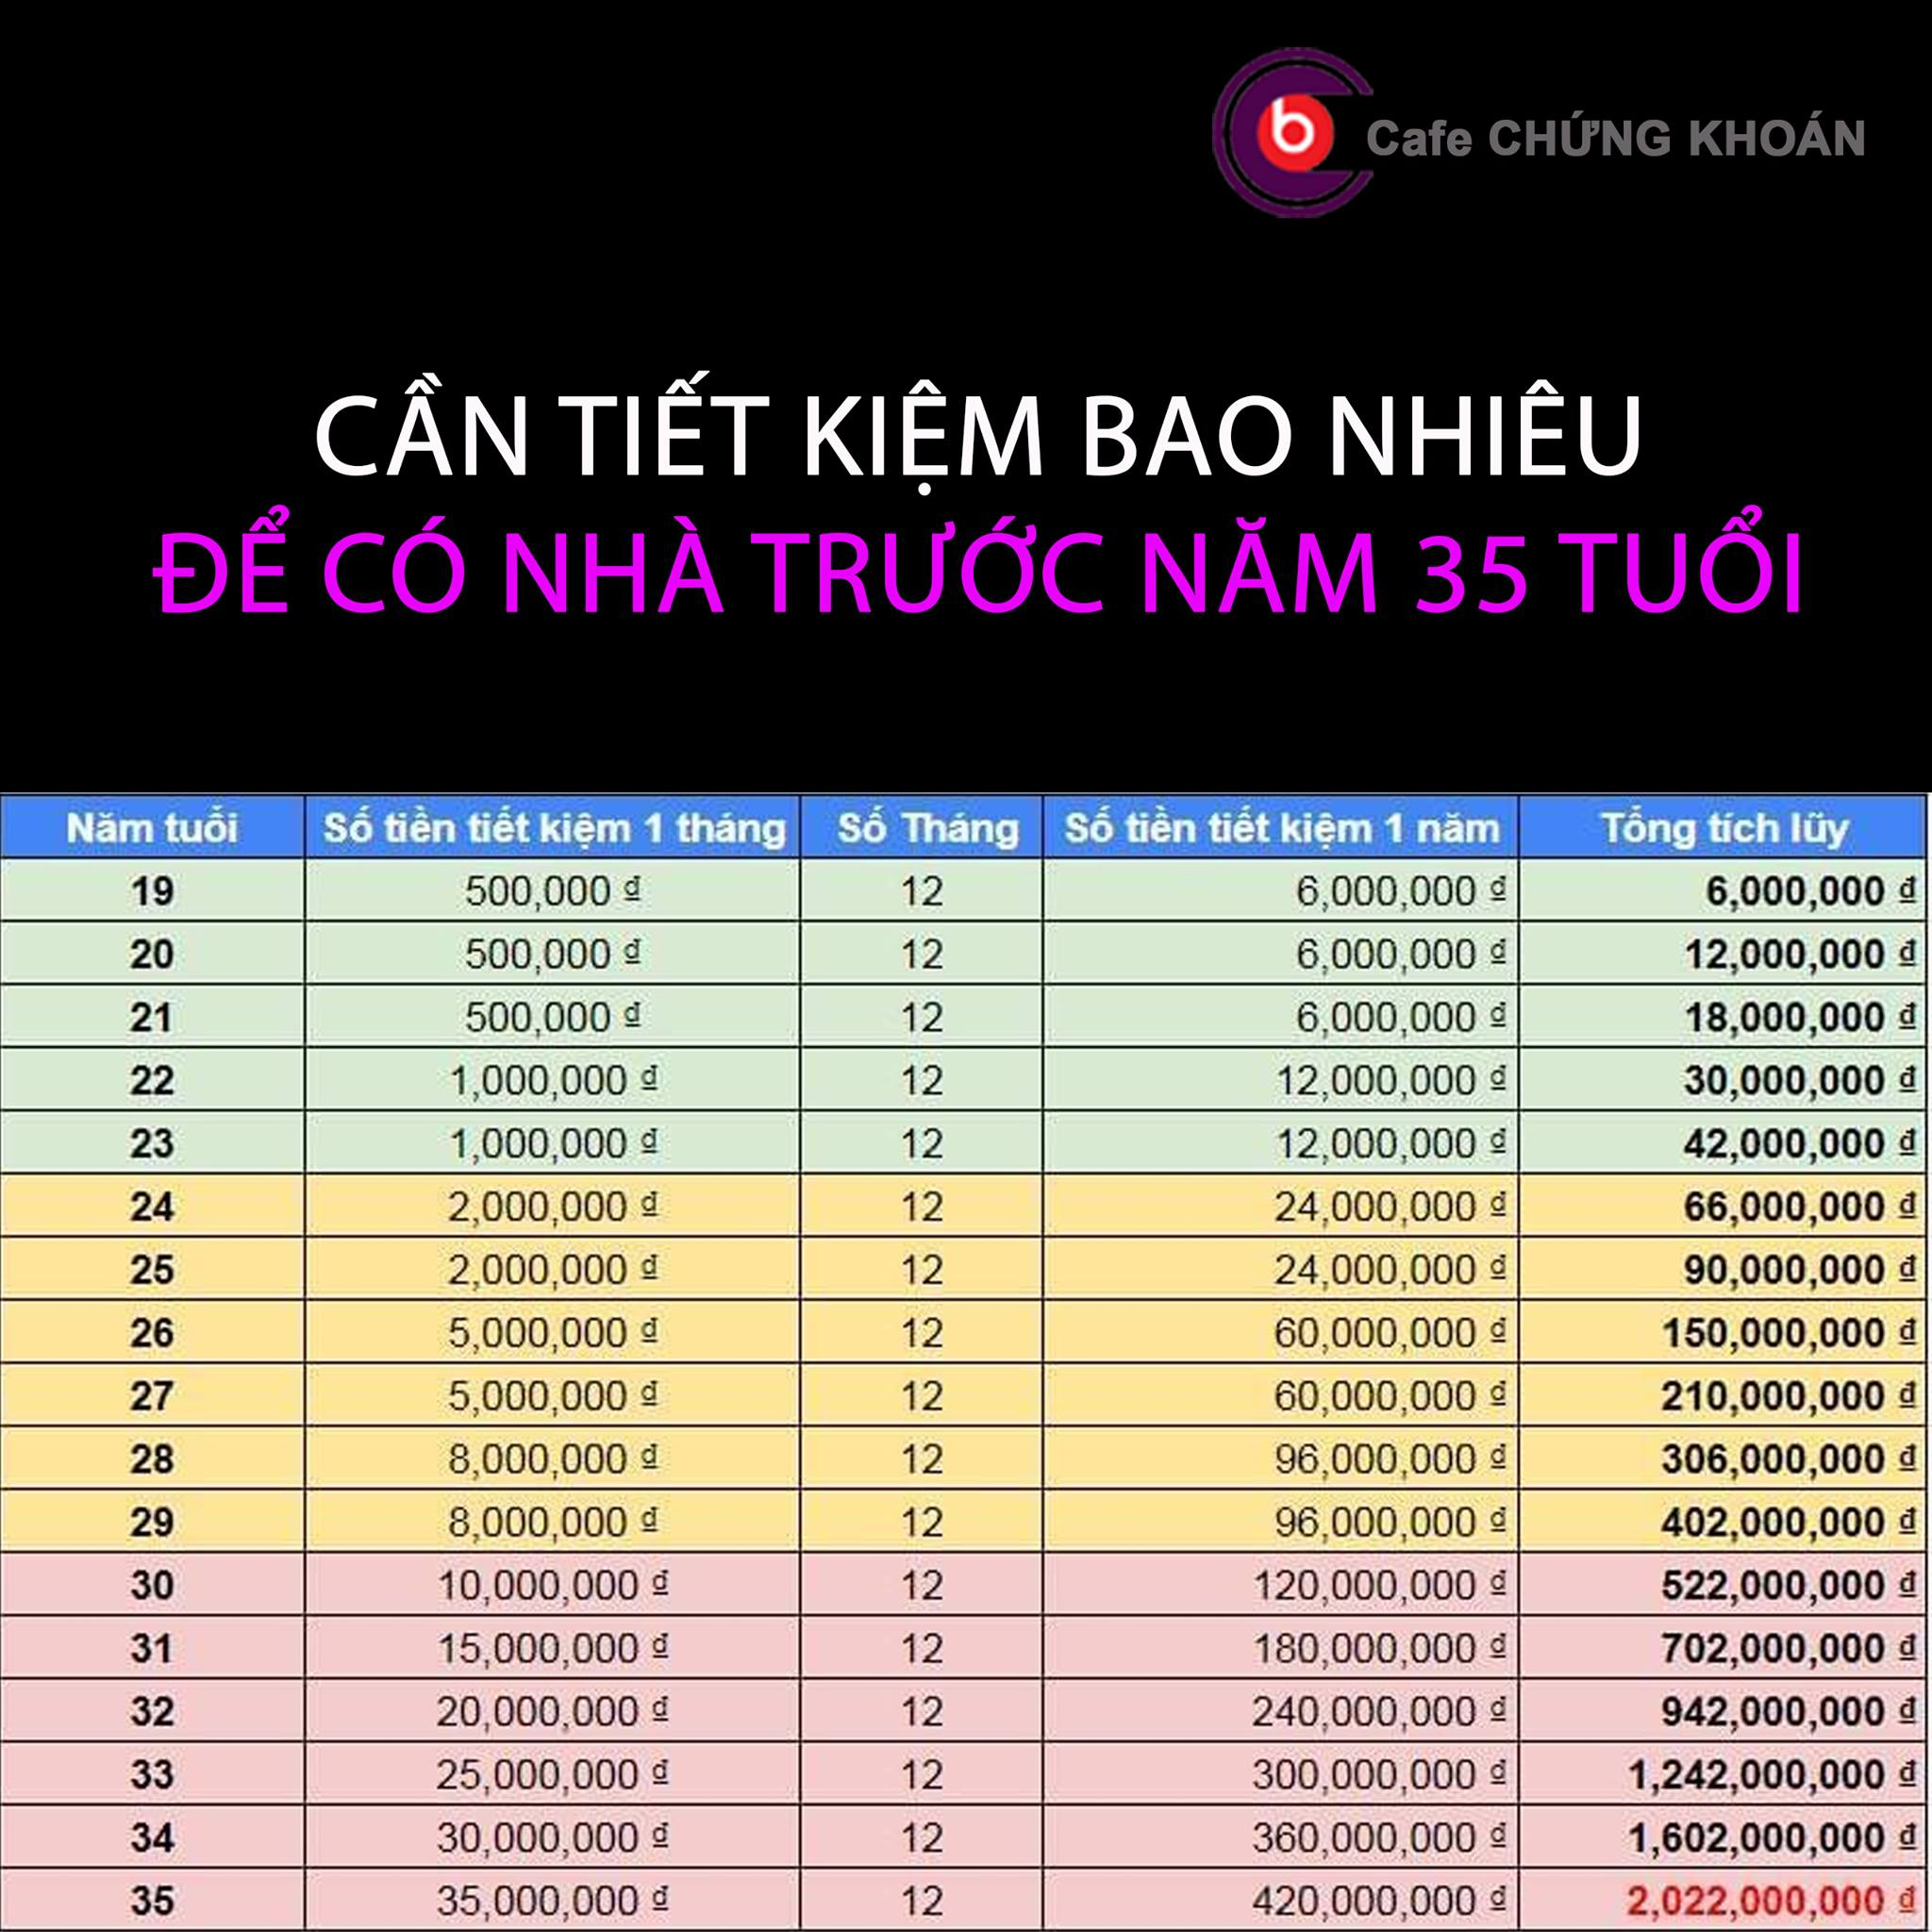
Hello
World
123
123.456

