Introduction
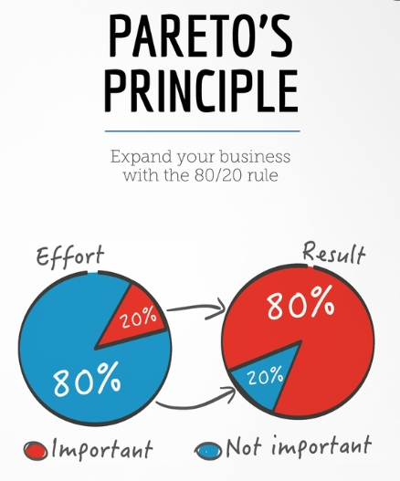
Position | DT Data Champion | Task1: Design a Dashboard
Required mindset | Deep-thinking, joy of learning | You are asked to design a leaderboard that summarizes
 |  | the results of a personality assessment
DT Areas of Work | Behavioral Intelligence, Execution, BizTech Acumen, Values driven decision making, Learnability
 |  | Task2: Implement the dashboard
 |  | You are asked to implement the dashboard that you designed
 |  | in Task1. You are given some formulae that can be used
 |  | to automate the dashboard, along with conditional formatting rules

 |  | Why these tasks
About DT Data Champion Role | Blend of business analytics, data science and data engineering. Solves real world problems, gets buyin of cross functional teams, takes ownership of the outcome | If you're hired as a Data Champion, you would be looking at a lot of real world problems, you'd have to design and implement solutions. Task1 evaluates your problem solving capabilities while Task2 evaluates your technical execution of the solution

 |  | If hired, what would you be taught
DeepTech Mindset | Ability to switch between abstract and concrete ideas, to spot core insights, to extrrapolate textual ideas to real world situations | You'd get to learn real world problem solving, working with large data sets using GSheets/Excel, Pandas, Machine Learning, LLM Training

 |  | The tasks are quite easy, provided you follow the Pareto's law: spend 80% of the time reading and understanding, 20% time executing the task

