Enhanced Housing Data
 |  |  |  |  |  |  | Comprehensive Analysis of Housing Prices

Square_Feet | Bedrooms | Bathrooms | Location_Score | Age_of_House | Price | Garage_Size | Lot_Size | Nearby_Schools_Rating | Crime_Rate
3674 | 1 | 1 | 5.0358172869 | 25 | 387497 | 1 | 5592.9154803 | 6 | 9.679940665
1360 | 5 | 2 | 9.9501171635 | 36 | 257869 | 0 | 3440.5123547 | 5 | 7.1095247884
1794 | 5 | 1 | 2.5833272741 | 25 | 115953 | 0 | 8231.0526872 | 6 | 1.9950692734
1630 | 2 | 2 | 1.1626782725 | 22 | 369602 | 1 | 7004.9461393 | 1 | 7.362471837
1595 | 5 | 2 | 5.4450434367 | 8 | 332502 | 2 | 2044.8609238 | 5 | 5.2984002318
3592 | 2 | 3 | 2.609404383 | 11 | 53267 | 1 | 9153.8082527 | 9 | 7.0723009564
2138 | 1 | 2 | 4.2982190612 | 0 | 132745 | 0 | 8314.1038078 | 2 | 7.6777950144
2669 | 4 | 3 | 7.6975347075 | 0 | 401732 | 1 | 9523.0991763 | 1 | 0.8729017959
966 | 4 | 1 | 7.4884593183 | 46 | 350657 | 0 | 7394.3353297 | 9 | 5.0610395636
1738 | 4 | 1 | 3.7725471267 | 33 | 207164 | 1 | 6327.4443614 | 9 | 9.3201434226
830 | 5 | 1 | 5.882862075 | 31 | 61338 | 2 | 4473.3088448 | 9 | 3.2064219216
1982 | 1 | 1 | 5.5793266915 | 47 | 181484 | 1 | 9360.9205919 | 6 | 5.9388309756
2635 | 5 | 3 | 6.7269935637 | 24 | 57543 | 1 | 8727.6069503 | 8 | 3.6923048151
3944 | 5 | 1 | 3.2541563675 | 39 | 418035 | 0 | 929.57736601 | 1 | 4.5426797222
3671 | 1 | 2 | 6.308837628 | 44 | 476712 | 0 | 750.48625772 | 4 | 5.4860311794
3419 | 1 | 2 | 9.8100357245 | 0 | 110692 | 0 | 4076.4019853 | 1 | 5.4892197989
630 | 1 | 2 | 5.3806793766 | 15 | 270156 | 1 | 8200.2566424 | 8 | 2.0173046233
2185 | 1 | 3 | 9.1548890895 | 38 | 273992 | 2 | 9879.1232285 | 1 | 6.8457154788
3880 | 4 | 1 | 4.9095492896 | 4 | 356569 | 0 | 1928.9604655 | 3 | 0.87868111243
1269 | 3 | 1 | 4.1507056693 | 21 | 88756 | 0 | 6144.2417958 | 4 | 1.3882477344
2891 | 3 | 1 | 6.8059302583 | 28 | 68888 | 1 | 4118.463138 | 8 | 0.027108994143
2015 | 1 | 3 | 7.020316537 | 2 | 216807 | 0 | 9714.1867792 | 6 | 1.1669606414
3985 | 3 | 2 | 8.7775080856 | 11 | 359439 | 2 | 8500.1297698 | 7 | 4.7316620105
3353 | 3 | 2 | 3.0716674142 | 25 | 164352 | 2 | 8464.1226948 | 8 | 6.0610188106
2933 | 1 | 1 | 5.492740419 | 15 | 395186 | 0 | 4952.5850181 | 2 | 7.9428944997
1715 | 3 | 2 | 6.1480377929 | 36 | 135999 | 0 | 4440.7852722 | 8 | 1.0669925011
1455 | 5 | 2 | 7.9169861288 | 21 | 67955 | 1 | 3097.3671833 | 3 | 8.5072746002
2824 | 2 | 3 | 1.3924339458 | 28 | 349985 | 2 | 1035.5672182 | 7 | 7.4597452555
1684 | 2 | 3 | 9.9509545972 | 13 | 120640 | 2 | 8714.8625744 | 3 | 4.0851829294
959 | 1 | 3 | 5.2295006259 | 27 | 246582 | 0 | 8222.5595867 | 7 | 9.329380671
3885 | 4 | 3 | 3.5160430762 | 4 | 478127 | 1 | 9997.3178962 | 2 | 9.9092947646
521 | 1 | 1 | 8.9514462004 | 46 | 269798 | 2 | 9968.0499522 | 6 | 2.0500181005
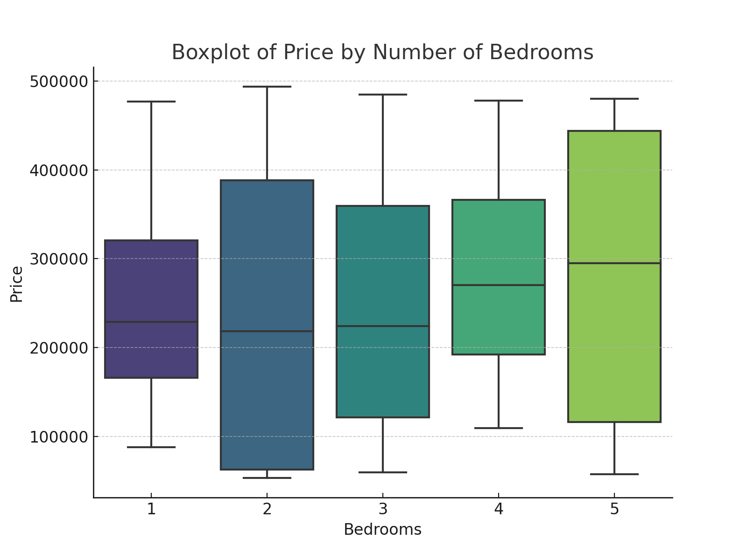
2800 | 4 | 3 | 7.7294689651 | 48 | 450573 | 2 | 5776.6012032 | 3 | 3.7922858496
1247 | 2 | 2 | 9.5776466232 | 29 | 475695 | 1 | 7805.3804442 | 3 | 9.2644942359
3404 | 1 | 1 | 3.976752742 | 45 | 111476 | 1 | 9475.2744339 | 9 | 7.2159655075
974 | 5 | 2 | 5.9748847015 | 4 | 356955 | 2 | 8571.6502114 | 7 | 0.48094643964
1582 | 3 | 2 | 6.1506322225 | 11 | 217280 | 2 | 2849.8069666 | 5 | 7.8151448175
3058 | 4 | 2 | 9.8229842534 | 15 | 201222 | 1 | 4780.1692854 | 7 | 8.2794088718
2547 | 3 | 3 | 1.6781163041 | 25 | 121180 | 2 | 1727.0144439 | 9 | 7.5050192477
3247 | 3 | 3 | 3.7512731736 | 25 | 224358 | 0 | 9563.484759 | 1 | 7.9953713092
1475 | 1 | 1 | 2.7181992804 | 47 | 162856 | 0 | 6258.6590273 | 7 | 8.2513267669
2306 | 3 | 1 | 3.416273712 | 20 | 380594 | 1 | 2672.1066523 | 6 | 1.8640498679
689 | 5 | 3 | 5.3675188685 | 38 | 464568 | 1 | 6881.1565019 | 9 | 2.3569174606
3505 | 3 | 2 | 4.3541818038 | 35 | 236141 | 1 | 6372.2182844 | 1 | 6.3375856372
3234 | 1 | 1 | 4.5522232013 | 32 | 424032 | 0 | 3902.5458213 | 4 | 9.0786613046
3505 | 5 | 3 | 8.5979182665 | 29 | 160448 | 2 | 1578.7971259 | 9 | 3.161965823
1062 | 2 | 3 | 9.3701515133 | 36 | 64397 | 0 | 6879.9453581 | 4 | 5.883066758
2399 | 3 | 3 | 1.6337451776 | 22 | 484771 | 2 | 5442.9231586 | 3 | 6.8298206342
1767 | 1 | 2 | 2.8802684585 | 9 | 228031 | 0 | 7837.0247215 | 9 | 4.519486013
3379 | 2 | 3 | 7.0402916514 | 4 | 443944 | 2 | 5441.5532606 | 2 | 7.1378245486
2028 | 2 | 3 | 4.2278210317 | 35 | 493733 | 0 | 8595.724253 | 4 | 8.9966744529
3702 | 4 | 3 | 3.2874728416 | 33 | 169180 | 1 | 5743.1149684 | 6 | 6.2410154418
1146 | 5 | 3 | 3.6576152958 | 30 | 116234 | 0 | 5828.9107296 | 2 | 5.3978106191
2568 | 3 | 1 | 3.9029568781 | 9 | 89954 | 2 | 8828.2092253 | 8 | 4.3874467539
3388 | 1 | 1 | 8.6380281543 | 18 | 228352 | 0 | 4333.087229 | 8 | 5.7748627091
2714 | 4 | 3 | 2.229591983 | 31 | 129459 | 0 | 1773.1446703 | 1 | 3.5536245182
1797 | 5 | 2 | 7.3801989722 | 0 | 459995 | 0 | 773.43542498 | 3 | 3.914821102
2935 | 4 | 1 | 5.9753797922 | 4 | 245004 | 1 | 7673.8039289 | 9 | 5.3185747969
1100 | 5 | 3 | 3.6685912928 | 44 | 467682 | 0 | 6392.9407379 | 5 | 0.66619112391
2863 | 5 | 1 | 4.778027708 | 3 | 480155 | 1 | 7188.7577969 | 6 | 2.2902539092
2561 | 3 | 1 | 3.3058624924 | 15 | 250968 | 1 | 2523.1595343 | 4 | 5.4284931061
741 | 5 | 2 | 6.5036233978 | 23 | 478486 | 0 | 1795.5290181 | 2 | 4.3152814314 |  |  |  | Statistical Summary
2541 | 4 | 3 | 1.7343476236 | 15 | 109163 | 0 | 638.17432384 | 8 | 3.3281578591
3324 | 5 | 3 | 1.046663765 | 1 | 101934 | 0 | 3830.5818087 | 6 | 7.3054913681 | Column1 | Square_Feet | Bedrooms | Bathrooms | Location_Score | Age_of_House | Price | Garage_Size | Lot_Size | Nearby_Schools_Rating | Crime_Rate
3917 | 3 | 2 | 6.6510497345 | 48 | 245967 | 2 | 6104.2180251 | 5 | 6.937176074 | count | 100 | 100 | 100 | 100 | 100 | 100 | 100 | 100 | 100 | 100
3112 | 3 | 2 | 2.7484655816 | 27 | 475523 | 0 | 4226.3184284 | 9 | 1.6673075999 | mean | 2368.7 | 2.97 | 2.01 | 5.3166285813 | 23.9 | 257740.66 | 0.89 | 5440.0710425 | 5.3 | 5.3238332908
3445 | 4 | 3 | 1.638468253 | 31 | 366242 | 1 | 4656.0117592 | 1 | 8.7862911537 | std | 1018.7236171 | 1.4802061009 | 0.82259751195 | 2.5853633829 | 14.357273875 | 137237.691 | 0.81519657417 | 2837.8489003 | 2.5721900428 | 2.6051360931
1863 | 2 | 3 | 4.5710544449 | 26 | 55486 | 0 | 9089.5075977 | 5 | 4.954236264 | min | 521 | 1 | 1 | 1.046663765 | 0 | 53267 | 0 | 638.17432384 | 1 | 0.027108994143
2639 | 2 | 2 | 1.4569167794 | 19 | 189407 | 2 | 3808.4269367 | 6 | 7.4146091114 | 25% | 1566.75 | 1 | 1 | 3.3012650797 | 11 | 135518.25 | 0 | 2832.7010695 | 3 | 3.5215290316
1890 | 5 | 1 | 8.9795543406 | 23 | 399044 | 0 | 5382.900147 | 5 | 5.7315084926 | 50% | 2468 | 3 | 2 | 4.991042197 | 25 | 240572.5 | 1 | 5442.2382096 | 6 | 5.4572621428
3503 | 1 | 1 | 1.2485509469 | 11 | 176020 | 2 | 7944.703621 | 6 | 9.9769261592 | 75% | 3288.75 | 4 | 3 | 7.3929882135 | 34.25 | 382319.75 | 2 | 8205.8323785 | 8 | 7.3755061556
1978 | 5 | 2 | 6.2097840596 | 49 | 152795 | 2 | 4267.1564321 | 6 | 7.5240312004 | max | 3999 | 5 | 3 | 9.9509545972 | 49 | 493733 | 2 | 9997.3178962 | 9 | 9.9769261592
3999 | 4 | 1 | 4.9462671072 | 34 | 270184 | 0 | 6409.8236522 | 7 | 7.0698046124
3056 | 4 | 2 | 7.0482352177 | 32 | 192202 | 1 | 8692.4552331 | 4 | 7.7857193905
1275 | 4 | 1 | 3.9533740073 | 32 | 399652 | 2 | 9520.4459247 | 8 | 1.4312798555 |  |  |  | Correlation Matrix
534 | 4 | 1 | 2.3953745505 | 42 | 287027 | 0 | 1897.1980688 | 7 | 2.0454459317
2753 | 4 | 3 | 9.8365679948 | 36 | 168324 | 0 | 9302.582439 | 9 | 7.1406408222 | Column1 | Square_Feet | Bedrooms | Bathrooms | Location_Score | Age_of_House | Price | Garage_Size | Lot_Size | Nearby_Schools_Rating | Crime_Rate
3652 | 3 | 3 | 8.5504015186 | 11 | 372710 | 1 | 5175.1047843 | 7 | 4.9398148713 | Square_Feet | 1 | -0.14145438155 | 0.072181281568 | -0.11205848703 | -0.062922686873 | 0.034900669182 | 0.032581431579 | 0.02431138058 | -0.081811084963 | 0.21236897367
2455 | 2 | 1 | 8.7436415648 | 2 | 247775 | 2 | 2953.3216888 | 3 | 7.5463529186 | Bedrooms | -0.14145438155 | 1 | 0.041727581013 | 0.015537951453 | -0.075240477914 | 0.082141511162 | 0.030721777103 | -0.21328094209 | 0.036876896388 | -0.2742408483
2085 | 4 | 1 | 3.2522622446 | 0 | 339336 | 2 | 4861.7896843 | 3 | 1.0291603074 | Bathrooms | 0.072181281568 | 0.041727581013 | 1 | -0.090689484055 | -0.0076119413872 | -0.045574302629 | 0.0016569437036 | 0.074765092331 | -0.16851907495 | 0.052869965958
3959 | 1 | 3 | 1.3495126099 | 32 | 313206 | 0 | 9810.3094652 | 8 | 5.3648135148 | Location_Score | -0.11205848703 | 0.015537951453 | -0.090689484055 | 1 | -0.014453385374 | 0.0054957848323 | 0.066522660351 | 0.043044848399 | -0.040963126385 | 0.012323336786
3573 | 1 | 3 | 3.7293896321 | 39 | 134076 | 0 | 5179.8718929 | 5 | 3.7882156556 | Age_of_House | -0.062922686873 | -0.075240477914 | -0.0076119413872 | -0.014453385374 | 1 | -0.10801082064 | -0.043238259177 | 0.0068419231391 | 0.18024996222 | 0.068107082977
1521 | 1 | 3 | 5.8337418448 | 9 | 139780 | 1 | 3623.1402977 | 4 | 4.5700021928 | Price | 0.034900669182 | 0.082141511162 | -0.045574302629 | 0.0054957848323 | -0.10801082064 | 1 | -0.0033423404862 | -0.038750695938 | -0.29776034776 | -0.015118196421
3961 | 1 | 2 | 3.9398611762 | 42 | 202617 | 1 | 6517.308116 | 8 | 6.0395787207 | Garage_Size | 0.032581431579 | 0.030721777103 | 0.0016569437036 | 0.066522660351 | -0.043238259177 | -0.0033423404862 | 1 | -0.012161965115 | 0.078521215029 | 0.0056736328991
3113 | 3 | 1 | 8.4508210341 | 43 | 71689 | 2 | 2781.3833784 | 6 | 5.0228834746 | Lot_Size | 0.02431138058 | -0.21328094209 | 0.074765092331 | 0.043044848399 | 0.0068419231391 | -0.038750695938 | -0.012161965115 | 1 | 0.086849351436 | 0.11829000051
1629 | 1 | 3 | 3.4438862424 | 28 | 323318 | 2 | 1220.701617 | 2 | 5.3986063711 | Nearby_Schools_Rating | -0.081811084963 | 0.036876896388 | -0.16851907495 | -0.040963126385 | 0.18024996222 | -0.29776034776 | 0.078521215029 | 0.086849351436 | 1 | -0.15843620941
2000 | 4 | 1 | 9.6872664735 | 12 | 400605 | 0 | 1724.3573582 | 4 | 4.86357482 | Crime_Rate | 0.21236897367 | -0.2742408483 | 0.052869965958 | 0.012323336786 | 0.068107082977 | -0.015118196421 | 0.0056736328991 | 0.11829000051 | -0.15843620941 | 1
1202 | 5 | 2 | 5.1153864545 | 11 | 438318 | 2 | 1716.4354701 | 4 | 4.0895517709
2949 | 1 | 2 | 8.5782076751 | 30 | 415177 | 1 | 1943.0755884 | 6 | 7.718819806
3277 | 3 | 3 | 2.749420306 | 45 | 59348 | 1 | 1818.8581402 | 6 | 0.12203072318
2079 | 3 | 2 | 4.7021851455 | 1 | 466930 | 0 | 6588.3100756 | 1 | 5.9844270121
661 | 1 | 1 | 7.2956098969 | 49 | 88102 | 1 | 2227.8608018 | 8 | 5.6550834732
701 | 5 | 3 | 2.2451778318 | 34 | 124460 | 1 | 3783.8391916 | 6 | 7.1617907473
2481 | 1 | 1 | 2.1947088002 | 22 | 414778 | 1 | 9019.4898941 | 3 | 5.9902936478
1495 | 3 | 1 | 9.725831804 | 16 | 139930 | 1 | 5002.6355825 | 9 | 8.2679882781
2817 | 2 | 2 | 7.4313559376 | 25 | 56801 | 0 | 6841.7985159 | 2 | 9.5907479456
1315 | 4 | 2 | 1.3696076509 | 7 | 153150 | 0 | 2137.0387764 | 8 | 3.4252425718
3842 | 3 | 2 | 4.589388113 | 28 | 253339 | 2 | 2326.7456787 | 3 | 2.2735098303
955 | 1 | 2 | 4.9016866382 | 25 | 229208 | 1 | 888.25185453 | 5 | 4.2359686242
1775 | 4 | 2 | 7.696383787 | 9 | 204697 | 2 | 2104.8830992 | 6 | 2.8792961648

