KKR vs LOL - 20 May
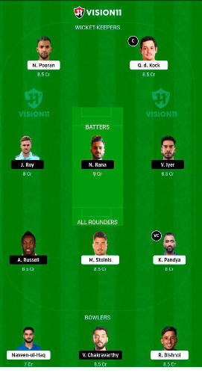
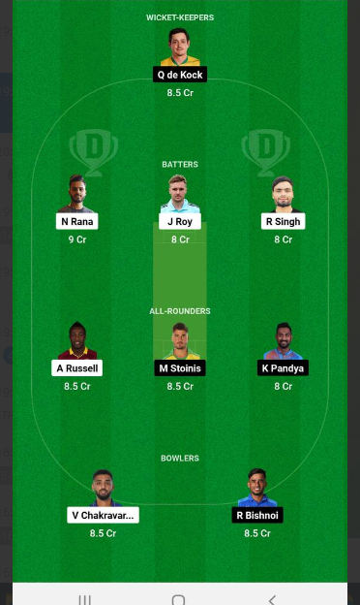
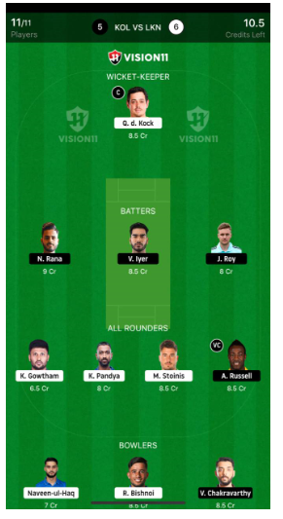
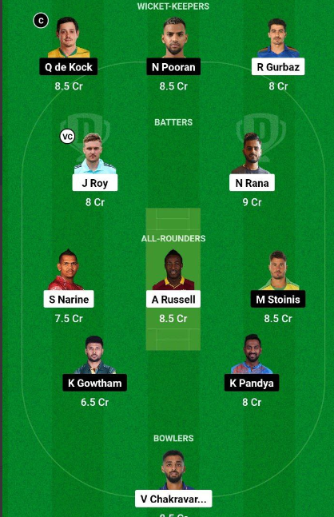
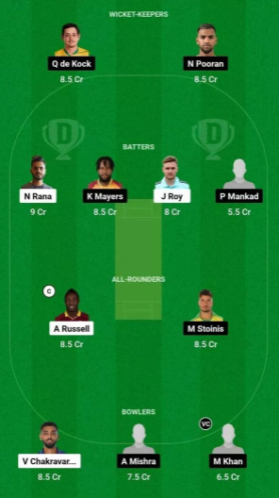
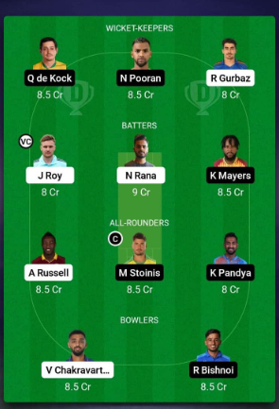
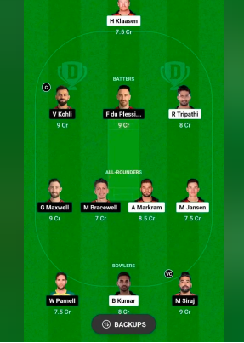
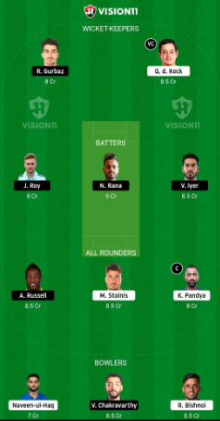
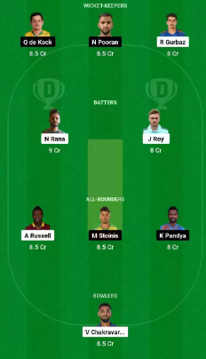
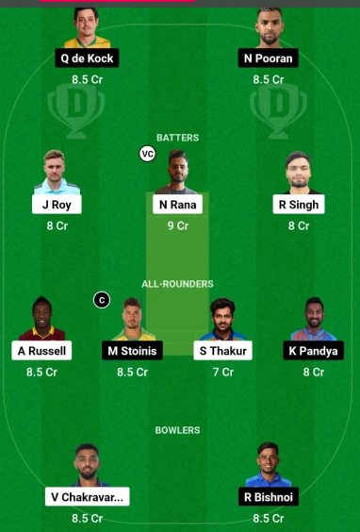
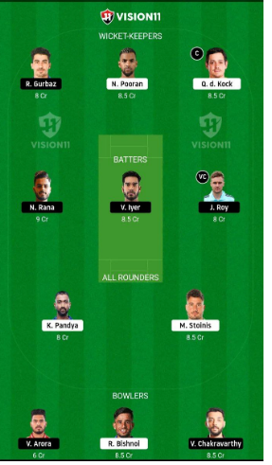
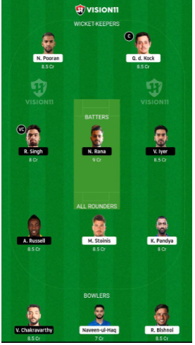
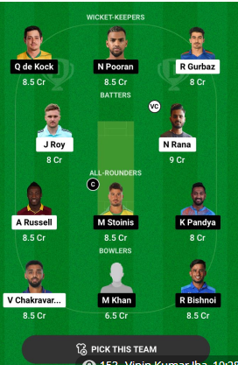
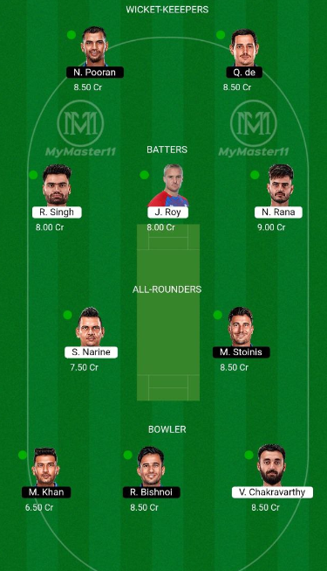
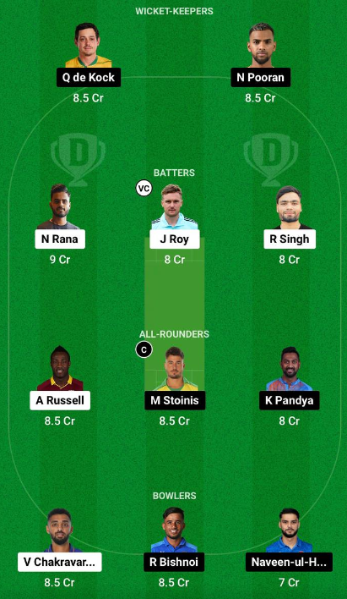
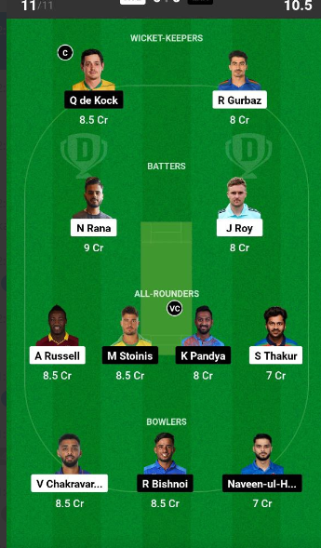
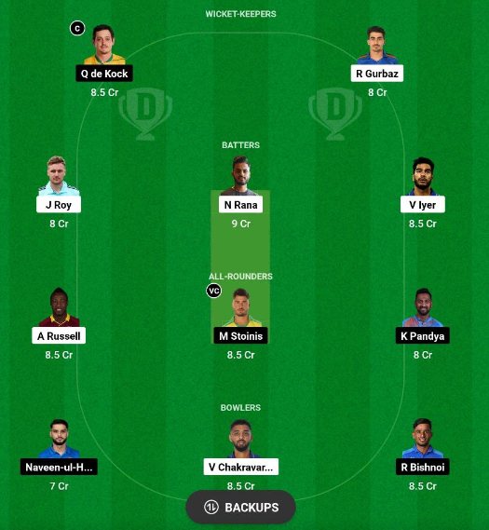
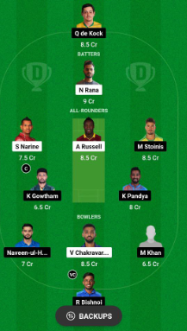
 |  |  |  |  |  | web | web |  |  | web |cp,peltme strarget |  |  |  |  | big tel
 |  | 723 | 711 | 724 | 726 | May-19 | May 20, 2023 3:52 | 4:36:00 | 713 | 20 Ma | May-19 | Dec-01 | 725 | 728 | 722 | 719 | 719
Lucknow Super Giants | Kolkata Knight Riders | Possible11 - Fantasy Cricket Prediction | Ram Choudhary | CHAMPION RVD | Fantasy Cricket Guru | khelnow.com | probatsman | cricketaddictor | CricGram | cricxtasy | stumpsandbails | MYFINAL11 | Crix11 | Free_IPL_teams | Fantasy Talent HuB (Royal FTH) | Primes World | Kumar Adarsh - Cricket Analyst | Stats Guruji | CricInformer | Somesh Thakre 🏆️ | Sports Fantasy Guruji | Crickotologic | ADDA GURU | Fantasy Buzz | Fantasy Cricball | Kumar508 : The Fantasy Cricket | FantasyArena® | Fantasy Prediction For Free | FTEAMS4WIN
1- Quinton de Kock(w) | 1- Rahmanullah Gurbaz(w) | 5- Andre Russell | 1- Quinton de Kock(w) | 1- Quinton de Kock(w) | 1- Quinton de Kock(w)
2- Karan Sharma | 2- Jason Roy | 4- Nitish Rana© | 4- Nitish Rana© | 5- Nicholas Pooran | 4- Nitish Rana©
3- Prerak Mankad | 3- Venkatesh Iyer | 1- Rahmanullah Gurbaz(w) | 2- Jason Roy | 2- Jason Roy | 3- Venkatesh Iyer
4- Marcus Stoinis | 4- Nitish Rana© | 5- Nicholas Pooran | 6- Rinku Singh | 4- Nitish Rana© | 2- Jason Roy
5- Nicholas Pooran | 5- Andre Russell | 1- Quinton de Kock(w) | 5- Andre Russell | 3- Venkatesh Iyer | 8- Krishnappa Gowtham
6- Krunal Pandya© | 6- Rinku Singh | 2- Jason Roy | 4- Marcus Stoinis | 5- Andre Russell | 6- Krunal Pandya©
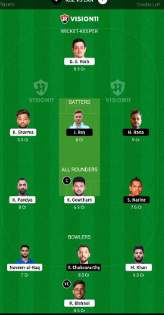
7- Ayush Badoni | 7- Shardul Thakur | 8- Sunil Narine | 6- Krunal Pandya© | 4- Marcus Stoinis | 4- Marcus Stoinis
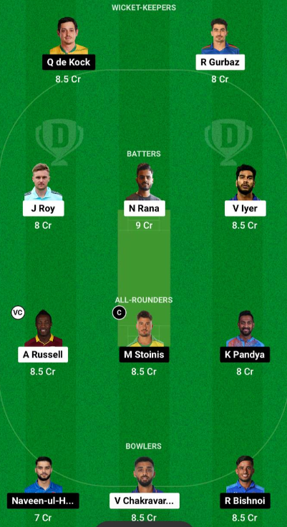
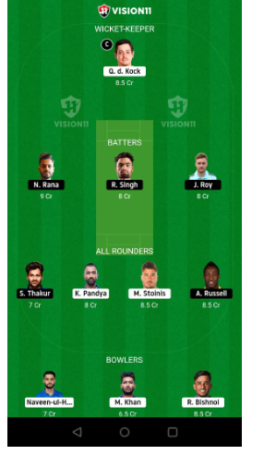
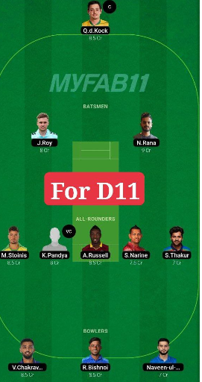
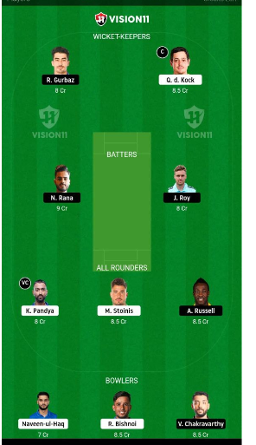
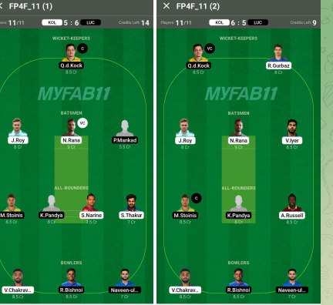
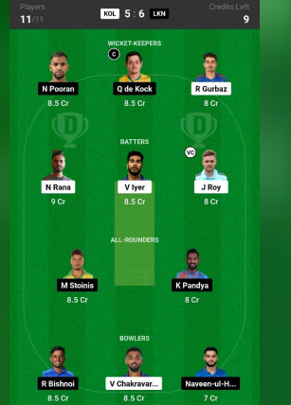
8- Krishnappa Gowtham | 8- Sunil Narine | 8- Krishnappa Gowtham | 11- Varun Chakaravarthy | 6- Krunal Pandya© | 5- Andre Russell
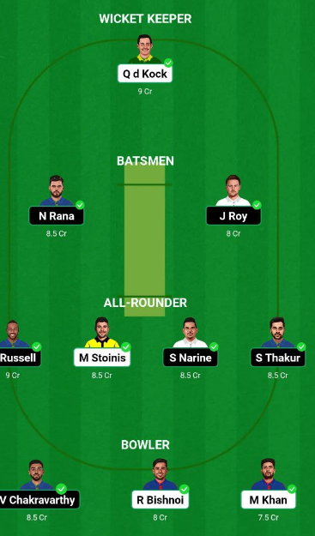
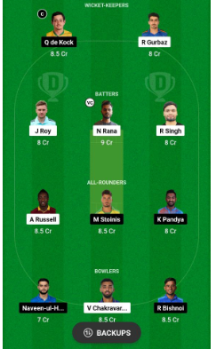
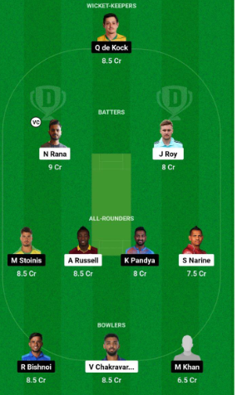
9- Ravi Bishnoi | 9- Vaibhav Arora | 6- Krunal Pandya© | 9- Ravi Bishnoi | 10- Naveen-ul-Haq | 10- Naveen-ul-Haq
10- Naveen-ul-Haq | 10- Harshit Rana | 11- Varun Chakaravarthy |  | 11- Varun Chakaravarthy | 9- Ravi Bishnoi
11- Mohsin Khan | 11- Varun Chakaravarthy | 4- Marcus Stoinis |  | 9- Ravi Bishnoi | 11- Varun Chakaravarthy

