Doanh_Thu_Loi_Nhuan
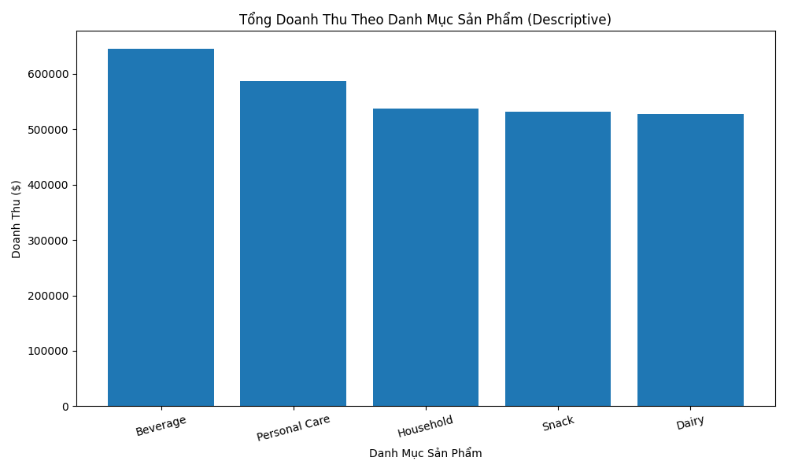
PRODUCT_CATEGORY | TOTAL_QUANTITY | TOTAL_REVENUE | TOTAL_PROFIT | AVG_MARGIN_PCT
Beverage | 1136 | 645120 | 160331.74 | 25.674579496
Personal Care | 1078 | 586360 | 145018.28 | 24.142453563
Household | 1026 | 536720 | 127581.7 | 23.541491828
Snack | 1071 | 531950 | 145063.75 | 25.646965882
Dairy | 925 | 527150 | 140900.59 | 25.558322364

Chan_Doan_Tra_Hang
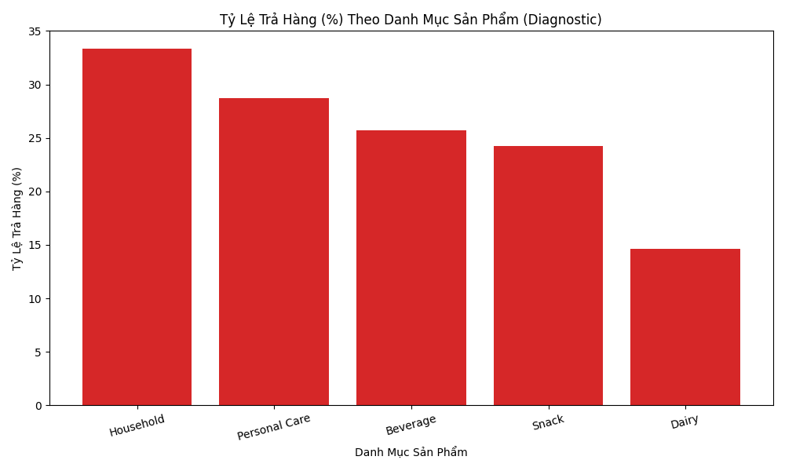
PRODUCT_CATEGORY | RETURN_FLAG | RETURN_RATE_PCT
Household | 0.33333333333 | 33.333333333
Personal Care | 0.28712871287 | 28.712871287
Beverage | 0.25714285714 | 25.714285714
Snack | 0.2427184466 | 24.27184466
Dairy | 0.14606741573 | 14.606741573

