Defects
TE Name | Defect number | Project Name | Module Name | Requirement Number | Test Case ID | Summary | Description | Issues | Severity | Priority | Assign to | Screen Shots
Durgesh Kumar Prajapati | DEF001 | Saucedemo | Click on login button | REQ001 | TC_03 | Click on login button | Verify the behavior of the login functionality by enter a lowercase character of username and correct password | Click on login button don't opening to the product page | Low | Medium | Durgesh Kumar Prajapati | 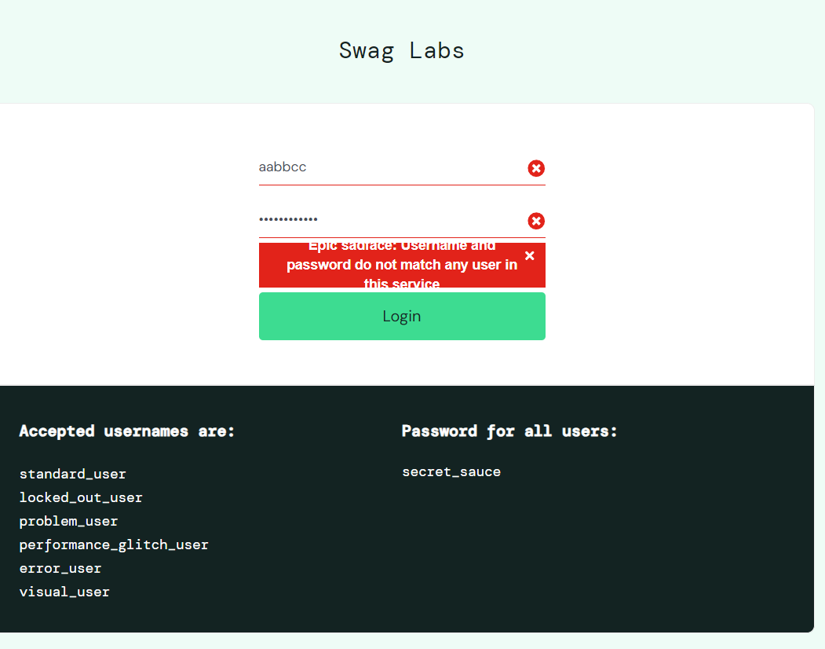
Durgesh Kumar Prajapati | DEF002 | Saucedemo | Click on login button | REQ001 | TC_10 | Click on login button | Verify the behavior when a user enter correct username and password should be empty | Click on login button don't opening to the product page | High | High | Durgesh Kumar Prajapati | 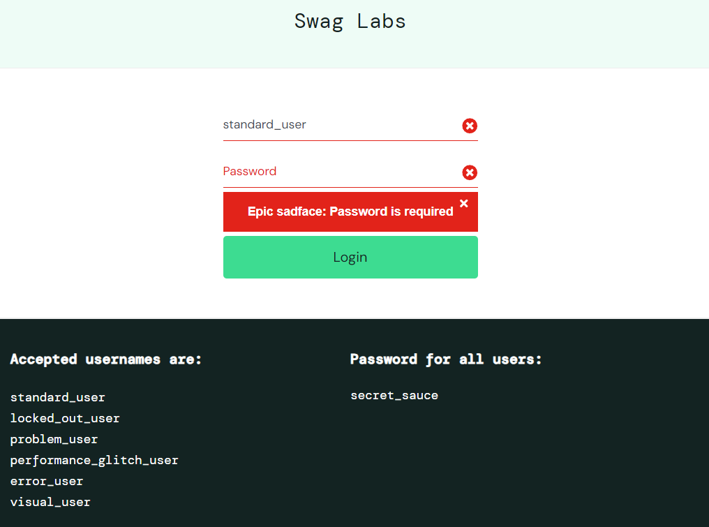
Durgesh Kumar Prajapati | DEF003 | Saucedemo | Click on login button | REQ001 | TC_13 | Click on login button | Verify the behavior when a user enter correct username and password without speical character | Click on login button don't opening to the product page | Medium | High | Durgesh Kumar Prajapati | 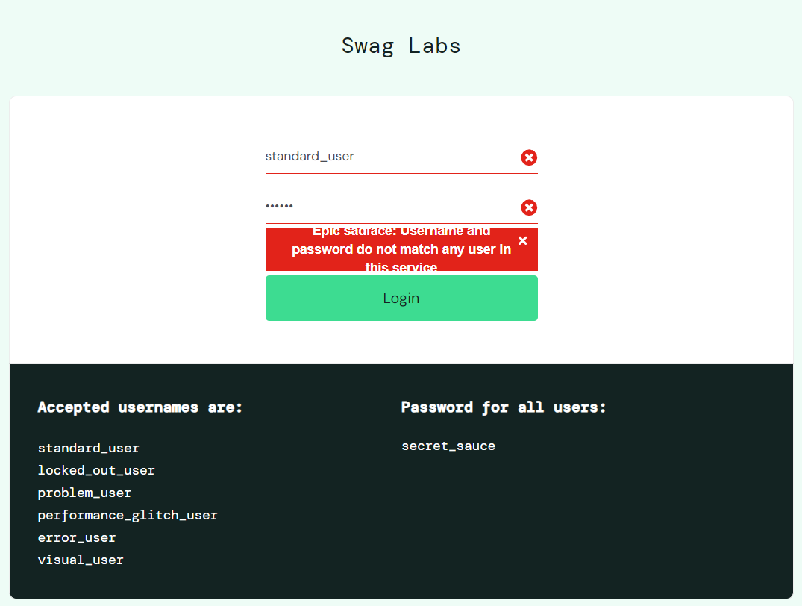
Durgesh Kumar Prajapati | DEF004 | Saucedemo | Click on login button | REQ001 | TC_14 | Click on login button | Verify the behavior when a user enter correct username and password should be only 8 character | Click on login button don't opening to the product page | Low | Low | Durgesh Kumar Prajapati

